Sheet1
EMD Catalog ID | SBMRI comments |  | Structure | CAS #
521275 | PDK1/Akt/Flt Dual Pathway Inhibitor | A15 |  | 331253-86-2
126871 | Alsterpaullone, 2-Cyanoethyl | A12 | 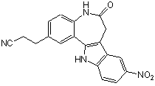 | 852529-97-0
219491 | Cdk/Crk Inhibitor | E20 | 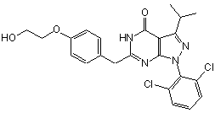 | 784211-09-2
572650 | SU9516 | O20 |  | 666837-93-0
444965 | MEK1/2 Inhibitor II | H15 | 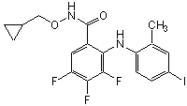 | 212631-61-3
528116 | PI 3-Kα Inhibitor VIII | L13 | 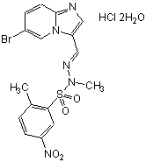 | 372196-77-5
341251 | Fascaplysin, Synthetic | G10 |  | 114719-57-2
219445 | Cdk2 Inhibitor II | D07 | 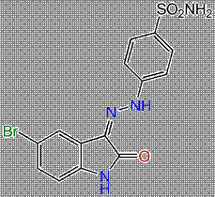 | 222035-13-4
217714 | Cdk1/2 Inhibitor III | C16 | 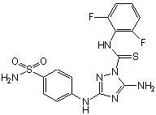 | 443798-55-8
361554 | GSK3b Inhibitor XII, TWS119 | M16 | 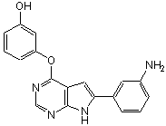 | 601514-19-6
554717 | Reversine | N05 | 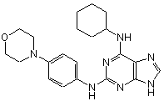 | 656820-32-5
238806 | Cdk2/9 Inhibitor | D17 | 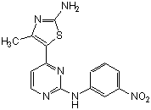 | 507487-89-0
681500 | WHI-P180, Hydrochloride | P15 | 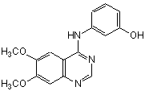 | 211555-08-7
365250 | Gö 6976 | E13 | 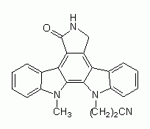 | 136194-77-9
234505 | Compound 56 | C09 | 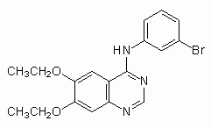 | 171745-13-4
126870 | Alsterpaullone | A10 | 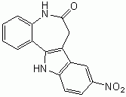 | 237430-03-4
658552 | AG 1478, Selective inhibitor of epidermal growth factor receptor (EGFR) protein | O03 | 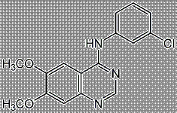 | 175178-82-2
420298 | K-252a, Nocardiopsis sp. | K08 | 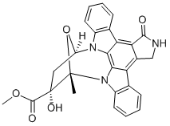 | 97161-97-2
569397 | Staurosporine, Streptomyces sp. | O21 | 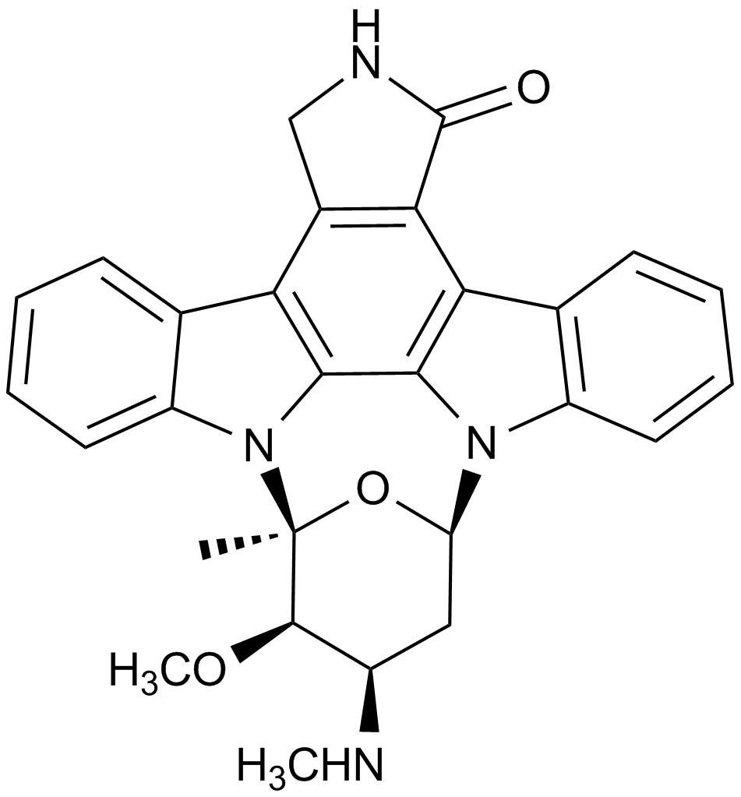 | 62996-74-1

