Cell line authentication result
The Centre for Applied Genomics
Genetic Analysis Facility
The results contained in this report were generated in a research lab that is not an accredited or licensed clinical laboratory. The results are provided for research purposes only. The underlying experiments were not performed (and these results are not provided) for the purposes of obtaining information for diagnosis, prophylaxis, or treatment.

Table 2. | Results of cell line authentication analysis of the cell lines used in this thesis.

Sample File | Sample Name | Panel | Marker | Allele 1 | Allele 2 | Allele 3 | Allele 4 | Results | Date
GP-DIA9142 | 5-LNP4 | GenePrint | AMEL | X | Y |  |  | confirmed | 14-Dec-18
GP-DIA9142 | 7-HCP14 | GenePrint | AMEL | X | X |  |  | confirmed | 14-Dec-18
GP-DIA9815 | A1-SKP2 | GenePrint | AMEL | X | X |  |  | confirmed | 1-Mar-19
GP-DIA9815 | A2-MD468 | GenePrint | AMEL | X | X |  |  | confirmed | 1-Mar-19
GP-DIA8293 | BT4P10 | GenePrint | AMEL | X | X |  |  | confirmed | 2-Oct-18
GP-DIA19766 | BTP12-DIAMANDIS-1 | GenePrint | AMEL | X | X |  |  | confirmed | 14-Jun-16
GP-DIA19766 | BTP18-DIAMANDIS-2 | GenePrint | AMEL | X | X |  |  | confirmed | 14-Jun-16
GP-DIA19766 | HCP11-DIAMANDIS-4 | GenePrint | AMEL | X | X |  |  | confirmed | 14-Jun-16
GP-DIA5321 | LNC2-DIAMANDIS-9 | GenePrint | AMEL | X | X |  |  | confirmed allele 1 (ATCC SRT profile for AMEL: x,y) | 29-Dec-17
GP-DIA8293 | MCP3 | GenePrint | AMEL | X | X |  |  | confirmed | 2-Oct-18
GP-DIA8293 | MDP3 | GenePrint | AMEL | X | X |  |  | confirmed | 2-Oct-18
GP-DIA19766 | TDP14-DIAMANDIS-3 | GenePrint | AMEL | X | X |  |  | confirmed | 14-Jun-16
GP-DIA8293 | ZRP2 | GenePrint | AMEL | X | X |  |  | confirmed | 2-Oct-18
GP-DIA9142 | 5-LNP4 | GenePrint | CSF1PO | 10 | 11 |  |  | confirmed | 14-Dec-18
GP-DIA9142 | 7-HCP14 | GenePrint | CSF1PO | 9 | 11 |  |  | confirmed | 14-Dec-18
GP-DIA9815 | A1-SKP2 | GenePrint | CSF1PO | 12 | 12 |  |  | confirmed | 1-Mar-19
GP-DIA9815 | A2-MD468 | GenePrint | CSF1PO | 12 | 12 |  |  | confirmed | 1-Mar-19
GP-DIA8293 | BT4P10 | GenePrint | CSF1PO | 10 | 11 |  |  | confirmed | 2-Oct-18
GP-DIA19766 | BTP12-DIAMANDIS-1 | GenePrint | CSF1PO | 10 | 11 |  |  | confirmed | 14-Jun-16
GP-DIA19766 | BTP18-DIAMANDIS-2 | GenePrint | CSF1PO | 10 | 11 |  |  | confirmed | 14-Jun-16
GP-DIA19766 | HCP11-DIAMANDIS-4 | GenePrint | CSF1PO | 9 | 11 |  |  | confirmed | 14-Jun-16
GP-DIA5321 | LNC2-DIAMANDIS-9 | GenePrint | CSF1PO | 10 | 11 |  |  | confirmed | 29-Dec-17
GP-DIA8293 | MCP3 | GenePrint | CSF1PO | 10 | 10 |  |  | confirmed | 2-Oct-18
GP-DIA8293 | MDP3 | GenePrint | CSF1PO | 10 | 12 |  |  | confirmed | 2-Oct-18
GP-DIA19766 | TDP14-DIAMANDIS-3 | GenePrint | CSF1PO | 11 | 13 |  |  | confirmed | 14-Jun-16
GP-DIA8293 | ZRP2 | GenePrint | CSF1PO | 10 | 11 |  |  | confirmed | 2-Oct-18
GP-DIA9142 | 5-LNP4 | GenePrint | D13S317 | 9 | 10 | 12 |  | confirmed | 14-Dec-18
GP-DIA9142 | 7-HCP14 | GenePrint | D13S317 | 10 | 12 |  |  | confirmed | 14-Dec-18
GP-DIA9815 | A1-SKP2 | GenePrint | D13S317 | 11 | 12 |  |  | confirmed | 1-Mar-19
GP-DIA9815 | A2-MD468 | GenePrint | D13S317 | 12 | 12 |  |  | confirmed | 1-Mar-19
GP-DIA8293 | BT4P10 | GenePrint | D13S317 | 11 | 11 |  |  | confirmed | 2-Oct-18
GP-DIA19766 | BTP12-DIAMANDIS-1 | GenePrint | D13S317 | 11 | 11 |  |  | confirmed | 14-Jun-16
GP-DIA19766 | BTP18-DIAMANDIS-2 | GenePrint | D13S317 | 11 | 11 |  |  | confirmed | 14-Jun-16
GP-DIA19766 | HCP11-DIAMANDIS-4 | GenePrint | D13S317 | 10 | 12 |  |  | confirmed | 14-Jun-16
GP-DIA5321 | LNC2-DIAMANDIS-9 | GenePrint | D13S317 | 10 | 12 |  |  | confirmed | 29-Dec-17
GP-DIA8293 | MCP3 | GenePrint | D13S317 | 11 | 11 |  |  | confirmed | 2-Oct-18
GP-DIA8293 | MDP3 | GenePrint | D13S317 | 12 | 12 |  |  | confirmed | 2-Oct-18
GP-DIA19766 | TDP14-DIAMANDIS-3 | GenePrint | D13S317 | 12 | 12 |  |  | confirmed | 14-Jun-16
GP-DIA8293 | ZRP2 | GenePrint | D13S317 | 9 | 9 |  |  | confirmed | 2-Oct-18
GP-DIA9142 | 5-LNP4 | GenePrint | D16S539 | 11 | 11 |  |  | confirmed | 14-Dec-18
GP-DIA9142 | 7-HCP14 | GenePrint | D16S539 | 9 | 12 |  |  | confirmed | 14-Dec-18
GP-DIA9815 | A1-SKP2 | GenePrint | D16S539 | 9 | 9 |  |  | confirmed | 1-Mar-19
GP-DIA9815 | A2-MD468 | GenePrint | D16S539 | 9 | 9 |  |  | confirmed | 1-Mar-19
GP-DIA8293 | BT4P10 | GenePrint | D16S539 | 9 | 11 |  |  | confirmed | 2-Oct-18
GP-DIA19766 | BTP12-DIAMANDIS-1 | GenePrint | D16S539 | 9 | 11 |  |  | confirmed | 14-Jun-16
GP-DIA19766 | BTP18-DIAMANDIS-2 | GenePrint | D16S539 | 9 | 11 |  |  | confirmed | 14-Jun-16
GP-DIA19766 | HCP11-DIAMANDIS-4 | GenePrint | D16S539 | 9 | 12 |  |  | confirmed | 14-Jun-16
GP-DIA5321 | LNC2-DIAMANDIS-9 | GenePrint | D16S539 | 11 | 11 |  |  | confirmed | 29-Dec-17
GP-DIA8293 | MCP3 | GenePrint | D16S539 | 11 | 12 |  |  | confirmed | 2-Oct-18
GP-DIA8293 | MDP3 | GenePrint | D16S539 | 9 | 9 |  |  | confirmed | 2-Oct-18
GP-DIA19766 | TDP14-DIAMANDIS-3 | GenePrint | D16S539 | 10 | 10 |  |  | confirmed | 14-Jun-16
GP-DIA8293 | ZRP2 | GenePrint | D16S539 | 11 | 11 |  |  | confirmed | 2-Oct-18
GP-DIA9142 | 5-LNP4 | GenePrint | D21S11 | 29 | 32.2 |  |  | confirmed | 14-Dec-18
GP-DIA9142 | 7-HCP14 | GenePrint | D21S11 | 28 | 30.2 |  |  | confirmed | 14-Dec-18
GP-DIA9815 | A1-SKP2 | GenePrint | D21S11 | 30 | 30.2 |  |  | confirmed | 1-Mar-19
GP-DIA9815 | A2-MD468 | GenePrint | D21S11 | 27 | 28 |  |  | confirmed | 1-Mar-19
GP-DIA8293 | BT4P10 | GenePrint | D21S11 | 28 | 32.2 |  |  | confirmed | 2-Oct-18
GP-DIA19766 | BTP12-DIAMANDIS-1 | GenePrint | D21S11 | 28 | 32.2 |  |  | confirmed | 14-Jun-16
GP-DIA19766 | BTP18-DIAMANDIS-2 | GenePrint | D21S11 | 28 | 32.2 |  |  | confirmed | 14-Jun-16
GP-DIA19766 | HCP11-DIAMANDIS-4 | GenePrint | D21S11 | 28 | 30.2 |  |  | confirmed | 14-Jun-16
GP-DIA5321 | LNC2-DIAMANDIS-9 | GenePrint | D21S11 | 29 | 32.2 |  |  | confirmed | 29-Dec-17
GP-DIA8293 | MCP3 | GenePrint | D21S11 | 30 | 30 |  |  | confirmed | 2-Oct-18
GP-DIA8293 | MDP3 | GenePrint | D21S11 | 29 | 31 |  |  | confirmed | 2-Oct-18
GP-DIA19766 | TDP14-DIAMANDIS-3 | GenePrint | D21S11 | 28 | 31 |  |  | confirmed | 14-Jun-16
GP-DIA8293 | ZRP2 | GenePrint | D21S11 | 31 | 31 |  |  | confirmed | 2-Oct-18
GP-DIA9142 | 5-LNP4 | GenePrint | D5S818 | 11 | 12 |  |  | confirmed | 14-Dec-18
GP-DIA9142 | 7-HCP14 | GenePrint | D5S818 | 12 | 12 |  |  | confirmed | 14-Dec-18
GP-DIA9815 | A1-SKP2 | GenePrint | D5S818 | 9 | 12 |  |  | confirmed | 1-Mar-19
GP-DIA9815 | A2-MD468 | GenePrint | D5S818 | 12 | 12 |  |  | confirmed | 1-Mar-19
GP-DIA8293 | BT4P10 | GenePrint | D5S818 | 11 | 13 |  |  | confirmed | 2-Oct-18
GP-DIA19766 | BTP12-DIAMANDIS-1 | GenePrint | D5S818 | 11 | 13 |  |  | confirmed | 14-Jun-16
GP-DIA19766 | BTP18-DIAMANDIS-2 | GenePrint | D5S818 | 11 | 13 |  |  | confirmed | 14-Jun-16
GP-DIA19766 | HCP11-DIAMANDIS-4 | GenePrint | D5S818 | 12 | 12 |  |  | confirmed | 14-Jun-16
GP-DIA5321 | LNC2-DIAMANDIS-9 | GenePrint | D5S818 | 11 | 12 |  |  | confirmed | 29-Dec-17
GP-DIA8293 | MCP3 | GenePrint | D5S818 | 11 | 12 |  |  | confirmed | 2-Oct-18
GP-DIA8293 | MDP3 | GenePrint | D5S818 | 11 | 11 |  |  | confirmed | 2-Oct-18
GP-DIA19766 | TDP14-DIAMANDIS-3 | GenePrint | D5S818 | 12 | 12 |  |  | confirmed | 14-Jun-16
GP-DIA8293 | ZRP2 | GenePrint | D5S818 | 13 | 13 |  |  | confirmed | 2-Oct-18
GP-DIA9142 | 5-LNP4 | GenePrint | D7S820 | 9 | 9.1 | 11 |  | confirmed | 14-Dec-18
GP-DIA9142 | 7-HCP14 | GenePrint | D7S820 | 9 | 11 |  |  | confirmed | 14-Dec-18
GP-DIA9815 | A1-SKP2 | GenePrint | D7S820 | 9 | 12 |  |  | confirmed | 1-Mar-19
GP-DIA9815 | A2-MD468 | GenePrint | D7S820 | 8 | 8 |  |  | confirmed | 1-Mar-19
GP-DIA8293 | BT4P10 | GenePrint | D7S820 | 9 | 12 |  |  | confirmed | 2-Oct-18
GP-DIA19766 | BTP12-DIAMANDIS-1 | GenePrint | D7S820 | 9 | 12 |  |  | confirmed | 14-Jun-16
GP-DIA19766 | BTP18-DIAMANDIS-2 | GenePrint | D7S820 | 9 | 12 |  |  | confirmed | 14-Jun-16
GP-DIA19766 | HCP11-DIAMANDIS-4 | GenePrint | D7S820 | 9 | 11 |  |  | confirmed | 14-Jun-16
GP-DIA5321 | LNC2-DIAMANDIS-9 | GenePrint | D7S820 | 9.1 | 10.3 |  |  | confirmed | 29-Dec-17
GP-DIA8293 | MCP3 | GenePrint | D7S820 | 8 | 9 |  |  | confirmed | 2-Oct-18
GP-DIA8293 | MDP3 | GenePrint | D7S820 | 10 | 10 |  |  | confirmed | 2-Oct-18
GP-DIA19766 | TDP14-DIAMANDIS-3 | GenePrint | D7S820 | 11 | 11 |  |  | confirmed | 14-Jun-16
GP-DIA8293 | ZRP2 | GenePrint | D7S820 | 10 | 11 |  |  | confirmed | 2-Oct-18
GP-DIA9142 | 5-LNP4 | GenePrint | TH01 | 8 | 9 |  |  | confirmed | 14-Dec-18
GP-DIA9142 | 7-HCP14 | GenePrint | TH01 | 9.3 | 9.3 |  |  | confirmed | 14-Dec-18
GP-DIA9815 | A1-SKP2 | GenePrint | TH01 | 8 | 9 |  |  | confirmed | 1-Mar-19
GP-DIA9815 | A2-MD468 | GenePrint | TH01 | 7 | 7 |  |  | confirmed | 1-Mar-19
GP-DIA8293 | BT4P10 | GenePrint | TH01 | 7 | 7 |  |  | confirmed | 2-Oct-18
GP-DIA19766 | BTP12-DIAMANDIS-1 | GenePrint | TH01 | 7 | 7 |  |  | confirmed | 14-Jun-16
GP-DIA19766 | BTP18-DIAMANDIS-2 | GenePrint | TH01 | 7 | 7 |  |  | confirmed | 14-Jun-16
GP-DIA19766 | HCP11-DIAMANDIS-4 | GenePrint | TH01 | 9.3 | 9.3 |  |  | confirmed | 14-Jun-16
GP-DIA5321 | LNC2-DIAMANDIS-9 | GenePrint | TH01 | 9 | 9 |  |  | confirmed | 29-Dec-17
GP-DIA8293 | MCP3 | GenePrint | TH01 | 6 | 6 |  |  | confirmed | 2-Oct-18
GP-DIA8293 | MDP3 | GenePrint | TH01 | 6 | 6 |  |  | confirmed | 2-Oct-18
GP-DIA19766 | TDP14-DIAMANDIS-3 | GenePrint | TH01 | 6 | 6 |  |  | confirmed | 14-Jun-16
GP-DIA8293 | ZRP2 | GenePrint | TH01 | 7 | 9.3 |  |  | confirmed | 2-Oct-18
GP-DIA9142 | 5-LNP4 | GenePrint | TPOX | 8 | 9 |  |  | confirmed | 14-Dec-18
GP-DIA9142 | 7-HCP14 | GenePrint | TPOX | 11 | 12 |  |  | confirmed | 14-Dec-18
GP-DIA9815 | A1-SKP2 | GenePrint | TPOX | 8 | 11 |  |  | confirmed | 1-Mar-19
GP-DIA9815 | A2-MD468 | GenePrint | TPOX | 8 | 9 |  |  | confirmed | 1-Mar-19
GP-DIA8293 | BT4P10 | GenePrint | TPOX | 8 | 8 |  |  | confirmed | 2-Oct-18
GP-DIA19766 | BTP12-DIAMANDIS-1 | GenePrint | TPOX | 8 | 8 |  |  | confirmed | 14-Jun-16
GP-DIA19766 | BTP18-DIAMANDIS-2 | GenePrint | TPOX | 8 | 8 |  |  | confirmed | 14-Jun-16
GP-DIA19766 | HCP11-DIAMANDIS-4 | GenePrint | TPOX | 11 | 12 |  |  | confirmed | 14-Jun-16
GP-DIA5321 | LNC2-DIAMANDIS-9 | GenePrint | TPOX | 8 | 9 |  |  | confirmed | 29-Dec-17
GP-DIA8293 | MCP3 | GenePrint | TPOX | 9 | 12 |  |  | confirmed | 2-Oct-18
GP-DIA8293 | MDP3 | GenePrint | TPOX | 10 | 10 |  |  | confirmed | 2-Oct-18
GP-DIA19766 | TDP14-DIAMANDIS-3 | GenePrint | TPOX | 11 | 11 |  |  | confirmed | 14-Jun-16
...

Cancer-related genes (KEGG)
Table 4. | List of 393 genes belonged to the pathways in cancer, based on KEGG pathway. https://www.genome.jp/kegg/

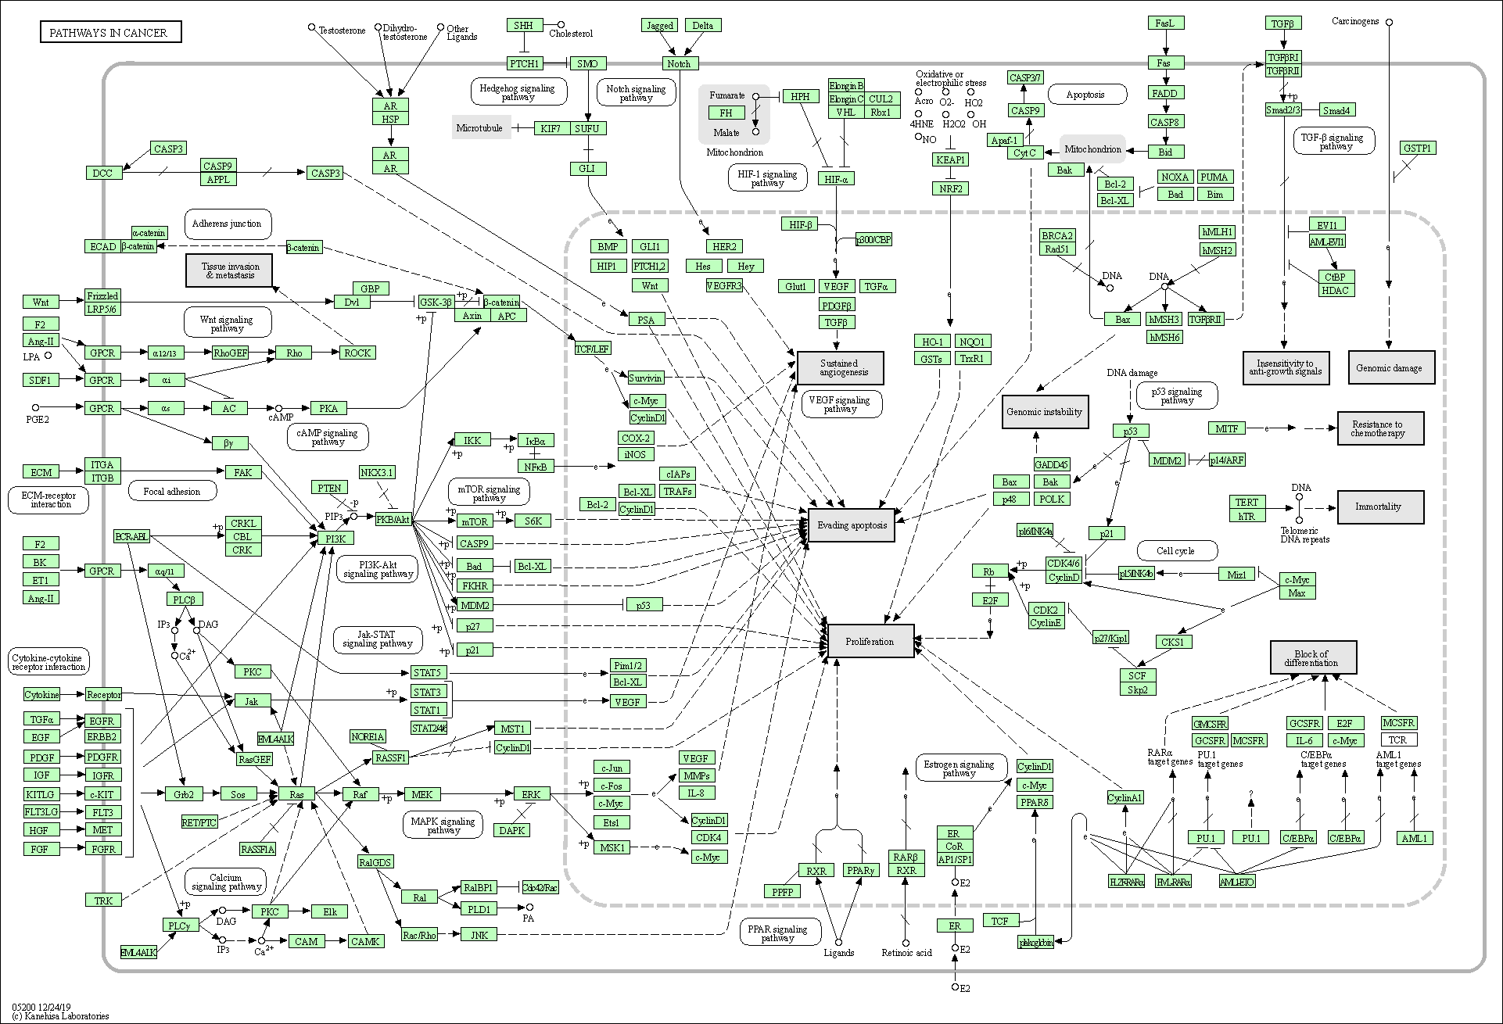
GENE NAME
ARAF
ABL1
AKT1
AKT2
AKT3
APC
APC2
BRAF
BAX
BAD
BCL2L1
BCL2
BCR
BID
BRCA2
CXCL12
CXCL8
CXCR4
CTBP1
CTBP2
CEBPA
CKS1B
CKS2
CREBBP
CRKL
CRK
CBLB
CBLC
CBL
DCC
EP300
E2F1
E2F2
E2F3
ETS1
F2RL3
...

