Diploid and Tripoid genotyping
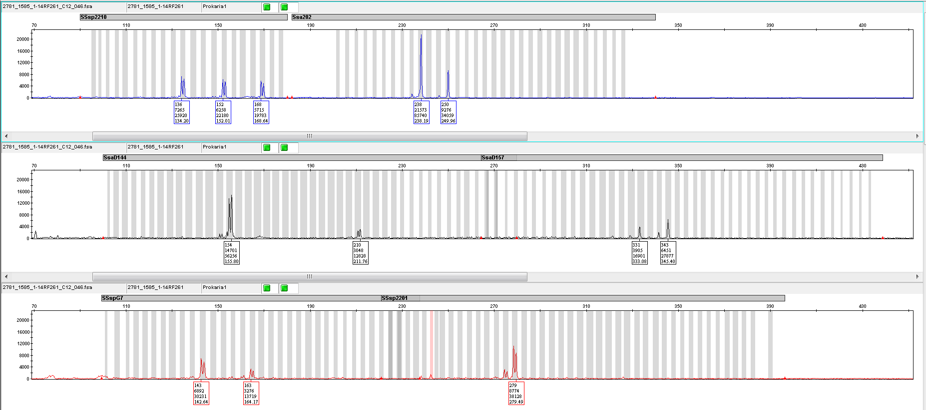
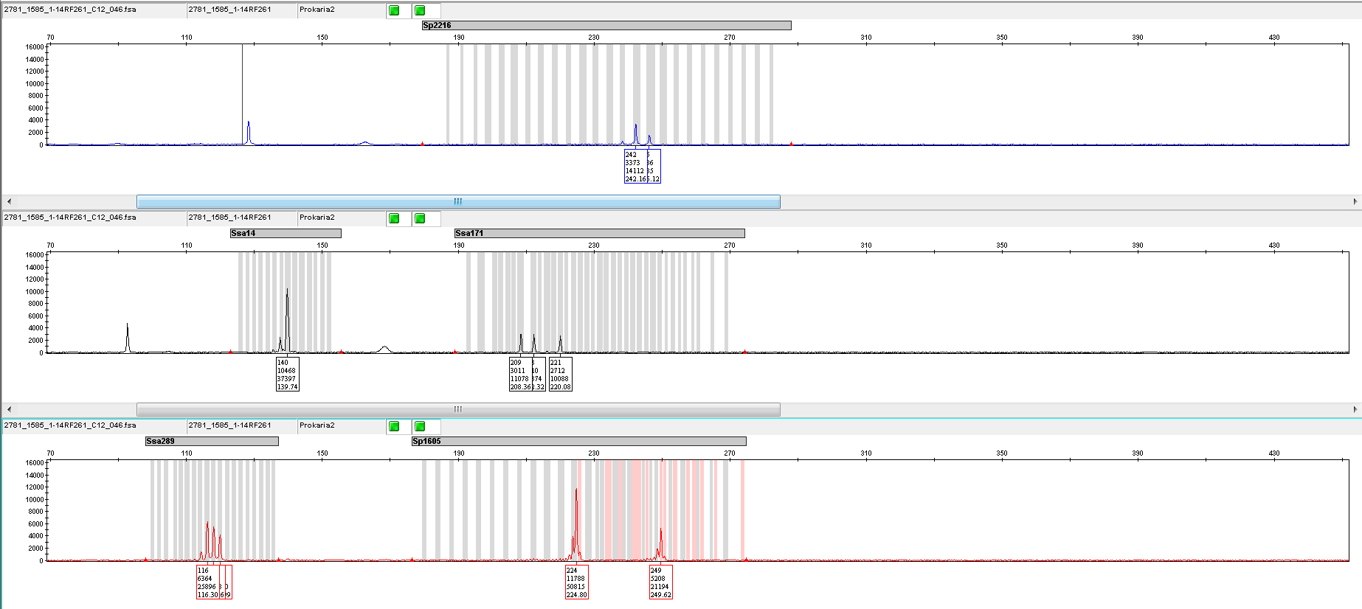
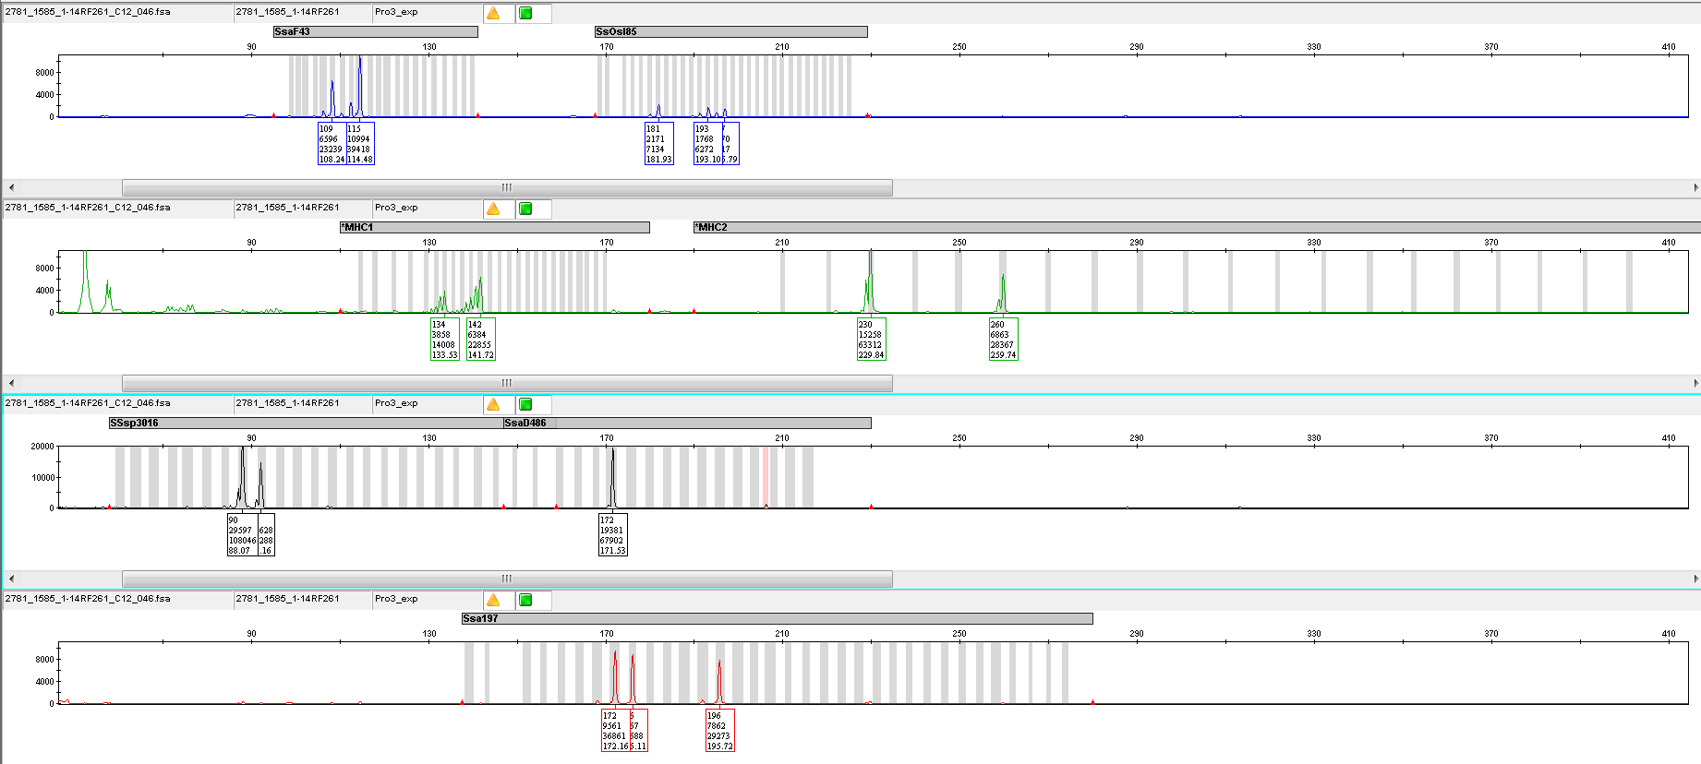
Screenshot from ABI machine showing a normal diploid salmon genotyped for microsatelltie markers.

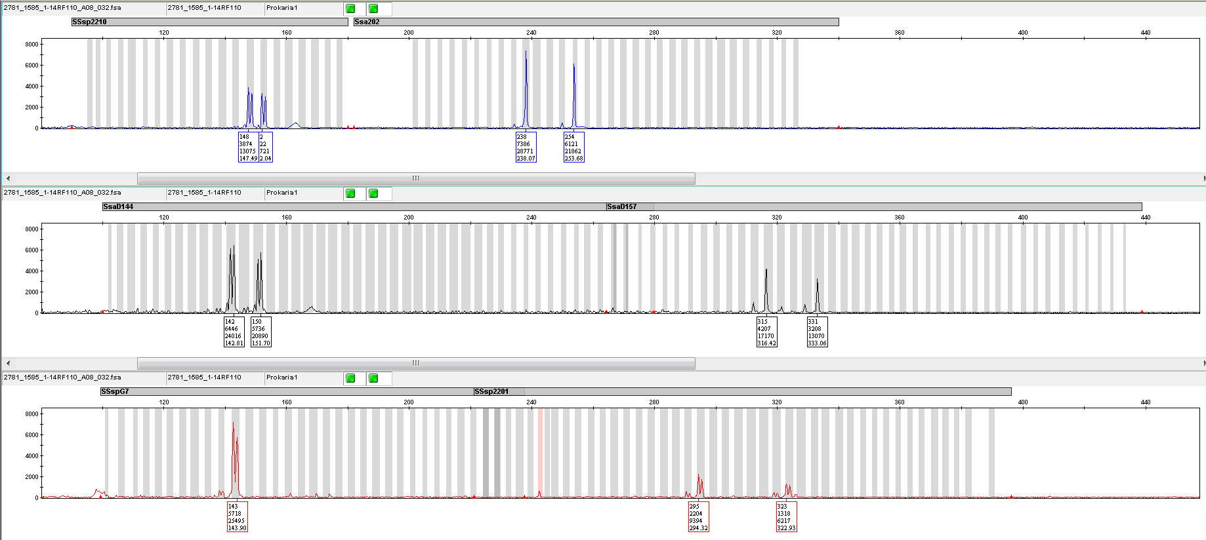

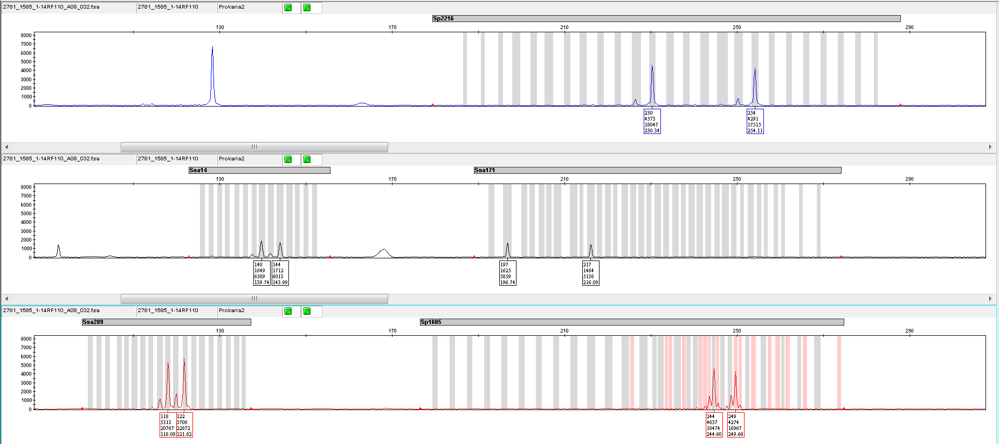

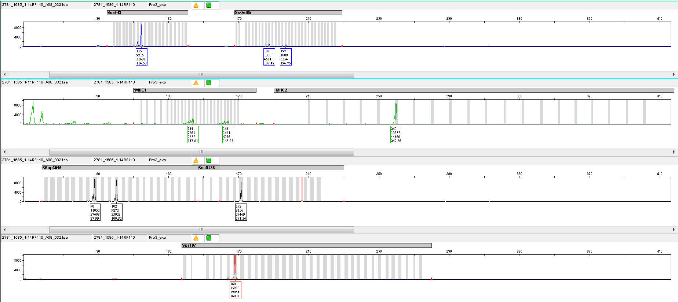

Screenshot from ABI machine showing a triploid salmon genotyped for microsatelltie markers.

