Summary Sheet
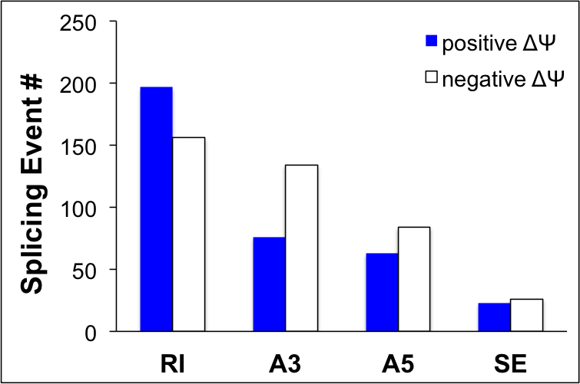
Table S4 SR45-dependent Alternative Splicing (SAS) Events.

Sheet Title | Description
RI | A Summary of All Retained Intron (RI) Events found in Col-0 and the sr45-1 mutant.
A3 | A Summary of All Alternative 3' Splice Site (A3) Events found in Col-0 and the sr45-1 mutant.
A5 | A Summary of All Alternative 5' Splice Site Events (A5) found in Col-0 and the sr45-1 mutant.
SE | A Summary of All Skipped Exon Events (SE) found in Col-0 and the sr45-1 mutant.
AS Genes | A Summary of All Genes in which Alternative Splicing Events were located.
AS_UP | A list of SR45-dependent alternatively spliced genes that are upregulated by SR45.
AS_DN | A list of SR45-dependent alternatively spliced genes that are downregulated by SR45.

 | Number of Different Alternative Splicing Events found in Col-0 and sr45-1 RNA-seq data.

 | Positive ΔΨ | Negative ΔΨ
RI | 197 | 156
A3 | 76 | 134
A5 | 63 | 84
SE | 23 | 26
Total Events | 359 | 400

All selected events meet the following criteria: ψ p-value < 0.05, TPM p-value < 0.05, total_mean_TPM ≥10

