Sheet1
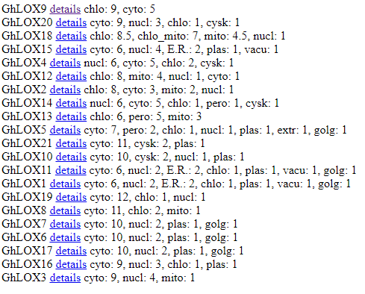
Name | ProtComp | TargetP | PSORT | cTP (Chloroplast Transit peptide)
G. hirsutum
GhLOX1 | Cytoplasmic | Any other location | Cytoplasmic | n
GhLOX2 | Cytoplasmic | Chloroplast | Cytoplasmic | Yes
GhLOX3 | Chloroplast | Any other location | Cytoplasmic | n
GhLOX4 | Chloroplast | Chloroplast | Nuclei | Yes
GhLOX5 | Cytoplasmic | Any other location | Cytoplasmic | n
GhLOX6 | Cytoplasmic | Any other location | Cytoplasmic | Yes
GhLOX7 | Cytoplasmic | Any other location | Cytoplasmic | Yes
GhLOX8 | Cytoplasmic | Any other location | Cytoplasmic | n
GhLOX9 | Cytoplasmic | Any other location | Chloroplast | Yes
GhLOX10 | Cytoplasmic | Any other location | Cytoplasmic | n
GhLOX11 | Cytoplasmic | Any other location | Cytoplasmic | n
GhLOX12 | Cytoplasmic | Chloroplast | Chloroplast | Yes
GhLOX13 | Chloroplast | Chloroplast | Chloroplast | Yes
GhLOX14 | Cytoplasmic | Any other location | Cytoplasmic | n
GhLOX15 | Cytoplasmic | Chloroplast | Cytoplasmic | Yes
GhLOX16 | Cytoplasmic | Any other location | Cytoplasmic | Yes
GhLOX17 | Cytoplasmic | Any other location | Cytoplasmic | Yes
GhLOX18 | Cytoplasmic | Mitochondrion | Chloroplast | n
GhLOX19 | Cytoplasmic | Any other location | Cytoplasmic | n
GhLOX20 | Chloroplast | Any other location | Cytoplasmic | n
GhLOX21 | Cytoplasmic | Any other location | Cytoplasmic | n
G. barbedense
GbLOX1 | Chloroplast | Chloroplast | Chloroplast | Yes
GbLOX2 | Cytoplasmic | Any other location | Cytoplasmic | n
GbLOX3 | Chloroplast | Any other location | Chloroplast | Yes
GbLOX4 | Cytoplasmic | Any other location | Cytoplasmic | n
GbLOX5 | Cytoplasmic | Any other location | Cytoplasmic | n
GbLOX6 | Cytoplasmic | Chloroplast | Chloroplast | Yes
GbLOX7 | Cytoplasmic | Any other location | Chloroplast | Yes
GbLOX8 | Cytoplasmic | Any other location | Cytoplasmic | Yes
GbLOX9 | Cytoplasmic | Secretory Pathway | Chloroplast | Yes
GbLOX10 | Cytoplasmic | Any other location | Chloroplast | Yes
GbLOX11 | Cytoplasmic | Mitochondrion | Chloroplast | n
GbLOX12 | Cytoplasmic | Chloroplast | Chloroplast | Yes
GbLOX13 | Chloroplast | Any other location | Cytoplasmic | Yes
GbLOX14 | Cytoplasmic | Any other location | Cytoplasmic | Yes
GbLOX15 | Cytoplasmic | Any other location | Cytoplasmic | n
GbLOX16 | Chloroplast | Mitochondrion | Vacule | n
GbLOX17 | Cytoplasmic | Chloroplast | Cytoplasmic | Yes
GbLOX18 | Cytoplasmic | Any other location | Nuclei | n
G. arboreum
GaLOX1 | Chloroplast | Any other location | Chloroplast | Yes
GaLOX2 | Cytoplasmic | Chloroplast | Nuclei | Yes
GaLOX3 | Cytoplasmic | Chloroplast | Nuclei | Yes
GaLOX4 | Cytoplasmic | Any other location | Cytoplasmic | n
GaLOX5 | Cytoplasmic | Any other location | Chloroplast | Yes
GaLOX6 | Chloroplast | Any other location | Cytoplasmic | n
GaLOX7 | Cytoplasmic | Any other location | Nuclei | n
GaLOX8 | Cytoplasmic | Any other location | Cytoplasmic | Yes
GaLOX9 | Cytoplasmic | Any other location | Cytoplasmic | n
GaLOX10 | Cytoplasmic | Any other location | Cytoplasmic | Yes
GaLOX11 | Cytoplasmic | Chloroplast | Chloroplast | Yes
G. raimondaii
GrLOX1 | Cytoplasmic | Any other location | Nuclei/Cytoplasmic | n
GrLOX2 | Chloroplast | Any other location | Cytoplasmic | n
GrLOX3 | Cytoplasmic | Any other location | Cytoplasmic | n
GrLOX4 | Cytoplasmic | Any other location | Cytoplasmic | Yes
GrLOX5 | Cytoplasmic | Any other location | Cytoplasmic | Yes
GrLOX6 | Cytoplasmic | Any other location | Cytoplasmic | n
GrLOX7 | Cytoplasmic | Chloroplast | Chloroplast | Yes
GrLOX8 | Cytoplasmic | Mitochondrion | Chloroplast | n
GrLOX9 | Cytoplasmic | Secretory Pathway | Cytoplasmic | n
GrLOX10 | Chloroplast | Mitochondrion | Chloroplast | Yes
GrLOX11 | Cytoplasmic | Chloroplast | Cytoplasmic | Yes
GrLOX12 | Cytoplasmic | Chloroplast | Nuclei/Cytoplasmic | Yes
GrLOX13 | Cytoplasmic | Secretory Pathway | Chloroplast | Yes
GrLOX14 | Cytoplasmic | Any other location | Cytoplasmic | n

