Sheet1
Additional file 5, protein structures of Plant H+-PPase protiens.

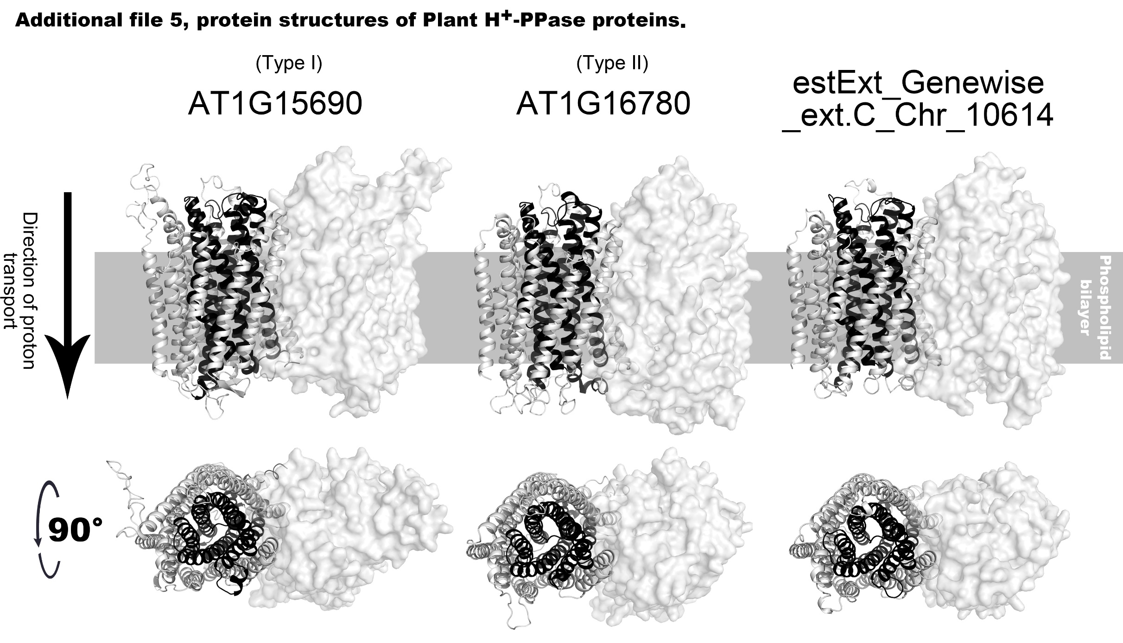

Type | Gene | Protein | Template | Seq Identity | Oligo-state | QSQE | Found by | Method | Resolution | Seq Similarity | Coverage | Description
Type I | AT1G15690 | AT1G15690.1 | 6afu.1.A | 91.25 | homo-dimer | 1 | BLAST | X-ray | 2.80Å | 0.57 | 1 | Pyrophosphate-energized vacuolar membrane proton pump
Type II | AT1G16780 | AT1G16780.1 | 6afx.1.A | 39.65 | homo-dimer | 0.7 | HHblits | X-ray | 2.30Å | 0.39 | 0.86 | Pyrophosphate-energized vacuolar membrane proton pump
- | estExt_Genewise_ext.C_Chr_10614 | 48479 | 6afx.1.A | 46.88 | homo-dimer | 0.79 | HHblits | X-ray | 2.30Å | 0.41 | 0.89 | Pyrophosphate-energized vacuolar membrane proton pump

