DEP_list_WN_fish
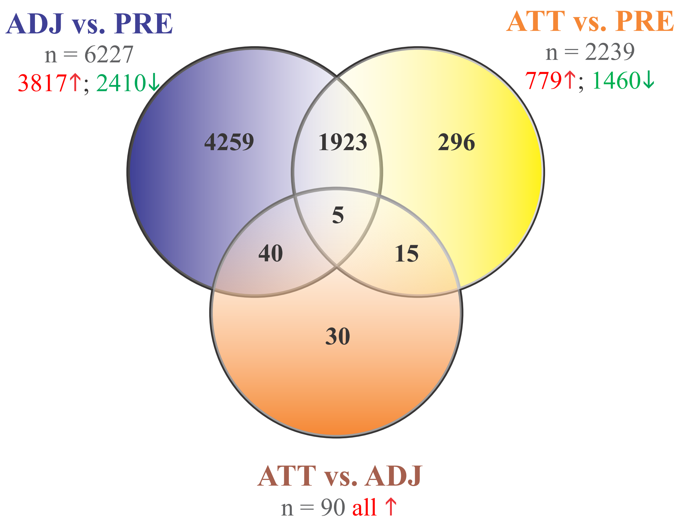
Additional file 1A: Results of Significance Analysis of Microarrays (SAM, FDR < 5%).
Significantly differentially expressed probes (DEPs) that were identified in the liver of Atlantic salmon exposed to high temperature and normoxia (WN: 20°C, 100% air sat.) compared to control conditions (CT: 12°C, 100% air sat.).

 |  |  |  |  | SwissProt_BlastX6 |  |  |  | NCBI NR_BlastN7
Probe Number | Comparison1 | Probe ID2 | Fold Change3 | Direction4 | Gene symbol_v15 | BLASTX_GENE | BLASTX_ALIAS | Gene_description_based on_Blastx | blastn_gene | blastn_alias | salmon_stats8 | trout_stats9 | Gene_description_based on_Blastn
1 | WNvsCT | C206R122 | 12.806 | up | IGFBP2 | IGFBP2B | IGFBP2A | Insulin-like growth factor-binding protein 2-B (IGF-binding protein 2-B) (IGFBP-2-B) (IGFBP-2b) | IGFBP-2B1 | - | NM_001123648.1,100,100.000,60,5.18e-26 | NM_001124557.1,100,98.333,60,7.21e-25=XM_021597998.1,100,98.333,60,8.25e-23 | IGF binding protein 3 (igfbp-2b1)
2 | WNvsCT | C239R160 | 11.625 | up | MPDZ | MPDZ | MUPP1 | Multiple PDZ domain protein (Multi-PDZ domain protein 1) | LOC106608788 | - | XM_014206937.1,100,100.000,60,2.54e-24 | XM_021578398.1,100,98.333,60,8.25e-23 | multiple PDZ domain protein-like (LOC106608788), transcript variant X5
3 | WNvsCT | C168R126 | 9.151 | up | DHRS13 | DHRS13 | SDR7C5 | Dehydrogenase/reductase SDR family member 13 (EC 1.1.-.-) (Short chain dehydrogenase/reductase family 7C member 5) | LOC106613101 | DHR13 | XM_014215035.1,100,98.333,60,1.18e-22 | - | dehydrogenase/reductase SDR family member 13-like (LOC106613101)
4 | WNvsCT | C236R132 | 9.064 | up | SERPINH1 | SERPINH1 | HSP47 | Serpin H1 (47 kDa heat shock protein) (Collagen-binding protein) (Colligin) | LOC106613072 | - | XM_014214963.1,100,100.000,60,2.54e-24 | XM_021582898.1,100,96.667,60,3.84e-21 | serpin H1-like (LOC106613072), transcript variant X2
5 | WNvsCT | C265R019 | 8.487 | up | SERPINH1 | SERPINH1 | CBP1 HSP47 | Serpin H1 (47 kDa heat shock protein) (Collagen-binding protein) (Colligin) (GP46) | LOC106581278 | - | XM_014163240.1,100,100.000,60,2.54e-24 | - | serpin H1-like (LOC106581278), transcript variant X3
6 | WNvsCT | C009R155 | 7.909 | up | SERPINH1 | SERPINH1 | HSP47 | Serpin H1 (47 kDa heat shock protein) (Collagen-binding protein) (Colligin) | LOC110504077 | - | - | XM_021582898.1,100,98.361,61,8.25e-23 | serpin H1-like (LOC110504077), transcript variant X2
7 | WNvsCT | C205R085 | 7.727 | up | SERPINH1 | SERPINH1 | HSP47 | Serpin H1 (47 kDa heat shock protein) (Collagen-binding protein) (Colligin) | HSP47 | - | XM_014163240.1,50,100.000,30,1.21e-07 | NM_001124234.1,100,100.000,60,1.55e-26 | serpin H1-like (LOC106581278), transcript variant X3
8 | WNvsCT | C245R152 | 7.112 | up | MMP13 | MMP13 | - | Collagenase 3 (EC 3.4.24.-) (Matrix metalloproteinase-13) (MMP-13) (Fragment) | MMP13 | - | NM_001140524.1,100,100.000,60,5.18e-26 | - | Collagenase 3 (mmp13)
9 | WNvsCT | C220R160 | 6.826 | up | DHRS13 | DHRS13 | SDR7C5 | Dehydrogenase/reductase SDR family member 13 (EC 1.1.-.-) (Short chain dehydrogenase/reductase family 7C member 5) | LOC106613101 | DHR13 | XM_014215035.1,100,100.000,60,2.54e-24 | XM_021582861.1,100,98.333,60,8.25e-23 | dehydrogenase/reductase SDR family member 13-like (LOC106613101)
10 | WNvsCT | C231R087 | 6.666 | up | DHRS13 | DHRS13 | SDR7C5 | Dehydrogenase/reductase SDR family member 13 (EC 1.1.-.-) (Short chain dehydrogenase/reductase family 7C member 5) | LOC106613101 | DHR13 | XM_014215035.1,100,100.000,60,2.54e-24 | XM_021582861.1,100,98.333,60,8.25e-23 | dehydrogenase/reductase SDR family member 13-like (LOC106613101)
11 | WNvsCT | C044R099 | 6.557 | up | HCN1 | HCN1 | BCNG1 HAC2 | Potassium/sodium hyperpolarization-activated cyclic nucleotide-gated channel 1 (Brain cyclic nucleotide-gated channel 1) (BCNG-1) (Hyperpolarization-activated cation channel 2) (HAC-2) | LOC106582072 | - | XM_014164789.1,100,100.000,60,2.54e-24 | - | potassium/sodium hyperpolarization-activated cyclic nucleotide-gated channel 1-like (LOC106582072), transcript variant X2
12 | WNvsCT | C038R071 | 6.501 | up | APOD | APOD | - | Apolipoprotein D (Apo-D) (ApoD) | LOC106598598 | - | XM_014189629.1,100,100.000,60,2.54e-24 | XM_021589993.1,95,98.246,57,3.84e-21 | apolipoprotein D-like (LOC106598598)
13 | WNvsCT | C246R087 | 6.476 | up | FAM73A | FAM73A | MIGA1 | Mitoguardin 1 (Protein FAM73A) | - | - | XM_014141336.1,100,100.000,60,2.54e-24 | XM_021614150.1,100,98.333,60,8.25e-23 | family with sequence similarity 73, member A (fam73a), transcript variant X3
14 | WNvsCT | C071R068 | 6.325 | up | LOC106585653 | - | - | - | LOC106585653 | - | XM_014172088.1,100,100.000,60,2.54e-24 | - | complement C1q-like protein 2 (LOC106585653)
15 | WNvsCT | C239R156 | 5.891 | up | PPP1R3C | PPP1R3CB | - | Protein phosphatase 1 regulatory subunit 3C-B | LOC106578980 | - | XM_014158345.1,100,100.000,60,2.54e-24 | XM_021564818.1,95,98.246,57,3.84e-21 | protein phosphatase 1 regulatory subunit 3C-B-like (LOC106578980), transcript variant X3
16 | WNvsCT | C120R137 | 5.780 | up | DNAJA4 | DNAJA4 | - | DnaJ homolog subfamily A member 4 | LOC110521136 | - | - | XR_002473078.1,97,96.552,58,4.96e-20 | uncharacterized LOC110521136 (LOC110521136)
17 | WNvsCT | C025R135 | 5.510 | up | LOC106613965 | - | - | - | LOC106613965 | - | XM_014216833.1,100,100.000,60,2.54e-24 | XM_021604216.1,95,100.000,57,8.25e-23 | dimethylaniline monooxygenase [N-oxide-forming] 5-like (LOC106613965), transcript variant X3
18 | WNvsCT | C106R090 | 5.482 | up | ASTL | HCEA | - | High choriolytic enzyme 1 (EC 3.4.24.67) (Choriolysin H 1) (HCE23) (Hatching enzyme zinc-protease subunit HCE 1) | HCE1 | - | NM_001140804.1,100,100.000,60,5.18e-26 | - | High choriolytic enzyme 1 (hce1)
19 | WNvsCT | C168R030 | 5.482 | up | SGK2 | SGK2 | - | Serine/threonine-protein kinase Sgk2 (EC 2.7.11.1) (Serum/glucocorticoid-regulated kinase 2) | SGK2 | - | NM_001139943.1,100,100.000,60,5.18e-26 | XM_021566566.1,100,98.333,60,8.25e-23 | serum/glucocorticoid regulated kinase 2 (sgk2)
20 | WNvsCT | C253R089 | 5.313 | up | CAPN1 | CAPN1 | CANPL1 | Calpain-1 catalytic subunit (EC 3.4.22.52) (Calcium-activated neutral proteinase 1) (CANP 1) (Calpain mu-type) (Calpain-1 large subunit) (Micromolar-calpain) (muCANP) | CAPN1 | - | XM_014207307.1,100,100.000,60,2.54e-24 | NM_001124490.1,100,95.000,60,1.56e-21=XM_021576739.1,100,98.333,60,8.25e-23 | calpain-1 catalytic subunit-like (LOC106608991), transcript variant X2
21 | WNvsCT | C044R036 | 5.313 | up | SERPINH1 | SERPINH1 | CBP1 HSP47 | Serpin H1 (47 kDa heat shock protein) (Collagen-binding protein) (Colligin) (GP46) | SERPINH1 | - | XM_014163240.1,100,100.000,60,2.54e-24 | NM_001124234.1,100,100.000,60,1.55e-26=XM_021582898.1,82,95.918,49,5.00e-15 | serpin H1-like (LOC106581278), transcript variant X3
22 | WNvsCT | C122R047 | 5.233 | up | APBB1 | - | - | Amyloid Beta Precursor Protein Binding Family B Member 1 | LOC109873852 |  |  | XM_031809467.1 | amyloid-beta A4 precursor protein-binding family B
23 | WNvsCT | C239R081 | 5.145 | up | LOC106570920 | - | - | - | LOC106570920 | - | XM_014143507.1,100,100.000,60,2.54e-24 | XM_021622250.1,100,98.333,60,8.25e-23 | probable isoprenylcysteine alpha-carbonyl methylesterase ICMEL1 (LOC106570920), transcript variant X3
24 | WNvsCT | C162R135 | 4.741 | up | EFEMP2 | - | - | EGF Containing Fibulin Extracellular Matrix Protein | - |  | - | XM_029776561.1 | EGF-containing fibulin-like extracellular matrix protein 1
25 | WNvsCT | C057R117 | 4.599 | up | LOC106577687 | - | - | - | LOC106577687 | - | XM_014156010.1,100,100.000,60,2.54e-24 | - | TRAF-interacting protein with FHA domain-containing protein A-like (LOC106577687)
26 | WNvsCT | C198R131 | 4.591 | up | USH1C | USH1C | AIE75 | Harmonin (Antigen NY-CO-38/NY-CO-37) (Autoimmune enteropathy-related antigen AIE-75) (Protein PDZ-73) (Renal carcinoma antigen NY-REN-3) (Usher syndrome type-1C protein) | LOC106584586 | - | XM_014170040.1,100,100.000,60,2.54e-24 | XM_021598768.1,100,98.333,60,8.25e-23 | harmonin-like (LOC106584586), transcript variant X2
27 | WNvsCT | C087R053 | 4.451 | up | XYLA | XYLA | - | Xylose isomerase (EC 5.3.1.5) | LOC106579109 | - | XM_014158680.1,100,100.000,60,2.54e-24 | - | xylose isomerase-like (LOC106579109)
28 | WNvsCT | C180R027 | 4.286 | up | GIMAP7 | GIMAP7 | IAN7 | GTPase IMAP family member 7 (Immunity-associated nucleotide 7 protein) (IAN-7) | LOC106597729 | - | XM_014188877.1,100,100.000,60,2.54e-24 | XM_021556506.1,100,95.000,60,1.79e-19 | GTPase IMAP family member 7-like (LOC106597729)
29 | WNvsCT | C061R112 | 4.247 | up | ALG12 | ALG12 | - | Dol-P-Man:Man(7)GlcNAc(2)-PP-Dol alpha-1,6-mannosyltransferase (EC 2.4.1.260) (Asparagine-linked glycosylation protein 12 homolog) (Dolichyl-P-Man:Man(7)GlcNAc(2)-PP-dolichyl-alpha-1,6-mannosyltransferase) (Mannosyltransferase ALG12 homolog) | ALG12 | - | NM_001140438.1,100,100.000,60,5.18e-26 | XM_021563367.1,100,98.333,60,8.25e-23 | asparagine-linked glycosylation 12 homolog [yeast, alpha-1,6-mannosyltransferase] (alg12)
30 | WNvsCT | C082R076 | 4.234 | up | CLU | CLU | T64 | Clusterin (51.5 kDa protein) [Cleaved into: Clusterin beta chain; Clusterin alpha chain] | LOC106607816 | - | XM_014205188.1,100,100.000,60,2.54e-24 | XM_021600461.1,100,96.667,60,3.84e-21 | clusterin-like (LOC106607816)
31 | WNvsCT | C024R053 | 4.107 | up | RBP1 | RBP1 | CRBPI RBP-1 | Retinol-binding protein 1 (Cellular retinol-binding protein) (CRBP) (Cellular retinol-binding protein I) (CRBP-I) (mCRBPI) | LOC106568934 | RET1 | XM_014139779.1,100,100.000,60,2.54e-24 | XM_021612994.1,100,98.333,60,8.25e-23 | retinol-binding protein 1-like (LOC106568934), transcript variant X2
32 | WNvsCT | C150R031 | 4.042 | up | PPP1R3C | PPP1R3CB | - | Protein phosphatase 1 regulatory subunit 3C-B | LOC106589379 | - | XM_014179269.1,100,100.000,60,2.54e-24 | - | protein phosphatase 1 regulatory subunit 3C-B-like (LOC106589379)
33 | WNvsCT | C065R072 | 4.024 | up | - | - | - | - | - | - | - | - | 0
34 | WNvsCT | C187R127 | 4.013 | up | HERPUD2 | HERPUD2 | - | Homocysteine-responsive endoplasmic reticulum-resident ubiquitin-like domain member 2 protein | LOC106570080 | - | XM_014142052.1,100,98.333,60,1.18e-22 | - | homocysteine-responsive endoplasmic reticulum-resident ubiquitin-like domain member 2 protein (LOC106570080), transcript variant X8
35 | WNvsCT | C150R089 | 3.952 | up | SRPK1 | SRPK1 | - | SRSF protein kinase 1 (EC 2.7.11.1) (SFRS protein kinase 1) (Serine/arginine-rich protein-specific kinase 1) (SR-protein-specific kinase 1) | LOC106566977 | - | XM_014135687.1,100,100.000,60,2.54e-24 | XM_021565738.1,100,98.333,60,8.25e-23 | SRSF protein kinase 2-like (LOC106566977)
36 | WNvsCT | C122R146 | 3.900 | up | MARCKSL1 | - | - | - | LOC106570689 | - | XM_014143162.1,100,93.333,60,1.54e-16 | NM_001124635.1,100,100.000,60,1.55e-26=XM_021572770.1,87,96.154,52,1.07e-16 | MARCKS-related protein-like (LOC106570689)
37 | WNvsCT | C255R162 | 3.847 | up | VAV3 | VAV3 | - | Guanine nucleotide exchange factor VAV3 (VAV-3) | - | - | - | - | 0
38 | WNvsCT | C057R027 | 3.835 | up | - | - | - | - | - | - | - | - | 0
39 | WNvsCT | C105R014 | 3.748 | up | LOC106563387 | - | - | - | LOC106563387 | - | XR_001319246.1,100,100.000,60,2.54e-24 | - | uncharacterized LOC106563387 (LOC106563387)
40 | WNvsCT | C013R112 | 3.725 | up | SERPINB1 | SERPINB1 | ELANH2 | Leukocyte elastase inhibitor (LEI) (Leukocyte neutral proteinase inhibitor) (LNPI) (Serpin B1) | LOC106584200 | - | XM_014169210.1,100,100.000,60,2.54e-24 | XM_021599592.1,100,95.000,60,1.79e-19 | leukocyte elastase inhibitor-like (LOC106584200)
41 | WNvsCT | C084R113 | 3.724 | up | RPS2 | RPS2 | - | 40S ribosomal protein S2 | RS2 | - | NM_001139912.1,100,100.000,60,5.18e-26 | - | 40S ribosomal protein S2 (rs2)
42 | WNvsCT | C082R162 | 3.710 | up | MAATS1 | MAATS1 | AAT1 C3ORF15 CFAP91 | Cilia- and flagella-associated protein 91 (CFAP91) (AMY-1-associating protein expressed in testis 1) (AAT-1) (MYCBP/AMY-1-associated testis-expressed protein 1) (Protein MAATS1) | MAATS1 | - | XM_014164875.1,100,100.000,60,2.54e-24 | XM_021579310.1,100,98.333,60,8.25e-23 | MYCBP-associated, testis expressed 1 (maats1)
43 | WNvsCT | C076R003 | 3.681 | up | CLU | CLU | T64 | Clusterin (51.5 kDa protein) [Cleaved into: Clusterin beta chain; Clusterin alpha chain] | LOC106607816 | - | XM_014205188.1,100,100.000,60,2.54e-24 | XM_021600461.1,98,98.305,59,2.97e-22 | clusterin-like (LOC106607816)
44 | WNvsCT | C146R081 | 3.678 | up | GAPDH | GAPDH | - | Glyceraldehyde-3-phosphate dehydrogenase (GAPDH) (EC 1.2.1.12) (Peptidyl-cysteine S-nitrosylase GAPDH) (EC 2.6.99.-) | LOC106569991 | G3P | XM_014141819.1,100,100.000,60,2.54e-24 | XM_021562009.1,100,93.333,60,2.99e-17 | glyceraldehyde-3-phosphate dehydrogenase-like (LOC106569991)
45 | WNvsCT | C083R165 | 3.633 | up | ZBED1 | ZBED1 | ALTE DREF KIAA0785 TRAMP | Zinc finger BED domain-containing protein 1 (Putative Ac-like transposable element) (dREF homolog) | ZBED1 | - | - | XM_021571416.1,100,98.333,60,8.25e-23 | zinc finger BED-type containing 1 (zbed1)
...

