Additional file 6
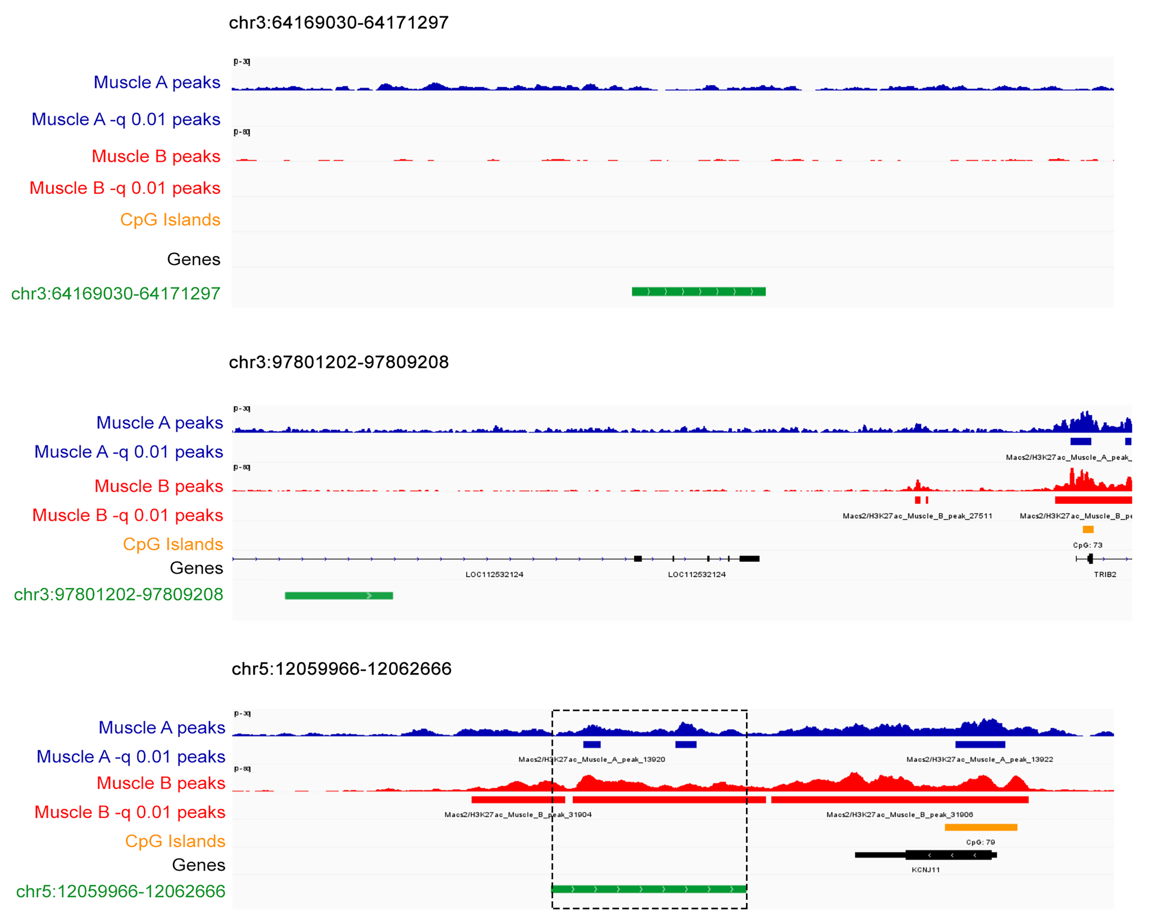
Additional file 6 - H3K27ac and CpG islands tracks alingment with significant CNV segments. H3K27ac ChIP-seq data of chicken skeletal muscle (blue and red tracks) overlap with the significant CNV segment on chr5:12059966-12062666 (green bar) near the KCNJ11 gene (black bar). The blue rows represent replicate A, while red rows represent replicate B. The overlap with the H3K27ac enriched region is indicated by the dashed box. No overlap was found between the significant CNV segments on chr3:64169030-64171297 or chr3:97801202-97809208 and H3K27ac regions. CpG islands were only located in promoter regions and TSSs (orange track).

