Supplementary table 11
Supplementary Table 11 – Correlation of B. aphidicola gene expression. Correlation coefficient and p-values of B. aphidicola gene modules with H. defensa titre and toxin type. Coloured: Correlation has a p-value of <0.01. If no GO-terms or KEGG pathways are enriched in a module, the values in 'associated GO-terms' and 'associated KEGG pathways' is set to 'NA'. (A) WGCNA analysis with B. aphidicola and H. defensa genes. (B) Correlation analysis with B. aphidicola and H. defensa genes.

A) |  |  |  |  |  |  | B)
 |  | WGCNA analysis: Buchnera modules |  |  |  |  |  | Correlation analysis (Hamiltonella and Buchnera genes): Buchnera modules
WGCNA module dendrogram | Buchnera gene module identifier | genes per module | correlation with titer | p-value titer | associated GO-terms | associated KEGG pathways | Buchnera gene module identifier | genes per module | associated GO-terms | associated KEGG pathways | proportion variance of genes in module explained by module eigengene
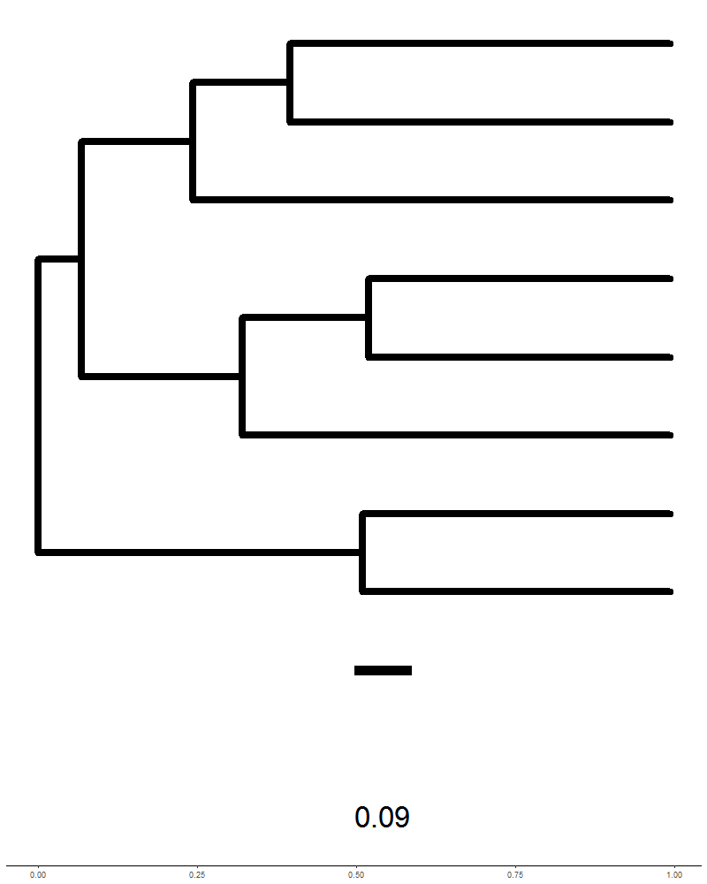
 | Bap-w1 | 68 | 0.16 | 0.577 | "nucleic acid binding" | NA
 | Bap-w2 | 190 | 0.07 | 0.816 | "aminoacyl-tRNA ligase activity", "deoxyribonuclease activity", "tRNA aminoacylation for protein translation", "DNA replication" | NA | BapHdef-B1 | 82 | "catalytic activity, acting on DNA", "ligase activity" | mismatch repair', 'DNA replication', 'homologous recombination' | 65.71
 | Bap-w3 | 9 | -0.26 | 0.345 | NA | NA
 | Bap-w4 | 15 | -0.31 | 0.256 | "integral component of membrane" | NA
 | Bap-w5 | 24 | -0.18 | 0.530 | "sulfur compound biosynthetic process" | NA | BapHdef-B2 | 11 | NA | NA | 59.24
 | Bap-w6 | 12 | -0.78 | 0.001 | NA | NA | BapHdef-B3 | 22 | "translation", "ribosome" | ribosome | 72.42
 | Bap-w7 | 208 | -0.08 | 0.765 | "structural constituent of ribosome", "large ribosomal subunit", "small ribosomal subunit" ,"nitrogen compound metabolic process" | ribosome | BapHdef-B4 | 42 | NA | NA | 63.20
 | Bap-w8 | 28 | 0.41 | 0.132 | "bacterial-type flagellum" | NA | BapHdef-B5 | 11 | NA | NA | 57.61

