Feuil1
Lists of genes forming the major functional categories of cluster I (genes with peak expression at spawning and downregulation after spawning)

Gene name | ID
 |  | PS0 | PS2 | PS4 | PS8 | PS13 | PS16 | PS24 | PS33
List of genes involved in Autophagosome assembly
GABA type A receptor-associated protein(GABARAP) | tc105490
RAB1A, member RAS oncogene family(RAB1A) | tc104902
WD repeat domain 45(WDR45) | tc131097
autophagy related 101(ATG101) | tc114569
autophagy related 13(ATG13) | cust_26887
autophagy related 2A(ATG2A) | cust_5192
autophagy related 4B cysteine peptidase(ATG4B) | tc102378
autophagy related 4C cysteine peptidase(ATG4C) | cust_9863
autophagy related 9A(ATG9A) | cust_20320
beclin 1(BECN1) | cust_22547
microtubule associated protein 1 light chain 3 alpha(MAP1LC3A) | tc96196
microtubule associated protein 1 light chain 3 beta 2(MAP1LC3B2) | cust_24149
microtubule associated protein 1 light chain 3 beta(MAP1LC3B) | tc125341
tumor protein p53 inducible nuclear protein 2(TP53INP2) | cust_5139
ubiquilin 1(UBQLN1)

List of genes involved in citrate cycle
aconitase 2(ACO2) | tc123263
dihydrolipoamide S-succinyltransferase(DLST) | cust_14938
isocitrate dehydrogenase 3 (NAD(+)) alpha(IDH3A) | cust_13968
isocitrate dehydrogenase 3 (NAD(+)) beta(IDH3B) | cust_28163
isocitrate dehydrogenase 3 (NAD(+)) gamma(IDH3G) | cust_7299
malate dehydrogenase 1(MDH1) | tc108726
malate dehydrogenase 2(MDH2) | cust_3022
oxoglutarate dehydrogenase(OGDH) | tc107130
pyruvate dehydrogenase (lipoamide) alpha 1(PDHA1) | cust_20682
pyruvate dehydrogenase (lipoamide) alpha 2(PDHA2) | cust_10788
succinate dehydrogenase complex flavoprotein subunit A(SDHA) | tc110552
succinate dehydrogenase complex iron sulfur subunit B(SDHB) | cust_26542
succinate dehydrogenase complex subunit C(SDHC) | tc100004
succinate-CoA ligase ADP-forming beta subunit(SUCLA2) | cust_20427
succinate-CoA ligase GDP-forming beta subunit(SUCLG2) | cust_11501

List of genes involved in fatty acid degradation
acetyl-CoA acyltransferase 2(ACAA2) | cust_10957
acyl-CoA dehydrogenase, C-2 to C-3 short chain(ACADS) | tc111215
acyl-CoA dehydrogenase, C-4 to C-12 straight chain(ACADM) | tc105794
acyl-CoA dehydrogenase, long chain(ACADL) | cust_25167
acyl-CoA dehydrogenase, short/branched chain(ACADSB) | cust 15680
acyl-CoA dehydrogenase, very long chain(ACADVL) | cust_21683
acyl-CoA oxidase 1(ACOX1) | tc113760
acyl-CoA oxidase 3, pristanoyl(ACOX3) | tc123436
acyl-CoA synthetase bubblegum family member 2(ACSBG2) | tc115793
acyl-CoA synthetase long-chain family member 4(ACSL4) | tc117689
aldehyde dehydrogenase 3 family member A2(ALDH3A2) | tc105268
carnitine palmitoyltransferase 1A(CPT1A) | tc99010
carnitine palmitoyltransferase 2(CPT2) | cust_4297
enoyl-CoA hydratase and 3-hydroxyacyl CoA dehydrogenase(EHHADH) | cust_20116
glutaryl-CoA dehydrogenase(GCDH) | tc97051
hydroxyacyl-CoA dehydrogenase/3-ketoacyl-CoA thiolase/enoyl-CoA hydratase (trifunctional protein), beta subunit(HADHB) | tc102893

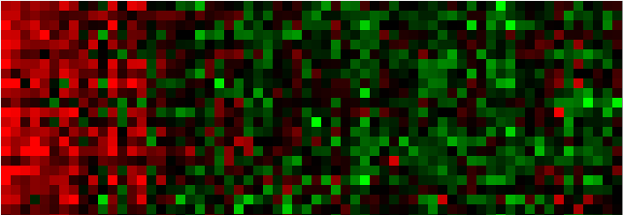
List of genes involved in Lysosome
ATPase H+ transporting V0 subunit a1(ATP6V0A1) | tc118997
CD63 molecule(CD63) | tc112930
GM2 ganglioside activator(GM2A) | cust_9671
NPC intracellular cholesterol transporter 1(NPC1) | cust_14846
NPC intracellular cholesterol transporter 2(NPC2) | tc125572
adaptor related protein complex 1 mu 1 subunit(AP1M1) | tc110498
cathepsin B(CTSB) | tc109477
cathepsin C(CTSC) | cust_891
cathepsin D(CTSD) | cust_27445
cathepsin Z(CTSZ) | tc111553
clathrin heavy chain(CLTC) | tc119831
ectonucleoside triphosphate diphosphohydrolase 4(ENTPD4) | tc131577
golgi associated, gamma adaptin ear containing, ARF binding protein 1(GGA1) | tc100407
golgi associated, gamma adaptin ear containing, ARF binding protein 3(GGA3) | tc122710
lipase A, lysosomal acid type(LIPA) | cust_6170
mannosidase alpha class 2B member 1(MAN2B1) | cust_23575
palmitoyl-protein thioesterase 2(PPT2) | tc104061
phospholipase A2 group XV(PLA2G15) | tc108596
prosaposin(PSAP) | cust_21044
solute carrier family 11 member 2(SLC11A2) | tc102503
sphingomyelin phosphodiesterase 1(SMPD1) | cust_28300
tripeptidyl peptidase 1(TPP1) | tc100915

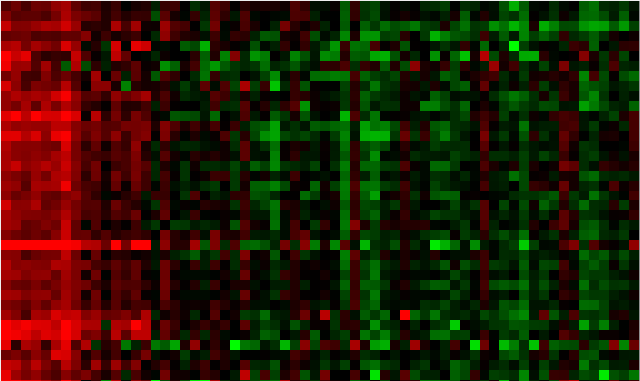
List of genes involved in oxidative phosphorylation
ATP synthase, H+ transporting, mitochondrial F1 complex, beta polypeptide(ATP5B) | tc102167
ATP synthase, H+ transporting, mitochondrial Fo complex subunit B1(ATP5F1) | tc96389
ATP synthase, H+ transporting, mitochondrial Fo complex subunit C3 (subunit 9)(ATP5G3) | tc107581
ATP synthase, H+ transporting, mitochondrial Fo complex subunit E(ATP5I) | tc119290
ATPase H+ transporting V0 subunit a1(ATP6V0A1) | tc118997
ATPase H+ transporting V0 subunit e2(ATP6V0E2) | cust_8698
ATPase H+ transporting V1 subunit A(ATP6V1A) | cust_21564
ATPase H+ transporting V1 subunit G1(ATP6V1G1) | cust_3643
COX10 heme A:farnesyltransferase cytochrome c oxidase assembly factor(COX10) | tc111386
NADH:ubiquinone oxidoreductase core subunit S1(NDUFS1) | cust_3528
NADH:ubiquinone oxidoreductase core subunit S7(NDUFS7) | cust_21379
NADH:ubiquinone oxidoreductase core subunit S8(NDUFS8) | cust_21830
NADH:ubiquinone oxidoreductase core subunit V1(NDUFV1) | cust_4466
NADH:ubiquinone oxidoreductase subunit A10(NDUFA10) | cust_3805
NADH:ubiquinone oxidoreductase subunit A12(NDUFA12) | tc116142
NADH:ubiquinone oxidoreductase subunit A5(NDUFA5) | cust_26668
NADH:ubiquinone oxidoreductase subunit A6(NDUFA6) | tc123824
NADH:ubiquinone oxidoreductase subunit A9(NDUFA9) | tc130124
NADH:ubiquinone oxidoreductase subunit B10(NDUFB10) | tc103924
NADH:ubiquinone oxidoreductase subunit B3(NDUFB3) | cust_9393
NADH:ubiquinone oxidoreductase subunit B4(NDUFB4) | cust_1203
NADH:ubiquinone oxidoreductase subunit B5(NDUFB5) | tc132025
NADH:ubiquinone oxidoreductase subunit B6(NDUFB6) | tc116149
NADH:ubiquinone oxidoreductase subunit B7(NDUFB7) | tc114091
cytochrome b-c1 complex subunit 9(UQCR10) | cust_24109
cytochrome c oxidase subunit 4I1(COX4I1) | cust_20843
cytochrome c oxidase subunit 5A(COX5A) | tc109434
cytochrome c oxidase subunit 7A2 like(COX7A2L) | tc111729
cytochrome c oxidase subunit 7B(COX7B) | tc121903
cytochrome c oxidase subunit VIIa polypeptide 2 (liver)(COX7A2) | tc111729
cytochrome c1(CYC1) | cust_21020
succinate dehydrogenase complex flavoprotein subunit A(SDHA) | tc106837
succinate dehydrogenase complex iron sulfur subunit B(SDHB) | cust_26542
succinate dehydrogenase complex subunit C(SDHC) | tc100004
ubiquinol-cytochrome c reductase complex III subunit VII(UQCRQ) | cust_4482
ubiquinol-cytochrome c reductase core protein I(UQCRC1) | cust_18606
ubiquinol-cytochrome c reductase core protein II(UQCRC2) | cust_26507
ubiquinol-cytochrome c reductase, Rieske iron-sulfur polypeptide 1(UQCRFS1) | cust_16789

List of gene involved in peroxysome
2-hydroxyacyl-CoA lyase 1(HACL1) | cust_3499
3-hydroxymethyl-3-methylglutaryl-CoA lyase(HMGCL) | tc101260
acyl-CoA oxidase 1(ACOX1) | tc113760
acyl-CoA oxidase 3, pristanoyl(ACOX3) | tc123436
carnitine O-acetyltransferase(CRAT) | tc107438
carnitine O-octanoyltransferase(CROT) | cust_15406
enoyl-CoA hydratase and 3-hydroxyacyl CoA dehydrogenase(EHHADH) | cust_20116
hydroxysteroid dehydrogenase like 2(HSDL2) | tc96050
mitochondrial E3 ubiquitin protein ligase 1(MUL1) | tc130202
peroxisomal biogenesis factor 19(PEX19) | tc117612
peroxisomal trans-2-enoyl-CoA reductase(PECR) | tc117110
zinc binding alcohol dehydrogenase domain containing 2(ZADH2) | tc126683

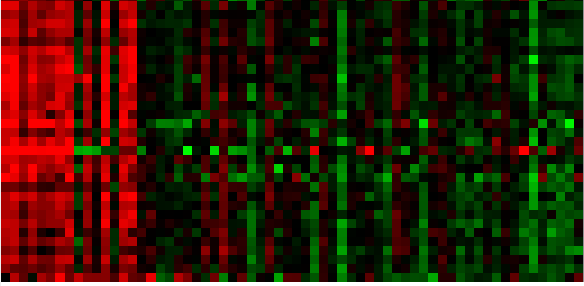
List of genes involved in proteasome
proteasome 26S subunit, ATPase 1(PSMC1) | cust_3973
proteasome 26S subunit, ATPase 2(PSMC2) | tc110664
proteasome 26S subunit, ATPase 3(PSMC3) | cust_25605
proteasome 26S subunit, ATPase 4(PSMC4) | tc129920
proteasome 26S subunit, ATPase 6(PSMC6) | tc121248
proteasome 26S subunit, non-ATPase 1(PSMD1) | tc123652
proteasome 26S subunit, non-ATPase 11(PSMD11) | tc99343
proteasome 26S subunit, non-ATPase 12(PSMD12) | cust_8789
proteasome 26S subunit, non-ATPase 13(PSMD13) | cust_4173
proteasome 26S subunit, non-ATPase 14(PSMD14) | tc103139
proteasome 26S subunit, non-ATPase 2(PSMD2) | tc113401
proteasome 26S subunit, non-ATPase 3(PSMD3) | tc113209
proteasome 26S subunit, non-ATPase 4(PSMD4) | tc124274
proteasome 26S subunit, non-ATPase 6(PSMD6) | tc124011
proteasome 26S subunit, non-ATPase 7(PSMD7) | tc115392
proteasome 26S subunit, non-ATPase 8(PSMD8) | tc101641
proteasome activator subunit 4(PSME4) | cust_18557
proteasome maturation protein(POMP) | tc115925
proteasome subunit alpha 1(PSMA1) | cust_4533
proteasome subunit alpha 3(PSMA3) | cust_21563
proteasome subunit alpha 4(PSMA4) | tc115365
proteasome subunit alpha 5(PSMA5) | tc95251
proteasome subunit alpha 6(PSMA6) | tc105940
proteasome subunit alpha 7(PSMA7) | tc100796
proteasome subunit alpha 8(PSMA8) | cust_8447
proteasome subunit beta 1(PSMB1) | tc109670
proteasome subunit beta 2(PSMB2) | cust_24166
proteasome subunit beta 4(PSMB4) | tc94877
proteasome subunit beta 5(PSMB5) | tc101515
proteasome subunit beta 7(PSMB7) | cust_4285
split hand/foot malformation (ectrodactyly) type 1(SHFM1) | tc102397

