Feuil1
Lists of genes forming the major functional categories of cluster III (genes upregulated 4 to 13 weeks after spawning)

 | Gene name | ID
 |  |  | PS0 | PS2 | PS4 | PS8 | PS13 | PS16 | PS24 | PS33
List of genes involved in ribosome
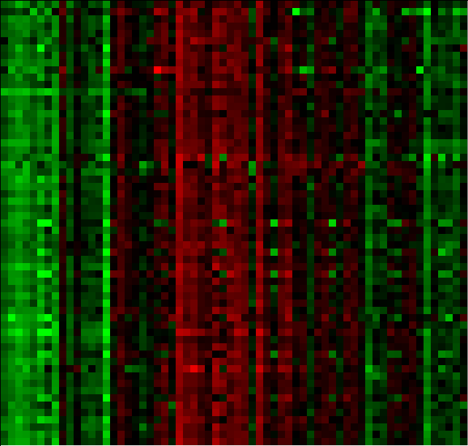
Rpl37 | 60S ribosomal protein L37(RPL37) | tc110262
RPL10 | ribosomal protein L10(RPL10) | tc131303
rpl10a | ribosomal protein L10a(RPL10A) | tc100861
Rpl11 | ribosomal protein L11(RPL11) | cust_8324
Rpl12 | ribosomal protein L12(RPL12) | cust_26763
rpl13 | ribosomal protein L13(RPL13) | tc127395
rpl13a | ribosomal protein L13a(RPL13A) | cust_7853
RPL14 | ribosomal protein L14(RPL14) | cust_24175
rpl15 | ribosomal protein L15(RPL15) | cust_7335
rpl18 | ribosomal protein L18(RPL18) | cust_27107
rpl18a | ribosomal protein L18a(RPL18A) | cust_8759
rpl19 | ribosomal protein L19(RPL19) | cust_8337
RPL21 | ribosomal protein L21(RPL21) | tc116074
rpl22 | ribosomal protein L22(RPL22) | cust_10660
Rpl23 | ribosomal protein L23(RPL23) | tc115707
rpl24 | ribosomal protein L24(RPL24) | cust_28215
rpl27 | ribosomal protein L27(RPL27) | tc129022
RPL27A | ribosomal protein L27a(RPL27A) | cust_27761
RPL29 | ribosomal protein L29(RPL29) | cust_22846
RPL3L | ribosomal protein L3 like(RPL3L) | tc97260
RpL3 | ribosomal protein L3(RPL3) | cust_8741
Rpl30 | ribosomal protein L30(RPL30) | cust_27034
rpl31 | ribosomal protein L31(RPL31) | tc118880
RPL32 | ribosomal protein L32(RPL32) | tc120129
RPL34 | ribosomal protein L34(RPL34) | cust_3203
RPL35 | ribosomal protein L35(RPL35) | cust_9157
rpl35a | ribosomal protein L35a(RPL35A) | cust_26567
Rpl39 | ribosomal protein L39(RPL39) | tc125320
Rpl4 | ribosomal protein L4(RPL4) | tc117864
RPL5 | ribosomal protein L5(RPL5) | tc95743
Rpl6 | ribosomal protein L6(RPL6) | cust_7647
rpl7a | ribosomal protein L7a(RPL7A) | cust_9204
RpL8 | ribosomal protein L8(RPL8) | cust_21261
Rpl9 | ribosomal protein L9(RPL9) | cust_7759
Rps10 | ribosomal protein S10(RPS10) | cust_7942
rps11 | ribosomal protein S11(RPS11) | tc127636
RPS12 | ribosomal protein S12(RPS12) | tc120796
rps13 | ribosomal protein S13(RPS13) | cust_11016
Rps14 | ribosomal protein S14(RPS14) | cust_9790
Rps15 | ribosomal protein S15(RPS15) | cust_13016
Rps15a | ribosomal protein S15a(RPS15A) | cust_10787
Rps16 | ribosomal protein S16(RPS16) | cust_7261
rps17 | ribosomal protein S17(RPS17) | cust_9184
rps18 | ribosomal protein S18(RPS18) | tc129830
rps19 | ribosomal protein S19(RPS19) | cust_20848
Rps2 | ribosomal protein S2(RPS2) | cust_9494
RPS20 | ribosomal protein S20(RPS20) | cust_10847
rps23 | ribosomal protein S23(RPS23) | tc121895
RpS26 | ribosomal protein S26(RPS26) | cust_11132
rps27 | ribosomal protein S27(RPS27) | tc119845
Rps3 | ribosomal protein S3(RPS3) | cust_7177
rps3a | ribosomal protein S3A(RPS3A) | cust_21041
rps4x | ribosomal protein S4, X-linked(RPS4X) | cust_8678
RPS5 | ribosomal protein S5(RPS5) | cust_28352
rps6 | ribosomal protein S6(RPS6) | cust_8326
rps8 | ribosomal protein S8(RPS8) | tc106136
Rps9 | ribosomal protein S9(RPS9) | tc123115
rpsa | ribosomal protein SA(RPSA) | cust_3620
RPLP0 | ribosomal protein lateral stalk subunit P0(RPLP0) | cust_10969
RPLP1 | ribosomal protein lateral stalk subunit P1(RPLP1) | cust_24517
Rplp2 | ribosomal protein lateral stalk subunit P2(RPLP2) | cust_9580

List of genes involved in chaperonin-containing-T-complex
cct3 | chaperonin containing TCP1 subunit 3(CCT3) | tc101500
cct4 | chaperonin containing TCP1 subunit 4(CCT4) | tc103151
CCT5 | chaperonin containing TCP1 subunit 5(CCT5) | cust_6364
CCT6A | chaperonin containing TCP1 subunit 6A(CCT6A) | cust_4121
CCT8 | chaperonin containing TCP1 subunit 8(CCT8) | tc105045
TCP1 | t-complex 1(TCP1) | tc121041

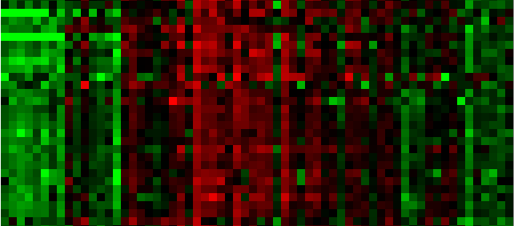
List of genes involved in nucleolus
CDKN2AIPNL | CDKN2A interacting protein N-terminal like(CDKN2AIPNL) | tc113507
DAB2 | DAB2, clathrin adaptor protein(DAB2) | cust_242
dcaf13 | DDB1 and CUL4 associated factor 13(DCAF13) | cust_10725
MRTO4 | MRT4 homolog, ribosome maturation factor(MRTO4) | tc106460
ola1 | Obg like ATPase 1(OLA1) | cust_20434
rab8a | RAB8A, member RAS oncogene family(RAB8A) | tc119078
ACIN1 | apoptotic chromatin condensation inducer 1(ACIN1) | cust_14746
Apex1 | apurinic/apyrimidinic endodeoxyribonuclease 1(APEX1) | cust_25419
CCT5 | chaperonin containing TCP1 subunit 5(CCT5) | cust_6364
Eef1d | eukaryotic translation elongation factor 1 delta(EEF1D) | tc129715
parp1 | poly(ADP-ribose) polymerase 1(PARP1) | cust_6500
Rpl11 | ribosomal protein L11(RPL11) | cust_8324
rpl18 | ribosomal protein L18(RPL18) | cust_27107
rpl19 | ribosomal protein L19(RPL19) | cust_8337
Rpl23 | ribosomal protein L23(RPL23) | tc115707
RPL5 | ribosomal protein L5(RPL5) | cust_23545
rpl7a | ribosomal protein L7a(RPL7A) | cust_20849
RpL8 | ribosomal protein L8(RPL8) | cust_8319
Rpl9 | ribosomal protein L9(RPL9) | tc126763
Rps10 | ribosomal protein S10(RPS10) | cust_28353
rps11 | ribosomal protein S11(RPS11) | tc127636
rps19 | ribosomal protein S19(RPS19) | cust_11811
rps23 | ribosomal protein S23(RPS23) | tc118721
RpS26 | ribosomal protein S26(RPS26) | cust_24489
Rps3 | ribosomal protein S3(RPS3) | cust_7177
rps3a | ribosomal protein S3A(RPS3A) | cust_21041
Rps9 | ribosomal protein S9(RPS9) | tc123115
ZDHHC7 | zinc finger DHHC-type containing 7(ZDHHC7) | tc100939

List of genes involved in protein folding
cct3 | chaperonin containing TCP1 subunit 3(CCT3) | tc101500
cct4 | chaperonin containing TCP1 subunit 4(CCT4) | tc103151
CCT5 | chaperonin containing TCP1 subunit 5(CCT5) | cust_6364
CCT6A | chaperonin containing TCP1 subunit 6A(CCT6A) | cust_4121
CCT8 | chaperonin containing TCP1 subunit 8(CCT8) | tc105045
Ppia | peptidylprolyl isomerase A(PPIA) | cust_14028
TCP1 | t-complex 1(TCP1) | tc121041
Txndc5 | thioredoxin domain containing 5(TXNDC5) | cust_15731

