Suppl. fig S1
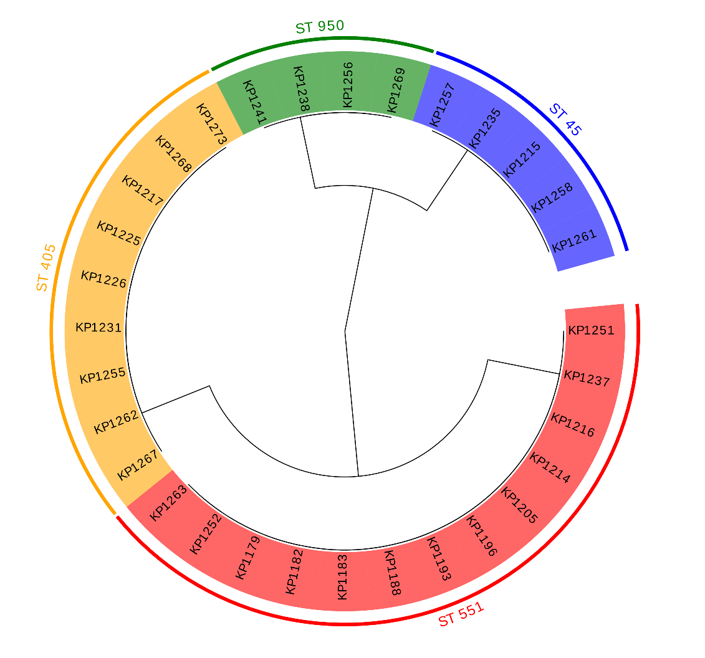
Supplementary figure S1 - A
Cladogram of 31 K. pneumoniae isolates based on variable fragment KP_03 with highlight clusters obtained from MLST analysis created by Evolview [38].

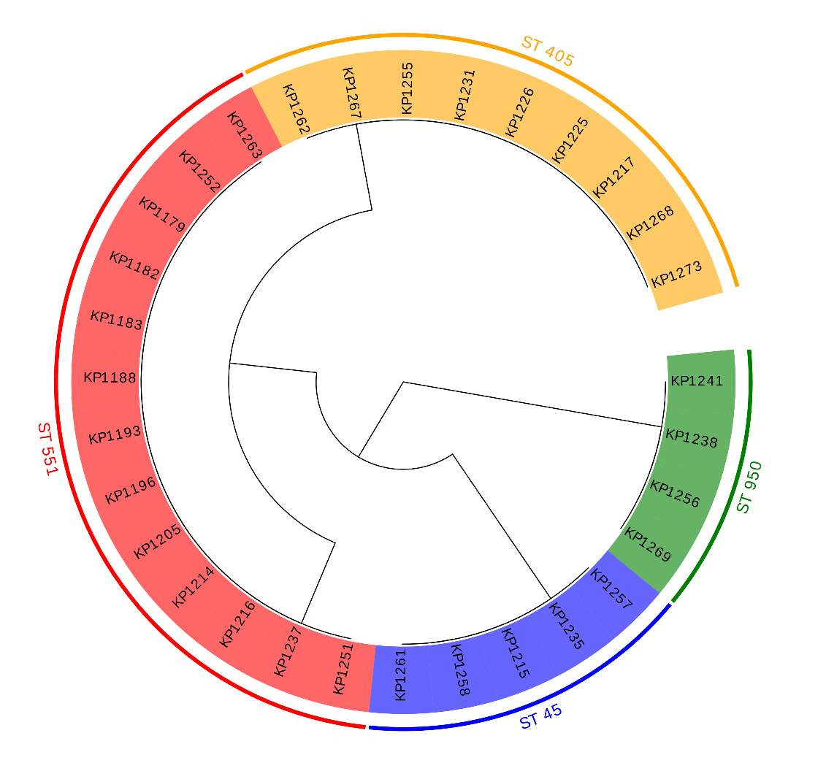

Supplementary figure S1 - B
Cladogram of 31 K. pneumoniae isolates based on variable fragment KP_04 with highlight clusters obtained from MLST analysis created by Evolview [38].

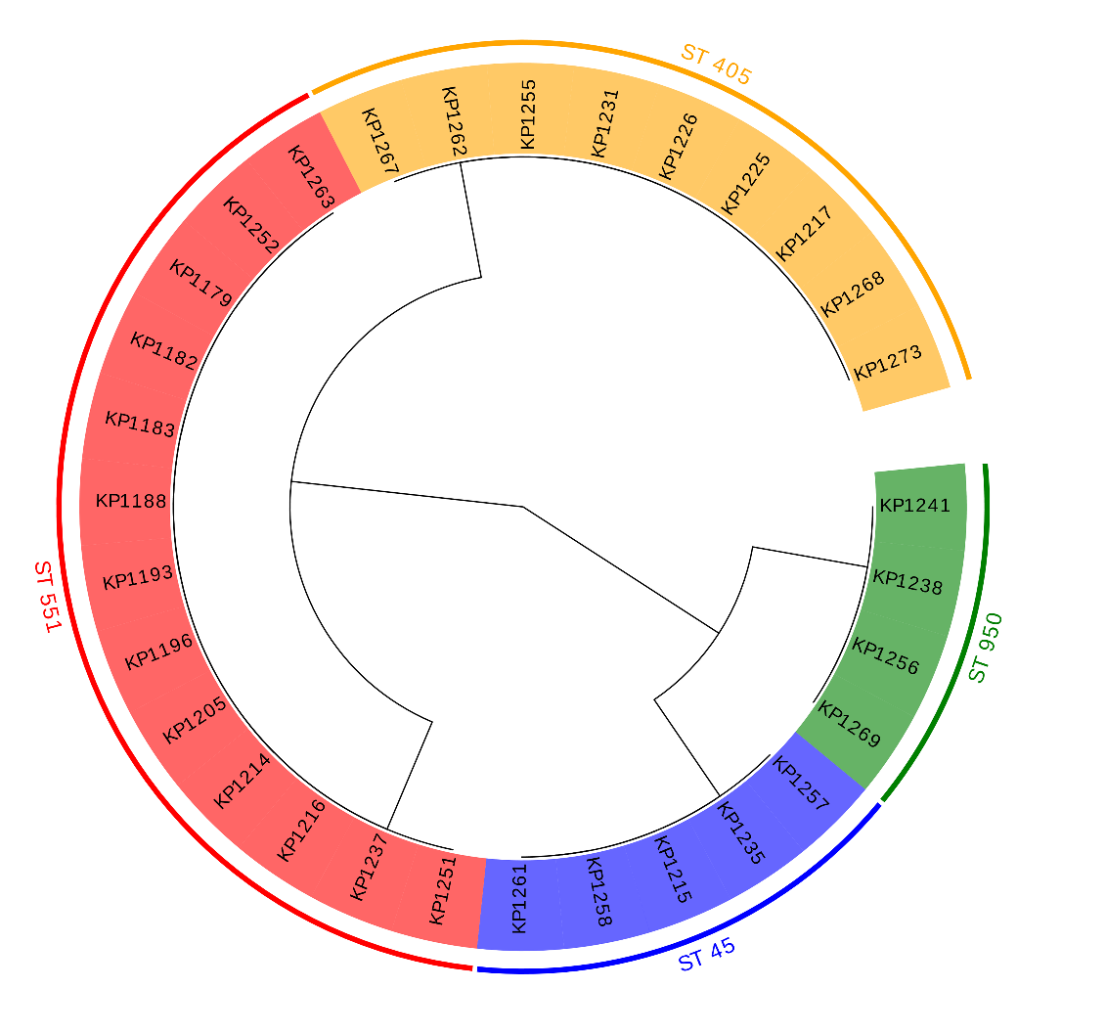

Supplementary figure S1 - C
Cladogram of 31 K. pneumoniae isolates based on variable fragment KP_05 with highlight clusters obtained from MLST analysis created by Evolview [38].

Suppl. fig S2
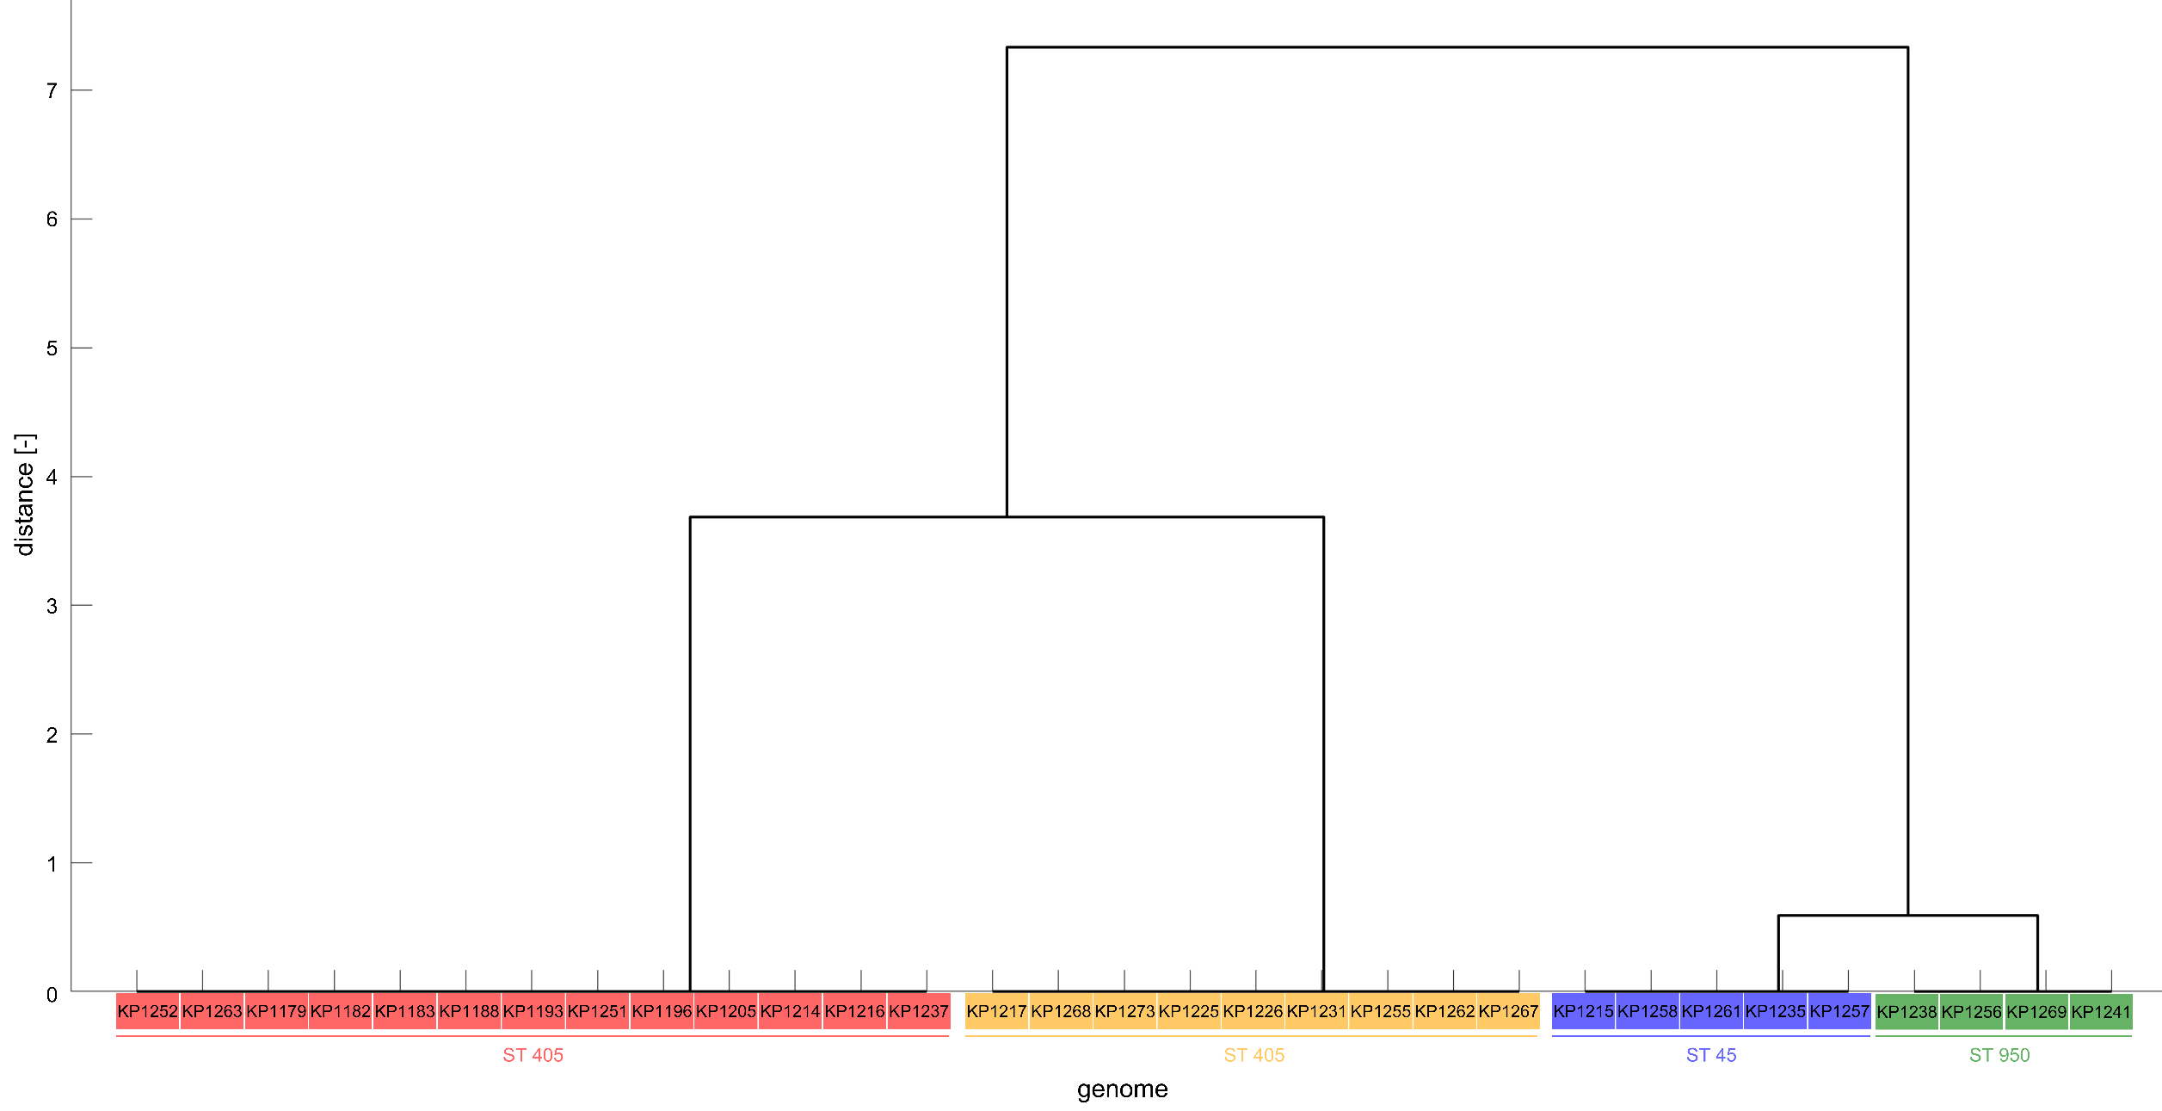
Supplementary figure S2 - A
Dendrogram of 31 K. pneumoniae isolates obtained from cluster analysis of variable fragment (KP_02) melting temperatures with highlight clusters obtained from MLST analysis created.

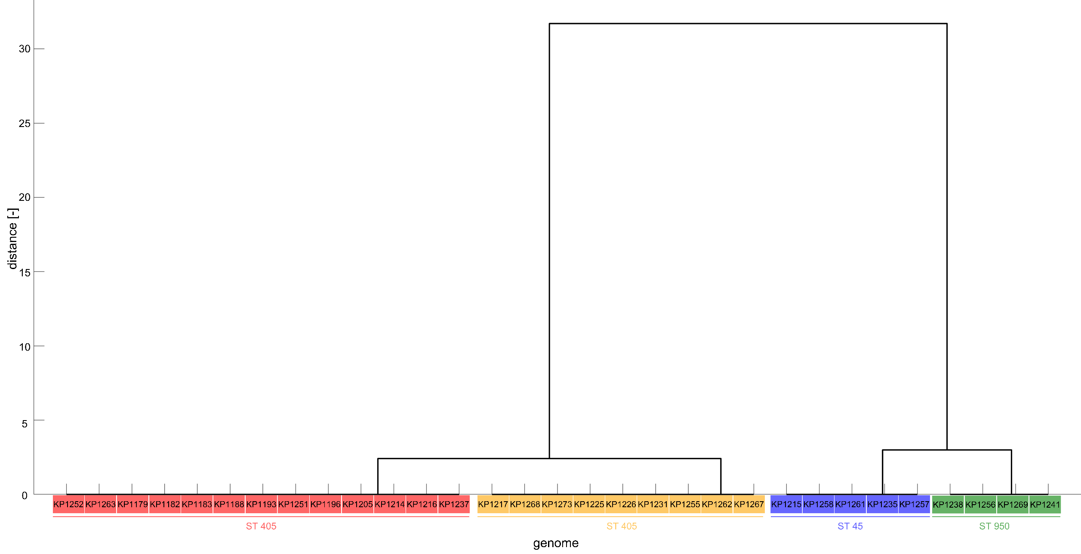

Supplementary figure S2 - B
Dendrogram of 31 K. pneumoniae isolates obtained from cluster analysis of variable fragment (KP_04) melting temperatures with highlight clusters obtained from MLST analysis created.

