Sheet1
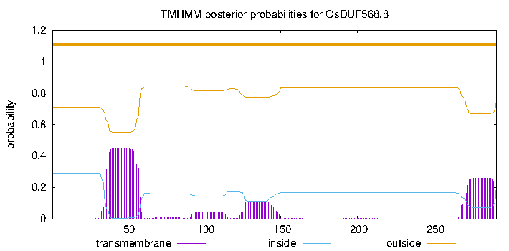
TMHMM result

# OsDUF568.1 Length: 417
# OsDUF568.1 Number of predicted TMHs: 6
# OsDUF568.1 Exp number of AAs in TMHs: 139.04731
# OsDUF568.1 Exp number, first 60 AAs: 22.86936
# OsDUF568.1 Total prob of N-in: 0.96943
# OsDUF568.1 POSSIBLE N-term signal sequence
OsDUF568.1 TMHMM2.0 inside 1 12
OsDUF568.1 TMHMM2.0 TMhelix 13 35
OsDUF568.1 TMHMM2.0 outside 36 235
OsDUF568.1 TMHMM2.0 TMhelix 236 253
OsDUF568.1 TMHMM2.0 inside 254 265
OsDUF568.1 TMHMM2.0 TMhelix 266 288
OsDUF568.1 TMHMM2.0 outside 289 302
OsDUF568.1 TMHMM2.0 TMhelix 303 320
OsDUF568.1 TMHMM2.0 inside 321 332
OsDUF568.1 TMHMM2.0 TMhelix 333 355
OsDUF568.1 TMHMM2.0 outside 356 369
OsDUF568.1 TMHMM2.0 TMhelix 370 392
OsDUF568.1 TMHMM2.0 inside 393 417

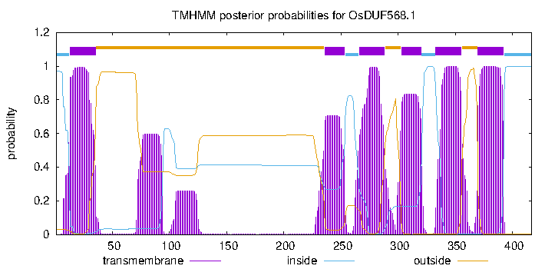

# OsDUF568.2 Length: 193
# OsDUF568.2 Number of predicted TMHs: 0
# OsDUF568.2 Exp number of AAs in TMHs: 12.51051
# OsDUF568.2 Exp number, first 60 AAs: 8.04294
# OsDUF568.2 Total prob of N-in: 0.45523
OsDUF568.2 TMHMM2.0 outside 1 193

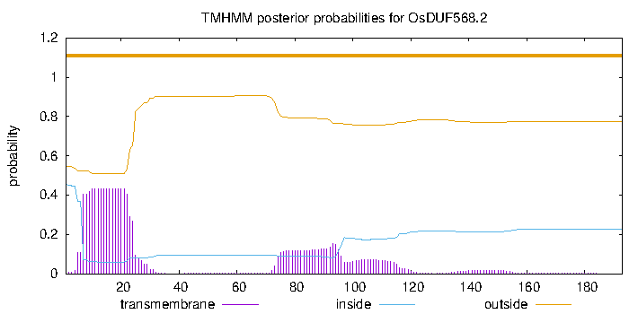

# OsDUF568.3 Length: 384
# OsDUF568.3 Number of predicted TMHs: 5
# OsDUF568.3 Exp number of AAs in TMHs: 109.37413
# OsDUF568.3 Exp number, first 60 AAs: 0.19315
# OsDUF568.3 Total prob of N-in: 0.05336
OsDUF568.3 TMHMM2.0 outside 1 204
OsDUF568.3 TMHMM2.0 TMhelix 205 227
OsDUF568.3 TMHMM2.0 inside 228 233
OsDUF568.3 TMHMM2.0 TMhelix 234 256
OsDUF568.3 TMHMM2.0 outside 257 270
OsDUF568.3 TMHMM2.0 TMhelix 271 292
OsDUF568.3 TMHMM2.0 inside 293 303
OsDUF568.3 TMHMM2.0 TMhelix 304 326
OsDUF568.3 TMHMM2.0 outside 327 340
OsDUF568.3 TMHMM2.0 TMhelix 341 363
OsDUF568.3 TMHMM2.0 inside 364 384

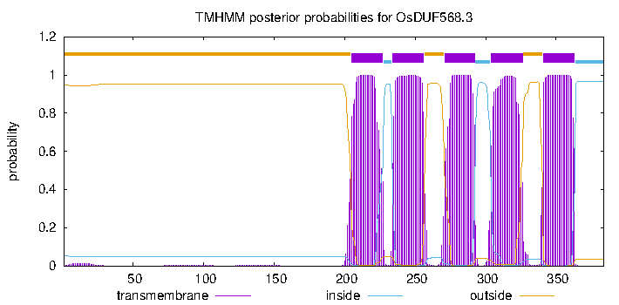

# OsDUF568.4 Length: 204
# OsDUF568.4 Number of predicted TMHs: 1
# OsDUF568.4 Exp number of AAs in TMHs: 22.94665
# OsDUF568.4 Exp number, first 60 AAs: 18.37088
# OsDUF568.4 Total prob of N-in: 0.90181
# OsDUF568.4 POSSIBLE N-term signal sequence
OsDUF568.4 TMHMM2.0 inside 1 6
OsDUF568.4 TMHMM2.0 TMhelix 7 29
OsDUF568.4 TMHMM2.0 outside 30 204
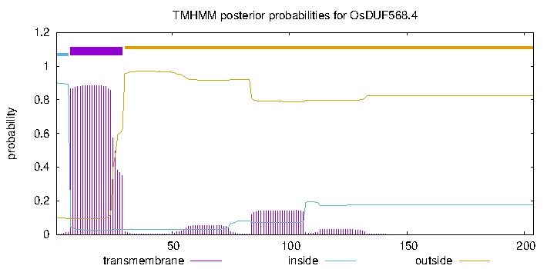

# OsDUF568.5 Length: 390
# OsDUF568.5 Number of predicted TMHs: 5
# OsDUF568.5 Exp number of AAs in TMHs: 119.30667
# OsDUF568.5 Exp number, first 60 AAs: 9.69541000000001
# OsDUF568.5 Total prob of N-in: 0.23492
OsDUF568.5 TMHMM2.0 outside 1 207
OsDUF568.5 TMHMM2.0 TMhelix 208 230
OsDUF568.5 TMHMM2.0 inside 231 242
OsDUF568.5 TMHMM2.0 TMhelix 243 265
OsDUF568.5 TMHMM2.0 outside 266 279
OsDUF568.5 TMHMM2.0 TMhelix 280 297
OsDUF568.5 TMHMM2.0 inside 298 308
OsDUF568.5 TMHMM2.0 TMhelix 309 331
OsDUF568.5 TMHMM2.0 outside 332 345
OsDUF568.5 TMHMM2.0 TMhelix 346 368
OsDUF568.5 TMHMM2.0 inside 369 390

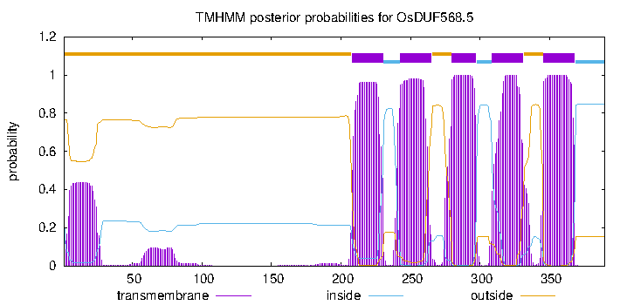

# OsDUF568.6 Length: 263
# OsDUF568.6 Number of predicted TMHs: 1
# OsDUF568.6 Exp number of AAs in TMHs: 55.78009
# OsDUF568.6 Exp number, first 60 AAs: 16.82677
# OsDUF568.6 Total prob of N-in: 0.89789
# OsDUF568.6 POSSIBLE N-term signal sequence
OsDUF568.6 TMHMM2.0 outside 1 239
OsDUF568.6 TMHMM2.0 TMhelix 240 262
OsDUF568.6 TMHMM2.0 inside 263 263
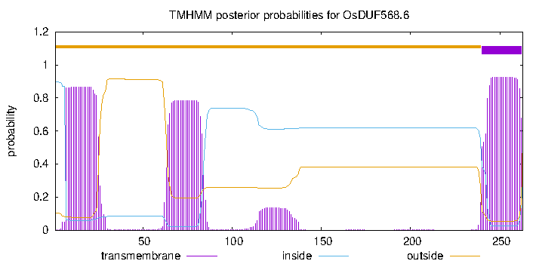

# OsDUF568.7 Length: 394
# OsDUF568.7 Number of predicted TMHs: 6
# OsDUF568.7 Exp number of AAs in TMHs: 145.43668
# OsDUF568.7 Exp number, first 60 AAs: 23.03861
# OsDUF568.7 Total prob of N-in: 0.36480
# OsDUF568.7 POSSIBLE N-term signal sequence
OsDUF568.7 TMHMM2.0 outside 1 3
OsDUF568.7 TMHMM2.0 TMhelix 4 26
OsDUF568.7 TMHMM2.0 inside 27 211
OsDUF568.7 TMHMM2.0 TMhelix 212 234
OsDUF568.7 TMHMM2.0 outside 235 243
OsDUF568.7 TMHMM2.0 TMhelix 244 266
OsDUF568.7 TMHMM2.0 inside 267 277
OsDUF568.7 TMHMM2.0 TMhelix 278 300
OsDUF568.7 TMHMM2.0 outside 301 319
OsDUF568.7 TMHMM2.0 TMhelix 320 342
OsDUF568.7 TMHMM2.0 inside 343 348
OsDUF568.7 TMHMM2.0 TMhelix 349 371
OsDUF568.7 TMHMM2.0 outside 372 394

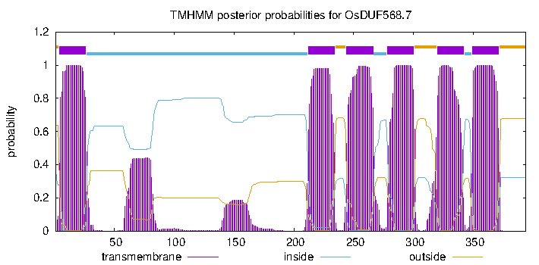

# OsDUF568.8 Length: 291
# OsDUF568.8 Number of predicted TMHs: 0
# OsDUF568.8 Exp number of AAs in TMHs: 18.48188
# OsDUF568.8 Exp number, first 60 AAs: 9.7571
# OsDUF568.8 Total prob of N-in: 0.29006
OsDUF568.8 TMHMM2.0 outside 1 291

