Quality Control Thresholds
Quality Control |  | *mouse cells removed prior by filtering out cells expressing kidney marker TTC36

 | Augs SC |  | Veres SC | Weng SC
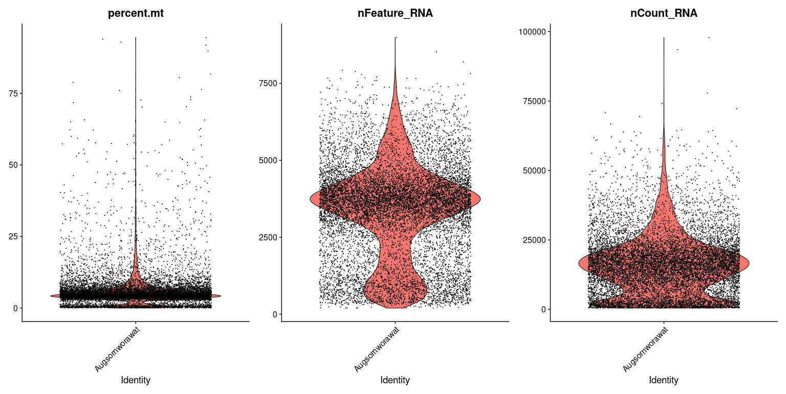
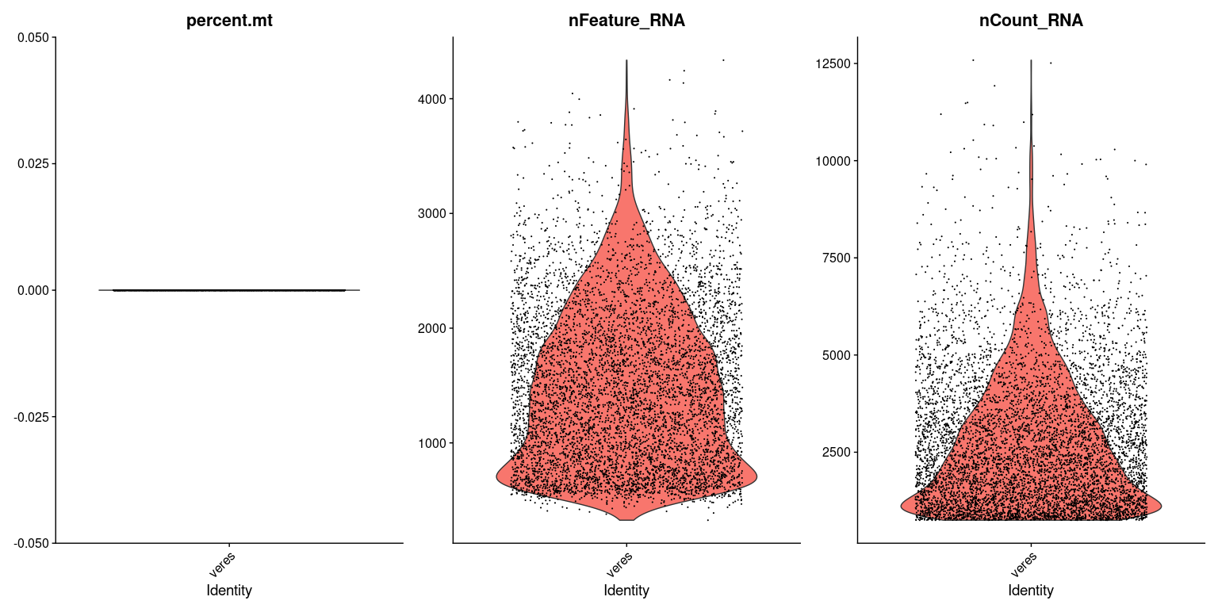
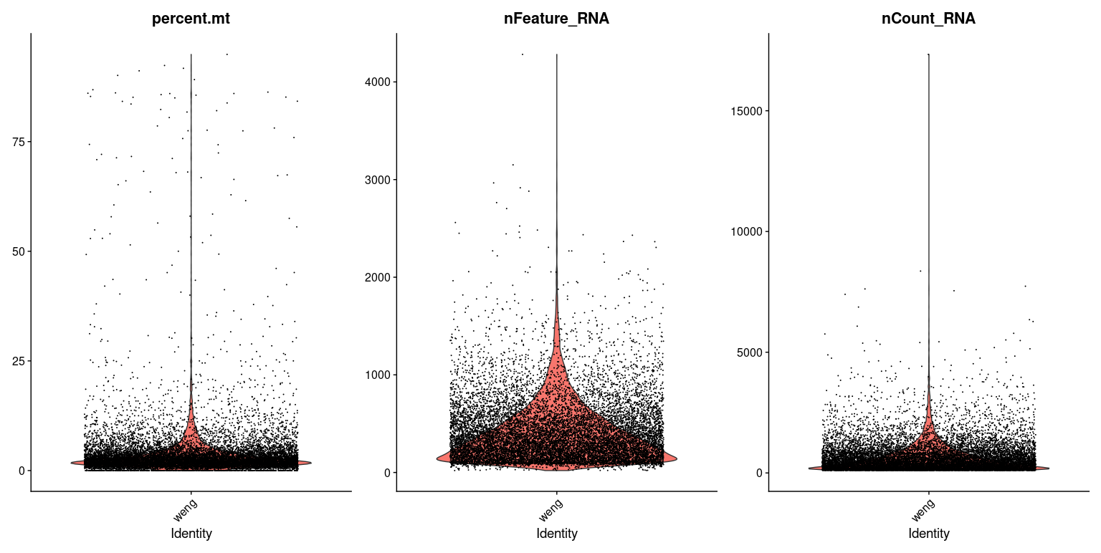

<300
<1500
>7500
>25
<2500
<8000
>40000

>25
<200
<200
>2000

 | Balboa SC |  | Augs SC-Vivo (6-month TXP) | Balboa SC-Vivo (1-month TXP)

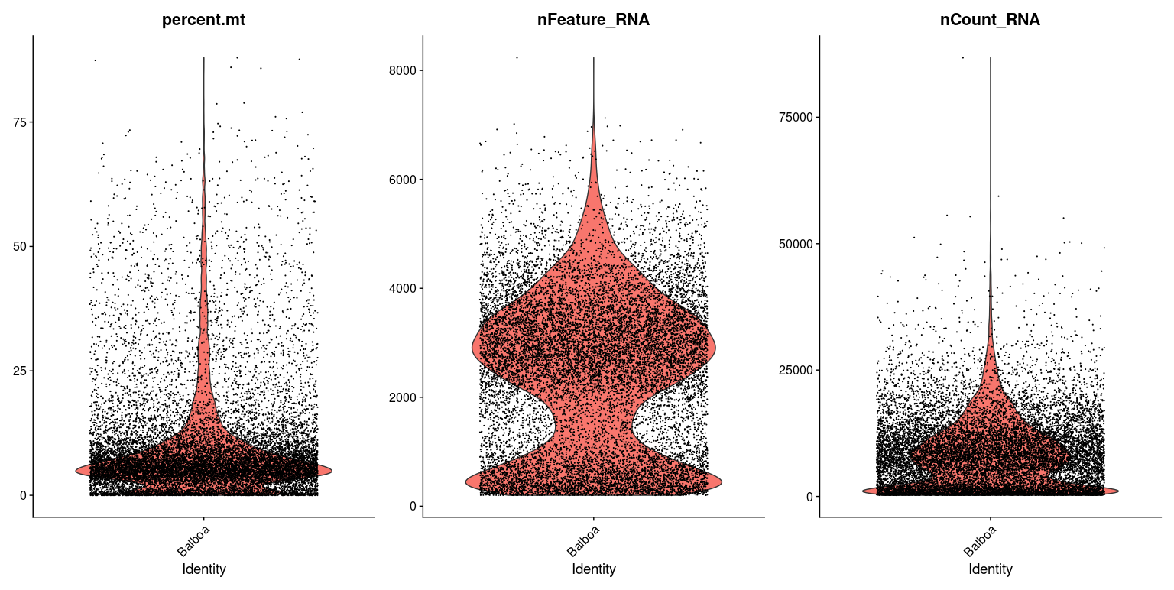
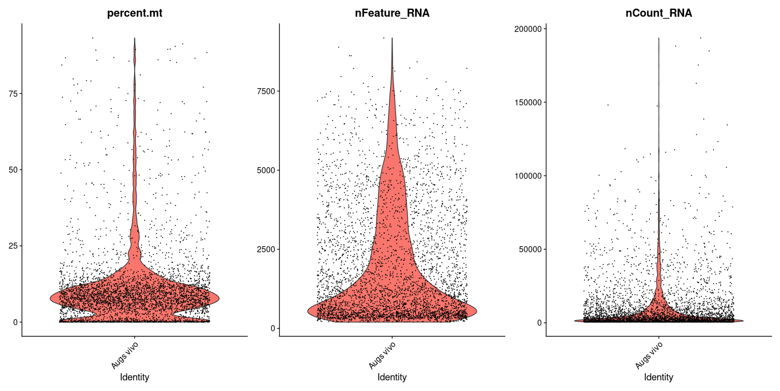
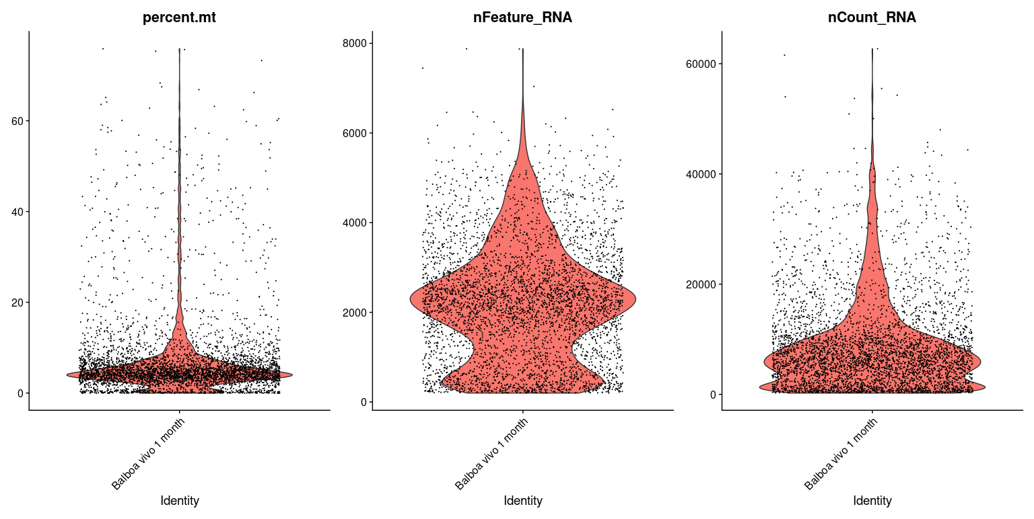

>25
<350
>20000
>25
<2000
>26000
>25
<400
>20000

 | Balboa SC-Vivo (6-month TXP) |  | Baron Adult | Fang Adult

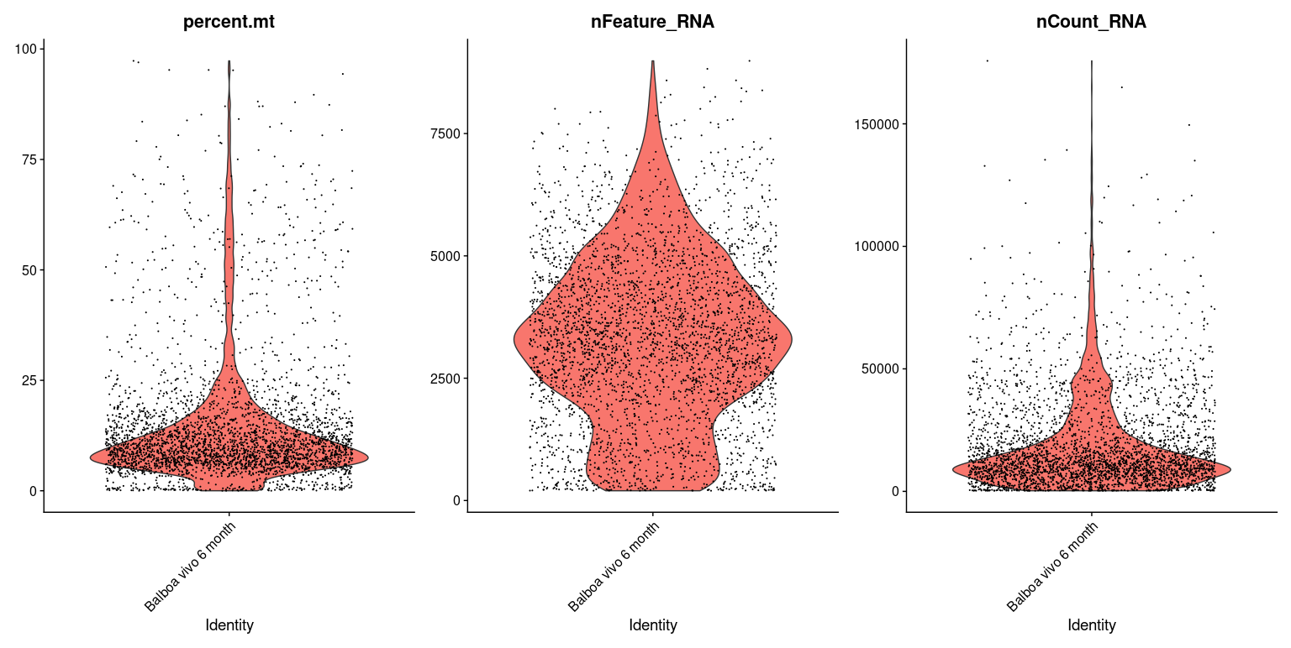
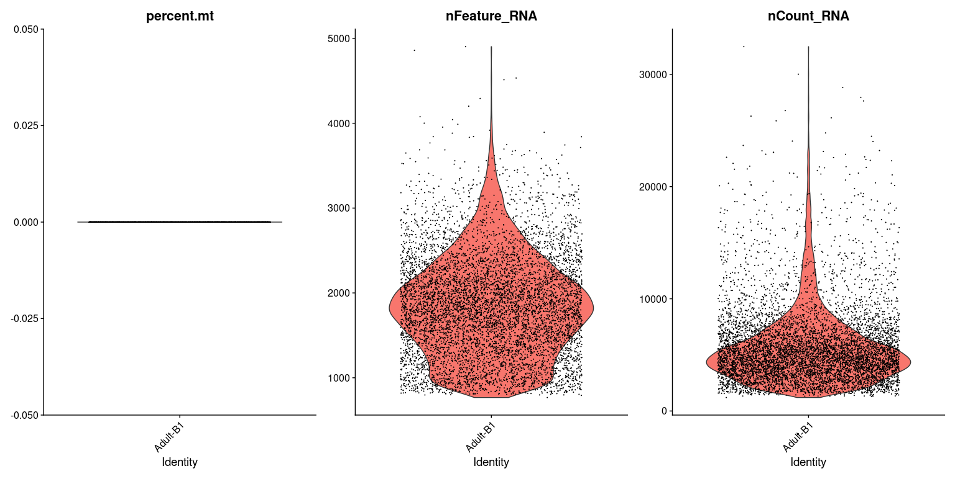
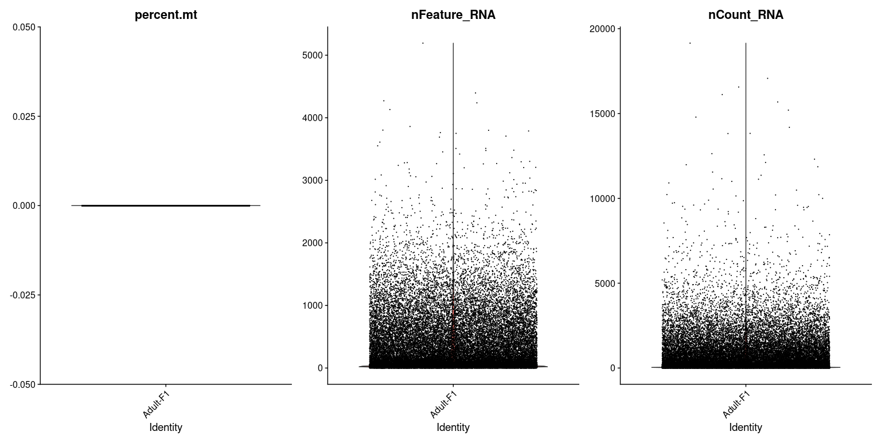

>3000
>10000
>2500
>5000
<500
>25
<1250
>50000

 | Xin Adult |  | Cao Fetal | Augs IPSC
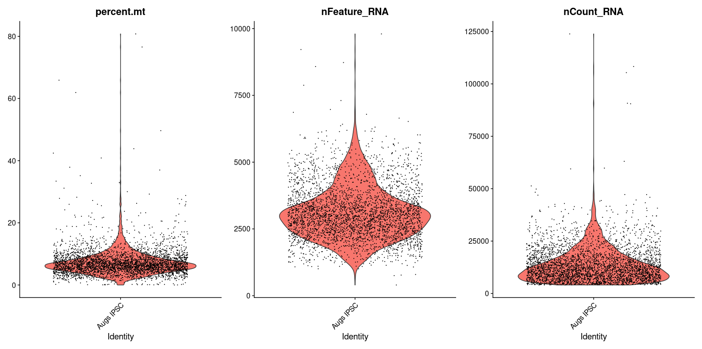
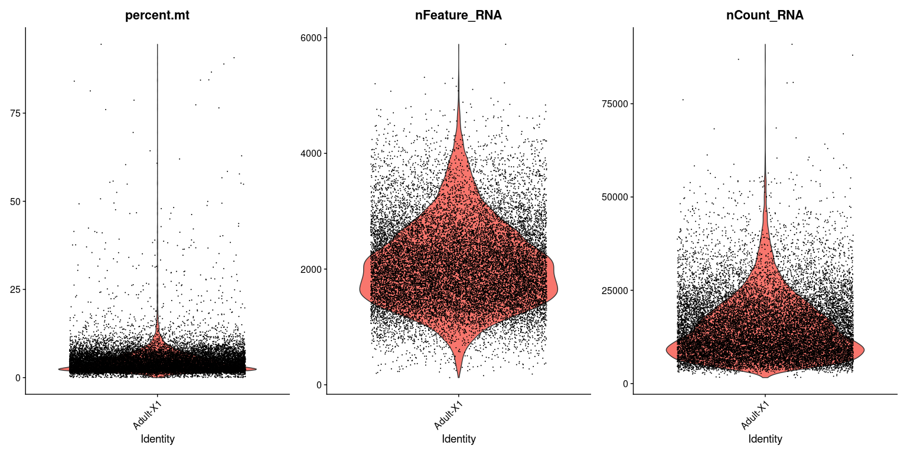
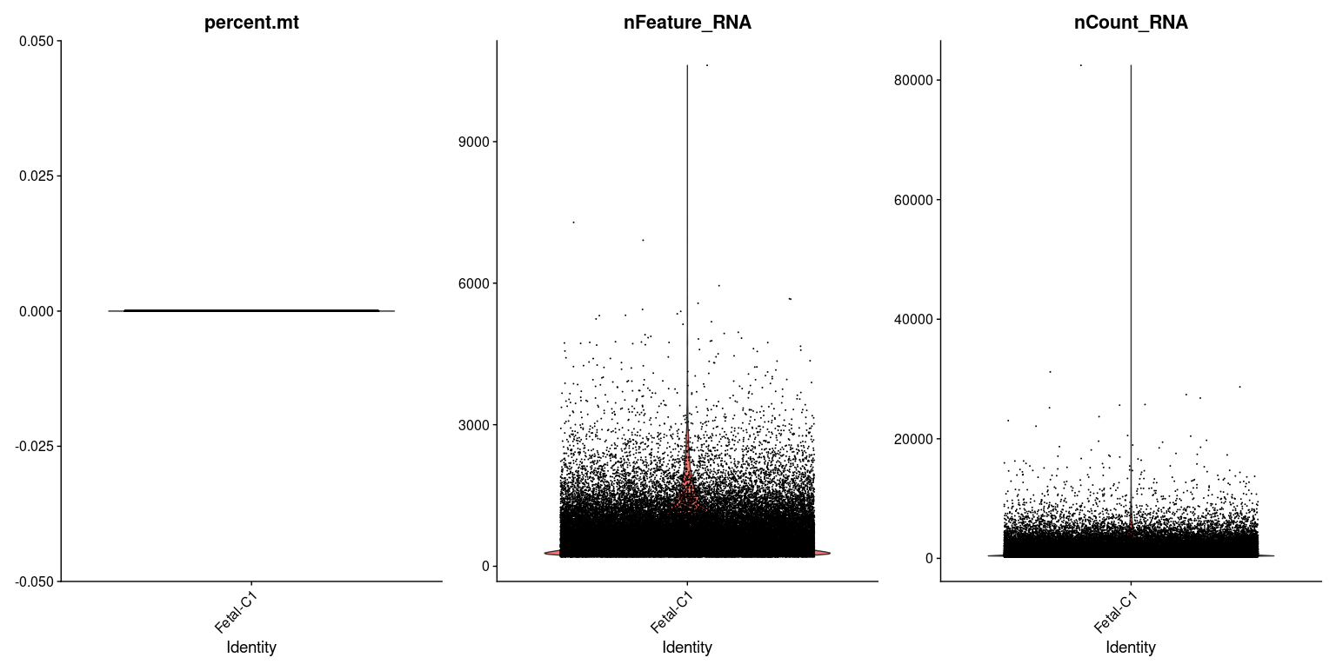

>10
<1000
>25000
>3000

>20
>2000
>5000
<100
<3000

 | Augs Single-nuclei |  | Zhu

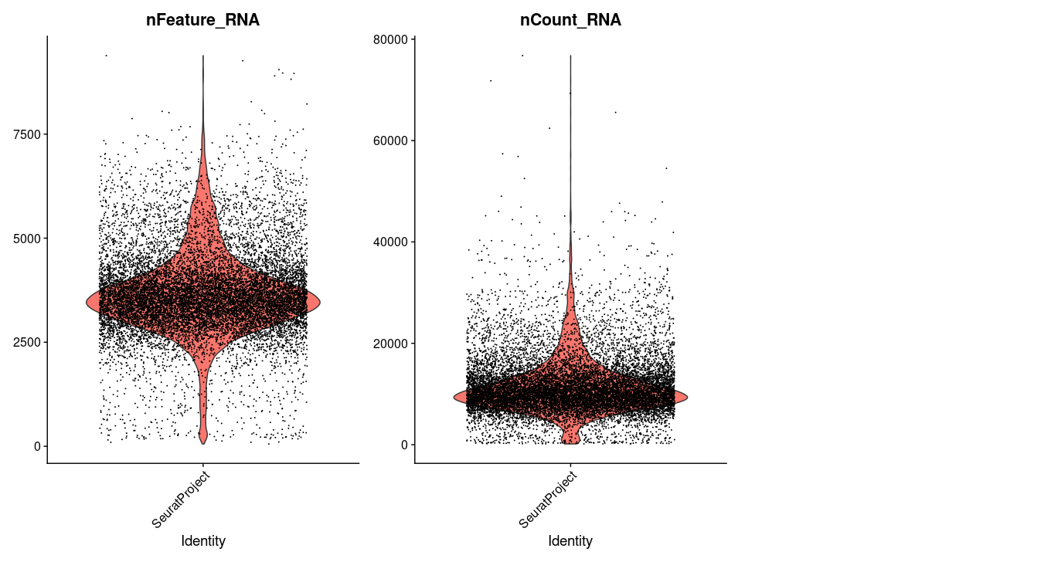
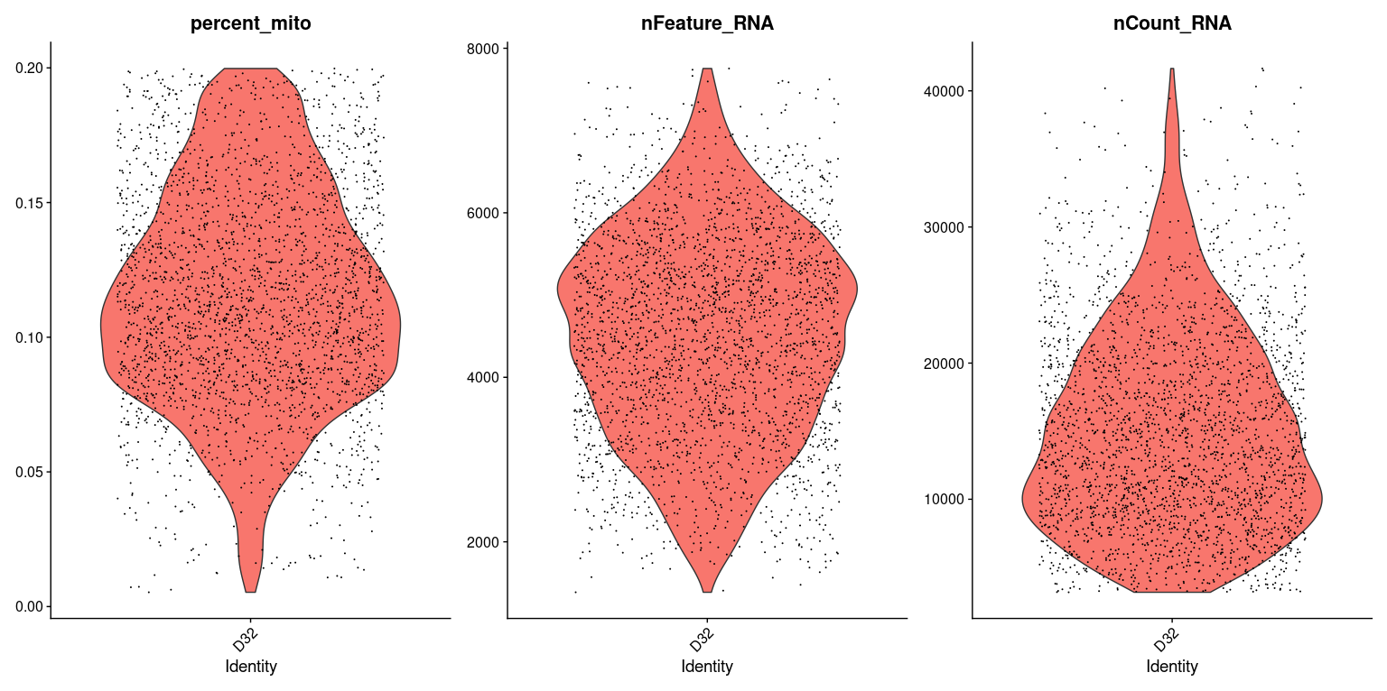

>40000

>1000

