RNASeq PCA
Principal component (PC) analysis of the RNAseq data (rlog values) generated with the Af293 (wt) and VKmeaB1 (DmeaB) strains.

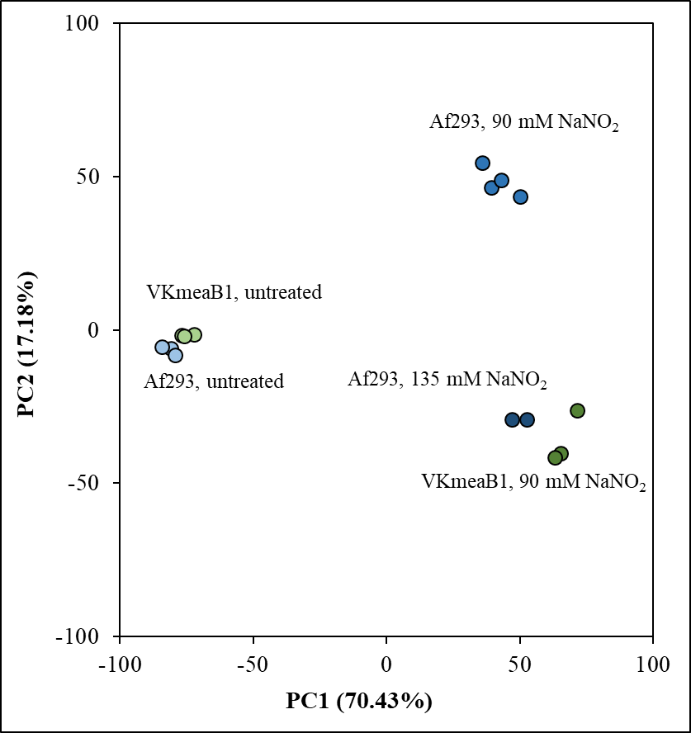
Strain | Treatment | PC1 | PC2
Af293 | untreated | -80.95 | -6.14
Af293 | untreated | -84.45 | -5.64
Af293 | untreated | -79.24 | -8.13
Af293 | 90 mM NaNO2 | 39.42 | 46.35
Af293 | 90 mM NaNO2 | 50.26 | 43.25
Af293 | 90 mM NaNO2 | 36.18 | 54.27
Af293 | 90 mM NaNO2 | 43.02 | 48.60
Af293 | 135 mM NaNO2 | 52.88 | -29.20
Af293 | 135 mM NaNO2 | 47.26 | -29.26
VKmeaB1 | untreated | -72.06 | -1.58
VKmeaB1 | untreated | -76.83 | -1.79
VKmeaB1 | untreated | -75.82 | -2.26
VKmeaB1 | 90 mM NaNO2 | 71.74 | -26.37
VKmeaB1 | 90 mM NaNO2 | 65.37 | -40.41
VKmeaB1 | 90 mM NaNO2 | 63.24 | -41.68

RT-qPCR and RNASeq
ΔCP means

 |  | Afu3g08160 | Afu3g10930 | Afu6g12400 | Afu5g03800 | Afu3g02270 | Afu4g11580 | Afu2g07680 | Afu4g03410 | Afu2g01040 | Afu2g05880 | Afu1g12840
 |  | tif1 | meaB | fks1 | ftrA | cat1 | sod2 | sidA | fhpA | gnoA | meaA | niiA
A. fumigatus Af293 | untreated | -3.20 | -6.28 | -1.25 | -4.33 | -1.59 | -2.43 | -5.68 | -4.81 | -3.73 | -2.54 | -9.31
A. fumigatus Af293 | 90 mM NaNO2 | -3.63 | -2.45 | -1.61 | -2.21 | -4.44 | -1.11 | -1.72 | 2.48 | -1.35 | -4.54 | -4.58
A. fumigatus Af293 | 135 mM NaNO2 | -3.81 | -2.70 | -1.16 | -1.60 | -3.20 | -0.73 | -1.55 | 2.44 | -1.82 | -3.62 | -4.72
A. fumigatus ΔmeaB | untreated | -3.16 | -16.06 | -1.10 | -3.62 | -1.65 | -2.22 | -4.10 | -4.69 | -4.18 | -3.53 | -9.29
A. fumigatus ΔmeaB | 90 mM NaNO2 | -3.81 | -13.52 | -0.96 | -1.17 | -3.57 | -1.08 | -0.73 | 1.59 | -2.90 | -2.53 | -4.56

ΔΔCP values (RT-qPCR)

 |  | Afu3g08160 | Afu3g10930 | Afu6g12400 | Afu5g03800 | Afu3g02270 | Afu4g11580 | Afu2g07680 | Afu4g03410 | Afu2g01040 | Afu2g05880 | Afu1g12840
 |  | tif1 | meaB | fks1 | ftrA | cat1 | sod2 | sidA | fhpA | gnoA | meaA | niiA
Af293 90 mM NaNO2 | vs. Af293 untreated | -0.43 | 3.83 | -0.36 | 2.12 | -2.85 | 1.32 | 3.96 | 7.29 | 2.39 | -2.00 | 4.73
Af293 135 mM NaNO2 | vs. Af293 untreated | -0.61 | 3.58 | 0.09 | 2.74 | -1.61 | 1.70 | 4.13 | 7.24 | 1.91 | -1.08 | 4.59
ΔmeaB 90 mM NaNO2 | vs. ΔmeaB untreated | -0.65 | not determined | 0.14 | 2.45 | -1.92 | 1.14 | 3.37 | 6.29 | 1.28 | 1.00 | 4.73
ΔmeaB untreated | vs. Af293 untreated | 0.04 | not determined | 0.15 | 0.71 | -0.06 | 0.21 | 1.58 | 0.11 | -0.45 | -0.99 | 0.02
ΔmeaB 90 mM NaNO2 | vs. Af293 90 mM NaNO2 | -0.17 | not determined | 0.65 | 1.04 | 0.87 | 0.03 | 0.99 | -0.89 | -1.56 | 2.01 | 0.02
ΔmeaB 90 mM NaNO2 | vs. Af293 135 mM NaNO2 | 0.00 | not determined | 0.20 | 0.42 | -0.38 | -0.35 | 0.82 | -0.84 | -1.08 | 1.09 | 0.16

log2FC values (RNAseq)

 |  | Afu3g08160 | Afu3g10930 | Afu6g12400 | Afu5g03800 | Afu3g02270 | Afu4g11580 | Afu2g07680 | Afu4g03410 | Afu2g01040 | Afu2g05880 | Afu1g12840
 |  | tif1 | meaB | fks1 | ftrA | cat1 | sod2 | sidA | fhpA | gnoA | meaA | niiA
Af293 90 mM NaNO2 | vs. Af293 untreated | -1.09 | 2.87 | -1.11 | 1.05 | -3.97 | 0.15 | 2.37 | 6.23 | 2.23 | -2.63 | 4.56
Af293 135 mM NaNO2 | vs. Af293 untreated | -1.41 | 2.05 | -0.77 | 1.52 | -1.96 | 0.38 | 2.67 | 6.39 | 1.47 | -1.86 | 4.39
ΔmeaB 90 mM NaNO2 | vs. ΔmeaB untreated | -1.88 | not determined | -0.65 | 1.55 | -2.34 | 0.05 | 2.51 | 5.57 | 1.13 | 0.49 | 4.51
ΔmeaB untreated | vs. Af293 untreated | 0.25 | not determined | 0.09 | 0.72 | -0.34 | 0.08 | 1.04 | 0.47 | -0.11 | -0.67 | 0.67
ΔmeaB 90 mM NaNO2 | vs. Af293 90 mM NaNO2 | -0.53 | not determined | 0.55 | 1.22 | 1.29 | -0.02 | 1.19 | -0.19 | -1.20 | 2.45 | 0.62
ΔmeaB 90 mM NaNO2 | vs. Af293 135 mM NaNO2 | -0.21 | not determined | 0.21 | 0.74 | -0.73 | -0.25 | 0.89 | -0.35 | -0.45 | 1.68 | 0.79
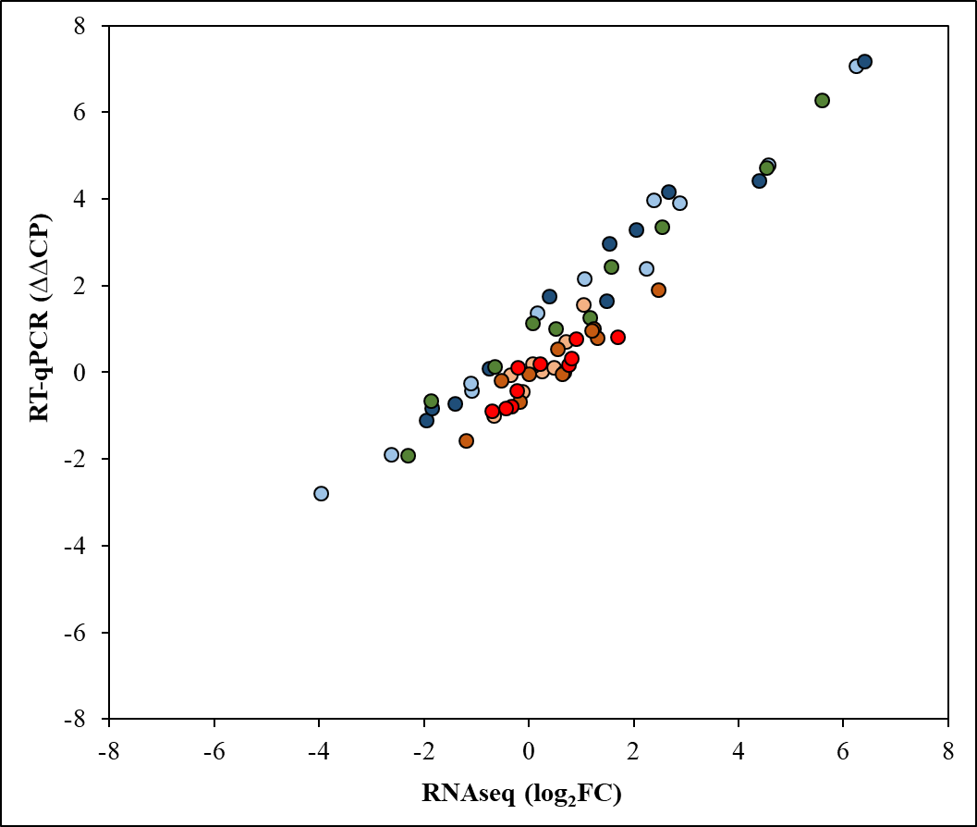
Correlations between log2FC and ΔΔCP values

 |  | R
Over all data |  | 0.958

Within subset
 |  | R
Af293 90 mM NaNO2 | vs. Af293 untreated | 0.990
Af293 135 mM NaNO2 | vs. Af293 untreated | 0.987
ΔmeaB 90 mM NaNO2 | vs. ΔmeaB untreated | 0.990
ΔmeaB untreated | vs. Af293 untreated | 0.856
ΔmeaB 90 mM NaNO2 | vs. Af293 90 mM NaNO2 | 0.856
ΔmeaB 90 mM NaNO2 | vs. Af293 135 mM NaNO2 | 0.884

