Sheet1
A,
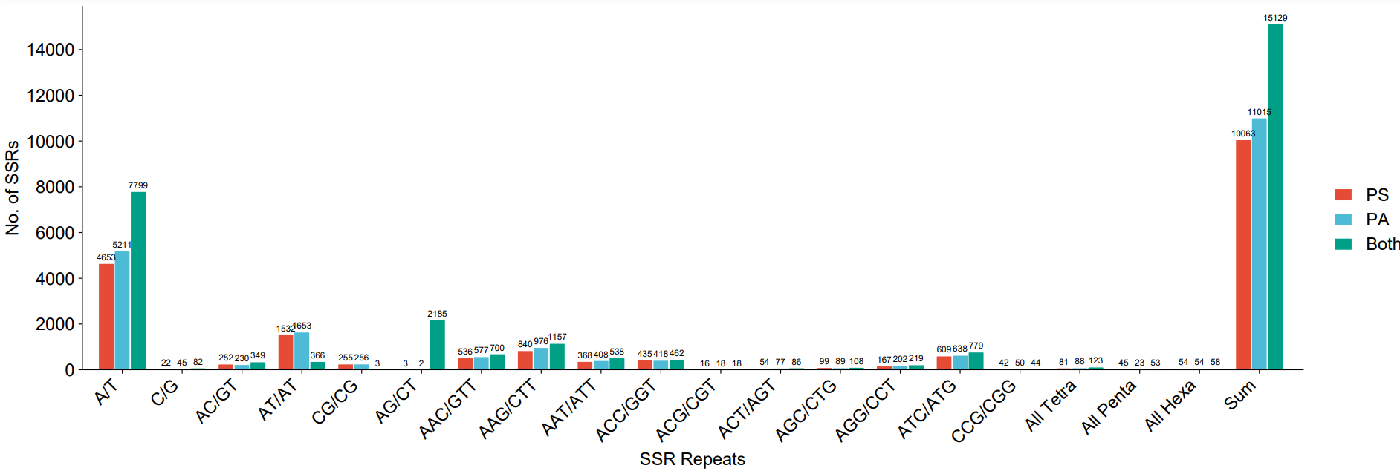

B,
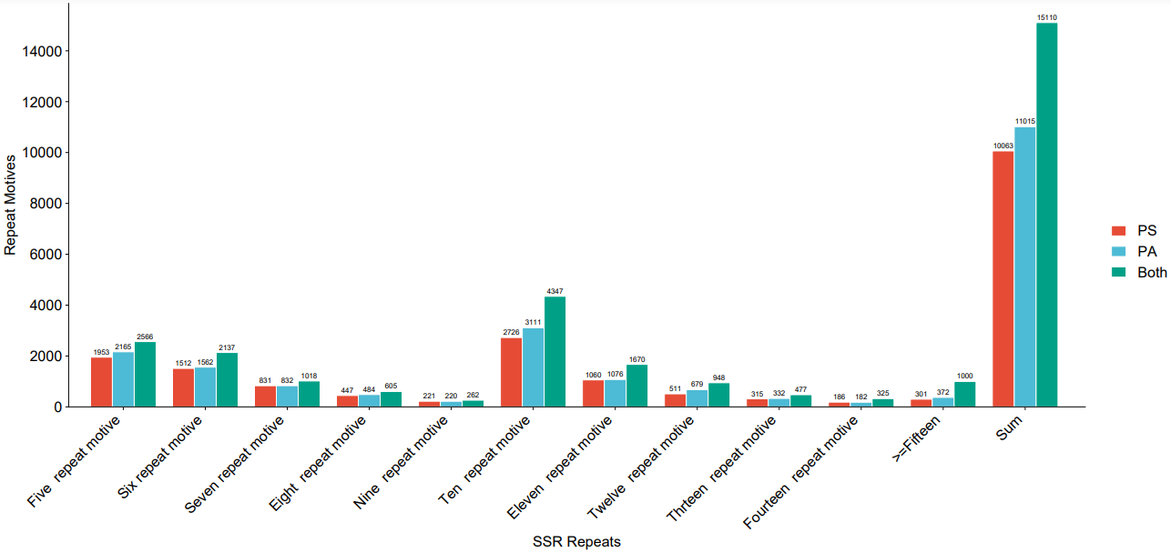

Supplementary figure 2, Bar graph showing (a) Frequency of SSR repeats
 |  | (b) Frequency of number of repeats
 | PS= Pisum sativum spp. sativum
 | PA= Pisum sativum spp. abyssinicum

