Sheet1
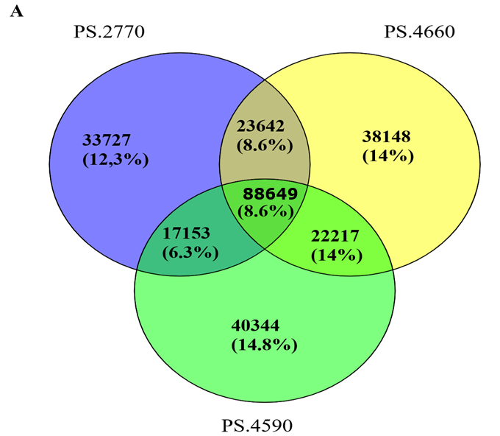
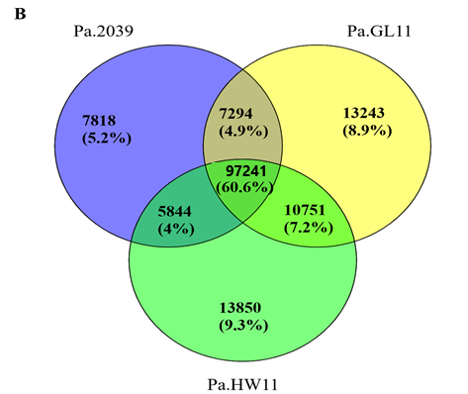

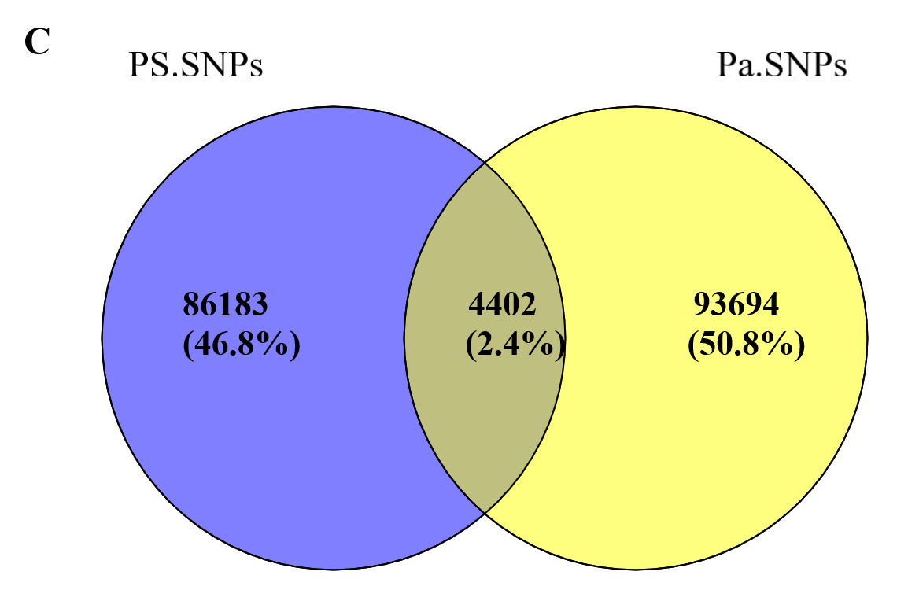

Suplimentary figure 3. Venn diagram depicting the overlap of Single Nucleotide Polymorphisms (SNPs).
 | A, shared and unique SNPs among three P. sativum genotypes,
 | B, shared and unique SNPs among three P. abyssinicum genotypes,
 | C, shared and unique SNPs among P. sativum and P. abyssinicum.

