Fig. S1
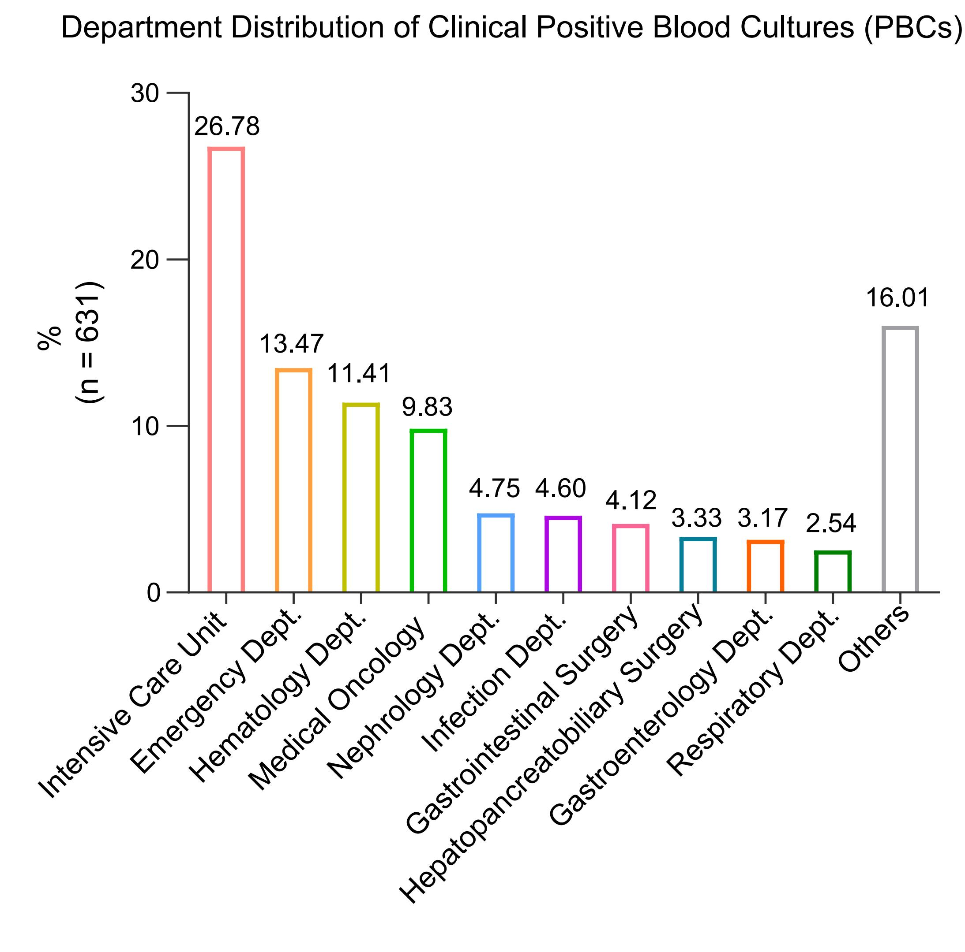

Fig. S1. Department distribution of clinical positive blood cultures (PBCs)

Fig. S2
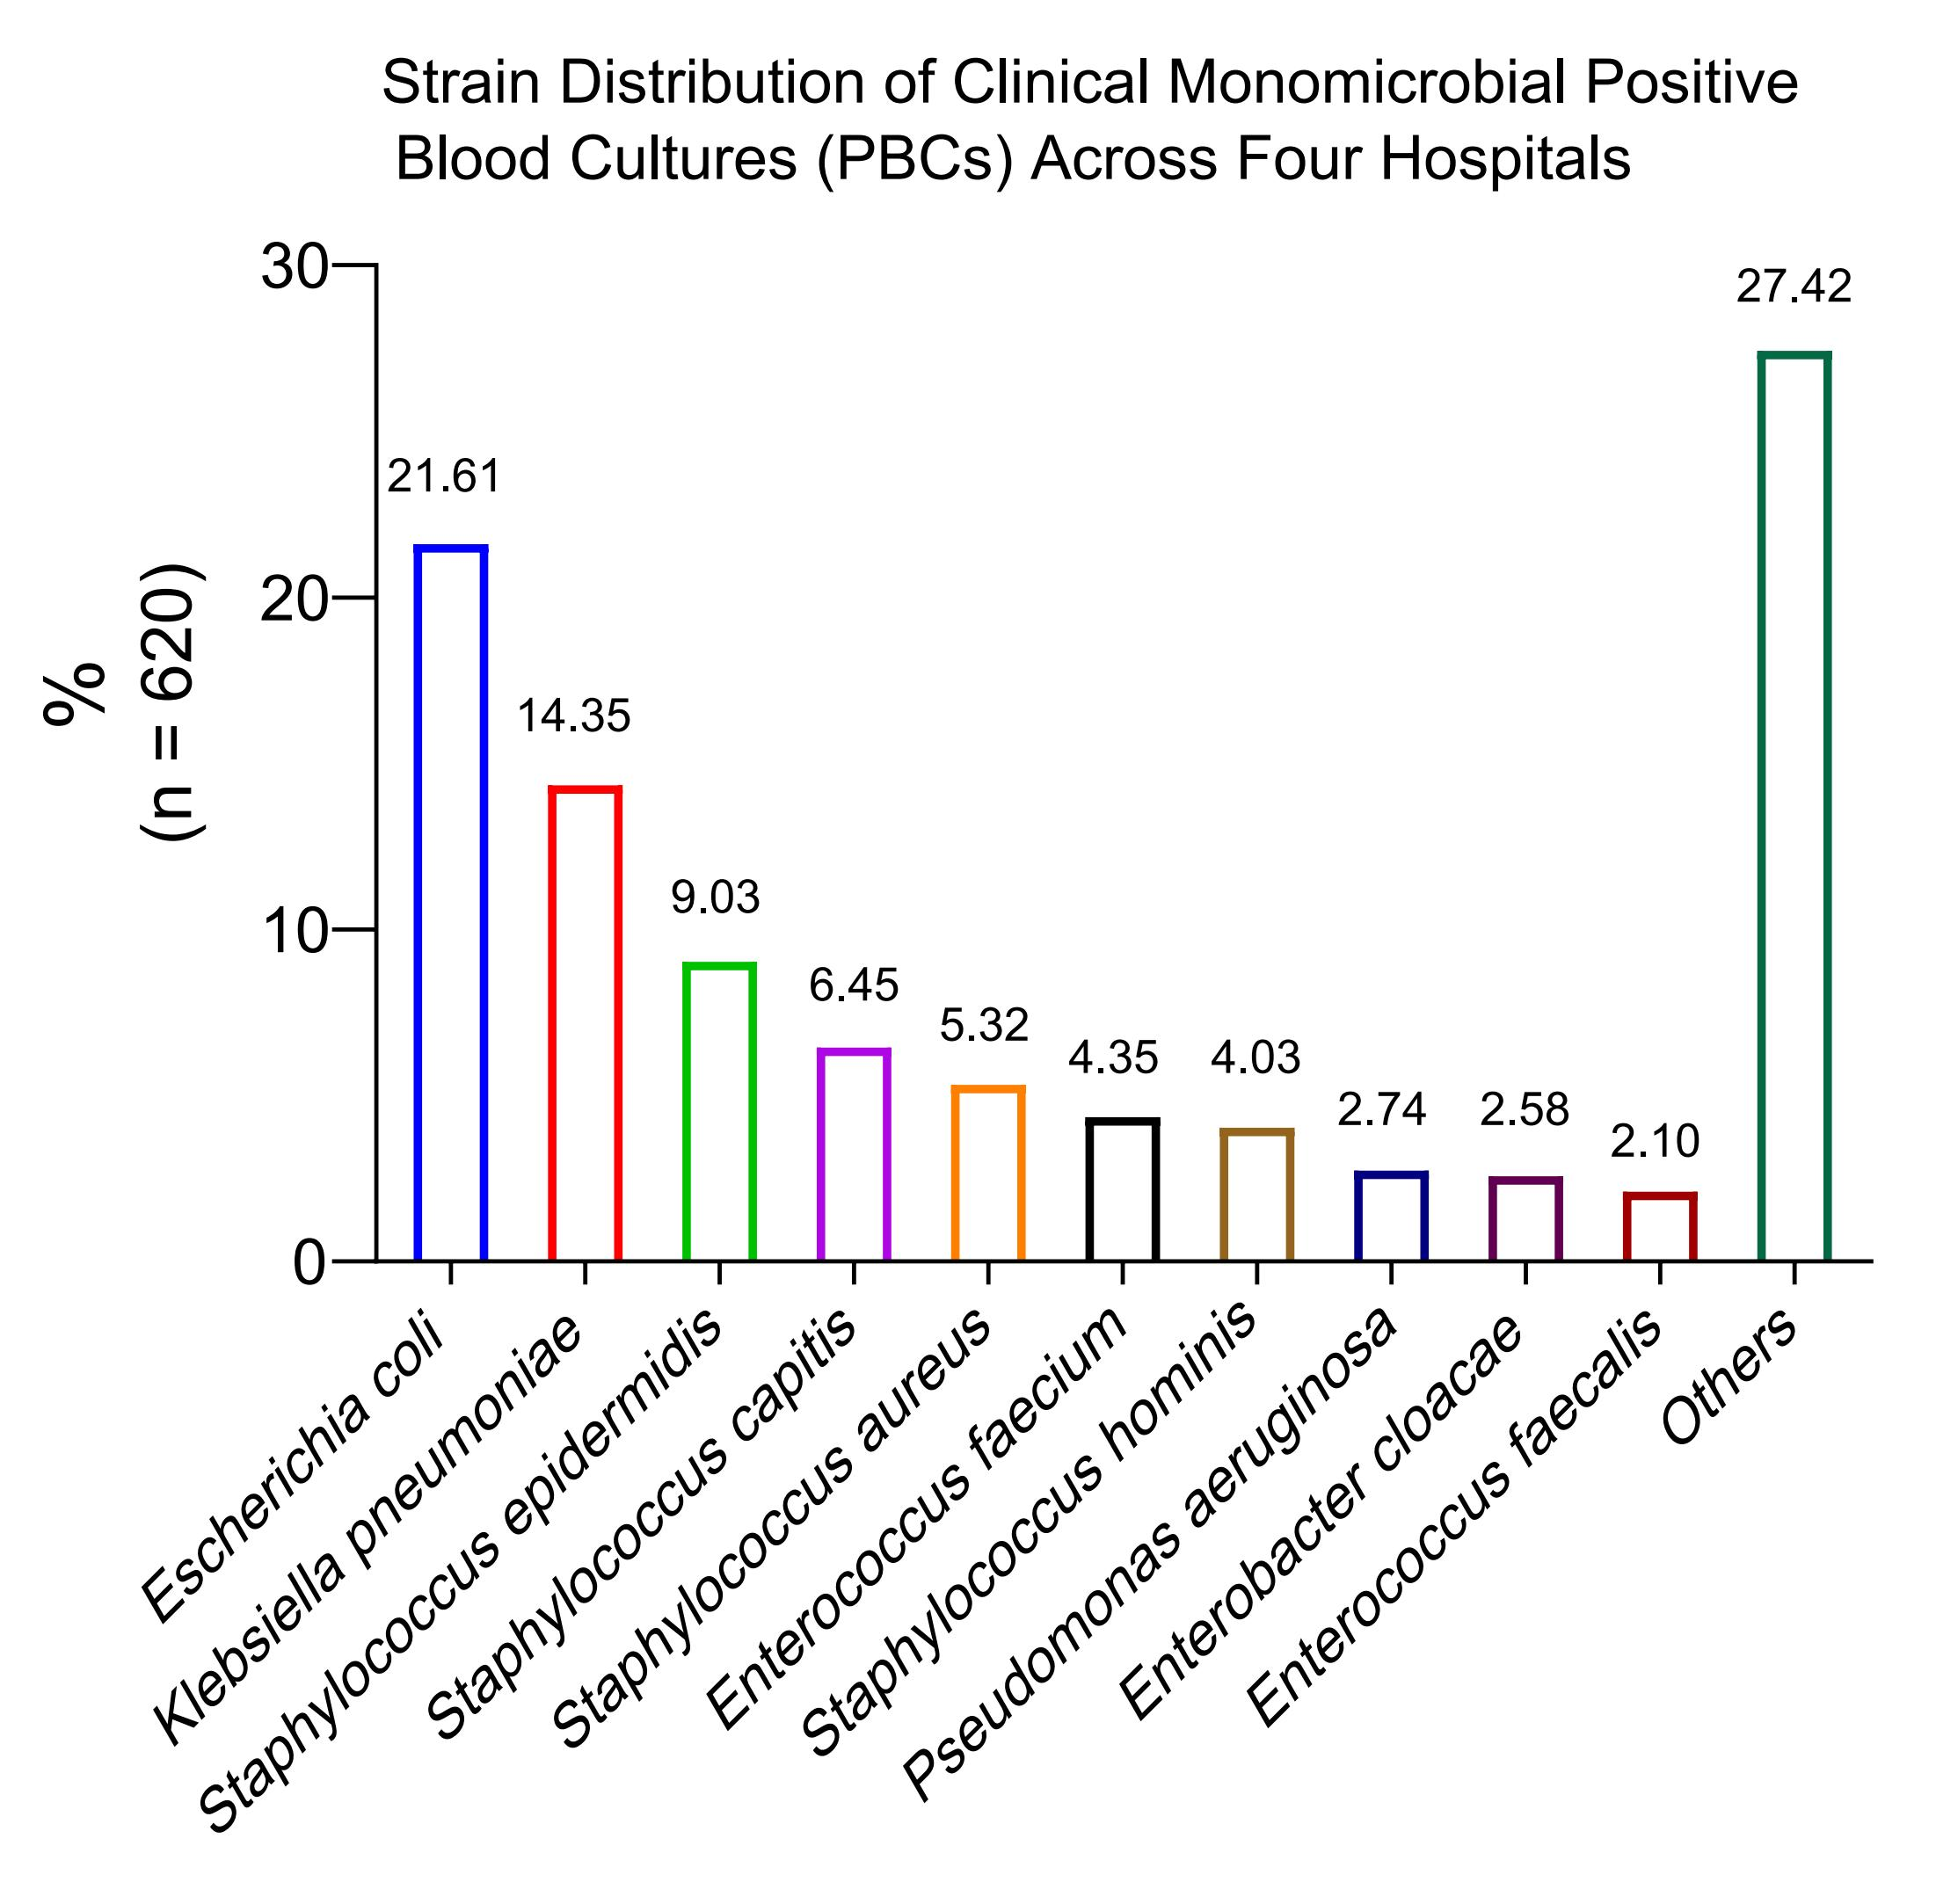

Fig. S2. Strain distribution of clinical monomicrobial positive blood cultures (PBCs) across four hospitals

Fig. S3
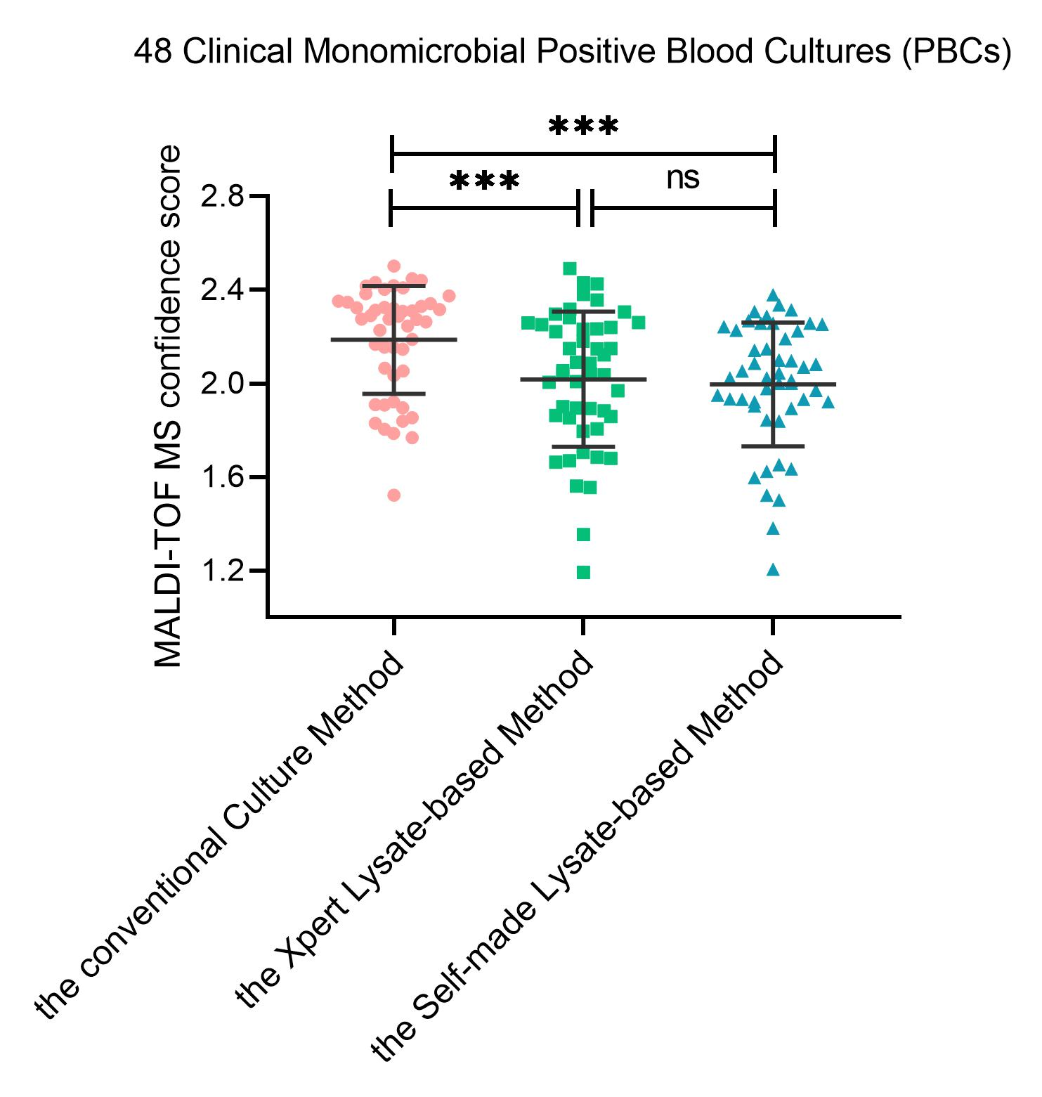

Fig. S3. Comparison of the MALDI-TOF MS confidence scores for three methods. The Self-made Lysate-based Method reagent consists of 5% sodium hydroxide and 10% isopropanol. Mean ± standard deviation (SD), paired t-test. ***, P < 0.001. ns, no significant.

