Sheet1
Additional file 6: Table S4 Analysis of conserved motifs in cucumber WRKY proteins.
Motif | Width | E value | Best possible match
1 | 28 | 1.3e-1086
2 | 29 | 1.1e-858
3 | 29 | 2.5e-339
4 | 21 | 8.4E-166
5 | 24 | 2.3E-98
6 | 11 | 1.6E-60 | 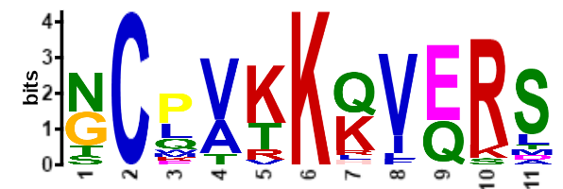
7 | 15 | 1.7E-56
8 | 29 | 5.4E-31
9 | 22 | 3E-31
10 | 29 | 7.1E-29
Numbers correspond to the motifs in Figure 4

