Fig. S1 Genetic map draw 1A-7D
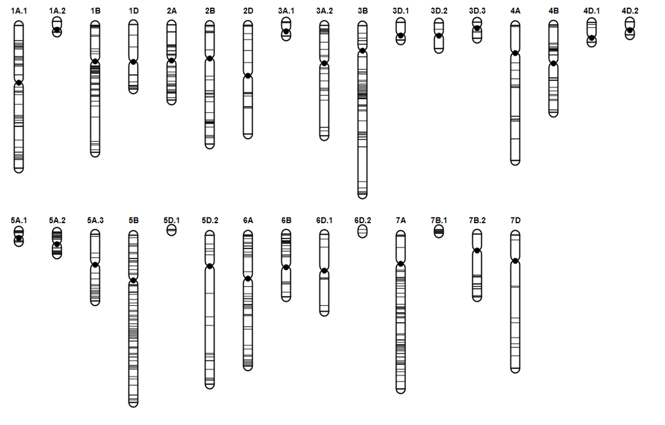
Supplementary Fig. S1 Genetic map of D8006W/Superior winter wheat doubled haploid population across fourteen chromosomes. Map distances (in cM) are indicated on left and SNP markers on right of each chromosome. Multiple linkage groups within each chromosome are designated by dot following number e.g. 1A.1 and 1A.2 refers two linkage group of chromosome 1A

