Fig.5Immunofluorescence
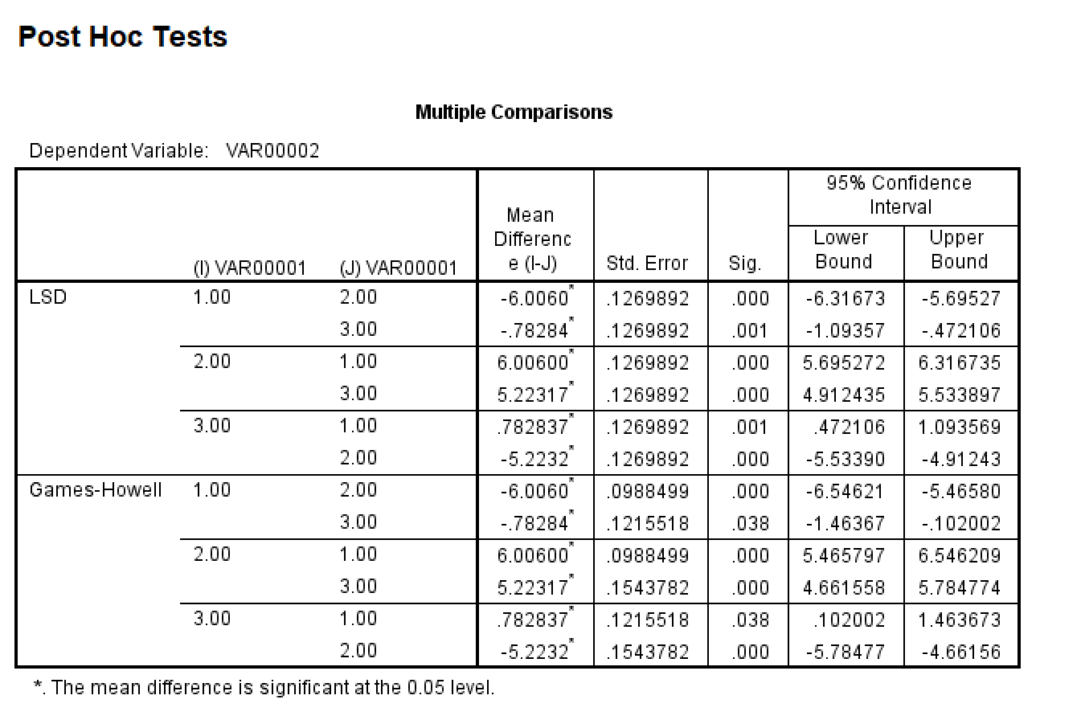
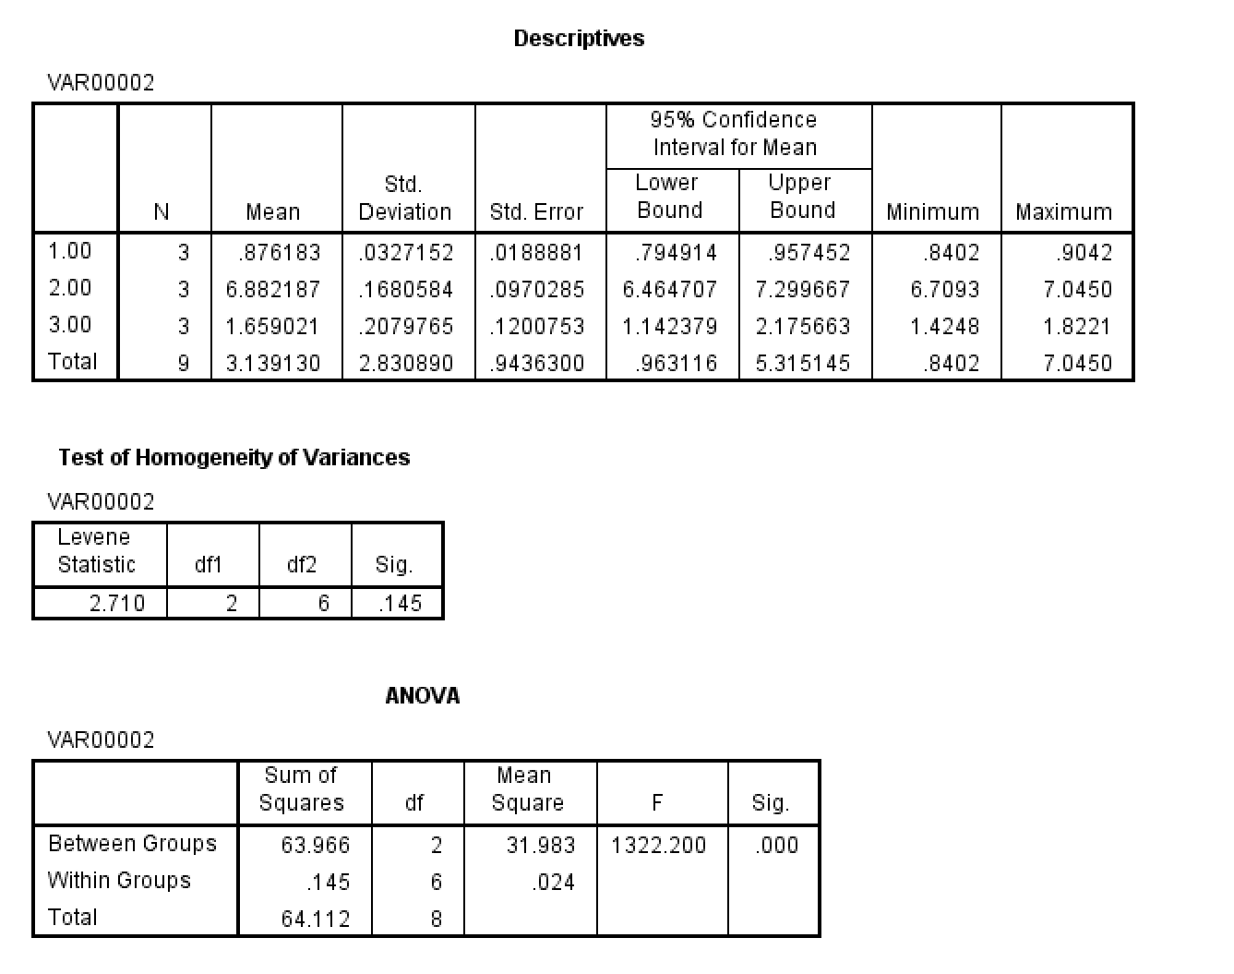
Fig.5
Immunofluorescence
Group | mean optical density
Control1 | 0.8841
Control1 | 0.8402
Control1 | 0.9042
MPO-AAV2 | 7.045
MPO-AAV2 | 6.8923
MPO-AAV2 | 6.7093
MPO-AAV+Anti-FKN3 | 1.8221
MPO-AAV+Anti-FKN3 | 1.7302
MPO-AAV+Anti-FKN3 | 1.4248

