EPDS
Participant | Baseline | EPDS Day 1 | EPDS Day 2 | EPDS Day 21 | EPDS Day 42 | Total postpartum EPDS | Mean postpartum EPDS
SC Group
1
4 | 8 | 3 | 8 | 0 | 0 | 11 | 2.75 | 0.25
8 | 0 | 0 | 0 | 0 | 0 | 0 | 0
10 | 1 | 2 | 3 | 1 | 2 | 8 | 2
13 | 19 | 18 | 20 |  |  | 38 | 19
16 | 7 | 8 | 7 |  |  | 15 | 7.5
22 | 8 | 2 | 3 | 8 | 2 | 15 | 3.75
23 | 0 | 0 | 0 | 0 | 0 | 0 | 0
25 | 7 | 5 | 4 | 8 | 16 | 33 | 8.25
Total | 50 |  |  |  |  |  | 43.25
Mean | 6.25 |  |  |  |  |  | 5.40625

Participant |  | EPDS Day 1 | EPDS Day 2 | EPDS Day 21 | EPDS Day 42 | Total postpartum EPDS | Mean postpartum EPDS
IV Group
3 | 3 | 5 | 3 | 3 | 1 | 12 | 3
6 | 14 | 9 | 8 | 7 | 12 | 36 | 9
7 | 3 | 3 | 10 | 1 | 0 | 14 | 3.5
11 | 6 | 12 | 9 | 3 | 7 | 31 | 7.75
17 | 3 | 1 | 1 | 2 | 1 | 5 | 1.25
18 | 0 | 2 | 0 | 20 | 6 | 28 | 7
20 | 1 | 1 | 0 | 0 | 0 | 1 | 0.25
21 | 10 | 1 | 12 |  |  | 13 | 6.5

 |  |  |  |  |  |  | 38.25
 |  |  |  |  |  |  | 4.78125

Participant |  | EPDS Day 1 | EPDS Day 2 | EPDS Day 21 | EPDS Day 42 | Total postpartum EPDS | Mean postpartum EPDS
Placebo group
2 | 1 | 1 | 0 | 0 |  | 1 | 0.333333333
9 | 12 | 13 | 12 | 13 | 17 | 55 | 13.75
12 | 8 | 9 | 8 | 8 | 7 | 32 | 8
14 | 14 | 10 | 10 | 7 | 8 | 35 | 8.75
15 | 10 | 12 | 17 |  |  | 29 | 14.5
19 | 10 |  | 12 |  |  | 12 | 12
24 | 3 | 0 | 0 | 4 | 7 | 11 | 2.75
 |  |  |  |  |  |  | 60.083333333
 |  |  |  |  |  |  | 8.5833333333

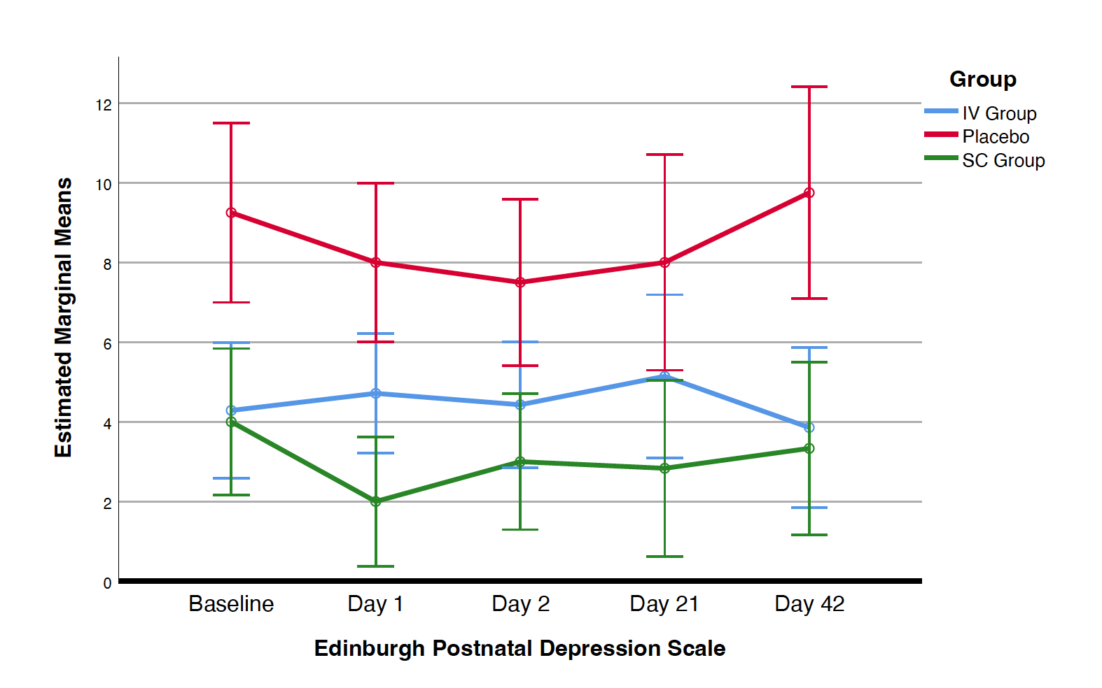

Column1 | Column2 | Column3 | Column4 | Column5
 | SC Group | IV Group | Placebo | p-value
Depressive symptoms
Postpartum EPDS > 12 Prevalence, n (%) |  | 4 (50) | 3 (42.9)
Mean postpartum EPDS |  | 4.80 | 8.58
Anxious symptoms
PP GAD7 > 10, n (%) | 2 (0.25) | 3 (37.5) | 2 (28.6)
Mean postpartum GAD-7 | 5.22 | 3.94 | 5.96

GAD7
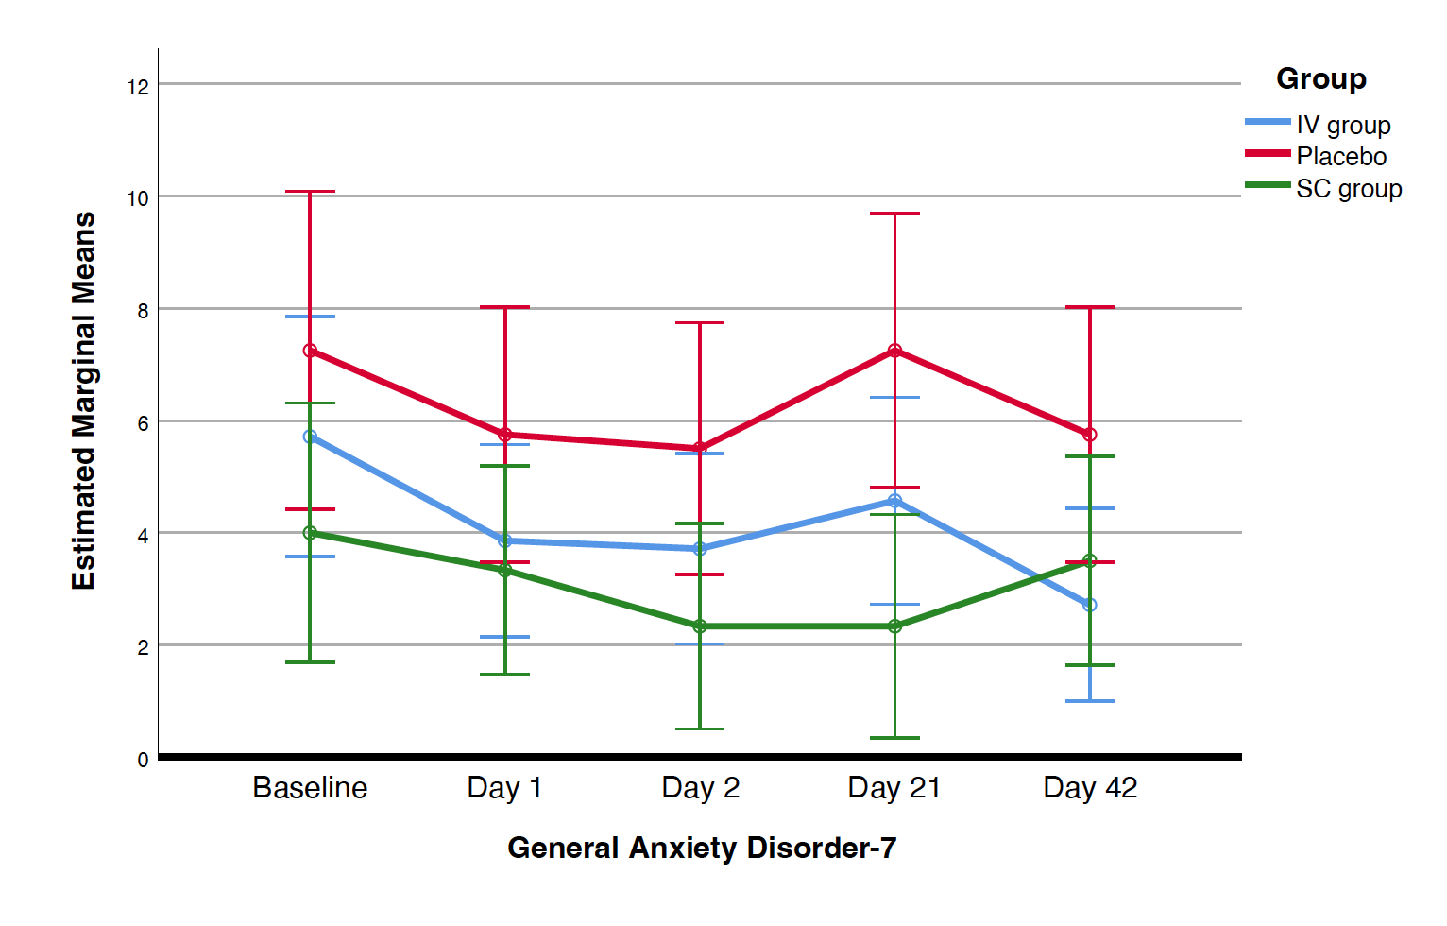
GAD7 | Baseline | D1 | D2 | D21 | D42 | Total | Mean
SC group
1
4 | 0 | 0 | 0 | 0 | 0 | 0 | 0
8 | 0 | 1 | 0 | 0 | 0 | 1 | 0.25
10 | 3 | 3 | 3 | 2 | 1 | 9 | 2.25
13 | 21 | 21 | 21 |  |  |  | 21
16 | 4 | 4 | 3 |  |  | 7 | 3.5
22 | 4 | 1 | 1 | 3 | 3 | 8 | 2
23 | 0 | 0 | 0 | 0 | 0 | 0 | 0
25 | 17 | 15 | 10 | 9 | 17 | 51 | 12.75
 | 49 | 45 | 38 | 14 | 21 |  | 41.75
 | 6.125 | 5.625 | 4.75 | 2.3333333333 | 3.5 |  | 5.21875

IV group
3 | 1 | 2 | 1 | 3 | 0 | 6 | 1.5
6 | 17 | 6 | 3 | 4 | 3 | 16 | 4
7 | 6 | 4 | 4 | 3 | 2 | 13 | 3.25
11 | 8 | 12 | 15 | 1 | 9 | 37 | 9.25
17 | 6 | 3 | 3 | 2 | 1 | 9 | 2.25
18 | 1 | 0 | 0 | 19 | 4 | 23 | 5.75
20 | 1 | 0 | 0 | 0 | 0 | 0 | 0
21 | 10 | 1 | 10 |  |  | 11 | 5.5
 | 50 | 28 | 36 | 32 | 19 |  | 31.5
 | 6.25 | 3.5 | 4.5 | 4.5714285714 | 2.7142857143 |  | 3.9375
Placebo
2 | 4 | 0 | 0 | 0 |  | 0 | 0

9 | 7 | 7 | 7 | 8 | 6 | 28 | 7
12 | 8 | 8 | 7 | 7 | 6 | 28 | 7
14 | 11 | 5 | 8 | 4 | 4 | 21 | 5.25
15 | 10 | 8 | 13 |  |  | 21 | 10.5
19 | 8 |  | 7 |  |  | 7 | 7
24 | 3 | 3 | 0 | 10 | 7 | 20 | 5
 | 51 | 31 | 42 | 29 | 23 |  | 41.75
 | 7.2857142857 | 5.1666666667 | 6 | 5.8 | 5.75 |  | 5.964285714

