Table S3A
Table S3A. Spearman' correlation matrix.

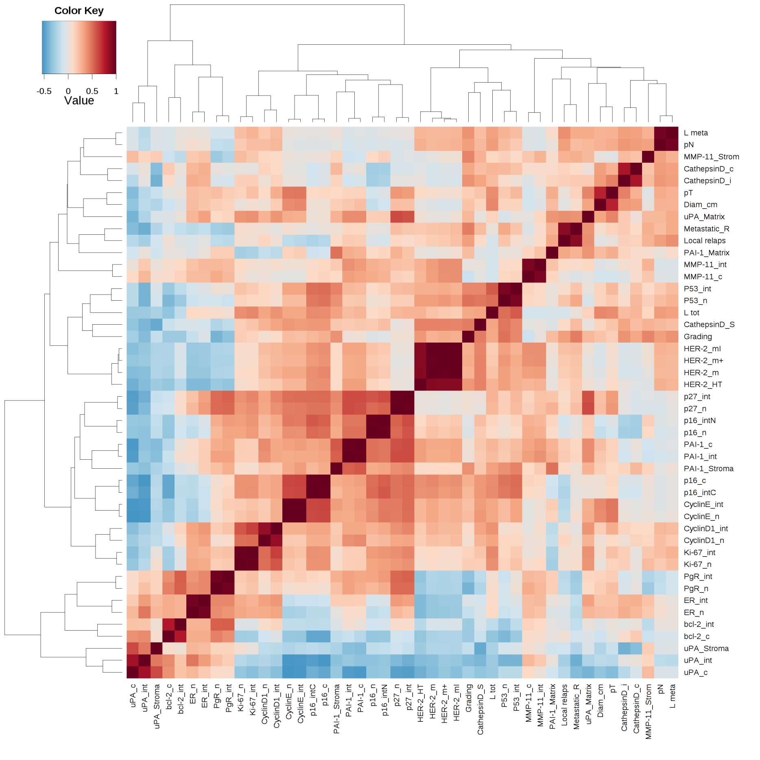

 | Legend: Spearman's Rho coefficients are shown in a pseudo-color intensity scale. Parameters are as described in the text.
 | Heatmap shows Spearman’s correlation among variables. Each column and row defines a specific variable. Positive and negative correlation values are reported in red and blue respectively. Hierarchical clustering was applied to both dimensions.

