Table S4A
Table S4A. p53 structure and main mutation sites.

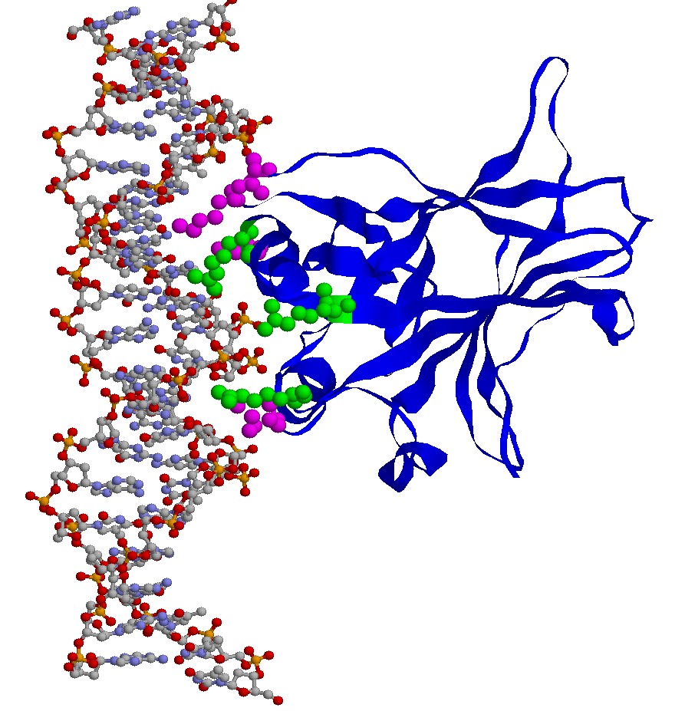

Crystal structure of p53 complexed with target DNA (PDB ID: 1tsr). Ribbon diagrams were displayed with RasMol (rasmol.org/). DNA is shown as a ball-and-stick model; cyan: nitrogen atoms; gray: carbon atoms; red: oxygen atoms; yellow: phosphate atoms. DNA-contact residues are as spacefill models; Arg248, Arg273, Arg280 are in green; additional contacts Ala119, Lys120, Met243 and Cys277 are in magenta.

Table S4B
Table S4B. Ha-Ras structure and main mutation sites.

(i) Side view | (ii) Top view

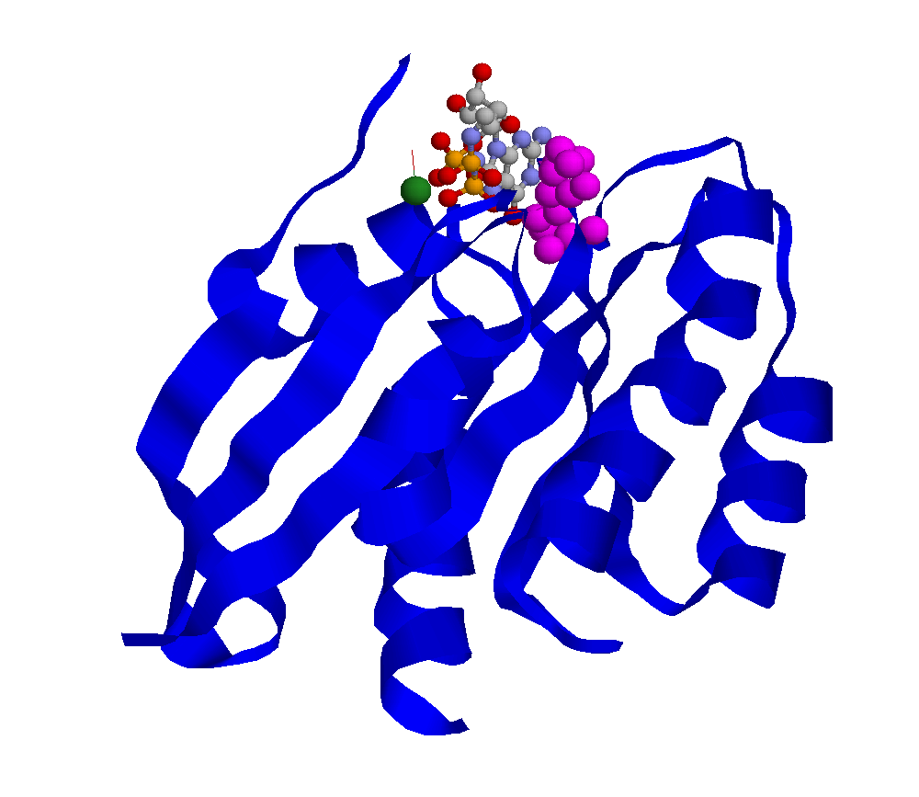
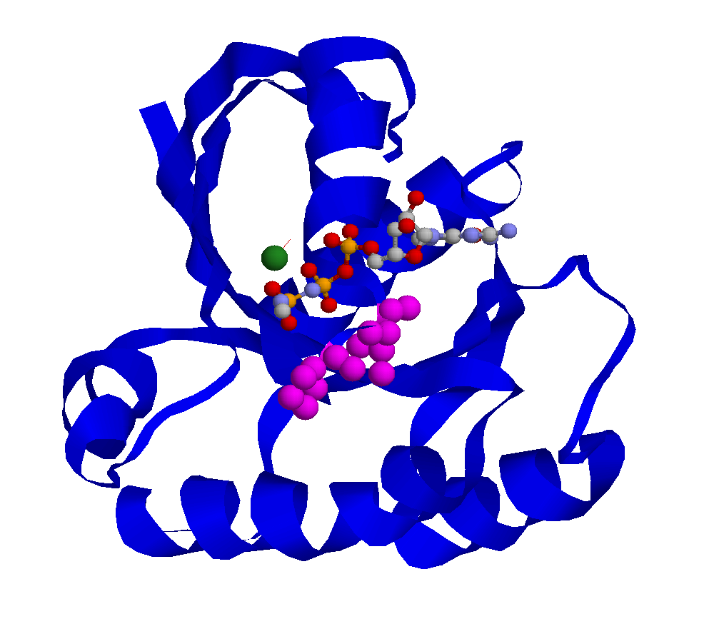

Crystal structure of Ha-Ras complexed with diaminobenzophenone-beta,gamma-imido-GTP (PDB ID: 1clu). Ribbon diagrams were displayed with RasMol (rasmol.org/). The diaminobenzophenone-beta, gamma-imido-GTP is shown as a ball-and-stick model; cyan: nitrogen atoms; gray: carbon atoms; red: oxygen atoms; yellow: phosphate atoms. An Mg++ atom is depicted as spacefill model in green. The mutations identified in this study are as spacefill models in magenta (Guanosine triphosphatase stimulation of oncogenic Ras mutants. Ahmadian MR,et al. Proc. Natl. Acad. Sci. U.S.A. 96 7065-70, 1999)

