First Order Factor Model
Additional file 3 (.xls) - Assessment of the validity and reliability of the PMHQ-SF18
Validity and reliability indicators are expressed. The file is divided into 7 sections: Item Sensitivity, Confirmatory Factor Analysis (CFA), First Order Factor Model, Second Order Factor Model, Convergent and Divergent Validity, Internal Consistency and Temporal Stability.

First Order Factor Model
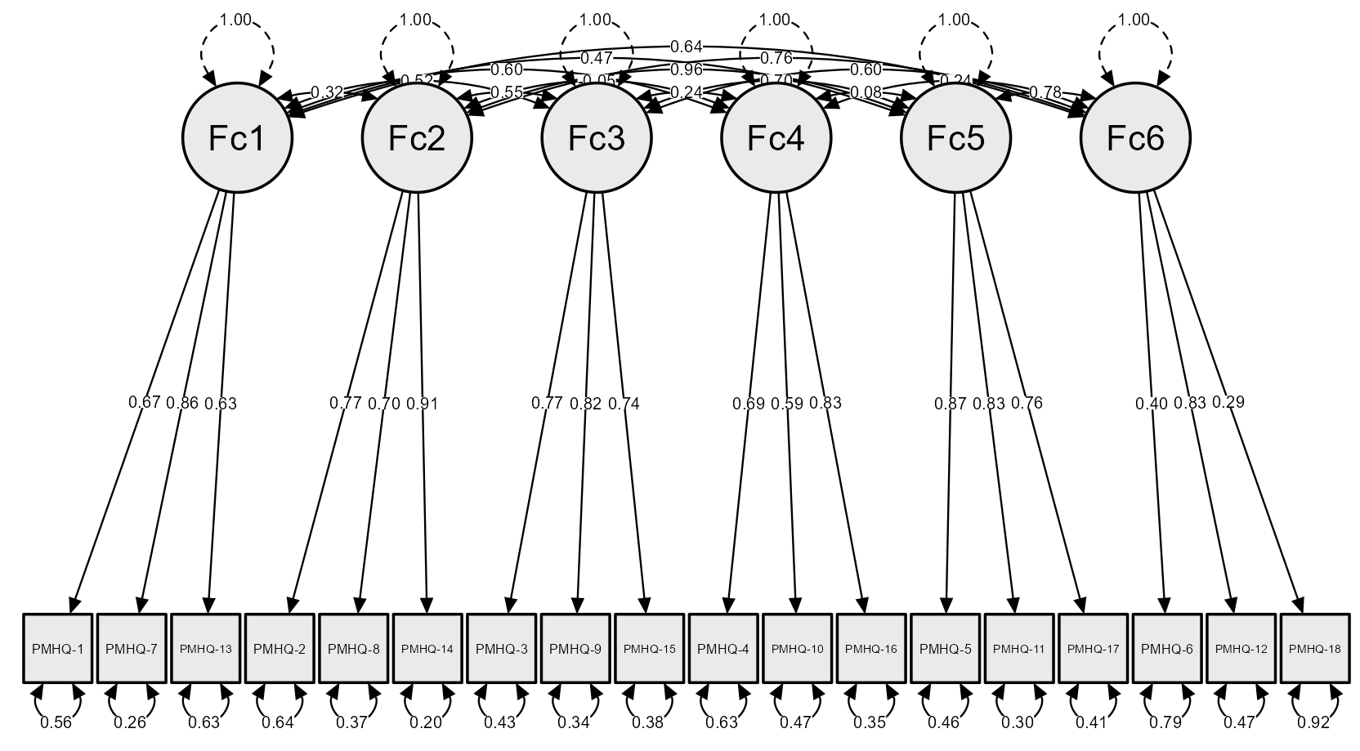

 | Legend
 | Fc1 | Factor 1 | Personal Satisfaction
 | Fc2 | Factor 2 | Prossocial Attitude
 | Fc3 | Factor 3 | Self-Control
 | Fc4 | Factor 4 | Autonomy
 | Fc5 | Factor 5 | Problem Solving and Self-Realisation
 | Fc6 | Factor 6 | Interpersonal Relationship Skills

