Sheet1
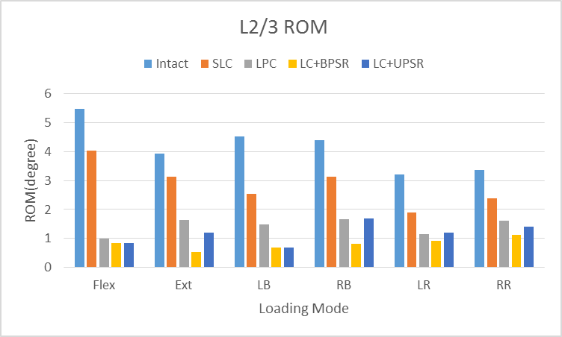
Unit：Mpa | Flex | Ext | LB | RB | LR | RR
Intact | 3.59 | 2.49 | 2.80 | 2.71 | 4.03 | 4.30
SLC | 2.34 | 2.20 | 2.09 | 2.42 | 1.28 | 1.07
LPC | 1.47 | 1.90 | 1.57 | 2.18 | 1.22 | 1.24
LC+BPSR | 0.52 | 0.23 | 0.43 | 0.50 | 0.48 | 0.39
LC+UPSR | 0.53 | 1.20 | 0.45 | 1.49 | 1.01 | 0.57
 | 0.85411264287 | 0.90614708844 | 0.84739562854 | 0.81613166577 | 0.88126643226 | 0.90929576073 | BPSR
 | 0.85365006542 | 0.51900957624 | 0.83772337618 | 0.45010746541 | 0.75071490443 | 0.86831019091 | UPSR
 | 0.59213429677 | 0.23919822552 | 0.43831263305 | 0.19471716099 | 0.69702273 | 0.71094106904 | LPC
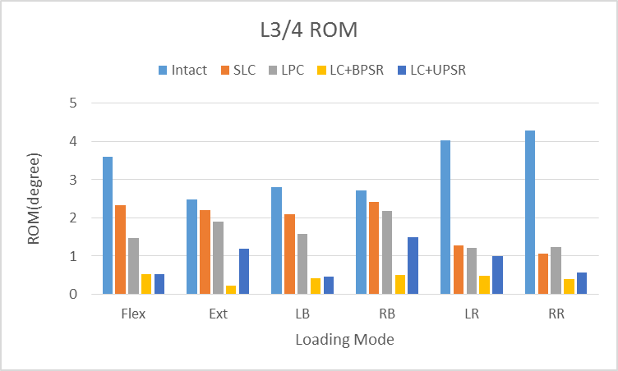
 | 0.34840383352 | 0.11631248475 | 0.25388409227 | 0.10592251873 | 0.68324457942 | 0.75067333907 | SLC

L2/3 | Flex | Ext | LB | RB | LR | RR
Intact | 5.49 | 3.95 | 4.53 | 4.39 | 3.20 | 3.37
SLC | 4.03 | 3.13 | 2.55 | 3.13 | 1.89 | 2.38
LPC | 1.00 | 1.65 | 1.49 | 1.67 | 1.16 | 1.61
LC+BPSR | 0.83 | 0.53 | 0.69 | 0.80 | 0.91 | 1.12
LC+UPSR | 0.84 | 1.21 | 0.67 | 1.70 | 1.19 | 1.41
 | 0.84899104769 | 0.86464484349 | 0.84829002648 | 0.81731584934 | 0.71513143785 | 0.6668216965 | BPSR
 | 0.84638384893 | 0.69333824227 | 0.85195635084 | 0.61363801684 | 0.62709416864 | 0.58293276586 | UPSR
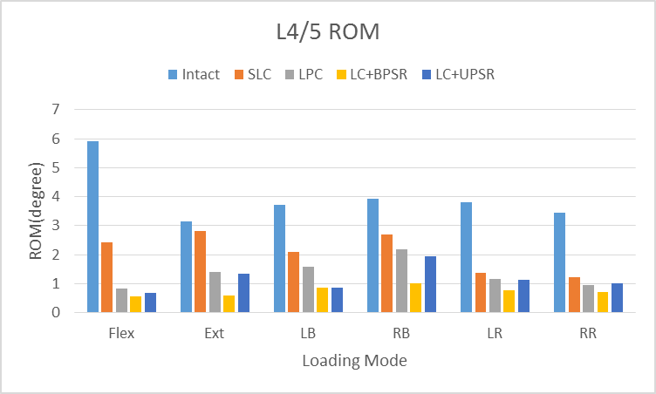
 | 0.81739179869 | 0.58197007552 | 0.67104220741 | 0.62094016705 | 0.63765148345 | 0.52332747303 | LPC
 | 0.26570854059 | 0.20667657831 | 0.43842024801 | 0.28817075057 | 0.41129549656 | 0.29458579372 | SLC
L4/5 | Flex | Ext | LB | RB | LR | RR
Intact | 5.91 | 3.13 | 3.71 | 3.93 | 3.80 | 3.44
SLC | 2.41 | 2.82 | 2.09 | 2.70 | 1.36 | 1.23
LPC | 0.81 | 1.40 | 1.59 | 2.19 | 1.17 | 0.95
LC+BPSR | 0.55 | 0.60 | 0.85 | 0.99 | 0.75 | 0.70
LC+UPSR | 0.69 | 1.35 | 0.87 | 1.94 | 1.13 | 1.01
 | 0.90751388979 | 0.80895305999 | 0.77032287069 | 0.74705289313 | 0.80163362618 | 0.79545549433 | BPSR
 | 0.88292529101 | 0.56872752967 | 0.7655379305 | 0.50635221679 | 0.70358008833 | 0.70610271923 | UPSR
 | 0.86207105536 | 0.55263936631 | 0.57151632328 | 0.44380794656 | 0.69258483754 | 0.72343982485 | LPC
L2-L5 ROM
 | 0.5923239421 | 0.10054944352 | 0.43630317457 | 0.31419989008 | 0.64303089905 | 0.64208879081 | SLC

overall | Flex | Ext | LB | RB | LR | RR
Intact | 14.99 | 9.57 | 11.04 | 11.03 | 11.04 | 11.11
SLC | 8.78 | 8.15 | 6.72 | 8.25 | 4.52 | 4.68
LPC | 3.28 | 4.95 | 4.65 | 6.03 | 3.55 | 3.80
LC+BPSR | 1.90 | 1.37 | 1.97 | 2.30 | 2.15 | 2.22
LC+UPSR | 2.06 | 3.76 | 1.99 | 5.13 | 3.33 | 2.98
 | 0.87327512681 | 0.8572154186 | 0.82184846679 | 0.79199954137 | 0.80564051431 | 0.80042433231 | BPSR
 | 0.86252141633 | 0.60715384935 | 0.81929506701 | 0.53526122656 | 0.69861797821 | 0.73144221721 | UPSR
 | 0.781027857 | 0.48312867426 | 0.5786371375 | 0.45316603094 | 0.67827326449 | 0.65782312577 | LPC
 | 0.41420174868 | 0.14840351504 | 0.39097263315 | 0.25267928186 | 0.5905107367 | 0.57854578846 | SLC

