Sheet1
supplementary table S1: Codes extracted from selected sources (output of MAXQDA software)
Document name | Code | Segment
zenty2014 | Board Member\clinical coordinator | ACO clinical care coordinators:
zenty2014 | Board Member\tecnologist | Technology and processes
zenty2014 | Board Member\president | ACO president
zenty2014 | Board Member\director of operation | ACO director of operation
zenty2014 | Board Member\medical director | ACO medical director
zenty2014 | Board Member\patient navigation | Patient navigators
zenty2014 | Board Member\social works | Social worke
zenty2014 | Board Member\clinical dietitian | al dietitians
zenty2014 | Board Member\network adminatrator | Network administrator
zenty2014 | accountability plan\reporting | Reporting and data
vaughn2014 | Board Member\Chief executive office | Chief executive office
vaughn2014 | Board Member\Chief medical officer | Chief medical officer
vaughn2014 | Board Member\Chief financial officer | Chief financial officer
vaughn2014 | Board Member\Chief nursing officer | Chief nursing officer
Alhothaly 2022 | Board Member\Patients’ perceptions on accountabilit | Patients’ perceptions on accountabilit
vian 2020 | accountability types\difination of accountability | Accountability is a public value that requires government institutions to explain and make understandable their performance in achieving goals and addressing the needs of the public, in comparison to standards and commitments. It requires visible, responsive action if standards and commitments are not me
vian 2021 | accountability types | financial, perfor- mance, and political.
vian 2022 | accountability types\financial accountability | Financial accountability assures proper allocation and use of resources through budget/ accounting controls and participatory budget processes
vian 2023 | accountability types\performance accountability | Performance accountability examines the degree to which outputs align with pre-determined performance targets
vian 2024 | accountability types\political accountability | Political/democratic accountability monitors the degree to which governments and institutions deliver on promises, act in the best interest of citizens, and respond effectively to societal needs
vian 2020 | accountability types\difination of accountability | 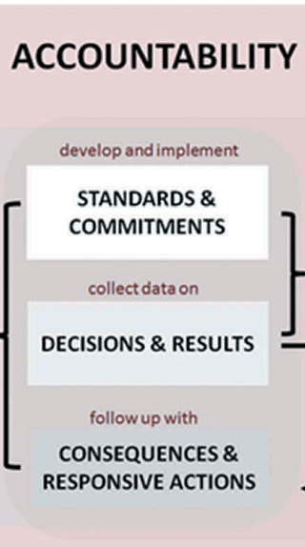
uddin2019 | accountability plan\report line | The president/CEO was supposed to directly report managerial and business conditions to the citizens
uddin2019 | Board Member\Chief executive office | president/CEO
uddin2019 | Board Member\Board of Trustees | corporate board
uddin2019 | accountability types\financial accountability | was also needed the board to approve the budget
uddin2019 | Board Member\board member contition | the mayors, one academic, and two physician representatives from the regional physicians’ association. The advisory committee was to meet twice per year
uddin2019 | governance structure | 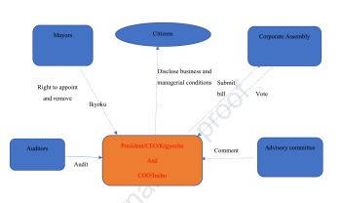
szekendi2014 | Board Member\Chief nursing officer | High performers also were more likely to have nurses as voting members
szekendi2014 | Board Member | Forty-four percent of high-perform- ing hospital boards have at least one nurse as a voting member, compared with 11% (only 1 of 9) of low-per- forming hospital boar
szekendi2014 | accountability plan\report line | However, for a related practice indicator, stating that the board regularly receives written reports on hospital perfor- mance related to established measures and standards for the quality of patient care, an upward pattern was seen
rosen2017 | governance structure | 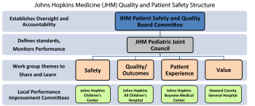
reich2018 | for introdaction | “A wide range of actors agree that transparency and account- ability are key to all manner of ‘good governance
reich2018 | accountability types\difination of accountability | Transparency is a necessary but not sufficient condition of accountability.”
reich2018 | accountability types | accountable if the board does not receive accurate and timely information on key performance indicators. I
rechel 2018 | governance structure | Hospital boards, consisting of medical, nursing and administrative directors
rechel 2018 | governance structure | ndependent hospital trusts managed by a board of directors
rechel 2018 | governance structure | Executive board elected by the respective hospital district counc
rechel 2018 | governance structure | Hospital boards, mostly consisting of selected experts
rechel 2018 | governance structure | Hospital boards, consisting of professionals and elected representatives
rechel 2018 | governance structure | Public hospitals owned by local health authorities are under direct managerial control of the local health authorities and the respective regional government; public hospital enterprises are quasi- independent public agencies
rechel 2018 | governance structure | Hospital board and Chief Executive Officer
rechel 2018 | governance structure | NHS boards, comprising a non-executive chair, non-executive directors, and around six executive directors
rechel 2018 | governance structure | and b) Hospital board, composed of officials especially from the health sector and policy-makers from the region c) Governing body, with equal representa- tion of public and private entities forming the consortium d) Board of directors, composed of com- pany representatives, plus a representa- tive of the health administration (with voice but without vote)
rechel 2018 | governance structure | Hospital boards are appointed by the respective county council and under their direct political control
pronovost2018 | Board Member\good governance | Organizations with good governance perform better (Millar et al., 2013), not just in their finances, but in the products and services they deliver
nyland2015 | Board Member\Board of Trustees | Hospital enterprise boards
nyland2015 | Board Member\Chief medical officer | Professional boards
nyland2015 | Board Member\Board of Trustees | the hospital boards were expected to be the state’s main instrument to manage and control the hospitals
nyland2015 | accountability types\difination of accountability | where boards are accountable to the hospital owner (vertical accountability)
nyland2015 | accountability plan\report line | In the years to come, several contextual changes altered the functions of the boards. Increasing hospital budget deficits were threatening the legitimacy of the boards, which created a trade-off between the discretion given to the hospital boards and the need for the principal (the Ministry) to secure the implementation of national health politics.
nyland2015 | accountability plan\report line | . After this governmental decision, the practices of the boards changed towards a stakeholder perspective:
nyland2015 | accountability types\performance accountability | The autonomy left to the boards was reduced, as the hospitals gradually reported more directly to the Ministry, based on an increasing number of detailed performance measures. Accountability was changed from policy accountability towards performance accountability
nyland2015 | accountability types | As the government introduced a law to regulate the composition of the hospital boards, increasing budget deficits in the hospitals weakened the legitimate standing of the hospital boards. The Ministry had to react to political signals (accountability), and hybrid controls then emerged to balance the changes in political conditions
mutiganda2013 | multi-level governance\gap | In this setting, the gap between managerial identity accountability (i.e., to comply with governance policies issued by the 564 political institution in the real domain of reality) and the identity accountability of medical professionals in their empirical 565 domain of reality leads to accountability tensions.
mutiganda2013 | Board Member\Chief medical officer | During the budgetary year, therefore, hospital executives use informal meetings with medical professionals as a way of 574 monitoring their identity accountability. In these informal meetings, however, the use of institutionalised budgetary 575 information, as a tool of governance and accountability, cannot be taken for granted. The head of the surgery clinical group at 576 Omega Hospital explained:
mutiganda2013 | multi-level governance\gap | The study found that institutional actors had different patterns of thinking and doing at different organisational levels in 619 both hospital districts, and different accountability perspectives in the actual and empirical domains of reality. These 620 differences are caused by how governance policies from the real domain of reality interact with accountees’ ways of thinking 621 and doing in the empirical and actual domains of reality
mutiganda2013 | decentralized\budgetary | The main contribution of this study is to extend the Burns and Scapens (2000) conceptual framework by showing that the 627 intra-institutional change process does not lead to taken-for-granted ways of thinking and doing on the part of institutional 628 actors when they act in a world of realities in which institutionalised policies of governance and budgeting lead to different 629 patterns of accountability.
mattei2013 | multi-level governance | multi-level governance
mattei2013 | Board Member\financing system | financing system
mattei2013 | accountability types\political accountability | Regional politicians held accountable by technical committee emphasizing professional accountability norms, and working within a mandate from national polit- icians (
mattei2013 | decentralized | decentralized
mattei2013 | Board Member\Board of Trustees | regional health trusts
mattei2013 | Board Member | government-appointed professional committee, with final approval by national-level politicians
mattei2013 | accountability types\financial accountability | The transformations in the loci of governance have been complemented by a greater need to control costs, with economization and corporatization impacting hospital planning and funding processes.
mannion 2017 | Board Member\board size | board size
mannion 2017 | Board Member\board size | were between ten and fifteen in size
macdonald2014 | Board Member\user governors in Trust | user governors in Trust
macdonald2014 | Board Member | In Trust A, however, relationships between service user governors and trust management were described in more negative terms, and communication appeared poor.
kuhellman 2019 | governance structure | 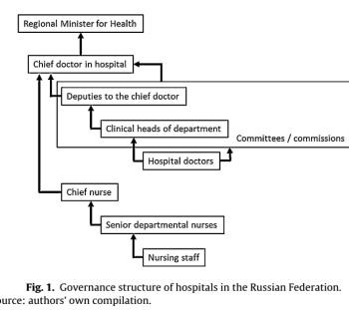
kuhellman 2019 | decentralized | Historically, hospitals in Russia were subordinate to the corre- sponding tier of government, at the federal, oblast, city and rayon levels
kuhellman 2019 | Board Member\user governors in Trust | he oblast ministry is accountable to the elected oblast governor
kuhellman 2019 | accountability plan\report line | chief physician, who is accountable only to the regional Minister of Health
kuhellman 2019 | accountability plan\report line | The chief physi- cian must, obviously, be medically qualified, and have completed her or his professional training in a medical specialty
kuhellman 2019 | multi-level governance | The chief physician has considerable autonomy in deciding how the hospital is organised and managed, including internal gover- nance structures, and employment
kuhellman 2019 | Board Member\Chief medical officer | The chief physician has considerable autonomy in deciding how the hospital is organised and managed, including int
kesale 2022 | accountability types\financial accountability | 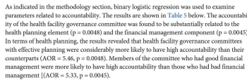
kaini 2013 | for introdaction | A clear line of responsibility and accountability for the effective and eficient delivery of healthcare is required at all levels. The lack of accountability in the health services is one of the contributory factors for failure of effective and eficient health services in Nepal. Professional accountability of policy makers, healthcare managers and professionals has been focused to improve the quality of care and access in health services in Nepal. The healthcare governance ensures that the service providers are liable, responsible and answerable to tax payers, service users and all stakeholders. It is important to note that accountability is the basic ingredient of professional code of conduct and a fundamental aspect of professionalism of healthcare professionals, and is clearly linked with improving performance, quality of care and professional development.
kaini 2013 | Board Member\user governors in Trust | Service users’ involvement in the planning, management and delivery of health services helps to promote openness and public engagement.
kaini 2013 | for introdaction | The healthcare governance is a framework for improving quality of care and access by increasing accountability and promoting transparency for the excellent outcomes of healthcare, shared learning and sharing
jones 2017 | Board Member\board member contition | It was notable that the boards of organisations with high QI maturity had a higher number of clinicians on the board (three or more) than other organisations.
jones 2017 | Board Member\board member contition | Moreover, in these organisations the medical director and the director of nursing had an extended role that included an additional corporate function, such as ‘director of governance.’
jiang2012 | governance structure | board’s responsibility for the hospital’s quality
jiang2012 | multi-level governance | board quality committee,
jiang2012 | governance structure | The findings from this analysis suggest that hospital gov- erning boards were engaged in quality oversight by adopting various practices. Consistent with the agency theory per- spective, these practices appear to aim at enhancing the accountability of the board, management, and the medical staff.
jiang2012 | for introdaction | With little doubt, hospitals will be facing higher expecta- tions and more pressures in the coming years for delivering better quality of care and safety. It is imperative for hos- pital governing boards to take actions to strengthen their leadership and oversight function for quality
jha2013 | decentralized | Second, the English health care system is more centralized, with the UK government having more formal control and oversight than the US government. This centralization may facilitate closer attention to quality issues.
jha2013 | multi-level governance | boards pay close attention to the key metrics of care; and hold managers accountable for the delivery of safe, effective health care.
jha2013 | Board Member\board member contition | We found boards of directors of English hospitals to be far more expert and engaged in quality issues than their US counterparts. However, there were still areas for improvement, with many English boards lacking expertise and train- ing in assessing and improving the quality of care that their hospitals provide.
goeschel2010 | Board Member\board shuldes | Boards should routinely hear stories of harm that occurred at the hospital, putting a face on the problem of quality and patient safet
goeschel2010 | Board Member\board shuldes | Boards should base compensation for the CEO on achievement of measurable improvement targets for key responsibilities including quality of care and patient safety.
goeschel2010 | Board Member\board shuldes | boards should identify specifi c, measur- able, valid quality indicators consistent with stra- tegic goals and hospital services, and review performance against the indicators no less than quarterly. Such review should include
goeschel2010 | accountability plan\report line | Regular quantitative measurement against benchmarks. b. Reported compliance with rigorous data qual- ity standards. c. Performance transparency. i. Weekly or monthly reports of harm. ii. Sentinel event and claims review for qual- ity and safety problems.
goeschel2010 | accountability types\performance accountability | Methods for active intervention to improve care. i. Survey of quality and safety culture. ii. Use of survey results to shape improve- ment efforts. iii. Routine mechanism to tap the wisdom of bedside caregivers.
goeschel2010 | Board Member\board shuldes | boards should obtain continuous education on quality and patient safety standards, the growing body of empirical literature examining board effec- tiveness for quality and patient safety, and emerging national expectations for quality and safety performance in hospitals
goeschel2010 | Board Member\board shuldes | Boards should have a separate quality and patient safety committee that meets regularly and reports to the full board
goeschel2010 | Board Member\board shuldes | Boards should ensure the existence and annual review of a written quality improvement and patient safety plan that refl ects systems thinking, contains valid empirical measures of perfor- mance, and is consistent with national, regional, and institutional quality and safety goals
goeschel2010 | accountability types\performance accountability | Boards should have an auditing mechanism for quality and safety data, just as they do for fi nan- cial data
goeschel2010 | Board Member\board shuldes | Boards should have an auditing mechanism for quality and safety data, just as they do for fi nan- cial data
goeschel2010 | Board Member\board shuldes | 6 Boards need to hold CEOs
goeschel2010 | Board Member\board member contition | medical staff leaders accountable for improvements on both kinds of measures and ensure that the institution has the resources and will to improv
goeschel2010 | Board Member\board member contition | New board struc- tures, board education, and performance reports are necessary but likely not suffi cient to accomplish the desired improvement. Many boards are fi nding that this challenge requires a new level of collaboration with the organization’s medical staff in shared efforts to improve care
goeschel2010 | for introdaction | Hospital boards face increased accountability for the quality and safety of care in their organizations. Many boards are responding admirably, and all of them can do so if they and their medical staffs are willing to adapt
goeschel2010 | Board Member | Boards must engage their medical staffs by becom- ing more involved in and educated about the quality of care provided in their institutions and by inviting physicians to join the governing body. Medical staff members should understand the unique duties of boards, which may help soften the inevitable confl icts that arise when boards and physicians embrace diver- gent goals or strategies.
goeschel2010 | Board Member\board member contition | Board members must be suffi ciently educated in quality and safety management and measurement
gelengard 2019 | Board Member\Board of Trustees | importance of trust
gelengard 2019 | Board Member\board member contition | good relations, which require meetings and dialogue
gelengard 2019 | accountability plan\report line | rust is not about absence of control. From the perspective of the principal, govern- ance models reflecting trust involves a large use of dialogue but potentially also a large use of PMS.
gelengard 2019 | Board Member\user governors in Trust | selected by pur- chasers and provider together
gelengard 2019 | decentralized | wedish county councils
gelengard 2019 | for introdaction | Governance models are continuously changing as changes in healthcare systems occur.
george 2016 | accountability types | 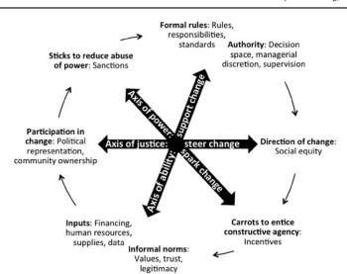
fayed2021 | Board Member\board size | The board size in the centralized boards was 20, 10 and 9 in MOHP, HIO and University hospitals, respectively. Governing boards' size in private hospitals exhibited wide variation with a range of 2 up to 20 members and a mean of 9.2
fayed2021 | Board Member\board member contition | . There were no outsiders or medical staff in the MOHP and HIO's boards. The board in University hospital has two thirds of its members outsiders and one thirds medical staff. In private hospitals, 21 of the hospitals (21.9%) had outsiders in the board with a range of one to five outsiders and all hospitals had medical staff with a ranged of two to 13 members.
fayed2021 | Board Member\board member contition | r financial expertise in University board
fayed2021 | decentralized | different activities as approval of annual budget, development of new sources of revenue, approval of policies and procedures…etc. As for provate hospital boards, all hospital boards approve annual budget and approve policies and procedures, whereas only 6 hospitals (8.3%) fundraise for the hospital and 30 hospitals (41.7%) were involved in outsourcing activities (Table 5).
fayed2021 | decentralized | 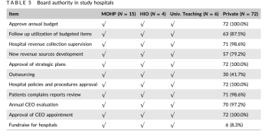
dixon2010 | accountability types\difination of accountability | Accountability has been described as the process of ‘being called to account to some authority for one’s actions’.11 A more precise definition is ‘a relationship between an actor and a forum, in which the actor has an obligation to explain and to justify his or her conduct, the forum can pose questions and pass judg- ment, and the actor may face consequences’ (emphasis added).12 Similar definitions have been put forward elsewhere
dixon2010 | accountability types | 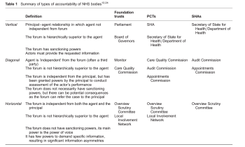
dixon2010 | decentralized | Vertical accountability to the Department of Health via SHAs has been removed and has been replaced with accountability to a Board of Governors. W
dixon2010 | decentralized | these are both vertical relationships, there are clear differences between accountability to a Board of Governors, which is more akin to the account- ability that a board of a company has to its shareholders, and old-style parliamentary accountability
dixon2010 | accountability plan\report line | 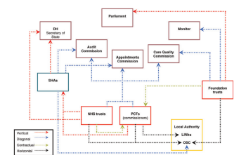
dixon2010 | accountability types\political accountability | FTs are not directly accountable to the Secretary of State and are therefore not overseen by SHAs or the Department of Health.
dixon2010 | commitees\Community Advisory Pane | Direct engagement with members varies between trusts and mechanisms to support engagement between governors and members (and therefore the ability of the former to represent the latter’s views) are still in their infancy.7 Local Involvement Networks (LINks) replaced patient forums in April 2008
geyndt2017 | decentralized | 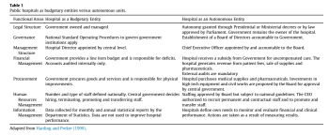
geyndt2017 | Board Member\board type | Boards of Directors and their Presidents are appointed by the Council of Ministers in Lebanon; the Chair of the Board in Tunisia represented the Minister of Health and was selected from the higher levels of MOPH staff; The country's President appointed the initial Board President and Board members in the Dominican Republic; the eleven Board members in Kenya were appointed by MOH and the chairperson was chosen by the President of the country; the Chairs of the Boards of the 54 university owned hospitals in Iran were the chancellors of the affiliated medical universities; Board members of the National Heart Institute in Malaysia are appointed by the Ministry of Finance who owns all the shares of this corporate entity; and The hospital director e an employee of the provincial govern- ment - was the chair of the Board in Pakistan.
geyndt2017 | decentralized | Central levels resist devolving authority. Granting full autonomy means a loss of control and is a non-zero-sum game: there are winners and losers. The central levels justify their resistance on grounds of the hospital's financial dependency on the state budget even when the government is not the largest payer (Tunisia). Key constituencies of the autonomous hospital may not be able to reach critical decisions or define priorities. This then provides an oppor- tunity for MOH to make decisions unilaterally.
geyndt2017 | decentralized | Government remains the major source of financing of autono- mous public hospitals except in two of the six Dominican Republic hospitals. Financing issues include irregular and late payments for health services provided to government referred patients or to civil servants (Lebanon, Ecuador). Payments are made on a timely basis in the Malaysia case where two thirds of patients are referred by the government. Delegating authority to autonomous hospitals to procure pharmaceuticals, medical equipment and supplies, and civil works encounters resistance. The procurement process of civil works and of large equipment can be opaque and subject to rent seeking behavior. Pharmaceuticals and medical supplies in most developing countries are procured by Central Medical Stores that guard their privilege jealously. Some countries have privatized this task (Malaysia) as buying and distributing pharmaceuticals are essentially a commercial operation; others have moved to trans- parent online purchasing procedures (Chile, Belize, Mexico).
geyndt2017 | decentralized | . Gradualism. Start small. Large scale hospital autonomy pro- grams involving all public facilities have not a5chieved their ob- jectives (Tunisia, Pakistan, Iran, and Lebanon). More positive results have been obtained with starting on a small scale with one hospital (Malaysia), two hospitals and scaling up to six (Dominican Re- public) meanwhile applying lessons learned. 2. Legal Framework: A legal basis for granting autonomy is a necessary but not a sufficient condition. A legal framework is one of the seven parameters in Table 1 but it enables meeting the other six conditions. Ministerial decrees are the weakest legal basis as frequent turnover of ministers of health may repeal a decree or superimpose a new decree. 3. Governance. (i) Board of Directors. Define the role and functions of the Board. The Board should include a diversity of skills (legal, financial, medical), should represent the community served and own the mission and values of the institution. Two strategies have been observed: (a) A higher authority appoints the Board President. This strengthens the informal power of the Board President; and (b) the election of the Board President by its members making it a cohesive group to steward resources, engage stakeholders and cultivate accountability. A country's history and culture may determine which strategy is fol- lowed and both could be effective. (ii) Organize orientation and training workshops to familiarize Board members with their role, functions and responsibilities. (iii) Define the role of the Ministry of Health. Ensure that it ac- cepts and fulfills its oversight role of policy implementation without interference in day to day management. This in- volves delegating the authority held for many years on financial and staffing matters. Most autonomy efforts have failed for not defining and separating the respective roles of MOH and the hospital's governance and management team. This role definition also applies
botje 2013 | governance structure\structure in cunteries | In the decentralised health care system,the governmen- tal inference gradually decreased since the 80s, requiring internal oversight bodies,the boards oftrustees,to increas- ingly challenge and support hospital management boards. Dutch hospitals are private, non-profit organisations and their governance structure reflects a “two-tier model” that is similar to a corporate model. This means that the role of the trustees is more at arm’s length and independent, and that they primarily oversee and evaluate the management board.
botje 2013 | for introdaction | We found that trustees and hospital management boards are reasonably orientated towards quality. Receiv- ing and reviewing information about quality performance should provide insights and opportunities to improve qual- ity. However, we were not able to find a linear relationship between quality orientation and hospital performance.
bonde2018 | for introdaction
austin2017 | accountability plan\Audit report: | Audit report:
austin2017 | accountability types\accountablity component | The four components that we identified as key to this effort are board governance, an accountability plan, use of a con- solidated quality performance statement, and auditing.
austin2017 | Board Member\good governance | Board governance supports success by ensuring that goals are clearly defined for those carrying out quality improvement work and by holding organizational leaders accountable for perfor- mance
austin2017 | accountability plan | accountability plan
austin2017 | accountability plan\on- solidated quality | The use of a con- solidated quality statement supports success by summarizing performance on key measures, providing greater focus to the board and leadership on those issues that require their at- tention, and allowing for more focused education for the board and nonclinical leadership on what the measures mean and why they are important
austin2017 | accountability plan\Audit report: | the audit supports success by ensuring that the data being used to track and measure the system’s performance are as accurate as possible.
askim2015 | decentralized | semiautonomous
askim2015 | decentralized | autonomy
conner 2015 | accountability types\accountablity component | a person has ‘ responsibilities ’ , meaning obligations, roles, duties; • someone or something is ‘ responsible ’ for the occurrence of an event, i.e. they caused or contributed in some critical way to the event that happened, and consequently may be worthy of praise or blame; • a person is said to be ‘ responsible ’ , meaning reliable, dependable;
Pascal 20150 | accountability types\accountablity component | First, the evolution of institutional spending is now under control. The growth in consumption of hospital care has continued to slow since 1970. It is now less than 3% per year, and proportionally lower than the growth of total health expenditures. The annual expenditure ceilings set by Parliament, which were regularly exceeded between 1997 and 2010, are now met.
al mubarak 2021 | for introdaction | now have the role of monitoring and legislating, while giving the clusters the responsibility to provide medical services, operate and manage each cluster’s hospitals.
vian2020 | accountability types\difination of accountability | Experts note three elements of accountability: 1) answerability, or the obligation to justify one’s action; 2) enforcement, the consequences imposed if the action and justification are not satisfactory; and 3) responsiveness, the willingness of those held accountable to respond to demands made
Local Health Integration Network 2020 | accountability importance | stipulates accountability and performance obligations for planning, integration and delivery of programs and services.
Ahlin 2012 | Board Member\board member contition | Physicians, dentists and midwives are not Hospital employees and are instead given privileges to independently practice in the Hospital (on a predefined scope). This is in contrast to nurses and other allied healthcare workers who are hired under the CEO and work for the Hospital
World Health Organization 2012 | governance structure | multiple levels of governance
World Health Organization 2012 | governance structure | whole-of-government structures
Government of the Northwest Territories 2014 | accountability types\performance accountability | Performance Accountability - demonstrating and accounting for performance in light of agreed upon performance targets. Its focus is on the services, outputs, and results or outcomes of public agencies and programs. Performance accountability is linked to financial accountability in that the financial resources to be accounted for are intended to produce goods, services, and benefits for citizens, but it is distinct in that financial accountability‟s emphasis is on procedural compliance whereas performance accountability concentrates on results and in the case of a health and social services systems, health outcomes.
Government of the Northwest Territories 2014 | accountability types\political accountability | Political/Democratic Accountability - has to do with the institutions, procedures, and mechanisms that seek to ensure that government delivers on electoral promises, fulfills the public trust, aggregates and represents citizens‟ interests, and responds to ongoing and emerging societal needs and concerns. The political process and elections are the main avenues for this type of accountability.
Government of the Northwest Territories 2014 | accountability types\financial accountability | Financial Accountability - tracking and reporting on allocation, disbursement, and utilization of financial resources, using the tools of auditing, budgeting, and accounting. The operational basis for financial accountability begins with internal agency financial systems that follow uniform accounting rules and standards.
Healthcare Governance & Transparency Association 2014 | governance structure | Public and Private Hospitals
Healthcare Governance & Transparency Association 2014 | governance structure | The hospital understands itself as a self-governed autonomous body and acts within its corporate purpose and mission as set-up by the owners and other key stakeholders.
Health Service Executive 2016 | Board Member\Chief executive office | Chief Executive Officer
Health Service Executive 2016 | Board Member\Chief financial officer | financial management
Health Service Executive 2016 | accountability plan\report line | Accountable officers are responsible and accountable for the performance of the services they manage.
Health Service Executive 2016 | accountability plan\report line | a monthly performance management process

