DataFig 1C-D
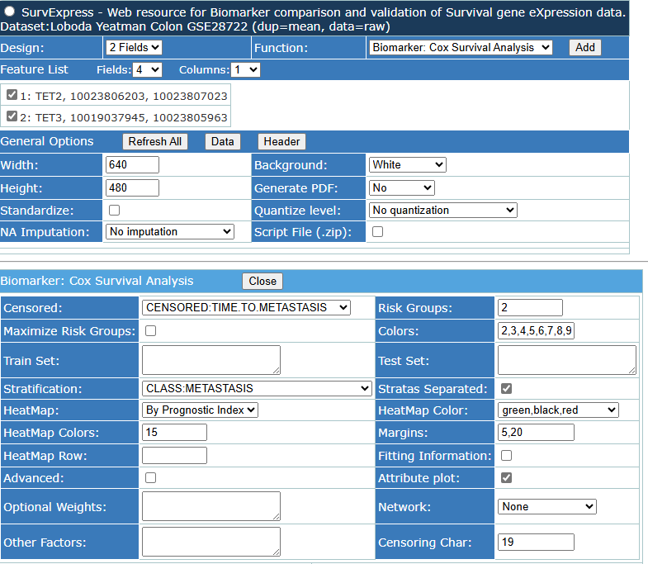
You are using the XLSTAT trial version. |  |  |  |  |  |  |  |  |  |  |  | Symbol Id | Beta | p Value
 |  |  |  |  |  |  |  |  |  |  |  | TET2:10023806203 | 4.437 | 0.02946228
XLSTAT 2023.3.1.1416 - Kaplan-Meier analysis - Start time: 19/03/2024 at 15:19:44 / End time: 19/03/2024 at 15:19:45 / Microsoft Excel 16.016731 |  |  |  |  |  |  |  |  |  |  |  | TET3:10019037945 | -3.258 | 0.09103269
Time data: Workbook = Data for survival curve.xlsx / Sheet = Sheet1 / Range = Sheet1!$B$4:$B$17 / 13 rows and 1 column |  |  |  |  |  |  |  |  |  |  |  | Sample | Name | Time | Status | Prognostic Index | Risk Rank | Risk Group
Event indicator: Workbook = Data for survival curve.xlsx / Sheet = Sheet1 / Range = Sheet1!$C$4:$C$17 / 13 rows and 1 column |  |  |  |  |  |  |  |  |  |  |  | 30 | GSM711600 | 1.2128679 | 1 | -0.1679 | 1 | 1-High Risk
Censoring indicator: Workbook = Data for survival curve.xlsx / Sheet = Sheet1 / Range = Sheet1!$D$4:$D$17 / 13 rows and 1 column |  |  |  |  |  |  |  |  |  |  |  | 16 | GSM711549 | 0.8651608 | 1 | -0.321 | 2 | 1-High Risk
Confidence interval: Greenwood |  |  |  |  |  |  |  |  |  |  |  | 1 | GSM711488 | 2.5833333 | 1 | -0.3484 | 3 | 1-High Risk
Significance level (%): 5 |  |  |  |  |  |  |  |  |  |  |  | 4 | GSM711499 | 1.5833333 | 1 | -0.3699 | 4 | 1-High Risk
 |  |  |  |  |  |  |  |  |  |  |  | 25 | GSM711577 | 1.9685147 | 1 | -0.4732 | 5 | 1-High Risk
 |  |  |  |  |  |  |  |  |  |  |  | 2 | GSM711493 | 1.9166667 | 1 | -0.49 | 6 | 1-High Risk
 |  |  |  |  |  |  |  |  |  |  |  | 19 | GSM711552 | 0.1587953 | 1 | -0.5339 | 7 | 1-High Risk
 |  |  |  |  |  |  |  |  |  |  |  | 32 | GSM711606 | 0.9774127 | 1 | -0.5346 | 8 | 1-High Risk
Summary statistics: |  |  |  |  |  |  |  |  |  |  |  | 20 | GSM711553 | 1.5797399 | 1 | -0.615 | 9 | 1-High Risk
 |  |  |  |  |  |  |  |  |  |  |  | 13 | GSM711538 | 2.3655031 | 1 | -0.6247 | 10 | 1-High Risk
Total observed | Total failed | Total censored |  |  |  |  |  |  |  |  |  | 33 | GSM711607 | 0.4599589 | 1 | -0.6381 | 11 | 1-High Risk
140 | 56 | 84 |  |  |  |  |  |  |  |  |  | 10 | GSM711531 | 0.5833333 | 1 | -0.6616 | 12 | 1-High Risk
 |  |  |  |  |  |  |  |  |  |  |  | 22 | GSM711555 | 0.9308693 | 1 | -0.6674 | 13 | 1-High Risk
 |  |  |  |  |  |  |  |  |  |  |  | 9 | GSM711527 | 1.7369863 | 1 | -0.7487 | 14 | 1-High Risk
Kaplan-Meier table: |  |  |  |  |  |  |  |  |  |  |  | 26 | GSM711578 | 1.24846 | 1 | -0.7571 | 15 | 1-High Risk
 |  |  |  |  |  |  |  |  |  |  |  | 5 | GSM711503 | 4.0833333 | 1 | -0.79 | 16 | 1-High Risk
Year | At risk | Failed | Censored | Proportion failed | Survival rate | Survival distribution function | Standard error of the survival function | Lower bound (95%) | Upper bound (95%) |  |  | 6 | GSM711521 | 0.25 | 1 | -0.8068 | 17 | 2-Low Risk
0 | 140 | 16 | 17 | 0.114 | 0.886 | 0.886 | 0.027 | 0.833 | 0.938 |  |  | 28 | GSM711592 | 0.3832991 | 1 | -0.8074 | 18 | 2-Low Risk
0.5 | 107 | 14 | 14 | 0.131 | 0.869 | 0.770 | 0.037 | 0.697 | 0.843 |  |  | 11 | GSM711533 | 2.6228611 | 1 | -0.8097 | 19 | 2-Low Risk
1 | 79 | 10 | 12 | 0.127 | 0.873 | 0.672 | 0.043 | 0.587 | 0.757 |  |  | 31 | GSM711602 | 3.4086242 | 1 | -0.8133 | 20 | 2-Low Risk
1.5 | 57 | 8 | 9 | 0.140 | 0.860 | 0.578 | 0.048 | 0.483 | 0.673 |  |  | 14 | GSM711547 | 4.128679 | 1 | -0.8335 | 21 | 2-Low Risk
2 | 40 | 3 | 8 | 0.075 | 0.925 | 0.535 | 0.051 | 0.435 | 0.634 |  |  | 8 | GSM711525 | 2.279452 | 1 | -0.8718 | 22 | 2-Low Risk
2.5 | 29 | 2 | 7 | 0.069 | 0.931 | 0.498 | 0.054 | 0.393 | 0.603 |  |  | 18 | GSM711551 | 0.8295688 | 1 | -0.9067 | 23 | 2-Low Risk
3 | 20 | 1 | 6 | 0.050 | 0.950 | 0.473 | 0.056 | 0.362 | 0.584 |  |  | 24 | GSM711576 | 1.9247091 | 1 | -0.9131 | 24 | 2-Low Risk
3.5 | 13 | 1 | 5 | 0.077 | 0.923 | 0.437 | 0.063 | 0.314 | 0.559 |  |  | 7 | GSM711522 | 0.25 | 1 | -1.017 | 25 | 2-Low Risk
4 | 7 | 0 | 3 | 0.143 | 0.857 | 0.374 | 0.079 | 0.220 | 0.529 |  |  | 12 | GSM711537 | 3.5838467 | 1 | -1.0204 | 26 | 2-Low Risk
4.5 | 3 | 0 | 1 | 0.143 | 0.857 | 0.374 | 0.079 | 0.220 | 0.529 |  |  | 3 | GSM711498 | 1.0833333 | 1 | -1.0987 | 27 | 2-Low Risk
5 | 2 | 0 | 1 | 0.143 | 0.857 | 0.374 | 0.079 | 0.220 | 0.529 |  |  | 15 | GSM711548 | 1.2073922 | 1 | -1.3407 | 28 | 2-Low Risk
5.5 | 1 | 0 | 1 | 0.143 | 0.857 | 0.374 | 0.079 | 0.220 | 0.529 |  |  | 21 | GSM711554 | 0.7091034 | 1 | -1.4045 | 29 | 2-Low Risk
6 | 0 | 0 | 0 | 0.143 | 0.857 | 0.374 | 0.079 | 0.220 | 0.529 |  |  | 27 | GSM711591 | 4.2327173 | 1 | -1.4778 | 30 | 2-Low Risk
 |  |  |  |  |  |  |  |  |  |  |  | 17 | GSM711550 | 3.9342916 | 1 | -1.8024 | 31 | 2-Low Risk
 |  |  |  |  |  |  |  |  |  |  |  | 29 | GSM711597 | 1.0403833 | 1 | -2.1427 | 32 | 2-Low Risk
Mean survival time: |  |  |  |  |  |  |  |  |  |  |  | 23 | GSM711573 | 5.8836413 | 1 | -2.272 | 33 | 2-Low Risk

 |  |  |  |  |  |  |  |  |  |  | Summary Result
 |  |  |  |  |  |  |  |  |  | Biomarker | TET2, TET3
 |  |  |  |  |  |  |  |  |  | Database | Colon - Loboda Yeatman Colon GSE28722
 |  |  |  |  |  |  |  |  |  | Genes | 2
 |  |  |  |  |  |  |  |  |  | CI | 0.5787476
 |  |  |  |  |  |  |  |  |  | Log.Rank | 0.1092815
 |  |  |  |  |  |  |  |  |  | Hazard.Ratio | 1.827953
 |  |  |  |  |  |  |  |  |  | C.I.Hazard.Ratio | [0.8649495312667 - 3.86312821255476]
 |  |  |  |  |  |  |  |  |  | pHR | 0.1141191
 |  |  |  |  |  |  |  |  |  | Correlation | 0.1656738
 |  |  |  |  |  |  |  |  |  | Significant.Genes | 1
 |  |  |  |  |  |  |  |  |  | Marginal.Genes | 2
 |  |  |  |  |  |  |  |  |  | Cox.Interesting | TET2, TET3
 |  |  |  |  |  |  |  |  |  | DEG | 1
 |  |  |  |  |  |  |  |  |  | DEG.Interesting | TET2
 |  |  |  |  |  |  |  |  |  | Notes | Hazard Ratio was estimated by fitting a CoxPH using risk group as covariate.
 |  |  |  |  |  |  |  |  |  |  | Symbol | p DEG
 |  |  |  |  |  |  |  |  |  | 1 | TET2 | 0.0003326703
 |  |  |  |  |  |  |  |  |  | 2 | TET3 | 0.9651274681

DataFigS4B
Expt1 |  |  |  | Expt2 |  |  |  | Expt3
Sample | TET1 2^-ddCt | TET2 2^-ddCt | TET3 2^-ddCt | Sample | TET1 2^-ddCt | TET2 2^-ddCt | TET3 2^-ddCt | Sample | TET1 2^-ddCt | TET2 2^-ddCt | TET3 2^-ddCt
SW480 WT | 1 | 1 | 1 | SW480 WT | 1 | 1 | 1 | SW480 WT | 1 | 1 | 1

SW480 6F9 KO | 0.32911567986 | 0.18815584343 | 0.30075625902 | SW480 6F9 KO | 0.25941491479 | 0.1604282372 | 0.38599837168 | SW480 6F9 KO | 0.431271016 | 0.15142409212 | 0.23871040098

SW480 22G14 KO | 0.33370996354 | 0.12881150254 | 0.24542146381 | SW480 22G14 KO | 0.31352810239 | 0.1634211559 | 0.38244742338 | SW480 22G14 KO | 0.59735756758 | 0.16762779972 | 0.24942304413

 | TET1 | TET2 | TET3
SW480 WT | 1 | 1 | 1
SW480 6F9 KO | 0.33993387022 | 0.16666939091 | 0.30848834389
SW480 22G14 KO | 0.41486521117 | 0.15328681939 | 0.29243064377
 |  |  |  |  | TET1 | TET2 | TET3
 | Average TET1 | Average TET2 | Average TET3 | SW480 WT | 1 | 1 | 1
SW480 WT | 1 | 1 | 1 |  | 1 | 1 | 1
SW480 6F9 KO | 0.33993387022 | 0.16666939091 | 0.30848834389 |  | 1 | 1 | 1
SW480 22G14 KO | 0.41486521117 | 0.15328681939 | 0.29243064377 | SW480 6F9 KO | 0.32911567986 | 0.18815584343 | 0.30075625902
 |  |  |  |  | 0.25941491479 | 0.1604282372 | 0.38599837168
 |  |  |  |  | 0.431271016 | 0.15142409212 | 0.23871040098
 |  |  |  | SW480 22G14 KO | 0.33370996354 | 0.12881150254 | 0.24542146381
 |  |  |  |  | 0.31352810239 | 0.1634211559 | 0.38244742338
 | SD TET1 | SD TET2 | SD TET3 |  | 0.59735756758 | 0.16762779972 | 0.24942304413
SW480 WT | 0 | 0 | 0
SW480 6F9 KO | 0.086437288321 | 0.019144696089 | 0.073947788546
SW480 22G14 KO | 0.15836483824 | 0.021300347745 | 0.077982489184

 |  |  |  | SW480 WT vs 6F9 | 0.000094 | 0.00000009275 | 0.0000425035
 |  |  |  |  | *** | *** | ***
 |  |  |  | SW480 WT vs 22G14 | 0.001530763625 | 0.0000001333 | 0.0000478805
 |  |  |  |  | ** | *** | ***

 |  |  |  |  | - | - | -

