Figure S3
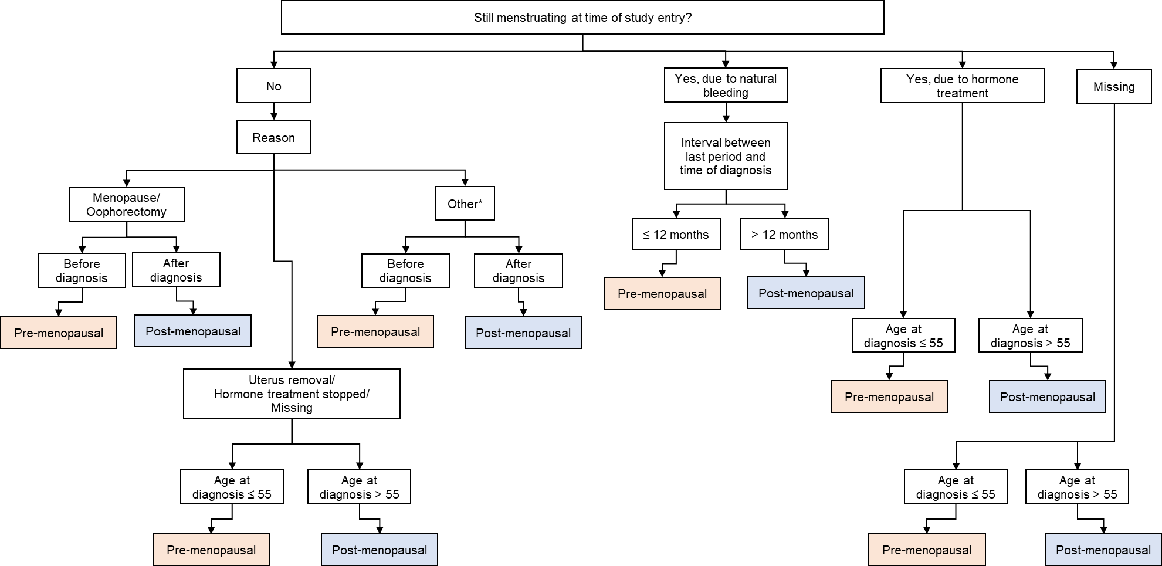
Figure S3. Details on deriving menopausal status at diagnosis. *Other refers to menopause due to pregnancy, forced menopause due to cancer diagnosis, or chemotherapy-induced menopause.

Figure S5
Figure S5. Flow chart of study population, which is comprised of breast cancer patients in the Singapore Breast Cancer Cohort (SGBCC), recruited between 2011 and 2018.
Patients without valid diagnosis date
(n = 66)
Patients with valid diagnosis date
(n = 10349)
SGBCC population
(n = 10415)
Patients with age at diagnosis < 50 years
(n = 3350)
Patients with age at diagnosis ≥ 50 years
(n = 6512)
Patients without mammography data
(n = 1109)
Patients with mammography data
(n = 5403)
Patients without known vital status
(n = 67)
Patients with known vital status
(n = 3942)
Patients without valid date of last follow up
(n = 130)
Patients with valid date of last follow up
(n = 4009)
Patients diagnosed before 2002
(n = 478)
Patients diagnosed after 2002 (Launch of BreastScreen Singapore)
(n = 9862)
Patients with time to entry ≥ 10 years
(n = 203)
Patients with time to entry <10 years
(n = 3739)
Patients with missing stage at diagnosis
(n = 272)
Patients with stage at diagnosis
(n = 5120)
Patients with stage 0
(n = 771)
Patients with stage I to stage IV
(n = 4349)
Patients with stage IV
(n = 210)
Patients with stage I to stage III
(n = 4139)
Patients with invalid mammography date
(n = 11)
Patients with no mammography date/ valid mammography date
(n = 5392)
Male patients (n = 9)
Female patients
(n = 10340)

Figure S6
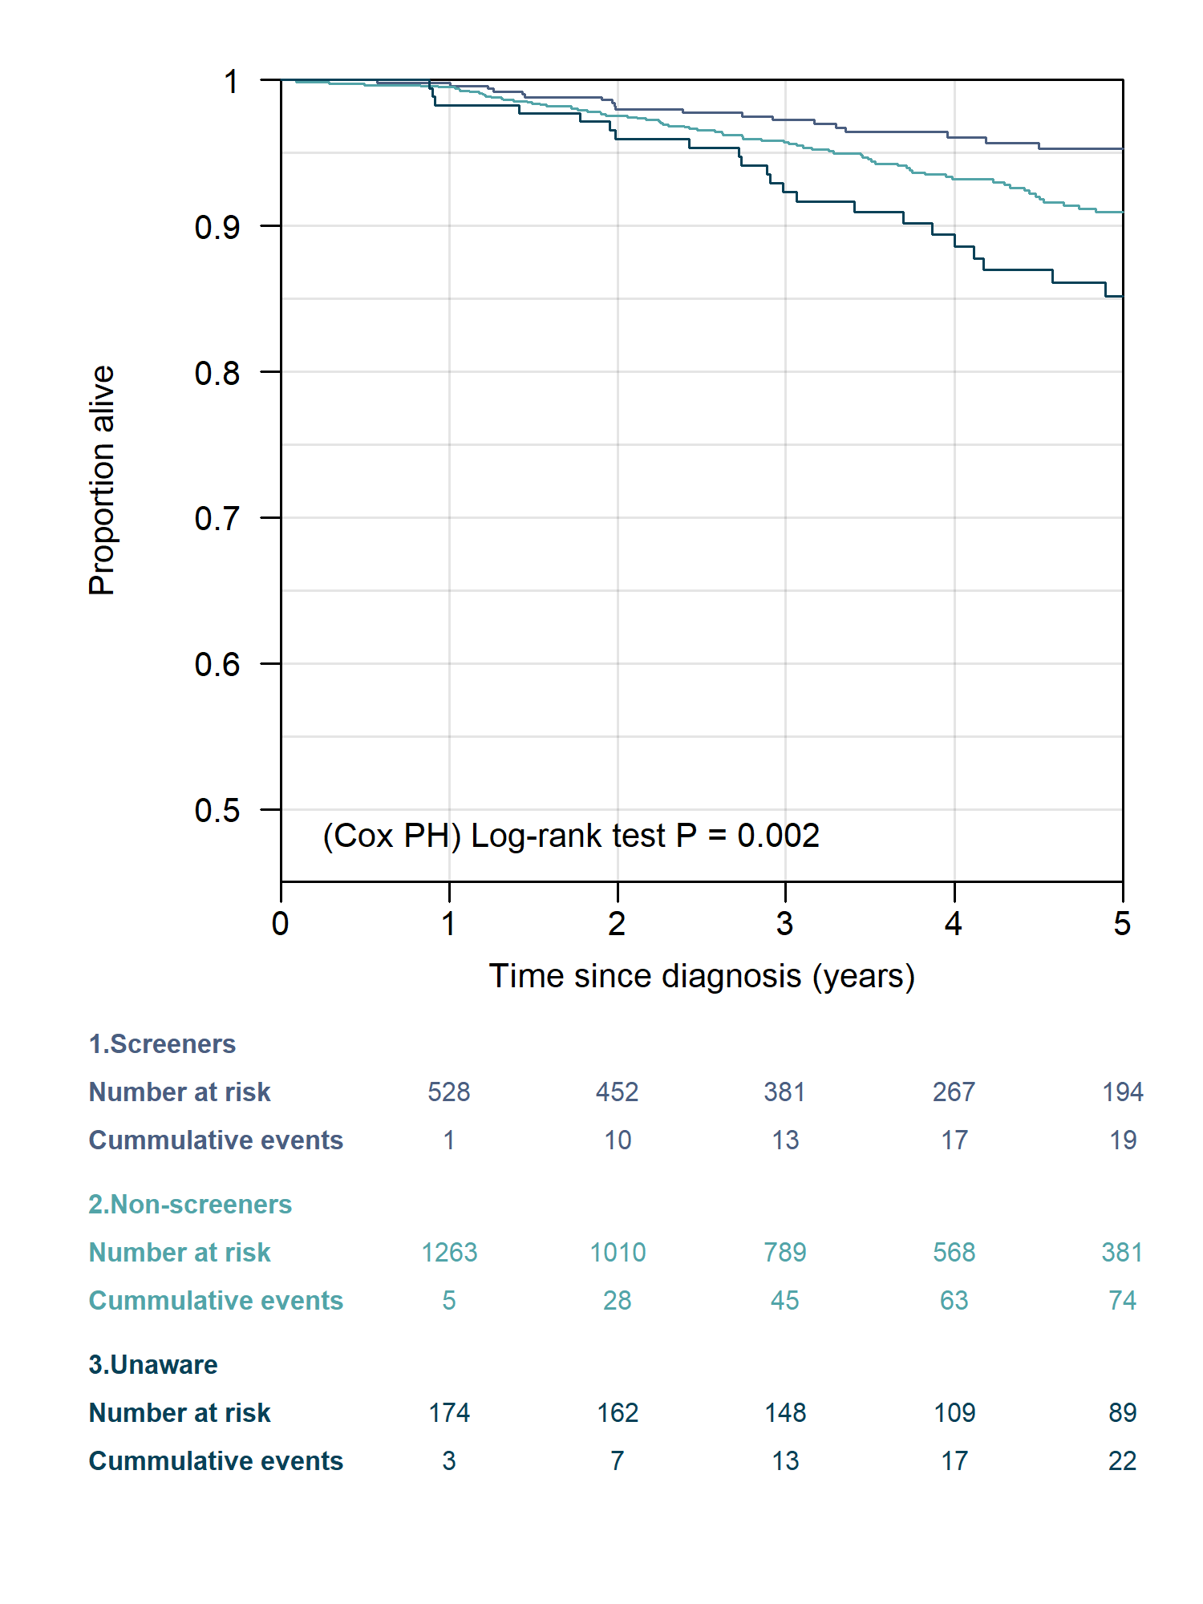
Figure S6. Five-year overall survival is illustrated according to mammography behaviour (screeners, non-screeners, unaware).

Figure S7
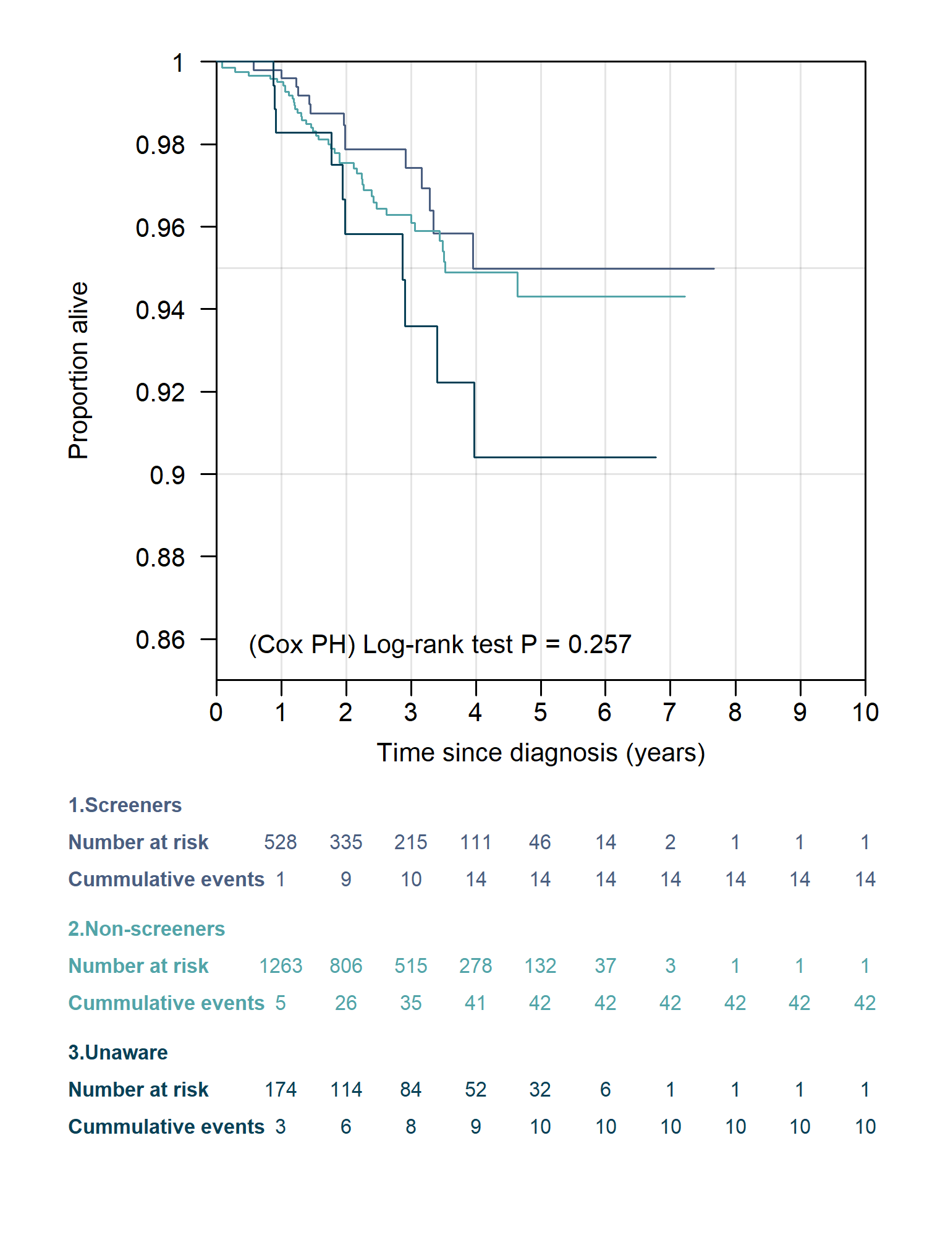
Figure S7. Ten-year overall survival is illustrated according to mammography behaviour (screeners, non-screeners, unaware) for incident cases (n=2122).

Figure S8
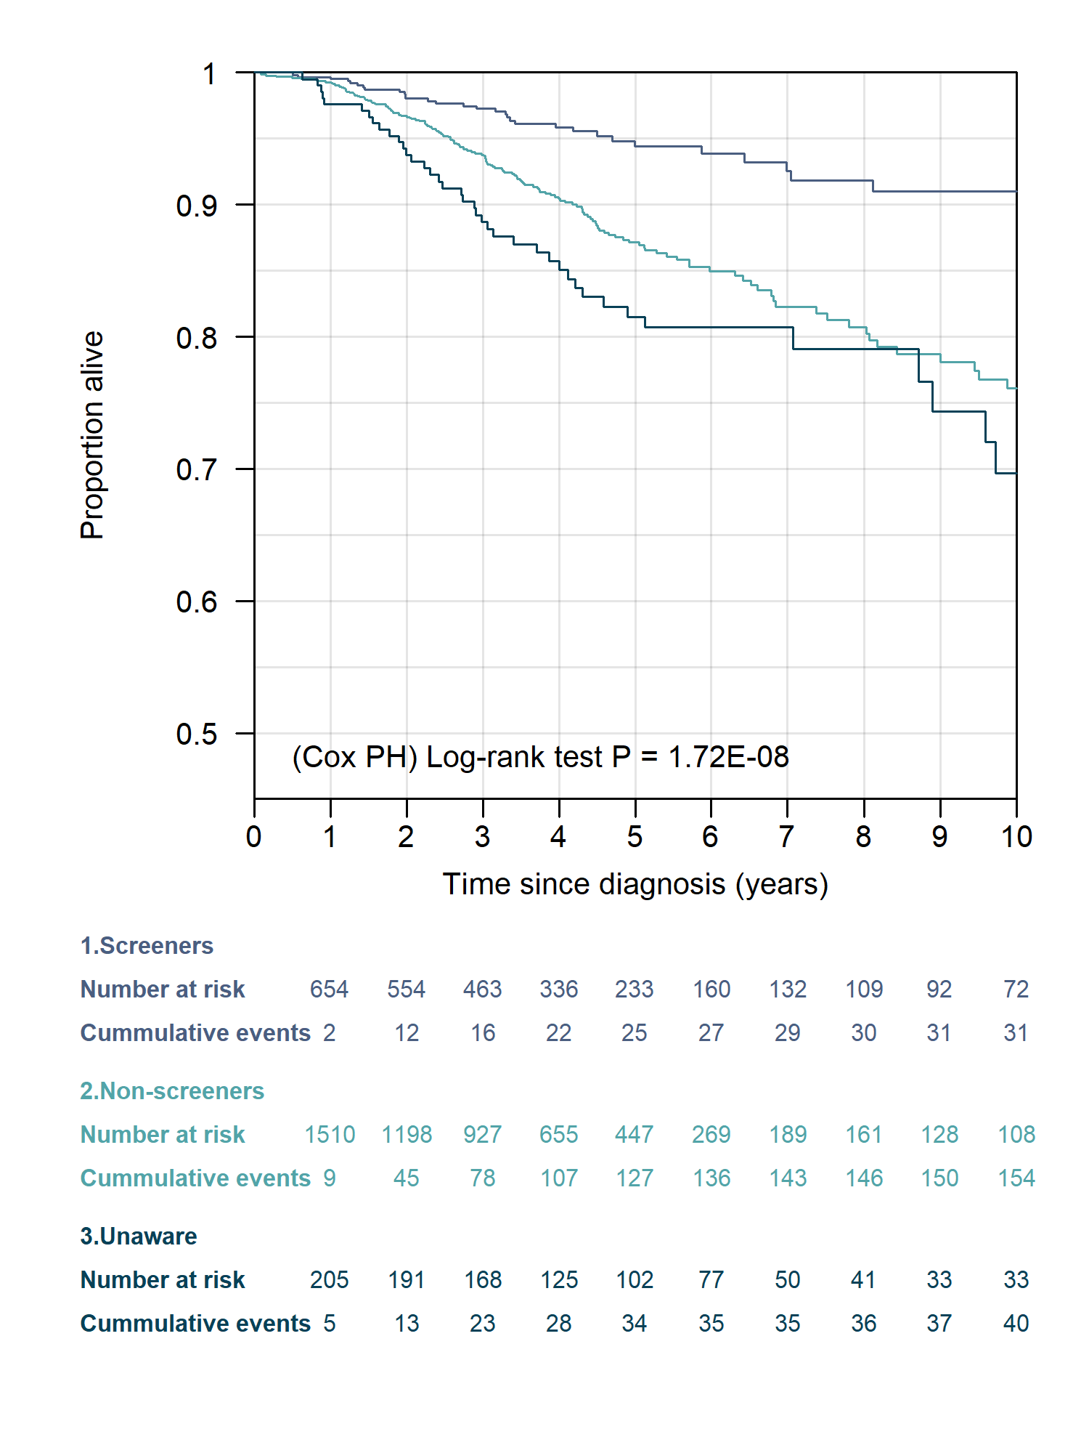
Figure S8. Ten-year overall survival is illustrated according to mammography behaviour (screeners, non-screeners, unaware), for population including stages 0 to IV (n=4566).

Figure S9
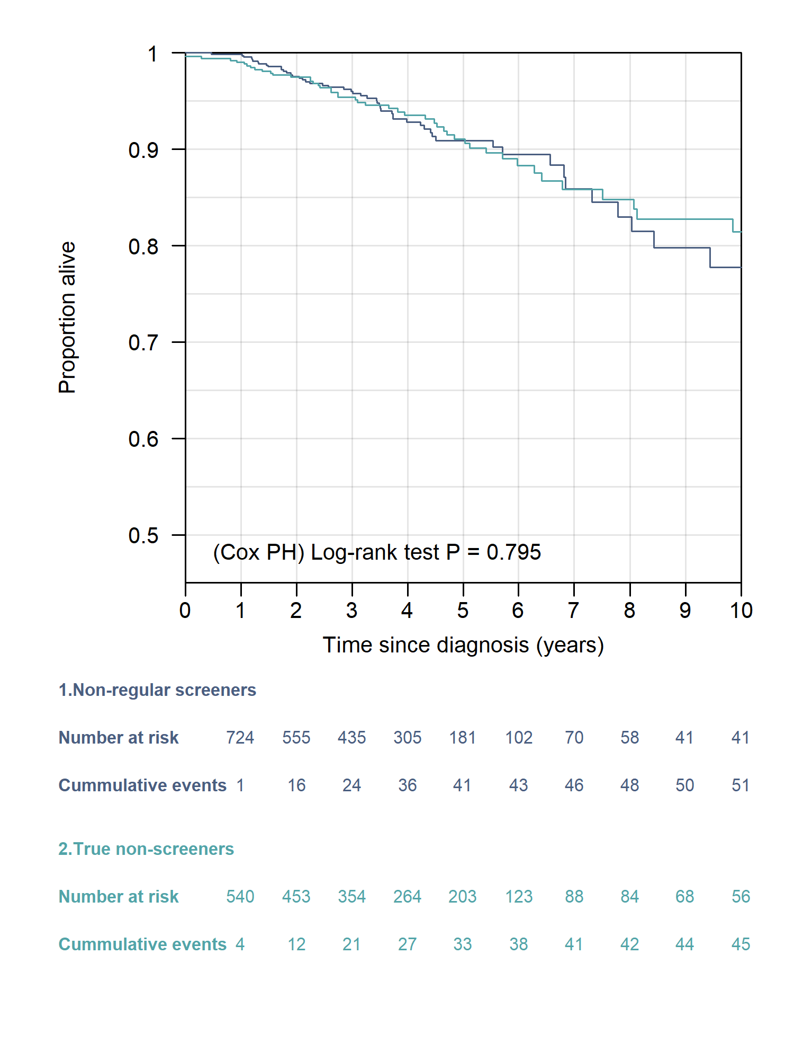
Figure S9. Ten-year overall survival is illustrated according to mammography behaviour (non-regular screeners, n=1210, and true non-screeners, n=1050).

