gProfiler
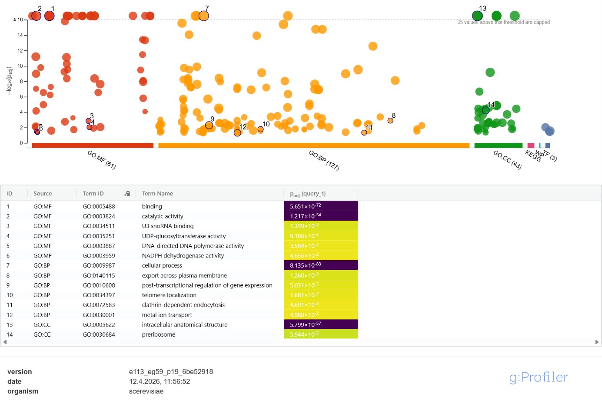
g:Profiler Analysis | Included:
g:Profiler – a web server for functional enrichment analysis and conversions of gene lists | > query_1 (1144)
 | YDL245C | Query parameters
 | YPL274W | version
 | YDR536W | e113_eg59_p19_6be52918
 | YDR541C | date
 | YGR287C | 10.4.2026, 23:08:18
 | YHL047C | organism
 | YMR304W | scerevisiae
 | YDR523C | query length
 | YJL207C | 2433
 | YGL241W | all results
 | YDL219W | false
 | YBR295W | ordered
 | YOL147C | false
 | YOR347C | no iea
 | YKL203C | false
 | YDL214C | sources
 | YPR192W | GO:MF, GO:CC, GO:BP, KEGG, TF, HP, WP
 | YIL149C | multiquery
 | YJR119C | false
 | YJR117W | numeric ns
 | YJL208C | ENTREZGENE_ACC
 | YDL215C | domain scope
 | YOR346W | annotated
 | YMR291W | measure underrepresentation
 | YKR095W | false
 | YKR093W | significance threshold method
 | YJR127C | g_SCS
 | YDL200C | user threshold
 | YPR190C | 0.05
 | YPL265W | no evidences
 | YPR189W | false
 | YNR064C | highlight results
 | YNR060W | true
 | YEL071W
 | YEL060C
 | YEL055C
 | YEL056W
 | YOL143C
 | YOR367W
 | YLR435W
 | YOR370C
 | YLR433C
 | YJR129C
 | YBL105C
 | YBL104C
 | YMR303C
 | YLR442C
 | YLR439W
 | YLR430W
 | YDR485C
 | YOL125W
 | YBL035C
 | YPL232W
 | YNR016C
 | YOL092W
 | YNR033W
 | YDR507C
 | YKL205W
 | YDR506C
 | YHL032C
 | YLL036C
 | YLL035W
 | YPL249C
 | YBR273C
 | YBR274W
 | YBR271W
 | YBR267W
 | YKR098C
 | YHL030W
 | YJR137C
 | YIL156W
 | YPR169W
 | YBL079W
 | YOL096C
 | YML096W
 | YBL042C
 | YBL088C
 | YHL022C
 | YBL075C
 | YIL159W
 | YBL017C
 | YHL027W
 | YGR188C
 | YDR496C
 | YJL197W
 | YJL196C
 | YBR214W
 | YDR508C
 | YDR402C
 | YOL124C
 | YOL122C
 | YDR098C
 | YNL288W
 | YDL033C
 | YCL064C
 | YMR290C
 | YER015W
 | YMR288W
 | YBL067C
 | YER020W
 | YNR047W
 | YNR043W
 | YIR033W
 | YKR090W
 | YML097C
 | YEL052W
 | YIR026C
 | YEL063C
 | YKL197C
 | YIR027C
 | YDR395W
 | YOL128C
 | YMR293C
 | YOL136C
 | YGR241C
 | YOL060C
 | YNR038W
 | YDL145C
 | YDL143W
 | YMR276W
 | YMR277W
 | YOL100W
 | YBR291C
 | YDL168W
 | YDL167C
 | YDL166C
 | YLL034C
 | YLL032C
 | YDR497C
 | YJL164C
 | YGR158C
 | YEL024W
 | YEL022W
 | YLR409C
 | YBL008W
 | YLL010C
 | YCR098C
 | YMR268C
 | YMR267W
 | YMR266W
 | YMR261C
 | YMR259C
 | YKL116C
 | YDL150W
 | YDL149W
 | YJL165C
 | YJL033W
 | YPR144C
 | YJL168C
 | YKR081C
 | YEL041W
 | YKR086W
 | YKR079C
 | YJL029C
 | YKR082W
 | YKR078W
 | YNR013C
 | YNR012W
 | YDR097C
 | YBL038W
 | YOR326W
 | YBL037W
 | YDL079C
 | YPL064C
 | YDL015C
 | YDL017W
 | YPL065W
 | YDL194W
 | YBR119W
 | YDL195W
 | YDR465C
 | YBL058W
 | YDL193W
 | YPL190C
 | YOR287C
 | YJL044C
 | YER168C
 | YMR106C
 | YBL080C
 | YMR250W
 | YPL242C
 | YPL239W
 | YPL237W
 | YDR452W
 | YDR457W
 | YDR451C
 | YLR057W
 | YGR162W
 | YKL188C
 | YLR389C
 | YLL008W
 | YOR334W
 | YBR245C
 | YHR005C
 | YGR178C
 | YKL107W
 | YKL110C
 | YDL030W
 | YIR012W
 | YOL062C
 | YOL045W
 | YDL031W
 | YIR008C
 | YBR023C
 | YOL064C
 | YML080W
 | YOL043C
 | YDR109C
 | YMR227C
 | YMR224C
 | YOR201C
 | YDL138W
 | YKL079W
 | YLR410W
 | YGR032W
 | YGR240C
 | YGL229C
 | YBR227C
 | YBR229C
 | YBR221C
 | YOR086C
 | YKR071C
 | YKR072C
 | YOL090W
 | YOL087C
 | YKR069W
 | YOL088C
 | YBR008C
 | YDR434W
 | YOL081W
 | YOL080C
 | YOL076W
 | YOL086C
 | YGR191W
 | YDL231C
 | YGR193C
 | YGR194C
 | YOL115W
 | YER013W
 | YGR192C
 | YMR005W
 | YKL121W
 | YER166W
 | YMR006C
 | YBR014C
 | YLL031C
 | YDL141W
 | YDL140C
 | YCR093W
 | YCR092C
 | YHL040C
 | YLR056W
 | YAL061W
 | YHL035C
 | YGR246C
 | YHL033C
 | YER004W
 | YLL029W
 | YBR028C
 | YBR026C
 | YBL063W
 | YOL027C
 | YMR278W
 | YGR214W
 | YDL008W
 | YKR074W
 | YOR336W
 | YMR017W
 | YDR009W
 | YDL058W
 | YDL146W
 | YJL180C
 | YDL148C
 | YDL101C
 | YDL106C
 | YKL091C
 | YKL062W
 | YDR153C
 | YJL057C
 | YBR132C
 | YJL052W
 | YPL008W
 | YPL009C
 | YJL056C
 | YOR306C
 | YHL007C
 | YPR114W
 | YAL067C
 | YIL155C
 | YIL153W
 | YAL060W
 | YDL025C
 | YMR104C
 | YMR220W
 | YLR291C
 | YPL175W
 | YER007W
 | YPL171C
 | YOR140W
 | YMR222C
 | YDR074W
 | YOR141C
 | YPL176C
 | YDR118W
 | YOR304W
 | YPL169C
 | YPL172C
 | YPL224C
 | YDL080C
 | YFR053C
 | YFR048W
 | YCR091W
 | YER177W
 | YER183C
 | YIL150C
 | YKL094W
 | YOR291W
 | YKR031C
 | YGR013W
 | YML081W
 | YER165W
 | YDR170C
 | YLL015W
 | YLR310C
 | YER110C
 | YMR205C
 | YBR142W
 | YHR009C
 | YGL154C
 | YBR179C
 | YGR170W
 | YER174C
 | YGR019W
 | YDR406W
 | YGR017W
 | YER172C
 | YER173W
 | YOR340C
 | YDR422C
 | YHL021C
 | YDR416W
 | YBR140C
 | YER068W
 | YJL162C
 | YPL103C
 | YOR076C
 | YOR075W
 | YER162C
 | YDR211W
 | YOL141W
 | YLR323C
 | YPL040C
 | YNL073W
 | YBL052C
 | YLL013C
 | YLR289W
 | YLR290C
 | YGR010W
 | YGR012W
 | YDR090C
 | YLL019C
 | YGR009C
 | YOR269W
 | YOR267C
 | YBR030W
 | YER019W
 | YKL067W
 | YKL100C
 | YGR147C
 | YGR169C
 | YGR248W
 | YGR167W
 | YMR102C
 | YHR032W
 | YHR031C
 | YOR109W
 | YOR112W
 | YOR111W
 | YOR108W
 | YMR207C
 | YPL183C
 | YJR090C
 | YJR091C
 | YPL181W
 | YJR088C
 | YJL155C
 | YJR059W
 | YPL198W
 | YJL154C
 | YLR401C
 | YFR038W
 | YLR403W
 | YER164W
 | YLR399C
 | YER014W
 | YMR075W
 | YLR405W
 | YLR398C
 | YGR125W
 | YPL022W
 | YKL135C
 | YDR226W
 | YPL023C
 | YGL116W
 | YOR126C
 | YLR237W
 | YGL111W
 | YOR124C
 | YOR311C
 | YOR330C
 | YOR125C
 | YJR068W
 | YJR074W
 | YJR065C
 | YJR066W
 | YJL172W
 | YML010W
 | YML012W
 | YER157W
 | YER155C
 | YDR216W
 | YER156C
 | YDR217C
 | YGR056W
 | YOR274W
 | YOR273C
 | YDR165W
 | YOR191W
 | YIR006C
 | YBR136W
 | YOR128C
 | YLR103C
 | YPR112C
 | YJL036W
 | YKR061W
 | YCR090C
 | YER087W
 | YNR011C
 | YKR063C
 | YPL085W
 | YLR336C
 | YLR369W
 | YGL163C
 | YPR117W
 | YGR207C
 | YEL016C
 | YGL048C
 | YGL049C
 | YFL034W
 | YNL064C
 | YJL013C
 | YHR042W
 | YLR306W
 | YER027C
 | YLR330W
 | YPR052C
 | YJL201W
 | YNL065W
 | YPL045W
 | YMR229C
 | YJL200C
 | YDR108W
 | YGL017W
 | YJL204C
 | YLR328W
 | YDR107C
 | YBR092C
 | YOR048C
 | YHL004W
 | YBR097W
 | YJL080C
 | YDL103C
 | YJR025C
 | YEL046C
 | YGR258C
 | YDR243C
 | YLR314C
 | YDR172W
 | YGR256W
 | YPR032W
 | YKL047W
 | YPL042C
 | YPR030W
 | YBR237W
 | YMR213W
 | YPR026W
 | YBR236C
 | YOR321W
 | YPL043W
 | YJL084C
 | YPL104W
 | YPL216W
 | YBR169C
 | YJL104W
 | YJL092W
 | YPL126W
 | YGL062W
 | YER144C
 | YEL038W
 | YER143W
 | YGL065C
 | YMR076C
 | YNL139C
 | YMR077C
 | YGL073W
 | YLR305C
 | YNL138W
 | YMR078C
 | YCL009C
 | YDL171C
 | YMR060C
 | YLR258W
 | YER127W
 | YLR074C
 | YCL011C
 | YBL047C
 | YJR005W
 | YPR024W
 | YJR002W
 | YLR337C
 | YBR199W
 | YLR090W
 | YDR018C
 | YOR246C
 | YOL119C
 | YKL184W
 | YDR093W
 | YPL074W
 | YPL069C
 | YBR114W
 | YBR115C
 | YNL075W
 | YPL227C
 | YDR116C
 | YER070W
 | YLR342W
 | YLR117C
 | YDR117C
 | YBR146W
 | YJL151C
 | YPL153C
 | YGR154C
 | YEL030W
 | YKL124W
 | YNL217W
 | YNL219C
 | YKL179C
 | YAL040C
 | YMR002W
 | YNL218W
 | YML075C
 | YML071C
 | YOR272W
 | YKL041W
 | YML072C
 | YKR023W
 | YDR081C
 | YNL262W
 | YGL092W
 | YBR081C
 | YIL005W
 | YBR172C
 | YBR080C
 | YKL060C
 | YNL153C
 | YNL160W
 | YLR138W
 | YMR012W
 | YPL036W
 | YMR011W
 | YKL033W
 | YGL099W
 | YLR234W
 | YNL182C
 | YMR246W
 | YKL032C
 | YIL131C
 | YNL181W
 | YJL073W
 | YOR123C
 | YJL074C
 | YLR196W
 | YBR094W
 | YDL112W
 | YDR349C
 | YOR011W
 | YDL109C
 | YBR189W
 | YDL113C
 | YPL119C
 | YDL108W
 | YER122C
 | YPR072W
 | YLR081W
 | YPR163C
 | YLR077W
 | YLR201C
 | YPL147W
 | YOL023W
 | YLR200W
 | YPL098C
 | YJL109C
 | YDR358W
 | YJL094C
 | YPL146C
 | YPL115C
 | YBR084W
 | YGR202C
 | YGR204W
 | YML004C
 | YGR200C
 | YML005W
 | YFR015C
 | YGL078C
 | YMR093W
 | YPL012W
 | YMR096W
 | YMR090W
 | YMR092C
 | YGL083W
 | YGL014W
 | YPR018W
 | YPR019W
 | YGL195W
 | YOR245C
 | YLR286C
 | YLR285W
 | YLR284C
 | YAL054C
 | YGR234W
 | YKR028W
 | YNL172W
 | YNL169C
 | YAR073W
 | YDR331W
 | YFR040W
 | YCL039W
 | YML088W
 | YDL003W
 | YNL104C
 | YNL106C
 | YDR256C
 | YGL008C
 | YGR124W
 | YNL127W
 | YIL047C
 | YNL125C
 | YGR005C
 | YDR258C
 | YGR123C
 | YGR007W
 | YLR106C
 | YNL029C
 | YOR116C
 | YGL009C
 | YDR062W
 | YPL091W
 | YPL167C
 | YOL018C
 | YPL095C
 | YPL093W
 | YLR093C
 | YPL107W
 | YBR176W
 | YPL111W
 | YKL006W
 | YPL123C
 | YBR177C
 | YDL225W
 | YKR060W
 | YDR088C
 | YPR065W
 | YDR144C
 | YLR087C
 | YER112W
 | YER047C
 | YLR092W
 | YOR211C
 | YGL156W
 | YGR116W
 | YGL157W
 | YGL158W
 | YBR043C
 | YJL129C
 | YBR053C
 | YBR046C
 | YJL128C
 | YDR280W
 | YBR055C
 | YBR048W
 | YML013W
 | YML015C
 | YJL026W
 | YML087C
 | YDR228C
 | YHR191C
 | YNL068C
 | YHR188C
 | YLR222C
 | YER075C
 | YHR192W
 | YGL086W
 | YLR035C
 | YIL036W
 | YDR060W
 | YDR061W
 | YLR032W
 | YOL022C
 | YLR024C
 | YDL117W
 | YDL124W
 | YDR057W
 | YOL021C
 | YOL020W
 | YOR035C
 | YDL116W
 | YOR038C
 | YDR289C
 | YDL119C
 | YFL046W
 | YFL042C
 | YAL029C
 | YFL044C
 | YFL041W
 | YAL035W
 | YAL026C
 | YNL072W
 | YGL027C
 | YER130C
 | YGL021W
 | YNL071W
 | YNL026W
 | YER061C
 | YOR208W
 | YIL010W
 | YOR204W
 | YOR206W
 | YPL204W
 | YDR334W
 | YDR335W
 | YAL043C
 | YAL048C
 | YAL042W
 | YNL117W
 | YNL119W
 | YNL118C
 | YNL116W
 | YMR192W
 | YOR014W
 | YMR193W
 | YDL095W
 | YOR018W
 | YOL006C
 | YKL210W
 | YOR290C
 | YOR261C
 | YOR254C
 | YHR038W
 | YHR034C
 | YER002W
 | YNL102W
 | YLR214W
 | YLR215C
 | YNL082W
 | YIR002C
 | YLR216C
 | YNL087W
 | YLR027C
 | YOR046C
 | YOL016C
 | YOL013C
 | YCR081W
 | YNR028W
 | YNL110C
 | YLR272C
 | YLR130C
 | YLR133W
 | YKL014C
 | YLR086W
 | YKL016C
 | YOL031C
 | YKL018W
 | YOL034W
 | YKL012W
 | YLR028C
 | YOR025W
 | YDR292C
 | YOR022C
 | YDR297W
 | YFL027C
 | YBL097W
 | YLR273C
 | YBR002C
 | YBR001C
 | YPR129W
 | YPR127W
 | YDR267C
 | YDR270W
 | YIL078W
 | YPR121W
 | YDR268W
 | YER055C
 | YDR283C
 | YOL113W
 | YFL008W
 | YER100W
 | YML067C
 | YML065W
 | YGL167C
 | YGL171W
 | YGL178W
 | YGL173C
 | YGL169W
 | YGL172W
 | YCR059C
 | YER024W
 | YLR386W
 | YLR382C
 | YLR384C
 | YLR383W
 | YIL074C
 | YIL070C
 | YIL075C
 | YER045C
 | YMR171C
 | YOR237W
 | YFR016C
 | YFL007W
 | YLR247C
 | YDR068W
 | YIL126W
 | YDR069C
 | YIL129C
 | YPL160W
 | YER116C
 | YIL128W
 | YDR063W
 | YIL088C
 | YKL005C
 | YKL002W
 | YKR003W
 | YOL010W
 | YKR001C
 | YOL003C
 | YOL004W
 | YCR033W
 | YBR287W
 | YIL143C
 | YIL144W
 | YEL007W
 | YIL137C
 | YER105C
 | YBR286W
 | YCR026C
 | YBR149W
 | YMR190C
 | YMR185W
 | YML123C
 | YKL071W
 | YPR178W
 | YKL078W
 | YGL004C
 | YIL044C
 | YGL006W
 | YIL038C
 | YPR021C
 | YIL112W
 | YHR172W
 | YIL110W
 | YMR176W
 | YHR086W
 | YDR287W
 | YDR288W
 | YBR187W
 | YNL220W
 | YHR202W
 | YNL221C
 | YNL223W
 | YDR080W
 | YNL224C
 | YDR079C-A
 | YOR153W
 | YOR154W
 | YER103W
 | YDR111C
 | YMR196W
 | YMR199W
 | YLR189C
 | YJL126W
 | YAL019W
 | YAL021C
 | YLR144C
 | YGR232W
 | YML042W
 | YIL121W
 | YIL095W
 | YIL096C
 | YHR080C
 | YKL216W
 | YFR007W
 | YOL069W
 | YLR129W
 | YLR127C
 | YGL190C
 | YDR128W
 | YDR127W
 | YLR210W
 | YLR209C
 | YEL065W
 | YFR024C-A
 | YHR204W
 | YHR186C
 | YOR165W
 | YCR016W
 | YOR160W
 | YIL125W
 | YOR001W
 | YHR079C
 | YOR003W
 | YFL009W
 | YFL011W
 | YCR023C
 | YHR072W
 | YLR197W
 | YCR054C
 | YAL002W
 | YDR191W
 | YPL026C
...

