gProfiler
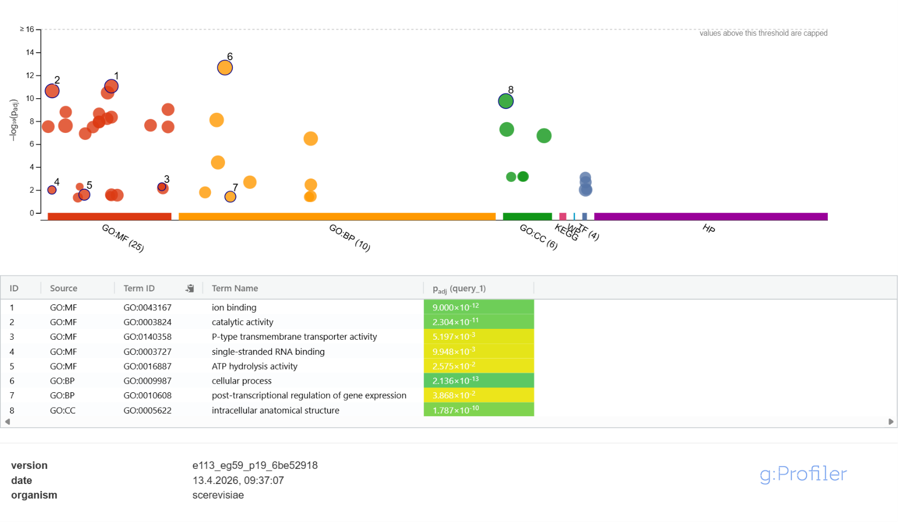
Analysis with g:Profiler | Included:
g:Profiler – a web server for functional enrichment analysis and conversions of gene lists | > query_1 (240) | Query parameters
 | YBL079W | version
 | YIL112W | e113_eg59_p19_6be52918
 | YLR121C | date
 | YER164W | 17.4.2026, 15:06:47
 | YLL031C | organism
 | YDR349C | scerevisiae
 | YHR031C | query length
 | YHR039C-A | 357
 | YDL128W | all results
 | YDL125C | false
 | YDL079C | ordered
 | YDL060W | false
 | YJL121C | no iea
 | YER146W | false
 | YLL018C | sources
 | YLL010C | GO:MF, GO:CC, GO:BP, KEGG, TF, HP, WP
 | YGR054W | multiquery
 | YCR051W | false
 | YEL056W | numeric ns
 | YEL058W | ENTREZGENE_ACC
 | YKR056W | domain scope
 | YLR075W | annotated
 | YIL061C | measure underrepresentation
 | YDR243C | false
 | YJL112W | significance threshold method
 | YJL104W | g_SCS
 | YBL004W | user threshold
 | YGL094C | 0.05
 | YGL073W | no evidences
 | YLR417W | false
 | YGR124W | highlight results
 | YLR146C | true
 | YLL058W
 | YMR041C
 | YBR212W
 | YBR218C
 | YBR229C
 | YNL020C
 | YFR007W
 | YFR006W
 | YPR194C
 | YPR191W
 | YHR023W
 | YHR028C
 | YGR010W
 | YGL006W
 | YGL008C
 | YGL030W
 | YNL134C
 | YNL064C
 | YNL153C
 | YNL161W
 | YNL181W
 | YPL258C
 | YDR517W
 | YAL003W
 | YHR080C
 | YHR082C
 | YJR025C
 | YBR106W
 | YBR087W
 | YBR085W
 | YMR253C
 | YMR271C
 | YMR290C
 | YMR296C
 | YNL268W
 | YGR280C
 | YGR281W
 | YBR119W
 | YLR454W
 | YCR098C
 | YHR010W
 | YDR477W
 | YDR487C
 | YDR500C
 | YDR508C
 | YIL116W
 | YIL134W
 | YIL137C
 | YCL064C
 | YER101C
 | YGR287C
 | YNR030W
 | YNL328C
 | YPL036W
 | YPL058C
 | YPL059W
 | YKL110C
 | YKL103C
 | YKL087C
 | YKL085W
 | YKL067W
 | YKL065C
 | YJR159W
 | YJL200C
 | YJL197W
 | YJL187C
 | YJL164C
 | YJL162C
 | YJL153C
 | YER012W
 | YER016W
 | YER027C
 | YER044C
 | YER045C
 | YER048C
 | YER053C
 | YER054C
 | YAL054C
 | YHL047C
 | YIR039C
 | YFL033C
 | YOR165W
 | YOL156W
 | YNL016W
 | YDR268W
 | YDR264C
 | YFR023W
 | YLR206W
 | YLR196W
 | YLR189C
 | YLR185W
 | YLR180W
 | YLR177W
 | YJL044C
 | YJL029C
 | YOR291W
 | YOR246C
 | YOR212W
 | YOR206W
 | YOR204W
 | YBR143C
 | YBR158W
 | YBR176W
 | YBR179C
 | YMR146C
 | YMR152W
 | YGL178W
 | YGL169W
 | YGL158W
 | YDR054C
 | YGR214W
 | YGR195W
 | YGR191W
 | YGR181W
 | YGR180C
 | YBL045C
 | YBL055C
 | YML004C
 | YML005W
 | YML042W
 | YML065W
 | YDL141W
 | YDL138W
 | YKR080W
 | YKR076W
 | YDR120C
 | YDR135C
 | YGR234W
 | YPL184C
 | YOR011W
 | YOR014W
 | YOR020C
 | YOR063W
 | YOR071C
 | YOR074C
 | YOR076C
 | YOR081C
 | YOR098C
 | YOR100C
 | YOR108W
 | YLR272C
 | YLR262C-A
 | YLR260W
 | YPL240C
 | YJR117W
 | YJR119C
 | YJR142W
 | YJR143C
 | YPR110C
 | YMR083W
 | YER131W
 | YER127W
 | YBL087C
 | YER112W
 | YER105C
 | YOL086C
 | YOL080C
 | YOL018C
 | YOL016C
 | YOL012C
 | YOL005C
 | YOL003C
 | YOR001W
 | YOR007C
 | YML121W
 | YDR208W
 | YIL009W
 | YMR240C
 | YMR246W
 | YMR247C
 | YER095W
 | YER090W
 | YHR020W
 | YHR015W
 | YHR007C
 | YHR003C
 | YLR406C
 | YLR383W
 | YLR380W
 | YLR378C
 | YLR371W
 | YLR351C
 | YLR328W
 | YLR323C
 | YLR306W
 | YLR303W
 | YLR438W
 | YLR435W
 | YBR181C
 | YPL082C
 | YHL032C
 | YHL030W
 | YJR049C
 | YKL218C
 | YKL184W
 | YKL148C
 | YNL301C
 | YPR163C
 | YPR167C
 | YBR035C
 | YKR039W
 | YKR038C
 | YPL160W
 | YPL132W
 | YPL119C
 | YPL109C
 | YPL107W
 | YPL103C
 | Not included:
 | EINGABE
 | GSTRING
 | YJL078C_1
 | YMI018
 | YGR233C_2
 | YDR320C_1
 | Duplicates:
 | YHR031C
 | YDL125C
 | YLL018C
 | YLL010C
 | YEL056W
 | YLR075W
 | YJL112W
 | YGL094C
 | YLR417W
 | YPR194C
 | YHR023W
 | YGR010W
 | YGL006W
 | YGL008C
 | YNL134C
 | YNL064C
 | YNL181W
 | YHR082C
 | YBR106W
 | YGR280C
 | YCR098C
 | YDR508C
 | YER101C
 | YKL065C
 | YJR159W
 | YJL187C
 | YJL164C
 | YJL162C
 | YJL153C
 | YER016W
 | YER048C
 | YER053C
 | YNL016W
 | YDR264C
 | YLR180W
 | YLR177W
 | YJL029C
 | YOR291W
 | YOR204W
 | YMR146C
 | YGL178W
 | YGL169W
 | YGR181W
 | YBL045C
 | YML004C
 | YML065W
 | YDL138W
 | YOR011W
 | YOR100C
 | YOR108W
 | YLR272C
 | YBL087C
 | YER105C
 | YOL080C
 | YOL005C
 | YOR001W
 | YOR007C
 | YML121W
 | YLR406C
 | YLR328W
 | YLR303W
 | YLR438W
 | YPL082C
 | YHL032C
 | YHL030W
 | YBR035C
 | YPL103C

