Table S9
TableS9: Classification results of mCRPC non-responder post-treatment vs. mCRPC responder post-treatment PMR-values from patients that underwent Abiraterone-acetate treatment.

Performance of classifiers during cross-validation.
 | Compound | Diagonal Linear | 1-Nearest | 3-Nearest | Nearest | Support | Bayesian
 | Covariate | Discriminant | Neighbor | Neighbors | Centroid | Vector | Compound
 | Predictor | Analysis |  | Correct? | Correct? | Machines | Covariate
 | Correct? | Correct? |  |  |  | Correct? | Predictor
 |  |  |  |  |  |  | Correct?
Mean percent | 84 | 84 | 84 | 84 | 84 | 84 | 84
of correct
classification:

Composition of classifier:

Table - Sorted by t -value:

Class 1: NonResponderPost; Class 2: ResponderPost.
 | Parametric p-value | t-value | % CV support | Geom mean of intensities in class 1 | Geom mean of intensities in class 2 | Fold-change | UniqueID

1 | 0.0070751 | 3,061 | 30 | 7.24 | 0.00034 | 21299.89 | PCDHGC4
2 | 0.0074436 | 3,062 | 30 | 0.33 | 0.0001 | 3212.28 | SERPINB1
3 | 0.0062934 | 3,115 | 30 | 0.17 | 1.7e-05 | 9965.84 | CPVL
4 | 0.0056564 | 3,165 | 40 | 10.82 | 0.00037 | 29460.38 | TJP2
5 | 0.0053417 | 3,192 | 30 | 0.33 | 0.00029 | 1122.99 | CHST11
6 | 0.0038145 | 3,348 | 60 | 9.51 | 0.00023 | 41245.32 | KLK10
7 | 0.0026894 | 3,509 | 90 | 8.33 | 0.82 | 44540 | C2ORF49
8 | 0.0016835 | 3,725 | 70 | 0.75 | 0.00014 | 5491.2 | TXNRD1
9 | 0.001593 | 3,751 | 90 | 7.59 | 0.0003 | 25371.36 | SERPINB9
10 | 0.0003477 | 4,455 | 100 | 0.75 | 0.00013 | 5872.77 | KLF8
11 | 0.0001386 | 4,888 | 100 | 4.96 | 0.00025 | 19649.63 | C1ORF114.1
12 | 8.3e-05 | 5,133 | 100 | 12.05 | 0.0003 | 39771.58 | SCGB3A1.1
13 | 3.5e-06 | 6.73 | 100 | 10.41 | 5.3e-05 | 194866.23 | C2ORF88

Performance of the Compound Covariate Predictor Classifier:
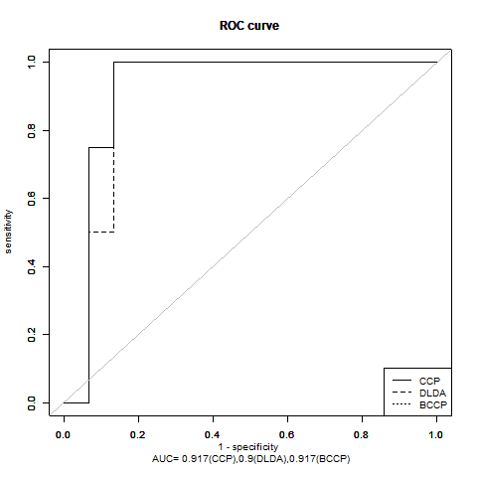
Class | Sensitivity | Specificity | PPV | NPV
NonResponderPost | 0.5 | 0.933 | 0.667 | 0.875
ResponderPost | 0.933 | 0.5 | 0.875 | 0.667

Performance of the Diagonal Linear Discriminant Analysis Classifier:

Class | Sensitivity | Specificity | PPV | NPV
NonResponderPost | 0.5 | 0.933 | 0.667 | 0.875
ResponderPost | 0.933 | 0.5 | 0.875 | 0.667

Performance of the 1-Nearest Neighbor Classifier:

Class | Sensitivity | Specificity | PPV | NPV
NonResponderPost | 0.5 | 0.933 | 0.667 | 0.875
ResponderPost | 0.933 | 0.5 | 0.875 | 0.667

Performance of the 3-Nearest Neighbors Classifier:

Class | Sensitivity | Specificity | PPV | NPV
NonResponderPost | 0.5 | 0.933 | 0.667 | 0.875
ResponderPost | 0.933 | 0.5 | 0.875 | 0.667

Performance of the Nearest Centroid Classifier:

Class | Sensitivity | Specificity | PPV | NPV
NonResponderPost | 0.5 | 0.933 | 0.667 | 0.875
ResponderPost | 0.933 | 0.5 | 0.875 | 0.667

Performance of the Support Vector Machine Classifier:

Class | Sensitivity | Specificity | PPV | NPV
NonResponderPost | 0.75 | 0.867 | 0.6 | 0.929
ResponderPost | 0.867 | 0.75 | 0.929 | 0.6

Performance of the Bayesian Compound Covariate Classifier:

Class | Sensitivity | Specificity | PPV | NPV
NonResponderPost | 0.5 | 0.933 | 0.667 | 0.875
ResponderPost | 0.933 | 0.5 | 0.875 | 0.667

