Introduction
Additional File 1. Supervision Review Inventory and Taxonomy Lists

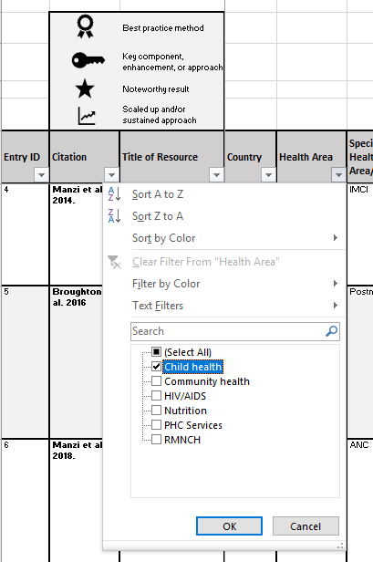
The first tab, titled Inventory, contains the inventory of all approaches as analyzed according to the conceptual framework.
 | - Users can filter results according to their category of interest. For example, if a user was interested in reviewing evidence on supervision approaches for child health, then this filter could be applied (see red circles in the screenshot below).
 | - Icons are used within the inventory to visually highlight best practice intervention evaluation methods, key supervision components or enhancements, noteworthy results, and approaches that have been taken to scale and/or sustained. (see Legend within the blue circle in the screenshot at right)

The second tab, titled Taxonomy lists, provides the complete drop-down lists for the taxonomy by category and classification.

