TABLE S4
TableS4:Transcripts annotation and primer sequences

lncRNA | Transcript ID | Chromosome annotation | Primers sequences
HCG18-242 | ENST00000602319 | Chr6:30,300,774-30,304,115 | Forward:CCAATTCTAATCTCAAGTCATT
 |  |  | Reverse:GGTCATATCAAGATAATTCAAGA
HCG18-244 | ENST00000602516 | Chr6:30,304,071-30,306,960 | Forward:GTGGGCTATATTAAGTGGGAAT
 |  |  | Reverse:TCTTCTCTATATCTCAAGGTATGC
HCG18-long isoform exon 2-4 | ENST00000670397.1 | Chr6:30,286,690-30,326,846 | Forward:CCCTCTTTGCCCACTAGCAG
 | ENST00000659836.1 |  | Reverse:GTGGATGGGCAGGTACAGTC
 | ENST00000659563.1
 | ENST00000602550.6
LEF1-AS1 | ENST00000506314 | Chr4:108,172,709-108,176,428 | Forward:GTCCATGCTATGACCATCTCCA
 |  |  | Reverse:ACACGAGTTAAGGCACATTCAC
lncCEACAM21 | ENST00000601116.5 | Chr19:41,549,520-41,550,705 | Forward:CAAGTATCTCTTCTCAACGGAAA
 |  |  | Reverse:ATCATTATTCACGCATCCACAA
KCNJ2-AS1 | ENST00000590966.2 | Chr17:70,166,961-70,169,404 | Forward:GCAATGGGGGTATTCTACGCT
 |  |  | Reverse:AGCACATCCCCCAACATTCT
RP11-1191J2.5 | ENST00000609172.1 | Chr4:661,209-661945 | Forward:CTTTCTGTTTAGGTGATGGGATG
 |  |  | Reverse:ATTAGGAGTTCCAAGCAATTTGAT
RP11-290F20.1 | NR_109950.1 | Chr20:50,310,711-50,321,342 | Forward:GGGACTGTGTGGCTTGTGAC
 |  |  | Reverse:CTCTTTCCAGGTGGGTAGGG
UBC | NM_021009.7 | Chr12:125,396,192-125,399,196 | Forward:GATCGCTGTGATCGTCACTTGACAA
 |  |  | Reverse:AGTCAGACAGGGTGCGCCCA
RNA18SN5 (plasma samples) | NR_003286.4 | chr21:8,209,961-8,210,059 | Forward:CGCAGCTAGGAATAATGGAATAGG
 |  |  | Reverse:CATGGCCTCAGTTCCGAAA
NEAT1 | ENST00000501122.2 | chr11:65,422,798-65,445,540 | Forward: GCTGGACCTTTCATGTAACGGG
 |  |  | Reverse: TGAACTCTGCCGGTACAGGGAA
RNA18SN5 (cellular fractionation) | NR_003286.4 | chr21:8,209,961-8,210,059 | Forward:CGGCGACGACCCATTCGAAC
 |  |  | Reverse:GAATCGAACCCTGATTCCCCGTC

HCG18 |  |  | LEF1-AS1 | lncCEACAM21

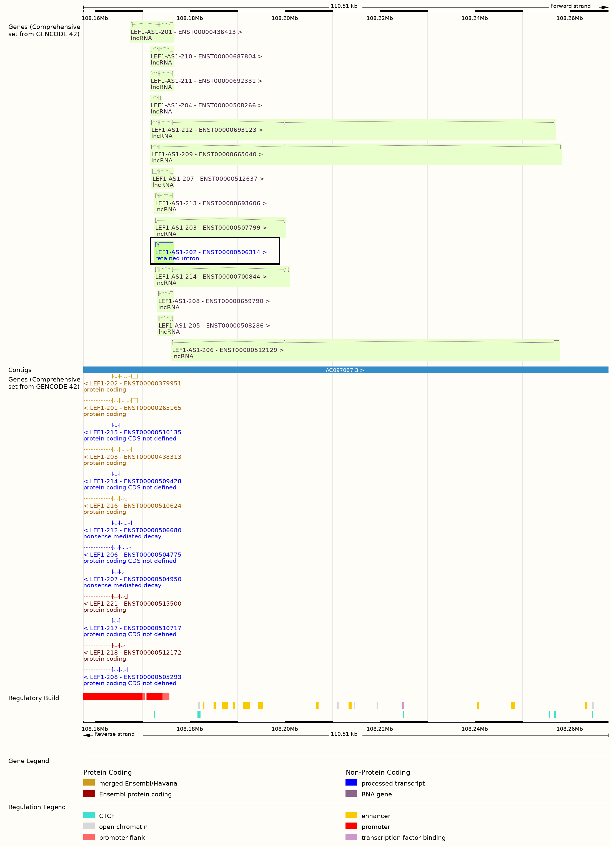
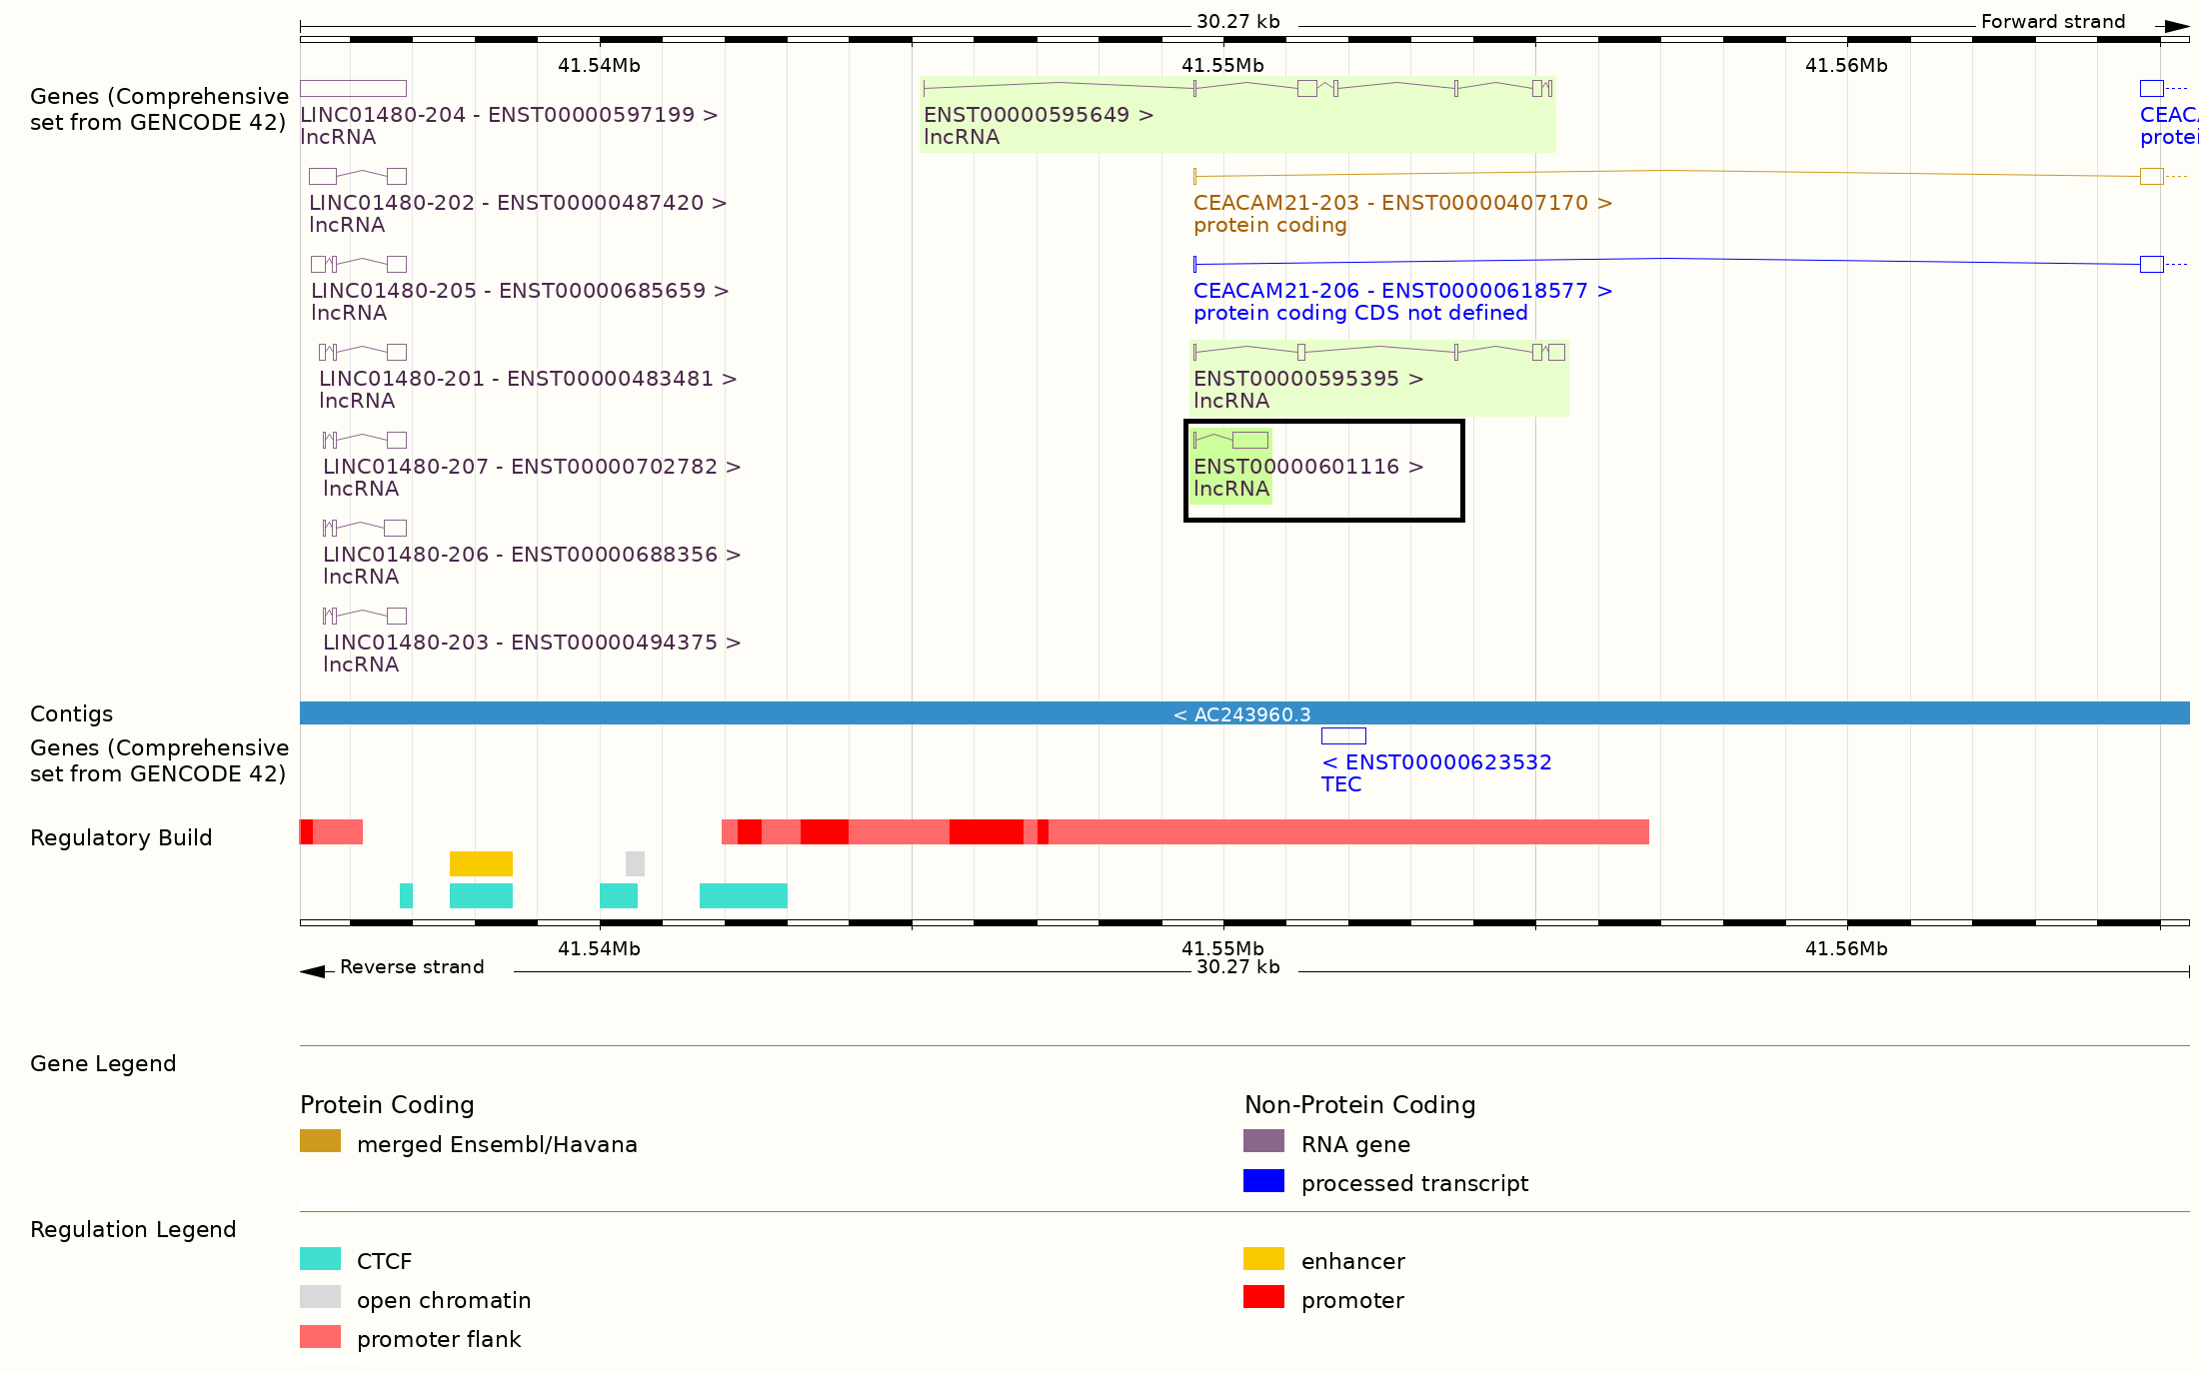

 |  |  |  | Note: the studied transcript (ENST00000601116.5) is indicated by a box.

Note: one-exon transcripts HCG18-242 and-244 are indicated by a green box.
Several long isoforms are detected by primers from exon ENSE00001767107 to exon ENSE00003882534 (red lines). The blue line indicates transcript ENST00000687430.1 that includes also exon ENSE00003925835.

 |  |  | Note: the studied LEF1-AS1 transcript is indicated by a box.

