Lipidomics Metabolomics Summary
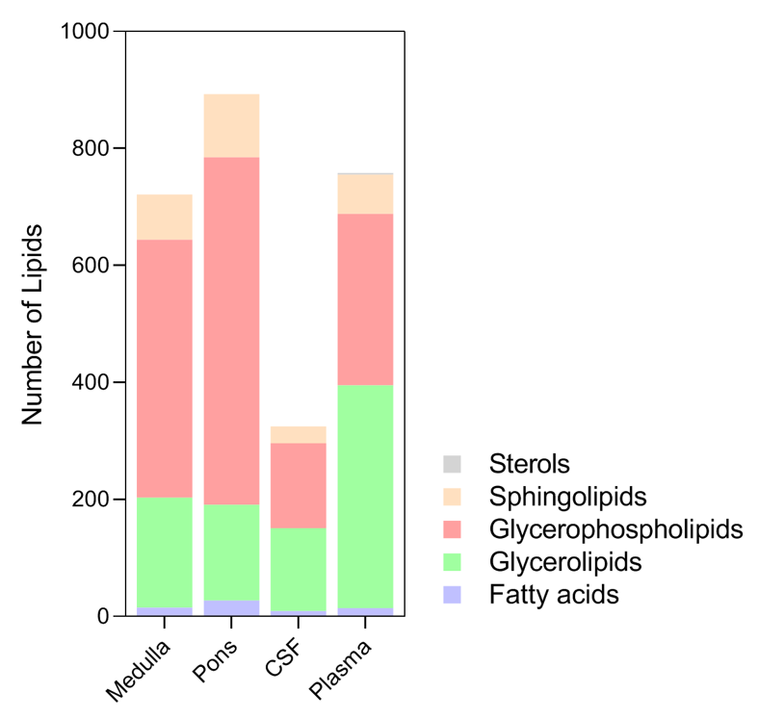
Group | Class | Abbreviation | Medulla | Pons | CSF | Plasma | Class | Medulla | Pons | CSF | Plasma
LIPIDS |  |  |  |  |  |  | Fatty acids | 16 | 28 | 10 | 15
Sterols | cholesteryl esters | CE | 0 | 0 | 0 | 3 | Glycerolipids | 188 | 164 | 142 | 381
Fatty acids | fatty acids | FA | 16 | 28 | 10 | 15 |  | 441 | 594 | 145 | 293
Glycerolipids | diacylglycerols | DG | 30 | 19 | 7 | 15 | Sphingolipids | 77 | 108 | 29 | 67
Glycerolipids | triacylglycerols | TG | 158 | 145 | 135 | 366 | Sterols | 0 | 0 | 0 | 3
Glycerophospholipids | lysophosphatidylcholines | LPC | 26 | 25 | 14 | 29 | SUBTOTAL | 721 | 893 | 325 | 758
Glycerophospholipids | lysophosphatidylcholines | LPCO | 3 | 7 | 2 | 5 | acylcarnitines | 31 | 29 | 3 | 36
Glycerophospholipids | lysophosphatidylethanolamines | LPE | 16 | 18 | 2 | 14 | amines | 10 | 11 | 8 | 8
Glycerophospholipids | lysophosphatidylethanolamines | LPEO | 3 | 2 | 1 | 3 | aminoacids and derivatives | 40 | 36 | 23 | 39
Glycerophospholipids | phosphatidylcholines | PC | 103 | 131 | 53 | 85 | coenzymes & vitamines | 7 | 4 | 5 | 6
Glycerophospholipids | phosphatidylcholines | PCO | 55 | 98 | 39 | 46 | organic acids | 14 | 14 | 8 | 14
Glycerophospholipids | phosphatidylethanolamines | PE | 55 | 73 | 11 | 14 | purine and pyrimidine metabolism | 31 | 35 | 15 | 16
Glycerophospholipids | phosphatidylethanolamines | PEO | 83 | 110 | 16 | 49 | saccharides and derivatives | 17 | 14 | 12 | 10
Glycerophospholipids | phosphatidylglycerols | PG | 28 | 36 | 0 | 3 | SUBTOTAL | 152 | 145 | 76 | 131
Glycerophospholipids | phosphatidylserines | PS | 50 | 55 | 3 | 6 | TOTAL | 873 | 1038 | 401 | 889
Glycerophospholipids | phosphatidylinositols | PI | 19 | 39 | 4 | 39
Sphingolipids | ceramides | CER | 17 | 40 | 5 | 15
Sphingolipids | hexosyl ceramides | HEXCER | 19 | 14 | 4 | 5
Sphingolipids | sphingomyelins | SM | 41 | 54 | 20 | 47
 |  | SUBTOTAL | 721 | 893 | 325 | 758
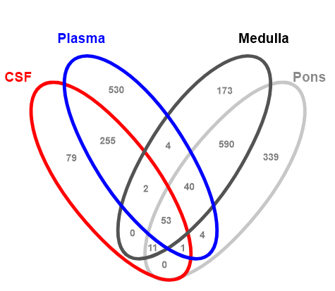
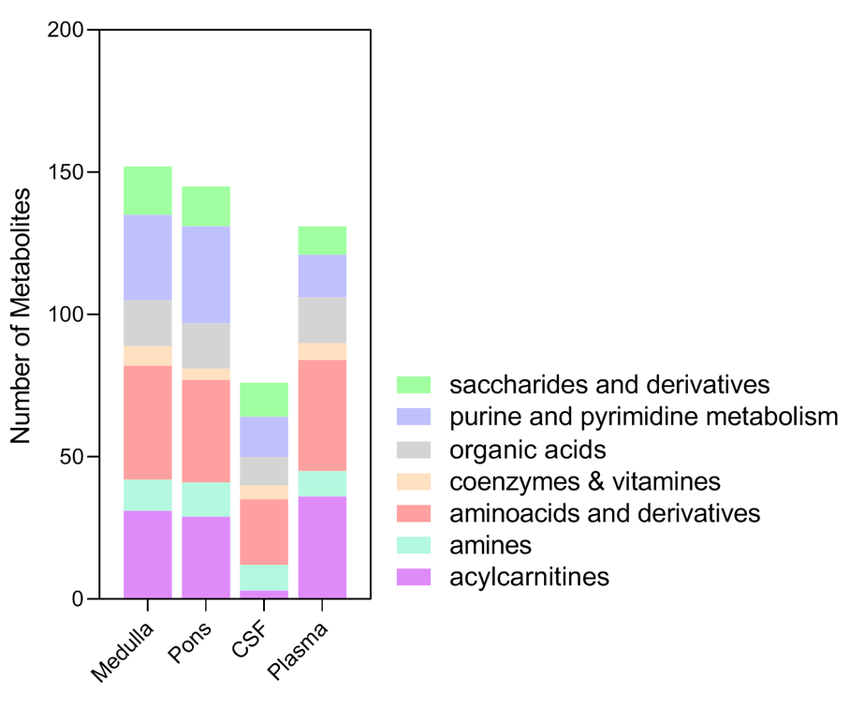
METABOLITES
aminoacids and derivatives | aminoacids and derivatives | AAD | 21 | 17 | 8 | 19
aminoacids and derivatives | aminoacids and derivatives | AAP | 19 | 19 | 15 | 20
acylcarnitines | acyl carnitines long | ACL | 11 | 11 | 0 | 15
acylcarnitines | acyl carnitines medium | ACM | 4 | 5 | 0 | 6
acylcarnitines | acyl carnitines short | ACS | 6 | 5 | 3 | 6
acylcarnitines | acyl carnitines hydroxyl | ACH | 10 | 8 | 0 | 9
amines | amines | AM | 10 | 11 | 8 | 8
coenzymes & vitamines | coenzymes & vitamines | CV | 7 | 4 | 5 | 6
organic acids | organic acids | OA | 14 | 14 | 8 | 14
purine and pyrimidine metabolism | purine & pyrimidine bases & ribosides | PP | 18 | 19 | 15 | 16
purine and pyrimidine metabolism | purine & pyrimidine conjugates | PPC | 7 | 7 | 0 | 0
purine and pyrimidine metabolism | purine & pyrimidine nucleotides | PPN | 6 | 9 | 0 | 0
saccharides and derivatives | saccharides | SA | 10 | 8 | 10 | 10
saccharides and derivatives | saccharides phosphate | SAP | 7 | 6 | 2 | 0
 |  | SUBTOTAL | 152 | 145 | 76 | 131
 |  | TOTAL | 873 | 1038 | 401 | 889

