Enrichment analysis - medulla
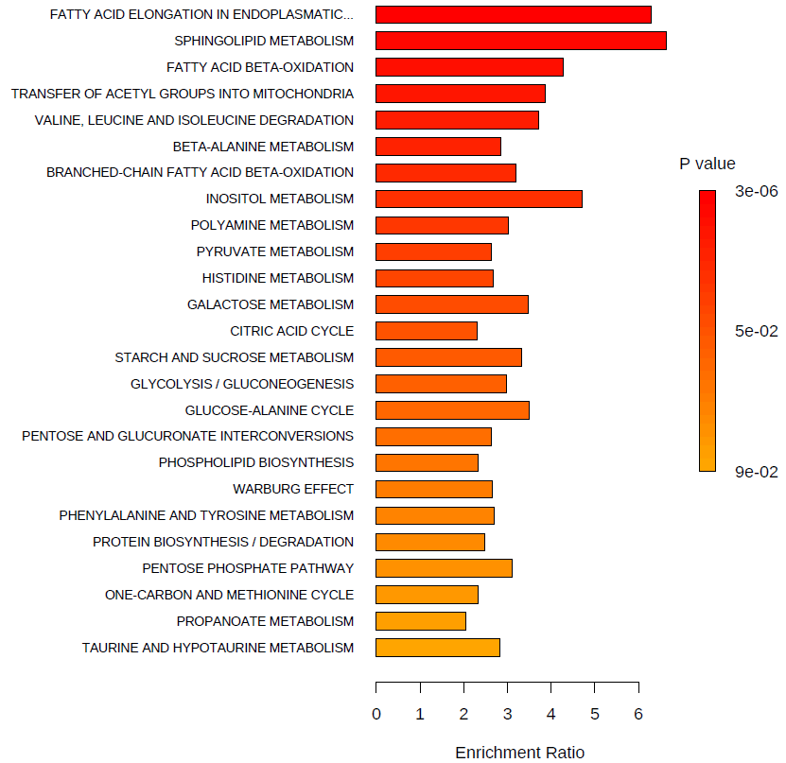
Rank | Colour | Metabolic Pathways | Total | Hits | Statistic Q | Expected | P-value (<0.05 - highlighted) | Holm P | FDR
1 | ﻿ | FATTY ACID ELONGATION IN ENDOPLASMATIC RETICULUM | 22 | 5 | 41.907 | 6.667 | 0.000003 | 0.0002 | 0.0002
2 | ﻿ | SPHINGOLIPID METABOLISM | 11 | 4 | 44.247 | 6.667 | 0.001125 | 0.0585 | 0.0298
3 | ﻿ | FATTY ACID BETA-OXIDATION | 54 | 22 | 28.505 | 6.667 | 0.002814 | 0.1435 | 0.0467
4 | ﻿ | TRANSFER OF ACETYL GROUPS INTO MITOCHONDRIA | 24 | 7 | 25.821 | 6.667 | 0.003525 | 0.1763 | 0.0467
5 | ﻿ | VALINE, LEUCINE AND ISOLEUCINE DEGRADATION | 46 | 13 | 24.695 | 6.667 | 0.010891 | 0.5337 | 0.1081
6 | ﻿ | BETA-ALANINE METABOLISM | 27 | 12 | 19.004 | 6.667 | 0.013794 | 0.6621 | 0.1081
7 | ﻿ | BRANCHED-CHAIN FATTY ACID BETA-OXIDATION | 26 | 6 | 21.237 | 6.667 | 0.014597 | 0.6861 | 0.1081
8 | ﻿ | INOSITOL METABOLISM | 19 | 3 | 31.331 | 6.667 | 0.016317 | 0.7506 | 0.1081
9 | ﻿ | POLYAMINE METABOLISM | 16 | 7 | 20.135 | 6.667 | 0.023962 | 1.0000 | 0.1106
10 | ﻿ | PYRUVATE METABOLISM | 22 | 5 | 17.513 | 6.667 | 0.024759 | 1.0000 | 0.1106
11 | ﻿ | HISTIDINE METABOLISM | 14 | 6 | 17.798 | 6.667 | 0.026741 | 1.0000 | 0.1106
12 | ﻿ | GALACTOSE METABOLISM | 25 | 6 | 23.129 | 6.667 | 0.027514 | 1.0000 | 0.1106
13 | ﻿ | CITRIC ACID CYCLE | 23 | 9 | 15.318 | 6.667 | 0.030397 | 1.0000 | 0.1106
14 | ﻿ | STARCH AND SUCROSE METABOLISM | 32 | 5 | 22.189 | 6.667 | 0.031724 | 1.0000 | 0.1106
15 | ﻿ | GLYCOLYSIS / GLUCONEOGENESIS | 27 | 5 | 19.795 | 6.667 | 0.032117 | 1.0000 | 0.1106
16 | ﻿ | GLUCOSE-ALANINE CYCLE | 14 | 5 | 23.334 | 6.667 | 0.033386 | 1.0000 | 0.1106
17 | ﻿ | PENTOSE AND GLUCURONATE INTERCONVERSIONS | 4 | 3 | 17.514 | 6.667 | 0.041689 | 1.0000 | 0.1300
18 | ﻿ | PHOSPHOLIPID BIOSYNTHESIS | 8 | 4 | 15.562 | 6.667 | 0.047403 | 1.0000 | 0.1325
19 | ﻿ | WARBURG EFFECT | 44 | 10 | 17.642 | 6.667 | 0.047485 | 1.0000 | 0.1325
20 | ﻿ | PHENYLALANINE AND TYROSINE METABOLISM | 16 | 5 | 17.924 | 6.667 | 0.050523 | 1.0000 | 0.1339
21 | ﻿ | PROTEIN BIOSYNTHESIS / DEGRADATION | 26 | 23 | 16.508 | 6.667 | 0.059132 | 1.0000 | 0.1492
22 | ﻿ | PENTOSE PHOSPHATE PATHWAY | 20 | 4 | 20.700 | 6.667 | 0.064238 | 1.0000 | 0.1548
23 | ﻿ | ONE-CARBON AND METHIONINE CYCLE | 14 | 8 | 15.472 | 6.667 | 0.073035 | 1.0000 | 0.1683
24 | ﻿ | PROPANOATE METABOLISM | 25 | 10 | 13.615 | 6.667 | 0.077971 | 1.0000 | 0.1722
25 | ﻿ | TAURINE AND HYPOTAURINE METABOLISM | 7 | 1 | 18.810 | 6.667 | 0.093277 | 1.0000 | 0.1934
26 | ﻿ | GLUTATHIONE METABOLISM | 14 | 6 | 14.065 | 6.667 | 0.098637 | 1.0000 | 0.1934
27 | ﻿ | FRUCTOSE AND MANNOSE METABOLISM | 19 | 4 | 14.348 | 6.667 | 0.101790 | 1.0000 | 0.1934
28 | ﻿ | ALANINE METABOLISM | 9 | 2 | 16.894 | 6.667 | 0.102170 | 1.0000 | 0.1934
29 | ﻿ | LYSINE DEGRADATION | 14 | 4 | 12.273 | 6.667 | 0.120930 | 1.0000 | 0.2210
30 | ﻿ | FATTY ACID BIOSYNTHESIS | 33 | 1 | 15.222 | 6.667 | 0.135180 | 1.0000 | 0.2388
31 | ﻿ | PYRIMIDINE METABOLISM | 37 | 8 | 11.918 | 6.667 | 0.147650 | 1.0000 | 0.2524
32 | ﻿ | FOLATE METABOLISM | 29 | 2 | 12.984 | 6.667 | 0.153510 | 1.0000 | 0.2543
33 | ﻿ | NICOTINATE AND NICOTINAMIDE METABOLISM | 14 | 2 | 12.602 | 6.667 | 0.159030 | 1.0000 | 0.2554
34 | ﻿ | ARGININE AND PROLINE METABOLISM | 23 | 11 | 9.837 | 6.667 | 0.202110 | 1.0000 | 0.3088
35 | ﻿ | GLYCINE, SERINE AND THREONINE METABOLISM | 27 | 9 | 9.745 | 6.667 | 0.205910 | 1.0000 | 0.3088
36 | ﻿ | PRIMARY BILE ACID BIOSYNTHESIS | 3 | 2 | 10.610 | 6.667 | 0.209740 | 1.0000 | 0.3088
37 | ﻿ | MITOCHONDRIAL ELECTRON TRANSPORT CHAIN | 15 | 4 | 9.610 | 6.667 | 0.223200 | 1.0000 | 0.3197
38 | ﻿ | BUTANOATE METABOLISM | 25 | 10 | 8.901 | 6.667 | 0.239170 | 1.0000 | 0.3300
39 | ﻿ | GLYCEROL PHOSPHATE SHUTTLE | 8 | 2 | 9.526 | 6.667 | 0.248900 | 1.0000 | 0.3300
40 | ﻿ | AMINO SUGAR AND NUCLEOTIDE SUGAR METABOLISM | 29 | 12 | 8.727 | 6.667 | 0.249070 | 1.0000 | 0.3300
41 | ﻿ | KETONE BODY METABOLISM | 13 | 4 | 8.728 | 6.667 | 0.271000 | 1.0000 | 0.3503
42 | ﻿ | ARGININE BIOSYNTHESIS (UREA CYCLE) | 20 | 10 | 8.373 | 6.667 | 0.282510 | 1.0000 | 0.3565
43 | ﻿ | ASPARTATE METABOLISM | 15 | 10 | 7.037 | 6.667 | 0.336190 | 1.0000 | 0.4144
44 | ﻿ | PANTOTHENATE AND COENZYME A BIOSYNTHESIS | 24 | 7 | 6.789 | 6.667 | 0.346550 | 1.0000 | 0.4174
45 | ﻿ | RIBOFLAVIN METABOLISM | 3 | 2 | 6.483 | 6.667 | 0.382270 | 1.0000 | 0.4502
46 | ﻿ | GLUTAMATE METABOLISM | 18 | 8 | 4.781 | 6.667 | 0.458910 | 1.0000 | 0.5287
47 | ﻿ | GLYCEROLIPID METABOLISM | 7 | 3 | 5.649 | 6.667 | 0.485500 | 1.0000 | 0.5475
48 | ﻿ | PURINE METABOLISM | 51 | 21 | 3.758 | 6.667 | 0.555520 | 1.0000 | 0.6056
49 | ﻿ | CYSTEINE AND METHIONINE METABOLISM | 25 | 11 | 4.046 | 6.667 | 0.559920 | 1.0000 | 0.6056
50 | ﻿ | TRYPTOPHAN METABOLISM | 36 | 3 | 3.400 | 6.667 | 0.593360 | 1.0000 | 0.6290
51 | ﻿ | ALPHA-LINOLENIC AND LINOLEIC ACID METABOLISM | 18 | 1 | 0.476 | 6.667 | 0.799530 | 1.0000 | 0.8309
52 | ﻿ | MALATE-ASPARTATE SHUTTLE | 8 | 3 | 1.482 | 6.667 | 0.844120 | 1.0000 | 0.8604
53 | ﻿ | THIAMINE METABOLISM | 9 | 1 | 0.031 | 6.667 | 0.948360 | 1.0000 | 0.9484

Enrichment analysis - pons
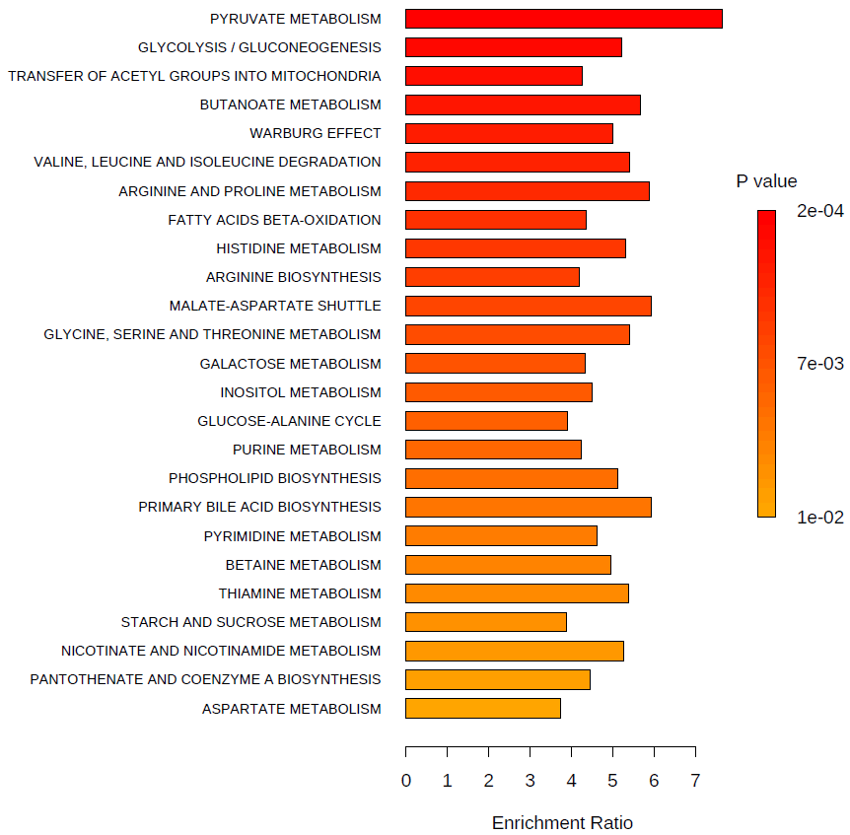
Rank | Colour | Metabolic Pathways | Total | Hits | Statistic Q | Expected | P-value (<0.05 - highlighted) | Holm P | FDR
1 | ﻿ | PYRUVATE METABOLISM | 22 | 3 | 36.412 | 4.762 | 0.00019 | 0.010 | 0.010
2 | ﻿ | GLYCOLYSIS / GLUCONEOGENESIS | 27 | 7 | 24.839 | 4.762 | 0.00277 | 0.141 | 0.023
3 | ﻿ | TRANSFER OF ACETYL GROUPS INTO MITOCHONDRIA | 24 | 7 | 20.256 | 4.762 | 0.00288 | 0.144 | 0.023
4 | ﻿ | BUTANOATE METABOLISM | 25 | 8 | 27.060 | 4.762 | 0.00344 | 0.169 | 0.023
5 | ﻿ | WARBURG EFFECT | 44 | 8 | 23.860 | 4.762 | 0.00374 | 0.180 | 0.023
6 | ﻿ | VALINE, LEUCINE AND ISOLEUCINE DEGRADATION | 46 | 11 | 25.709 | 4.762 | 0.00391 | 0.184 | 0.023
7 | ﻿ | ARGININE AND PROLINE METABOLISM | 23 | 11 | 28.045 | 4.762 | 0.00500 | 0.230 | 0.023
8 | ﻿ | FATTY ACIDS BETA-OXIDATION | 54 | 20 | 20.795 | 4.762 | 0.00597 | 0.269 | 0.023
9 | ﻿ | HISTIDINE METABOLISM | 14 | 6 | 25.307 | 4.762 | 0.00598 | 0.269 | 0.023
10 | ﻿ | ARGININE BIOSYNTHESIS | 20 | 12 | 19.935 | 4.762 | 0.00632 | 0.272 | 0.023
11 | ﻿ | MALATE-ASPARTATE SHUTTLE | 8 | 3 | 28.270 | 4.762 | 0.00691 | 0.290 | 0.023
12 | ﻿ | GLYCINE, SERINE AND THREONINE METABOLISM | 27 | 9 | 25.815 | 4.762 | 0.00696 | 0.290 | 0.023
13 | ﻿ | GALACTOSE METABOLISM | 25 | 5 | 20.668 | 4.762 | 0.00722 | 0.290 | 0.023
14 | ﻿ | INOSITOL METABOLISM | 19 | 3 | 21.430 | 4.762 | 0.00777 | 0.303 | 0.023
15 | ﻿ | GLUCOSE-ALANINE CYCLE | 14 | 5 | 18.556 | 4.762 | 0.00778 | 0.303 | 0.023
16 | ﻿ | PURINE METABOLISM | 51 | 23 | 20.200 | 4.762 | 0.00808 | 0.303 | 0.023
17 | ﻿ | PHOSPHOLIPID BIOSYNTHESIS | 8 | 4 | 24.423 | 4.762 | 0.00840 | 0.303 | 0.023
18 | ﻿ | PRIMARY BILE ACID BIOSYNTHESIS | 3 | 2 | 28.246 | 4.762 | 0.00878 | 0.307 | 0.023
19 | ﻿ | PYRIMIDINE METABOLISM | 37 | 9 | 21.996 | 4.762 | 0.00880 | 0.307 | 0.023
20 | ﻿ | BETAINE METABOLISM | 12 | 7 | 23.576 | 4.762 | 0.00903 | 0.307 | 0.023
21 | ﻿ | THIAMINE METABOLISM | 9 | 3 | 25.601 | 4.762 | 0.00942 | 0.307 | 0.023
22 | ﻿ | STARCH AND SUCROSE METABOLISM | 32 | 8 | 18.446 | 4.762 | 0.00954 | 0.307 | 0.023
23 | ﻿ | NICOTINATE AND NICOTINAMIDE METABOLISM | 14 | 2 | 25.095 | 4.762 | 0.01226 | 0.368 | 0.028
24 | ﻿ | PANTOTHENATE AND COENZYME A BIOSYNTHESIS | 24 | 7 | 21.254 | 4.762 | 0.01431 | 0.415 | 0.030
25 | ﻿ | ASPARTATE METABOLISM | 15 | 8 | 17.773 | 4.762 | 0.01480 | 0.415 | 0.030
26 | ﻿ | AMINO SUGAR AND NUCLEOTIDE SUGAR METABOLISM | 29 | 13 | 15.949 | 4.762 | 0.01490 | 0.415 | 0.030
27 | ﻿ | BETA-ALANINE METABOLISM | 27 | 7 | 17.887 | 4.762 | 0.01547 | 0.415 | 0.030
28 | ﻿ | MITOCHONDRIAL ELECTRON TRANSPORT CHAIN | 15 | 5 | 19.911 | 4.762 | 0.01594 | 0.415 | 0.030
29 | ﻿ | CITRIC ACID CYCLE | 23 | 8 | 14.390 | 4.762 | 0.01654 | 0.415 | 0.030
30 | ﻿ | PROTEIN BIOSYNTHESIS / DEGRADATION | 24 | 20 | 16.945 | 4.762 | 0.02051 | 0.472 | 0.035
31 | ﻿ | FOLATE METABOLISM | 29 | 3 | 22.917 | 4.762 | 0.02091 | 0.472 | 0.035
32 | ﻿ | CYSTEINE AND METHIONINE METABOLISM | 28 | 11 | 19.002 | 4.762 | 0.02249 | 0.472 | 0.037
33 | ﻿ | GLUTATHIONE METABOLISM | 14 | 5 | 17.602 | 4.762 | 0.02624 | 0.525 | 0.041
34 | ﻿ | PENTOSE AND GLUCURONATE INTERCONVERSIONS | 4 | 3 | 14.258 | 4.762 | 0.03209 | 0.610 | 0.049
35 | ﻿ | OXIDATION OF BRANCHED CHAIN FATTY ACIDS | 26 | 6 | 16.684 | 4.762 | 0.03669 | 0.660 | 0.055
36 | ﻿ | PENTOSE PHOSPHATE PATHWAY | 20 | 3 | 18.085 | 4.762 | 0.03836 | 0.660 | 0.055
37 | ﻿ | PHENYLALANINE AND TYROSINE METABOLISM | 16 | 4 | 13.596 | 4.762 | 0.04176 | 0.668 | 0.059
38 | ﻿ | GLUTAMATE METABOLISM | 18 | 8 | 13.309 | 4.762 | 0.04302 | 0.668 | 0.059
39 | ﻿ | LYSINE DEGRADATION | 14 | 3 | 15.350 | 4.762 | 0.04496 | 0.668 | 0.060
40 | ﻿ | SPHINGOLIPID METABOLISM | 11 | 4 | 11.896 | 4.762 | 0.05904 | 0.768 | 0.075
41 | ﻿ | ALANINE METABOLISM | 9 | 4 | 14.386 | 4.762 | 0.05912 | 0.768 | 0.075
42 | ﻿ | POLYAMINE METABOLISM | 16 | 6 | 11.860 | 4.762 | 0.07390 | 0.813 | 0.091
43 | ﻿ | TAURINE AND HYPOTAURINE METABOLISM | 7 | 1 | 14.274 | 4.762 | 0.08299 | 0.830 | 0.098
44 | ﻿ | TRYPTOPHAN METABOLISM | 36 | 4 | 12.134 | 4.762 | 0.08319 | 0.830 | 0.098
45 | ﻿ | PROPANOATE METABOLISM | 25 | 6 | 9.265 | 4.762 | 0.12509 | 1.000 | 0.144
46 | ﻿ | GLYCEROLIPID METABOLISM | 7 | 2 | 10.381 | 4.762 | 0.12697 | 1.000 | 0.144
47 | ﻿ | GLYCEROL PHOSPHATE SHUTTLE | 8 | 1 | 9.854 | 4.762 | 0.15484 | 1.000 | 0.171
48 | ﻿ | FRUCTOSE AND MANNOSE METABOLISM | 19 | 4 | 7.762 | 4.762 | 0.17060 | 1.000 | 0.185
49 | ﻿ | KETONE BODY METABOLISM | 13 | 2 | 8.036 | 4.762 | 0.19356 | 1.000 | 0.205
50 | ﻿ | RIBOFLAVIN METABOLISM | 3 | 1 | 6.253 | 4.762 | 0.26170 | 1.000 | 0.272
51 | ﻿ | ALPHA LINOLENIC ACID AND LINOLEIC ACID METABOLISM | 18 | 3 | 5.523 | 4.762 | 0.31612 | 1.000 | 0.322
52 | ﻿ | FATTY ACID ELONGATION IN ENDOPLASMATIC RETICULUM | 22 | 7 | 4.402 | 4.762 | 0.43030 | 1.000 | 0.430

Enrichment analysis - CSF
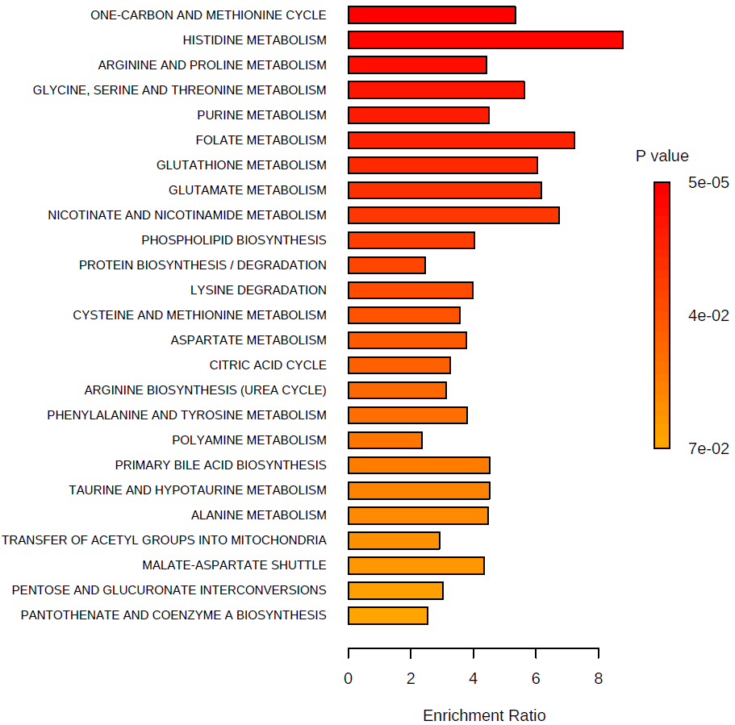
Rank | Colour | Metabolic Pathways | Total | Hits | Statistic Q | Expected | P-value (<0.05 - highlighted) | Holm P | FDR
1 | ﻿ | ONE-CARBON AND METHIONINE CYCLE | 14 | 6 | 31.448 | 5.882 | 0.00005 | 0.002 | 0.002
2 | ﻿ | HISTIDINE METABOLISM | 14 | 2 | 51.708 | 5.882 | 0.00024 | 0.012 | 0.006
3 | ﻿ | ARGININE AND PROLINE METABOLISM | 23 | 6 | 26.039 | 5.882 | 0.00050 | 0.024 | 0.008
4 | ﻿ | GLYCINE, SERINE AND THREONINE METABOLISM | 27 | 5 | 33.107 | 5.882 | 0.00069 | 0.032 | 0.009
5 | ﻿ | PURINE METABOLISM | 51 | 6 | 26.534 | 5.882 | 0.00093 | 0.043 | 0.009
6 | ﻿ | FOLATE METABOLISM | 29 | 1 | 42.536 | 5.882 | 0.00335 | 0.151 | 0.028
7 | ﻿ | GLUTATHIONE METABOLISM | 14 | 3 | 35.565 | 5.882 | 0.00415 | 0.183 | 0.028
8 | ﻿ | GLUTAMATE METABOLISM | 18 | 3 | 36.312 | 5.882 | 0.00481 | 0.207 | 0.028
9 | ﻿ | NICOTINATE AND NICOTINAMIDE METABOLISM | 14 | 1 | 39.611 | 5.882 | 0.00513 | 0.216 | 0.028
10 | ﻿ | PHOSPHOLIPID BIOSYNTHESIS | 8 | 3 | 23.692 | 5.882 | 0.00590 | 0.242 | 0.028
11 | ﻿ | PROTEIN BIOSYNTHESIS / DEGRADATION | 26 | 16 | 14.424 | 5.882 | 0.00619 | 0.248 | 0.028
12 | ﻿ | LYSINE DEGRADATION | 14 | 3 | 23.451 | 5.882 | 0.00665 | 0.259 | 0.028
13 | ﻿ | CYSTEINE AND METHIONINE METABOLISM | 25 | 5 | 21.020 | 5.882 | 0.00846 | 0.321 | 0.033
14 | ﻿ | ASPARTATE METABOLISM | 15 | 4 | 22.166 | 5.882 | 0.01289 | 0.477 | 0.046
15 | ﻿ | CITRIC ACID CYCLE | 23 | 3 | 19.157 | 5.882 | 0.01701 | 0.612 | 0.057
16 | ﻿ | ARGININE BIOSYNTHESIS (UREA CYCLE) | 20 | 5 | 18.349 | 5.882 | 0.02378 | 0.832 | 0.070
17 | ﻿ | PHENYLALANINE AND TYROSINE METABOLISM | 16 | 2 | 22.308 | 5.882 | 0.02563 | 0.871 | 0.070
18 | ﻿ | POLYAMINE METABOLISM | 16 | 5 | 13.920 | 5.882 | 0.02838 | 0.937 | 0.070
19 | ﻿ | PRIMARY BILE ACID BIOSYNTHESIS | 3 | 1 | 26.598 | 5.882 | 0.02847 | 0.937 | 0.070
20 | ﻿ | TAURINE AND HYPOTAURINE METABOLISM | 7 | 1 | 26.598 | 5.882 | 0.02847 | 0.937 | 0.070
21 | ﻿ | ALANINE METABOLISM | 9 | 1 | 26.371 | 5.882 | 0.02928 | 0.937 | 0.070
22 | ﻿ | TRANSFER OF ACETYL GROUPS INTO MITOCHONDRIA | 24 | 5 | 17.182 | 5.882 | 0.03079 | 0.937 | 0.070
23 | ﻿ | MALATE-ASPARTATE SHUTTLE | 8 | 1 | 25.595 | 5.882 | 0.03219 | 0.937 | 0.070
24 | ﻿ | PENTOSE AND GLUCURONATE INTERCONVERSIONS | 4 | 2 | 17.816 | 5.882 | 0.04041 | 1.000 | 0.084
25 | ﻿ | PANTOTHENATE AND COENZYME A BIOSYNTHESIS | 24 | 2 | 14.924 | 5.882 | 0.07156 | 1.000 | 0.140
26 | ﻿ | FATTY ACID BETA-OXIDATION | 54 | 3 | 16.740 | 5.882 | 0.07256 | 1.000 | 0.140
27 | ﻿ | BUTANOATE METABOLISM | 25 | 1 | 17.956 | 5.882 | 0.07971 | 1.000 | 0.143
28 | ﻿ | BETA-ALANINE METABOLISM | 27 | 5 | 12.125 | 5.882 | 0.08031 | 1.000 | 0.143
29 | ﻿ | BRANCHED-CHAIN FATTY ACID BETA-OXIDATION | 26 | 2 | 15.613 | 5.882 | 0.08417 | 1.000 | 0.145
30 | ﻿ | KETONE BODY METABOLISM | 13 | 1 | 16.722 | 5.882 | 0.09200 | 1.000 | 0.153
31 | ﻿ | AMINO SUGAR AND NUCLEOTIDE SUGAR METABOLISM | 29 | 3 | 11.602 | 5.882 | 0.10410 | 1.000 | 0.164
32 | ﻿ | VALINE, LEUCINE AND ISOLEUCINE DEGRADATION | 46 | 4 | 13.352 | 5.882 | 0.10474 | 1.000 | 0.164
33 | ﻿ | STARCH AND SUCROSE METABOLISM | 32 | 3 | 11.135 | 5.882 | 0.13130 | 1.000 | 0.199
34 | ﻿ | GALACTOSE METABOLISM | 25 | 4 | 10.382 | 5.882 | 0.14226 | 1.000 | 0.209
35 | ﻿ | PROPANOATE METABOLISM | 25 | 4 | 9.850 | 5.882 | 0.16640 | 1.000 | 0.238
36 | ﻿ | THIAMINE METABOLISM | 9 | 1 | 10.481 | 5.882 | 0.19000 | 1.000 | 0.264
37 | ﻿ | GLUCOSE-ALANINE CYCLE | 14 | 4 | 9.102 | 5.882 | 0.20163 | 1.000 | 0.272
38 | ﻿ | INOSITOL METABOLISM | 19 | 3 | 8.920 | 5.882 | 0.21378 | 1.000 | 0.281
39 | ﻿ | PYRIMIDINE METABOLISM | 37 | 7 | 8.443 | 5.882 | 0.21907 | 1.000 | 0.281
40 | ﻿ | PYRUVATE METABOLISM | 22 | 2 | 8.073 | 5.882 | 0.25942 | 1.000 | 0.322
41 | ﻿ | SPHINGOLIPID METABOLISM | 11 | 3 | 7.951 | 5.882 | 0.26376 | 1.000 | 0.322
42 | ﻿ | GLYCOLYSIS / GLUCONEOGENESIS | 27 | 3 | 6.964 | 5.882 | 0.30123 | 1.000 | 0.350
43 | ﻿ | WARBURG EFFECT | 44 | 3 | 6.964 | 5.882 | 0.30123 | 1.000 | 0.350
44 | ﻿ | FRUCTOSE AND MANNOSE METABOLISM | 19 | 1 | 3.524 | 5.882 | 0.45570 | 1.000 | 0.518
45 | ﻿ | RIBOFLAVIN METABOLISM | 3 | 1 | 3.022 | 5.882 | 0.49031 | 1.000 | 0.545
46 | ﻿ | PENTOSE PHOSPHATE PATHWAY | 20 | 2 | 2.918 | 5.882 | 0.58524 | 1.000 | 0.636
47 | ﻿ | GLYCEROL PHOSPHATE SHUTTLE | 8 | 1 | 1.297 | 5.882 | 0.65276 | 1.000 | 0.665
48 | ﻿ | GLYCEROLIPID METABOLISM | 7 | 1 | 1.297 | 5.882 | 0.65276 | 1.000 | 0.665
49 | ﻿ | MITOCHONDRIAL ELECTRON TRANSPORT CHAIN | 15 | 1 | 1.297 | 5.882 | 0.65276 | 1.000 | 0.665
50 | ﻿ | TRYPTOPHAN METABOLISM | 36 | 2 | 1.831 | 5.882 | 0.66502 | 1.000 | 0.665

Enrichment analysis - plasma
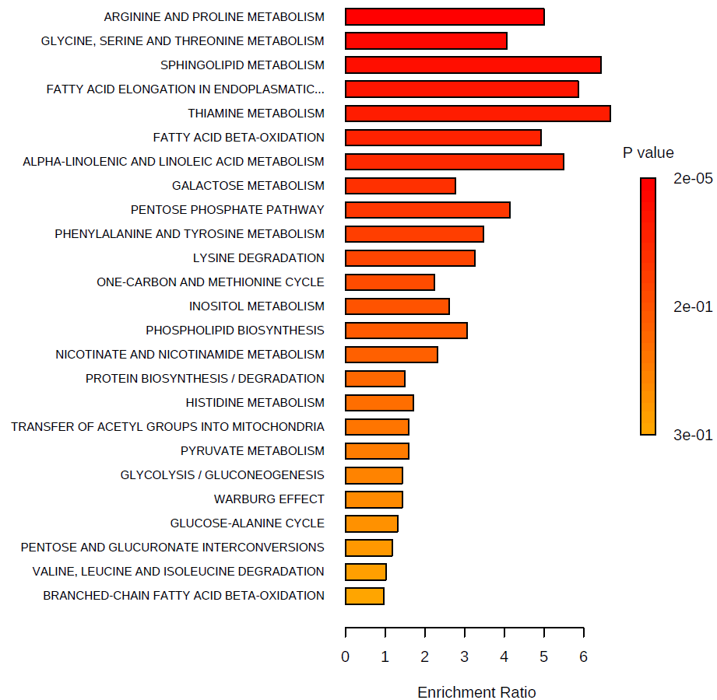
Rank | Colour | Metabolic Pathways | Total | Hits | Statistic Q | Expected | P-value (<0.05 - highlighted) | Holm P | FDR
1 | ﻿ | ARGININE AND PROLINE METABOLISM | 23 | 10 | 35.704 | 7.143 | 0.00002 | 0.001 | 0.001
2 | ﻿ | GLYCINE, SERINE AND THREONINE METABOLISM | 27 | 9 | 29.098 | 7.143 | 0.00020 | 0.010 | 0.005
3 | ﻿ | SPHINGOLIPID METABOLISM | 11 | 3 | 46.051 | 7.143 | 0.00046 | 0.022 | 0.008
4 | ﻿ | FATTY ACID ELONGATION IN ENDOPLASMATIC RETICULUM | 22 | 5 | 41.880 | 7.143 | 0.00431 | 0.203 | 0.043
5 | ﻿ | THIAMINE METABOLISM | 9 | 1 | 47.730 | 7.143 | 0.00435 | 0.203 | 0.043
6 | ﻿ | FATTY ACID BETA-OXIDATION | 54 | 22 | 35.219 | 7.143 | 0.00517 | 0.232 | 0.043
7 | ﻿ | ALPHA-LINOLENIC AND LINOLEIC ACID METABOLISM | 18 | 2 | 39.255 | 7.143 | 0.01105 | 0.486 | 0.079
8 | ﻿ | GALACTOSE METABOLISM | 25 | 4 | 19.828 | 7.143 | 0.03168 | 1.000 | 0.192
9 | ﻿ | PENTOSE PHOSPHATE PATHWAY | 20 | 1 | 29.671 | 7.143 | 0.03576 | 1.000 | 0.192
10 | ﻿ | PHENYLALANINE AND TYROSINE METABOLISM | 16 | 3 | 24.886 | 7.143 | 0.04244 | 1.000 | 0.192
11 | ﻿ | LYSINE DEGRADATION | 14 | 3 | 23.271 | 7.143 | 0.04588 | 1.000 | 0.192
12 | ﻿ | ONE-CARBON AND METHIONINE CYCLE | 14 | 8 | 15.993 | 7.143 | 0.04614 | 1.000 | 0.192
13 | ﻿ | INOSITOL METABOLISM | 19 | 2 | 18.703 | 7.143 | 0.06028 | 1.000 | 0.232
14 | ﻿ | PHOSPHOLIPID BIOSYNTHESIS | 8 | 1 | 21.966 | 7.143 | 0.07804 | 1.000 | 0.279
15 | ﻿ | NICOTINATE AND NICOTINAMIDE METABOLISM | 14 | 2 | 16.631 | 7.143 | 0.11581 | 1.000 | 0.386
16 | ﻿ | PROTEIN BIOSYNTHESIS / DEGRADATION | 26 | 23 | 10.669 | 7.143 | 0.13325 | 1.000 | 0.416
17 | ﻿ | HISTIDINE METABOLISM | 14 | 5 | 12.234 | 7.143 | 0.14938 | 1.000 | 0.439
18 | ﻿ | TRANSFER OF ACETYL GROUPS INTO MITOCHONDRIA | 24 | 3 | 11.470 | 7.143 | 0.18756 | 1.000 | 0.521
19 | ﻿ | PYRUVATE METABOLISM | 22 | 1 | 11.448 | 7.143 | 0.21739 | 1.000 | 0.567
20 | ﻿ | GLYCOLYSIS / GLUCONEOGENESIS | 27 | 2 | 10.229 | 7.143 | 0.23794 | 1.000 | 0.567
21 | ﻿ | WARBURG EFFECT | 44 | 2 | 10.229 | 7.143 | 0.23794 | 1.000 | 0.567
22 | ﻿ | GLUCOSE-ALANINE CYCLE | 14 | 5 | 9.410 | 7.143 | 0.25175 | 1.000 | 0.572
23 | ﻿ | PENTOSE AND GLUCURONATE INTERCONVERSIONS | 4 | 2 | 8.441 | 7.143 | 0.29221 | 1.000 | 0.635
24 | ﻿ | VALINE, LEUCINE AND ISOLEUCINE DEGRADATION | 46 | 13 | 7.293 | 7.143 | 0.33925 | 1.000 | 0.652
25 | ﻿ | BRANCHED-CHAIN FATTY ACID BETA-OXIDATION | 26 | 4 | 6.949 | 7.143 | 0.34642 | 1.000 | 0.652
26 | ﻿ | ALANINE METABOLISM | 9 | 2 | 7.507 | 7.143 | 0.35042 | 1.000 | 0.652
27 | ﻿ | PROPANOATE METABOLISM | 25 | 7 | 7.065 | 7.143 | 0.35218 | 1.000 | 0.652
28 | ﻿ | TAURINE AND HYPOTAURINE METABOLISM | 7 | 2 | 7.448 | 7.143 | 0.37334 | 1.000 | 0.667
29 | ﻿ | POLYAMINE METABOLISM | 16 | 6 | 7.278 | 7.143 | 0.39466 | 1.000 | 0.680
30 | ﻿ | BETA-ALANINE METABOLISM | 27 | 7 | 5.979 | 7.143 | 0.42651 | 1.000 | 0.689
31 | ﻿ | RIBOFLAVIN METABOLISM | 3 | 1 | 4.788 | 7.143 | 0.43335 | 1.000 | 0.689
32 | ﻿ | STARCH AND SUCROSE METABOLISM | 32 | 2 | 5.761 | 7.143 | 0.44120 | 1.000 | 0.689
33 | ﻿ | KETONE BODY METABOLISM | 13 | 2 | 4.258 | 7.143 | 0.46850 | 1.000 | 0.705
34 | ﻿ | ARGININE BIOSYNTHESIS (UREA CYCLE) | 20 | 8 | 5.785 | 7.143 | 0.49427 | 1.000 | 0.705
35 | ﻿ | FOLATE METABOLISM | 29 | 2 | 4.778 | 7.143 | 0.52010 | 1.000 | 0.705
36 | ﻿ | MITOCHONDRIAL ELECTRON TRANSPORT CHAIN | 15 | 1 | 3.132 | 7.143 | 0.52806 | 1.000 | 0.705
37 | ﻿ | GLUTAMATE METABOLISM | 18 | 5 | 3.958 | 7.143 | 0.53407 | 1.000 | 0.705
38 | ﻿ | CITRIC ACID CYCLE | 23 | 2 | 2.949 | 7.143 | 0.54716 | 1.000 | 0.705
39 | ﻿ | BUTANOATE METABOLISM | 25 | 6 | 3.580 | 7.143 | 0.55015 | 1.000 | 0.705
40 | ﻿ | MALATE-ASPARTATE SHUTTLE | 8 | 2 | 3.038 | 7.143 | 0.58029 | 1.000 | 0.714
41 | ﻿ | GLUTATHIONE METABOLISM | 14 | 7 | 5.365 | 7.143 | 0.58537 | 1.000 | 0.714
42 | ﻿ | PYRIMIDINE METABOLISM | 37 | 9 | 3.421 | 7.143 | 0.61678 | 1.000 | 0.734
43 | ﻿ | TRYPTOPHAN METABOLISM | 36 | 5 | 4.672 | 7.143 | 0.65699 | 1.000 | 0.764
44 | ﻿ | ASPARTATE METABOLISM | 15 | 6 | 3.156 | 7.143 | 0.70310 | 1.000 | 0.799
45 | ﻿ | CYSTEINE AND METHIONINE METABOLISM | 25 | 9 | 4.443 | 7.143 | 0.72790 | 1.000 | 0.809
46 | ﻿ | FRUCTOSE AND MANNOSE METABOLISM | 19 | 1 | 0.798 | 7.143 | 0.75158 | 1.000 | 0.817
47 | ﻿ | PRIMARY BILE ACID BIOSYNTHESIS | 3 | 3 | 1.062 | 7.143 | 0.77926 | 1.000 | 0.829
48 | ﻿ | PANTOTHENATE AND COENZYME A BIOSYNTHESIS | 24 | 4 | 1.043 | 7.143 | 0.85882 | 1.000 | 0.895
49 | ﻿ | PURINE METABOLISM | 51 | 10 | 1.915 | 7.143 | 0.88015 | 1.000 | 0.898
50 | ﻿ | AMINO SUGAR AND NUCLEOTIDE SUGAR METABOLISM | 29 | 1 | 0.043 | 7.143 | 0.94120 | 1.000 | 0.941

 | ﻿ | ARGININE AND PROLINE METABOLISM | 23 | 10 | 35.704 | 7.143 | 0.00002 | 0.001 | 0.001
 | ﻿ | GLYCINE, SERINE AND THREONINE METABOLISM | 27 | 9 | 29.098 | 7.143 | 0.00020 | 0.010 | 0.005
 | ﻿ | SPHINGOLIPID METABOLISM | 11 | 3 | 46.051 | 7.143 | 0.00046 | 0.022 | 0.008
 | ﻿ | FATTY ACID ELONGATION IN ENDOPLASMATIC RETICULUM | 22 | 5 | 41.880 | 7.143 | 0.00431 | 0.203 | 0.043
 | ﻿ | THIAMINE METABOLISM | 9 | 1 | 47.730 | 7.143 | 0.00435 | 0.203 | 0.043
 | ﻿ | FATTY ACID BETA-OXIDATION | 54 | 22 | 35.219 | 7.143 | 0.00517 | 0.232 | 0.043
 | ﻿ | ALPHA-LINOLENIC AND LINOLEIC ACID METABOLISM | 18 | 2 | 39.255 | 7.143 | 0.01105 | 0.486 | 0.079
 | ﻿ | GALACTOSE METABOLISM | 25 | 4 | 19.828 | 7.143 | 0.03168 | 1.000 | 0.192
 | ﻿ | PENTOSE PHOSPHATE PATHWAY | 20 | 1 | 29.671 | 7.143 | 0.03576 | 1.000 | 0.192
 | ﻿ | PHENYLALANINE AND TYROSINE METABOLISM | 16 | 3 | 24.886 | 7.143 | 0.04244 | 1.000 | 0.192
 | ﻿ | LYSINE DEGRADATION | 14 | 3 | 23.271 | 7.143 | 0.04588 | 1.000 | 0.192
 | ﻿ | ONE-CARBON AND METHIONINE CYCLE | 14 | 8 | 15.993 | 7.143 | 0.04614 | 1.000 | 0.192
 | ﻿ | INOSITOL METABOLISM | 19 | 2 | 18.703 | 7.143 | 0.06028 | 1.000 | 0.232
 | ﻿ | PHOSPHOLIPID BIOSYNTHESIS | 8 | 1 | 21.966 | 7.143 | 0.07804 | 1.000 | 0.279
 | ﻿ | NICOTINATE AND NICOTINAMIDE METABOLISM | 14 | 2 | 16.631 | 7.143 | 0.11581 | 1.000 | 0.386
 | ﻿ | PROTEIN BIOSYNTHESIS / DEGRADATION | 26 | 23 | 10.669 | 7.143 | 0.13325 | 1.000 | 0.416
 | ﻿ | HISTIDINE METABOLISM | 14 | 5 | 12.234 | 7.143 | 0.14938 | 1.000 | 0.439
 | ﻿ | TRANSFER OF ACETYL GROUPS INTO MITOCHONDRIA | 24 | 3 | 11.470 | 7.143 | 0.18756 | 1.000 | 0.521
 | ﻿ | PYRUVATE METABOLISM | 22 | 1 | 11.448 | 7.143 | 0.21739 | 1.000 | 0.567
 | ﻿ | GLYCOLYSIS / GLUCONEOGENESIS | 27 | 2 | 10.229 | 7.143 | 0.23794 | 1.000 | 0.567
 | ﻿ | WARBURG EFFECT | 44 | 2 | 10.229 | 7.143 | 0.23794 | 1.000 | 0.567
 | ﻿ | GLUCOSE-ALANINE CYCLE | 14 | 5 | 9.410 | 7.143 | 0.25175 | 1.000 | 0.572
 | ﻿ | PENTOSE AND GLUCURONATE INTERCONVERSIONS | 4 | 2 | 8.441 | 7.143 | 0.29221 | 1.000 | 0.635
 | ﻿ | VALINE, LEUCINE AND ISOLEUCINE DEGRADATION | 46 | 13 | 7.293 | 7.143 | 0.33925 | 1.000 | 0.652
 | ﻿ | BRANCHED-CHAIN FATTY ACID BETA-OXIDATION | 26 | 4 | 6.949 | 7.143 | 0.34642 | 1.000 | 0.652
 | ﻿ | ALANINE METABOLISM | 9 | 2 | 7.507 | 7.143 | 0.35042 | 1.000 | 0.652
 | ﻿ | PROPANOATE METABOLISM | 25 | 7 | 7.065 | 7.143 | 0.35218 | 1.000 | 0.652
 | ﻿ | TAURINE AND HYPOTAURINE METABOLISM | 7 | 2 | 7.448 | 7.143 | 0.37334 | 1.000 | 0.667
 | ﻿ | POLYAMINE METABOLISM | 16 | 6 | 7.278 | 7.143 | 0.39466 | 1.000 | 0.680
 | ﻿ | BETA-ALANINE METABOLISM | 27 | 7 | 5.979 | 7.143 | 0.42651 | 1.000 | 0.689
 | ﻿ | RIBOFLAVIN METABOLISM | 3 | 1 | 4.788 | 7.143 | 0.43335 | 1.000 | 0.689
 | ﻿ | STARCH AND SUCROSE METABOLISM | 32 | 2 | 5.761 | 7.143 | 0.44120 | 1.000 | 0.689
 | ﻿ | KETONE BODY METABOLISM | 13 | 2 | 4.258 | 7.143 | 0.46850 | 1.000 | 0.705
 | ﻿ | ARGININE BIOSYNTHESIS (UREA CYCLE) | 20 | 8 | 5.785 | 7.143 | 0.49427 | 1.000 | 0.705
 | ﻿ | FOLATE METABOLISM | 29 | 2 | 4.778 | 7.143 | 0.52010 | 1.000 | 0.705
 | ﻿ | MITOCHONDRIAL ELECTRON TRANSPORT CHAIN | 15 | 1 | 3.132 | 7.143 | 0.52806 | 1.000 | 0.705
 | ﻿ | GLUTAMATE METABOLISM | 18 | 5 | 3.958 | 7.143 | 0.53407 | 1.000 | 0.705
 | ﻿ | CITRIC ACID CYCLE | 23 | 2 | 2.949 | 7.143 | 0.54716 | 1.000 | 0.705
 | ﻿ | BUTANOATE METABOLISM | 25 | 6 | 3.580 | 7.143 | 0.55015 | 1.000 | 0.705
 | ﻿ | MALATE-ASPARTATE SHUTTLE | 8 | 2 | 3.038 | 7.143 | 0.58029 | 1.000 | 0.714
 | ﻿ | GLUTATHIONE METABOLISM | 14 | 7 | 5.365 | 7.143 | 0.58537 | 1.000 | 0.714
 | ﻿ | PYRIMIDINE METABOLISM | 37 | 9 | 3.421 | 7.143 | 0.61678 | 1.000 | 0.734
 | ﻿ | TRYPTOPHAN METABOLISM | 36 | 5 | 4.672 | 7.143 | 0.65699 | 1.000 | 0.764
 | ﻿ | ASPARTATE METABOLISM | 15 | 6 | 3.156 | 7.143 | 0.70310 | 1.000 | 0.799
 | ﻿ | CYSTEINE AND METHIONINE METABOLISM | 25 | 9 | 4.443 | 7.143 | 0.72790 | 1.000 | 0.809
 | ﻿ | FRUCTOSE AND MANNOSE METABOLISM | 19 | 1 | 0.798 | 7.143 | 0.75158 | 1.000 | 0.817
 | ﻿ | PRIMARY BILE ACID BIOSYNTHESIS | 3 | 3 | 1.062 | 7.143 | 0.77926 | 1.000 | 0.829
 | ﻿ | PANTOTHENATE AND COENZYME A BIOSYNTHESIS | 24 | 4 | 1.043 | 7.143 | 0.85882 | 1.000 | 0.895
 | ﻿ | PURINE METABOLISM | 51 | 10 | 1.915 | 7.143 | 0.88015 | 1.000 | 0.898
 | ﻿ | AMINO SUGAR AND NUCLEOTIDE SUGAR METABOLISM | 29 | 1 | 0.043 | 7.143 | 0.94120 | 1.000 | 0.941

