2.Taxonomy
Overview of Taxonomy

Stages of Labor
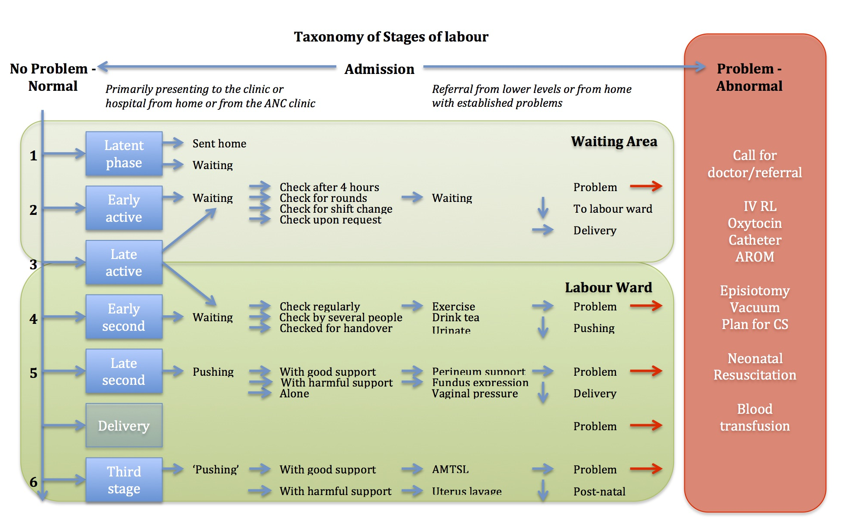

Nursing Actions
Taxonomy of Actions during normal labour |  |  | Taxonomy of Actions in case of abnormality during labour (done by nurses)
Waiting area |  |  | Labour ward
Things | Reasoning | Ways to do it | Things | Reasoning | Ways to do it
Things which are said |  |  | Things which are said
Move around/do exercise | To help speed up dilatation process | Instruction on admission / reminder on ward | Move around/do exercise | To help speed up dilatation process | Suggestion, direct instruction, said in passing, shouted from nursing station
Drink tea/eat | To get enough strength |  | Drink tea/eat | To get more strength
Urinate | To ensure empty bladder and prevent obstruction |  | Urinate | To ensure empty bladder
Asks who needs to be checked / or calls for names of those who need to be checked | 4 hours have passed, there is handover / change of shift, there is a doctors round | Go to the waiting area to collect women, shout from nursing station for names, ask women to get others | Don’t cry / keep silent | You will loose strength, you are not strong, you are embarrassing yourself, you are disturbing
Things which are done |  |  | Did you eat/drink local medicine | To explain poor progress or problem
PV examination | To check dilatation and descend of the head, to plot on partogram | Location: Check on bed, called to labour ward or other room. | Things which are done
 |  | Supplies: One or two pairs of gloves, mostly sterile gloves | Giving RL | Fetal distress | IV line with RL on hand or arm, depending on where it works.
FHR | To check how the baby is doing, to plot on partogram | Listen with fetoscope for 5 sec or more |  | To ‘open the veins'
Labour ward |  |  |  | For resuscitation of either mother or baby
Things | Reasoning | Ways to do it |  | For poor contractions / poor power of the mother
Things which are said |  |  |  | In case of meconium
Lie on your side | No pushing time, lying on back is not good | Suggestion, direct instruction, said in passing, shouted from nursing station |  | For delay in labour / poor dilatation, head remains high
Lie on your back | Pushing time, only way to push is on your back |  |  | In case of bleeding
Don’t push | Head is not down or not fully dilated, not time |  | Giving catheter | To empty bladder | One time catheterization, or placing one with balloon. Only possible when family buys catheter.
Push | Head is down, fully dilated, it is time |  |  | Because of placing RL
Don’t cry / keep silent | You will loose strength, you are not strong, you are embarrassing yourself, you are disturbing |  |  | To prepare for C/S
Things which are done |  |  | AROM | For poor contractions | With a clamp, With hand, With needle, With plastic cover of needle
Things | Reasoning | Ways to do it |  | For delay in labour (in case >8cm)
PV examination | To check/confirm dilatation, descend of the head and if it is time to push | One or two pairs of gloves, mostly sterile, sometimes done by several people to confirm, sometimes not done due to lack of gloves, or not wanting to introduce infection if SROM. | Call for doctor to review / referral | For fetal distress | Write on document for review and await his round
FHR (very incidental, often not done anymore) | To check how the baby is doing | Listen with fetoscope for 5 sec or more, sometimes not done because assume it is good, or assume there is nothing which can be done about it now. |  | For poor progress | Call doctor on call for review
Check for contractions | To see if it is time to push | Looking from a distance, standing next to mother, placing hand on abdomen, listening to sounds of the woman |  | For poor contractions | Both
AROM | To assist final stages of labour when membranes have not ruptured spontaneously and are bulging out of the vagina | With a clamp, With hand, With needle, With plastic cover of needle | Things which are NOT done
Perineum support | To avoid tears | With the hand, with a piece of ‘kitenge’ | AROM | Fear for cord prolapse | NA
Supporting delivery of the baby | To deliver the baby | Pull the head outwards, move up and down, grasp shoulders |  | Due to HIV status
Placing baby on stomach of the mother / or on the bed | To put skin to skin, to ask the woman to hold the baby, to have hands free to collect ‘kitenge’ for stimulation and cover, for collecting the cord clamp | Either on stomach/chest of mother or on the bed. |  | Unable to reach membranes
Clamping the cord | To prepare for cutting the cord | Use cord clamps (from birth kits), use plastic clamps two of them, one of each, use cotton wool, use rims of gloves. |  | No strong gloves available
Cutting the cord | To be able to check the baby’s weight and wrap him/her in kitenge fabric. | Use a scissor, use a razor blade (brought by mother) or use a needle. |  | Fear to expose neonate to infection, fear to remove what protects the baby
Giving oxytocin | For AMTSL, for prevention of bleeding/PPH | Give immediately after birth of the baby, delay if not prepared or readily available or don’t give if o/s, ask family to buy it. |  | Head is still high
Delivery of placenta | To deliver the placenta | Waiting until it comes/mother feels to push, pulling the cord controlled with hand on fundus, pulling the cord with hand above symphysis, Pulling with force or controlled. | Change in position | Is not safe, dangerous | NA
Checking the placenta | To see if the placenta and membranes are complete | Often not done, assumed complete when delivery of placenta is easy, checked in kidney dish or on labour bed. |  | There is no space
Getting rid of the placenta | To dispose the placenta | Placed in special bin, placed in basin of woman, left on the labour bed.
Pushing / massaging the uterus | To ensure contraction of uterus and prevent PPH, to push cloths and blood out of the uterus | Gentle or with force for many minutes (whether or not uterus is contracted)

