CMF donation tracking
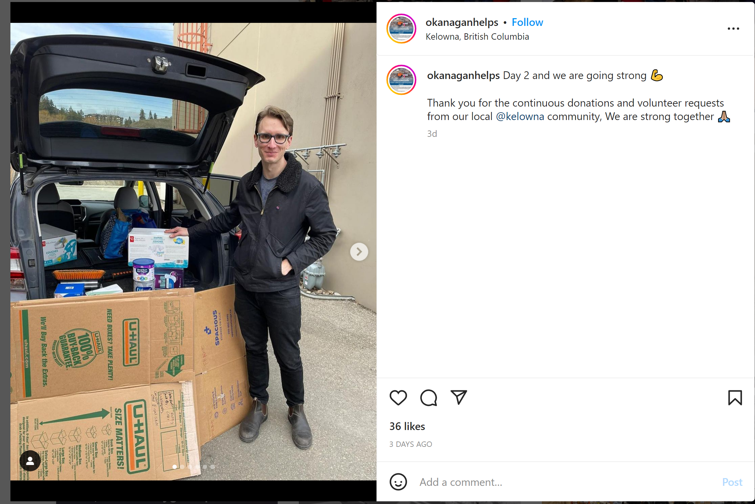
 | Date: | 2023-02-09 | 2023-02-10 | 2023-02-14 | 2023-02-09 | 2023-02-14 | 2023-02-17 | 2023-02-10 | 2023-02-11 | 2023-02-10 | 2023-02-08 | 2023-02-07 | 2023-02-07 | 2023-02-08 | 2023-02-10 | 2023-02-11 | 2023-02-08 | 2023-02-09 | 2023-02-14 | 2023-02-10 | 2023-02-10 | 2023-02-07 | 2023-02-07 | 2023-02-27 | 2023-03-03 | 2023-02-14 | 2023-02-20 | 2023-02-14 | 2023-02-08 | 2023-02-27 | 2023-02-25 | 2023-02-15 | 2023-02-10 | 2023-02-20 | 2023-02-13 | 2023-02-13 | 2023-02-14 | 2023-02-11 | 2023-02-13 | 2023-02-10
 | Where the organization is based: | Canada | Canada | US | US | Turkey | Australia | UK | Canada | Turkiye | Turkiye | Turkiye | Turkiye | Turkiye | Turkiye | Turkiye | Turkiye | Turkiye | Turkiye | Turkiye | Turkiye | Malta | Turkiye | Trukey | Trukey | American/Ireland | United State | United State | Canada | Turkiye | Turkiye | UK | Germany | UK | United States | United States | United States | United States | United States | United States
 | Hyperlink to source: | Local communities | https://www.okanaganhelps.ca/ | Bridge to Turkiye Earthquake Relief Fund (facebook.com) | How Amazon is helping communities impacted by the earthquake in Türkiye and Syria (aboutamazon.com) | https://twitter.com/dwwuk/status/1625568217648484352?s=20 | Food Aid & Donations - MATW Project | Turkey Earthquake Appeal: Drop-Off Points And Suggested Items - Isle of Wight Radio (iwradio.co.uk) | Turkish-Canadians in Edmonton collect donations for quake victims | CTV News | https://www.instagram.com/p/CoelaLPs0sf/?igshid=YmMyMTA2M2Y= | Wee Baby (@weebabyturkiye) • Instagram photos and videos | Sağlıklı Atıştırmalık & Pestil on Instagram: “Haydi KARAMAN yardımlaşma…” | @izmirsagliksen1 • Instagram photos and videos | time35tv on Instagram: “Efes Selçuk Belediyesi öncülüğünde, kentte faaliyet gösteren sivil toplum örgütleri ve yurttaşların desteğiyle, kent dayanışması ruhuyla…” | https://www.instagram.com/p/Coexhd_IJQS/?utm_source=ig_web_copy_link | Akademik Diyetisyenler Derneği (@akademikdiyetisyenlerdernegi) • Instagram photos and videos | Hero Baby Türkiye (@herobabyturkiye) • Instagram photos and videos | Nestlé Türkiye (@nestleturkiye) • Instagram photos and videos | Danone Türkiye on Instagram: “Türkiye olarak içinden geçtiğimiz bu zor günlerde, depremden etkilenen bölge halkının yanında olmak için çalışmalarımızı titizlikle…” | Aptamil Çocuk Devam Sütleri on Instagram: “Yaşadığımız büyük deprem felaketinin derin üzüntüsü içerisindeyiz. Aptamil Çocuk Devam Sütleri olarak yaşadığımız acı depremlerin ilk…” |  | T.C. Valetta Büyükelçiliği- Turkish Embassy in Malta | Facebook | How to donate to international aid groups to help victims of Turkey-Syria earthquake (thenationalnews.com) | Çare Derneği (@caredernegi) • Instagram photos and videos | Ümmetin Sesi Yardım Derneği on Instagram: “Dağıtım merkezimize gönderilen bebek manalarını ihtiyaç duyulan ailelere dağıtımı yapıldı elhamdulillah #bebek #mama #bebekmaması…” | AerCap transports 13 tonnes aid to Turkiye (stattimes.com) | https://www.cbsnews.com/boston/news/help-victims-of-earthquake-in-turkey/, https://twitter.com/usembassynz/status/1627809975493066752?s=20 | (2) Secretary Antony Blinken on Twitter: "Moved to see Scott Timmester of the @usnavy, Selma Sahin, and so many others who are volunteering at the Turkish Embassy to organize and send donations to Turkiye and Syria after the deadly earthquakes. https://t.co/HaUwIT4jTj" / Twitter | (2) Beth Macdonell | CTV News on Twitter: "Volunteers with @TurkFederation are feverishly collecting and organizing donations for earthquake victims in #Turkiye. The most needed items right now are tents, sleeping bags and baby food. For the latest tune in @CTVToronto at 6pm. https://t.co/LSfS25RzKp" / Twitter | (2) Gate Charity on Twitter: "#GateCharity, along with the @Gate_Turkce attended Altcointürk's #KriptoCuma event yesterday ❤️ In the event, we have donated toys and baby food support for the children in the earthquake areas in Turkey! #Gateio #HelpTurkey #Donate #Support https://t.co/wKOkHhClzu" / Twitter | (2) Muslim Charity on Twitter: "We have so far distributed 500 Baby Nappies, Baby Food and 500 Sleeping Mattresses to Turkey's Earthquake Victims. Please continue donating: 🟢 Donate online here: https://t.co/8aRpBM5OXF 🟣 Set up your JustGiving page here: https://t.co/NZ6JJCo1MK https://t.co/QjWSG50h3k" / Twitter | (2) DEC on Twitter: "Families who have lost their homes in Turkey and Syria urgently need blankets, warm clothing, heaters, baby food and diapers to keep their families warm and safe in the freezing conditions. #TurkeySyriaAppeal Donate today: https://t.co/267b15rrEn https://t.co/uOGhXoWptg" / Twitter | (2) mehmet can yıldırım on Twitter: "I would like to thank all my colleagues at @MIRMI_TUM for their generous donations. We collected 150kg of baby food less than 2 days and shipped to Turkey. https://t.co/pc0TCZC8Ys" / Twitter | (2) Greatest Hits Radio West Norfolk on Twitter: "A Norfolk charity say they're looking for baby food, nappies and first aid, for Turkey and Syria Dereham Ukraine Aid Centre have been collecting donations since the earthquake two weeks ago Joanne Marie has been in touch with a Turkish man and his family living in Fakenham: https://t.co/6IxPCwN9nu" / Twitter | Bay Area Groups Send Hundreds of Boxes of Supplies to Turkey Earthquake Survivors – NBC Bay Area | NYMC Supports Relief Efforts for Victims of Turkey and Syria Earthquake | New York Medical College | https://www.nbcdfw.com/news/local/earthquake-relief-donations-from-north-texas-loaded-onto-plane-headed-to-turkey/3192159/ | Earthquake relief efforts in Minnesota gain momentum | MPR News | Student-led groups rally support to assist victims of the devastating earthquake in Turkey, Syria - Purdue University News
Public entity/agency invovled |  | The City of Kitchener & local turkish communities | Okanagan Turkish community members | Bridge to Turkiye Earthquake Relief Fund (facebook.com) | Amazon | Doctors worldwide | MATW International | Isle of Wight local charity | Turkish-Candian Society of Edmonton | AFAD | Turkish Red Crescent | Turkish Red Crescent/Memur-Sen (Confederation of Public Servants Trade Unions)** | Izmir Healthworker union | Izmir Time 35/Çocuklar için Gıda Dayanışması (Food Solidarity for Children) | n/a personal instagram account | Academic dietetic association/personal | n/a | Turkish Red Crescent, AHBAP, AKUT, AFAD, SUDER | AFAD, Pharmaceutical Industry Employers's Union, medical nutritoin industry employers' union | AFAD** | AFAD** | Turkish Embassy in Valetta | Turkish Red Crescent | Çare Solidarity and Association | Ümmetin Sesi İnsani Yardım Derneği | AerCap | Turkish Consulate in Boston | Turkish Embassy in US | Turkish Federation in Canada | Unknown | Muslim Charity UK | The Disaster Emergency Committee | Individuals at Munich Institute of Robotics | Dereham Ukraine Aid Centre | Turkish Consulate in Los Angeles | he Turkish Consulate in New York City | the Turkish American Association of Northern Texas | Minnesota Turkish American Association (TAAM) | Turkish Student Association at Purdue | The Turkish Consulate in Boston
 | Type of agency:
 | NGOs |  |  |  |  | 1 |  |  |  |  | 1 | 1 | 1 |  |  |  |  | 1 | 1 |  |  |  | 1 | 1 | 1 |  |  |  | 1 |  | 1 | 1
 | Government Agencies |  |  |  |  |  |  |  |  | 1 |  |  |  |  |  |  |  |  | 1 | 1 | 1 | 1 |  |  |  |  | 1 | 1 |  |  |  |  |  |  | 1 | 1 |  |  |  | 1
 | Third party/private | 1 | 1 | 1 | 1 |  | 1 | 1 | 1 |  |  |  |  | 1 | 1 | 1 |  |  |  |  |  |  |  |  |  |  |  |  |  | 1 |  |  | 1 | 1 |  |  | 1 | 1 | 1
 | Note: | Accepting in-kind donations | Accepting in-kind donations | Accepting monetary donations to purchase material form suppliers and donating them to local partners in Turkey | Product Donation | Infant formula included in general distribution (need further comfirmation) | Donation links:"baby milk for 1 week" and "baby milk for 4 weeks" with pictures of children and infant holding canned powdered milk products (NIDO) | donation appeal+evidence | Photo evidence of donated formula: 1. bottom left of open truck bay (news website) 2. on the table at the drop off point (facebook post) | Phillips: "Since day one, we are in contact with relevant public institutions and organizations for any kind of support to be provided to disaster areas. As of today, we have started our process of shipping bottles and pacifiers to the region with the coordination of AFAD." |  | **Turkish Red Crescent and Trade Union logos are displayed side by side. Unclear if the donation is initiated by the union to red crescent. Or if red crescent was seeking donations. |  | Izmir Time 35 is a news website that advertized donation appeal from a local NGO in Ephesus | Private instagram account spreading false information regarding infant food donations | Dietetic association amplifying personal donation appeal | Hero BabyTurkiye providing free baby food donations without specifying the recipients |  | Genernal statement from Danone on total numbers of items donated and aid agencies involved. | **Aptamil (subsidiary of Danone) specified it was working with AFAD | **Bebelac (subsidiary of Danone) specified it was working with AFAD |  | News report confirming Turkish Red Crescent has been seeking donations of infant formula | Blanket distribution of infant formula (13500 units on 2/27, 3500 units on 2/13) | "Voice of the Ummah Humanitarian Relief Association" | " humanitarian aid gathered in the Netherlands has been transported on board an AerCap flight to Türkiye" | **news report of infant formula donation was amplified by US Embassy in New Zealand twitter account |  |  | Recipient of donation not specified | Charity based in UK but with staffs working in Turkiye | baby food included in part of their appeal. However, DEC only accepts monetary donation online | student organization at the university collecting donations | Local charity in Norfolk | "Ozisik explained that this is all part of an ongoing effort where the U.S. Turkish Embassy is working with local nonprofits to get donations to Turkey via Turkish Airlines flights" |  | Donation collected are transported to Turkiye by Turkish Airline **likely coordinated by Turkish Embassy | Infant formula visible in video at 0:02 and 1:40 mark | Accepting both cash and in-kind donations | According to Elevli, the mosque takes donations to the consulate in Boston, which gives them to Turkish Airlines.
Activities prohibited in WHA 63.23 & IFE-OG guidelines on BMS/commercial milk formula (CMF) donations in emergency
Sought/accepted donations of BMS, complementary foods and feeding equipment |  | 1 | 1 | 1 |  |  | 1 | 1 | 1 | 1 | 1 | 1 | 1 | 1 | 1 | 1 | n/a | 1 | 1 | 1 | 1 | 1 | 1 |  | 1 | 1 | 1 | 1 | 1 | 1 |  | 1 | 1 | 1 | 1 | 1 | 1 | 1 | 1 | 1
 | Types of products included:
 | infant formula | 1 | 1 |  |  |  | 1 | 1 | 1 |  |  |  | 1 | 1 | 1 | 1 |  | 1 | 1 | 1 |  | 1 | 1 |  | 1 | 1 | 1 | 1 | 1 | 1 |  | 1 | 1 | 1 | 1 | 1 | 1 | 1 | 1 | 1
 | follow-on formula |  |  |  |  |  |  |  |  |  |  |  | 1 |  |  | 1 |  |  | 1 | 1 | 1 |  |  |  | 1 |  |  |  |  | 1
 | growing-up milk |  |  |  |  |  | 1 |  |  |  |  |  |  |  |  | 1 |  |  | 1 | 1 | 1 |  |  |  | 1
 | Other milk products for children 0-36 mo |  |  |  |  |  |  |  |  |  |  |  |  |  |  |  |  |  | ?
 | Baby teas, juices and waters |  |  |  |  |  |  |  |  |  |  |  | 0 |  |  |  |  |  |  |  |  |  |  |  |  |  |  |  |  |  |  |  |  |  |  |  |  |  |  | 1
 | Bottles, teats, breast pumps |  | 1 |  |  |  |  | 1 |  | 1 | 1 | 1 | 1 |  | 1 |  |  |  |  |  |  |  |  |  |  |  |  |  |  |  |  |  |  |  |  |  | 1
 | Any commercial complementary food (marketed for use for infants under six months) |  | 1 | 1 |  |  |  |  |  |  |  |  | 1 |  | 1 |  | 1 |  | ? |  | 1
Note: |  |  | "Baby food" also included in the call for donations, type of baby food donated not specified | "Baby food" included in the material donation they provided |  |  | NIDO milk is displayed in the photo. Unclear if follow-on formula would also be included in their donation effort | Accepting "baby milk, baby bottoles and new baby food". Unclear what products fall under the baby food category | Enfamil, both liquid and powdered formula included in donation received |  | bottles and pacifiers | baby biscuits marketed as suitable complementary foods for babies >4 months | baby biscuits marketed as suitable complementary foods for babies >4 months |  | Post included illustrations of aptamil formula cans, baby biscuits, bottles and pacifiers | baby formula and growing up milk in the hashtags | Product line includes baby porridge/compelmentary food marketed for babies>5 mo | delivered "80 tons of baby food, medical nutrition and other food products" | "135,000 baby and continuing milk (Aptamil)& complementary baby foods, 250,000 UHT pudding and milk" | "We continue to deliver a total of 135,000 baby foods and products for special nutritional needs such as continuation milk, supplementary food for small children and allergies to the disaster area in coordination with AFAD to the disaster area" | "With various brands of our organization, we continue to deliver our products for baby and continuation milk, infant supplementary food and special nutritional needs to the disaster area in coordination with AFAD." |  | "It said it urgently needs items including biscuits, bread, energy bars, flour, ready-to-eat meals, pasta, rice, milk, and baby formula." |  | SMA, bebelac, aptamil | "baby food" |  | Similac, Video evidence at 0:57 | "baby food" | Bebelac follow-on milk shown in picture |  |  | 150 kg of baby food |  |  | >$2500 of inkind donations | nearly 20,000 pounds of supplies | Kirkland ProCare
Source of donation: |  | Local communities | Local communities | Bridge to Turkiye Earthquake Relief Fund | Amazon | unclear | Monetary donations through weblink | Local community | local community | Philips | Wee baby Turkiye | Local community/healthcare workers in the union | Local community/trade union members | Local community | n/a | n/a | Herobaby Turkiye | Nestlé́ Türkiye | Danone Turkiye | Aptamil Turkiye*** | Bebelac Turkiye** | Local community | Local community and other companies* |  | likely local community | Likely private/third party or community | Local community | Individual/local community | local community | Gate charity Turkiye |  | n/a | individuals/local community | Individuals/local community | Northern California Turkish American Association | New York Medical College | Local Communities | Local communities | local comunities | Diyanet Mosque of New Haven, local communities
 | Type of donor:
 | International company |  |  |  |  |  |  |  |  | 1 |  |  |  |  |  |  | 1 | 1 | 1 | 1 | 1 |  | 1 |  |  |  |  |  |  | ?
 | Local company |  |  |  |  |  |  |  |  |  | 1 |  |  |  |  |  |  |  |  |  |  |  | 1
 | Government Agencies
 | NGOs |  |  |  |  |  |  |  |  |  |  |  |  | 1 |  |  |  |  |  |  |  |  |  |  |  |  |  |  |  |  |  |  |  |  | 1 |  |  |  |  | 1
 | Third party/private | 1 | 1 | 1 | 1 |  | 1 | 1 | 1 |  |  | 1 | 1 |  |  |  |  |  |  |  |  | 1 | 1 |  | 1 | 1 | 1 | 1 | 1 | 1 |  |  | 1 | 1 | 1 | 1 | 1 | 1 | 1 | 1
Note: |  |  |  |  | Baby food, not specified |  |  |  |  |  | Baby bottle/pacifier company in Turkiye |  |  |  |  |  | "We have increased our production capacity to deliver more baby food to the region" |  |  | ***Subsidiary of Danone, further code violation on mass media promotion recorded on another sheet | **Subsidiary of Danone |  | *Nestle, Weebaby |  | "The baby meanings that were sent to our distribution center were distributed to needy families. Thank God." |  | The volunteers are working with the Turkish Consulate based in Boston, which is sending the donations overseas. | " Scott Timmester of the @usnavy , Selma Sahin, and so many others who are volunteering at the Turkish Embassy" |  | Gate Charity is a blockchain philanthropist organizaiton, likely based in South Korea, with local office in Turkiye |  |  |  |  |  | NYMC Student-led Drive and Fundraiser
Purchased supplies not based on assessed needs |  |  |  |  |  |  |  |  |  |  |  |  |  |  |  |  |  |  |  |  |  |  |  | 1 |  |  |  |  |  |  | 1
 | Supplies purchased:
 | infant formula |  |  |  |  |  |  |  |  |  |  |  |  |  |  |  |  |  |  |  |  |  |  | 1 |  |  |  |  |  |  | 1
 | follow-on formula
 | growing-up milk
 | Other milk products for chilfren 0-36 mo |  |  |  |  |  |  |  |  |  |  |  |  |  |  |  |  |  |  |  |  |  |  | 1
 | Baby teas, juices and waters
 | Bottoles, teats, breast pumps
 | Any commercial complementary food (marketed for use for infants under six months)
Note:
Sent supplies of donor human milk to an emergency that is not based on identified need and part of a coordinated, managed intervention.
Note:
BMS, other milk products, bottles and teats included in a general or blanket distribution |  |  |  |  |  | 1 |  |  |  |  |  |  |  |  |  |  |  |  |  |  |  |  |  | 1 |  |  |  |  |  |  | 1
 | Types of products included in the distribution:
 | infant formula |  |  |  |  | 1 |  |  |  |  |  |  |  |  |  |  |  |  |  |  |  |  |  | 1 |  |  |  |  |  |  | 1
 | follow-on formula
 | growing-up milk
 | Other milk products for chilfren 0-36 mo |  |  |  |  |  |  |  |  |  |  |  |  |  |  |  |  |  |  |  |  |  |  | 1
 | Baby teas, juices and waters
 | Bottles, teats, breast pumps
 | Any commercial complementary food (marketed for use for infants under six months)
Note: |  |  | 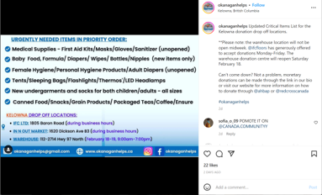 |  |  | 4391 beneficiaries |  |  |  |  |  |  |  |  |  |  |  |  |  |  |  |  |  | "baby formula/baby food" listed on the website without specification |  |  |  |  |  |  | "baby food" listed without specification, website accepting monetary donations only

