Bystro Online Submission
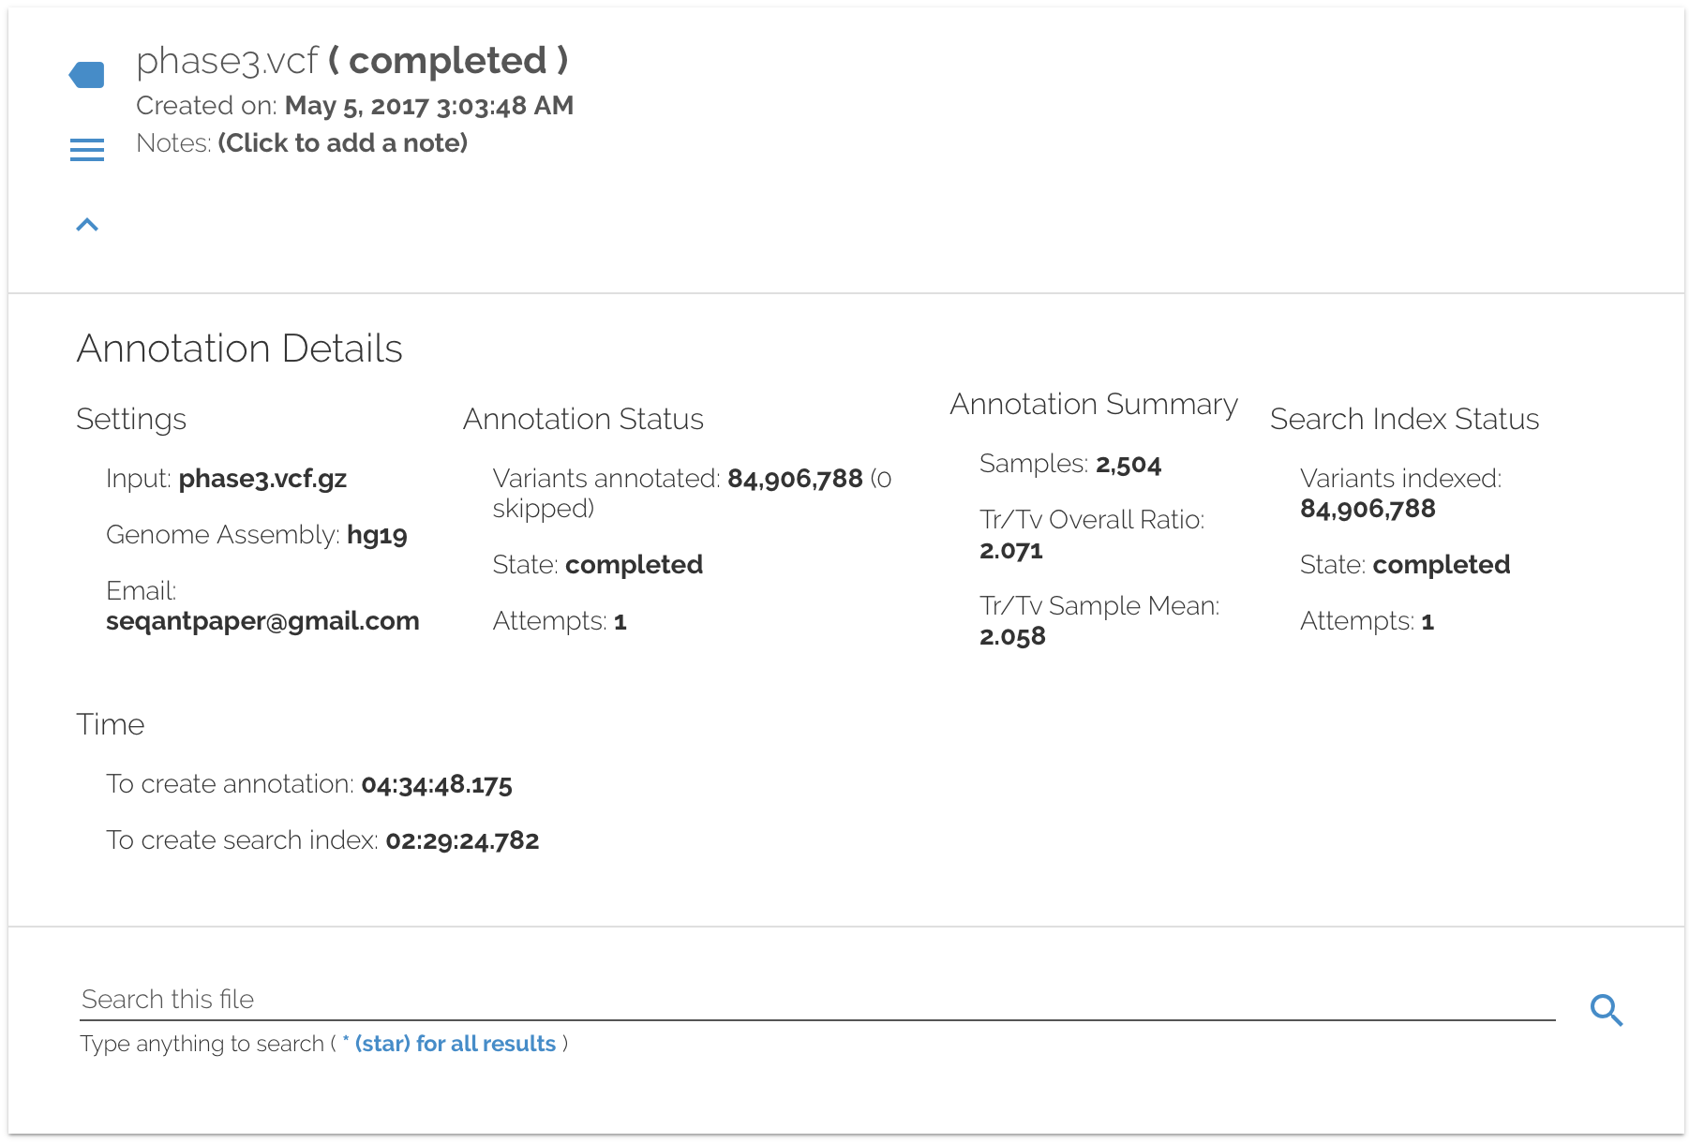
Access Date | 3/20/2017-5/8/17
Genome Assembly | hg19
Configuration | default (see sheet "Bystro Configuration")
Submitted Files | Phase 3 chr1 1M, Phase3 chr1 2M, Phase 3 chr1 4M, Phase 3 chr1, Phase 1, Phase 3

Result Example

wANNOVAR Online Submission
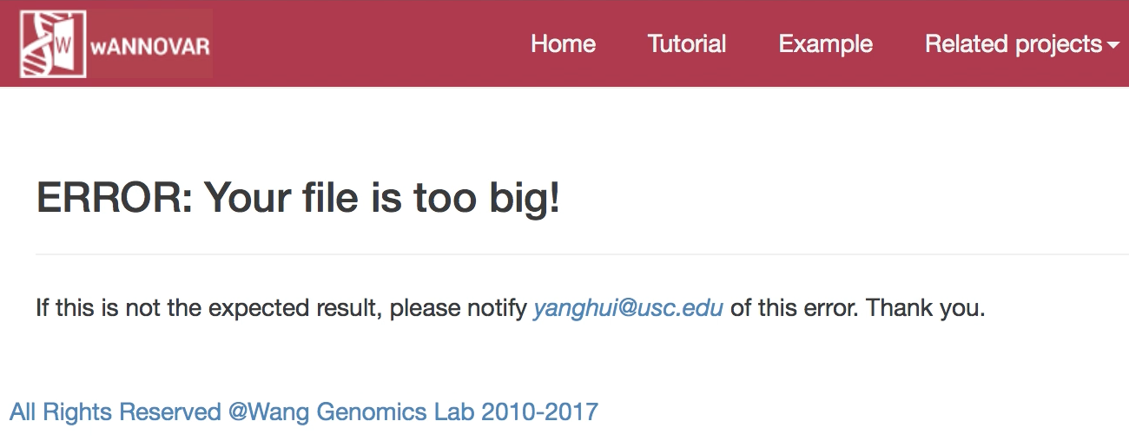
Access Date | 2017-04-17
Result Duration | 2 months
Reference Genome | hg19
Input Format | VCF
Gene Definition | RefSeq Gene
Individual analysis | Individual analysis
Disease Model | none
Submitted File | varied
Notes | All experiments failed with the below message (including 8MB gzip 50,000 line 1000G Phase3 Chromosome 1)

Result

VEP Online Submission
Access Date | 2017-04-17
Assembly | GRCh37.p13
Transcript database to use | RefSeq transcripts
Identifiers | Gene symbol
Find co-located known variants | Yes
Frequency data for co-located variants | 1000 Genomes global minor allele frequency
Pubmed IDs for citations of co-located variants | TRUE
Transcript biotype | TRUE
SIFT | Prediction and score
PolyPhen | Prediction and score
Get regulatory region consequences | Yes
Filter by frequency | No filtering
Restrict results | Show all results
Submitted File | varied
Notes | Failed to complete, full Phase 1 and Phase 3 data sets not attempted
 | Only selected values shown. These represent the default, except for choice of RefSeq transcripts

Result (for tested data sets larger than 100K variants)
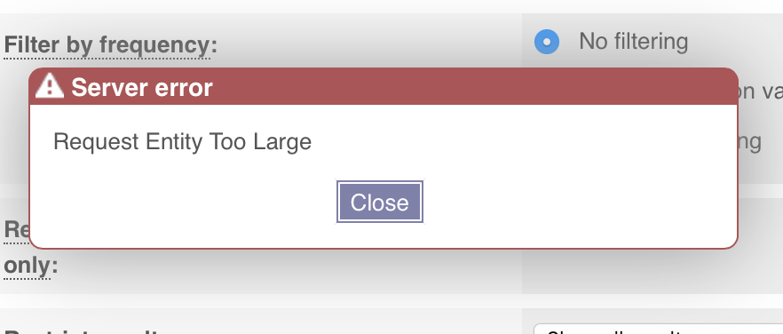

Result (for tested 100K variant data set)

