Exp Dec 2019
RNAi treat. replicates |  | Injected | blood meal (placed in the sleeve) |  | Periviscerokinin RNAi experiment
Non-inj. |  | - | 2019-12-03
dsβ-lac. |  | 2019-12-04 | 2019-12-05
dsRNA 1102-1200 |  | 2019-12-05 | 2019-12-06
dsβ-actin |  | 2019-12-07 | 2019-12-08

Day 6 after ticks placed on the animal

 | Non-Injected |  |  | dsβ-lactamase |  | dsRNA 1102-1200 | dsβ-actin
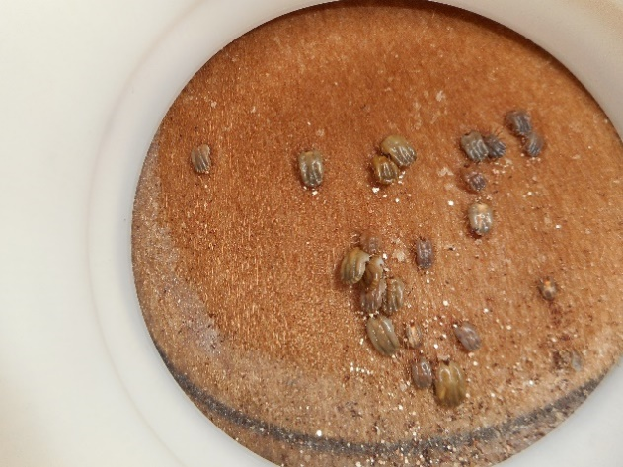
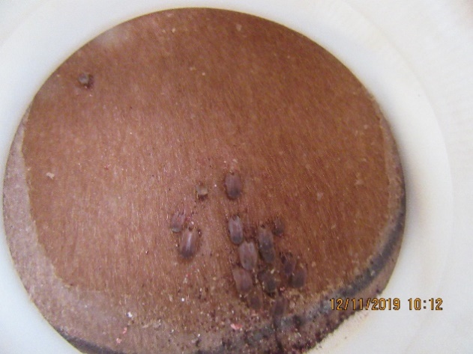
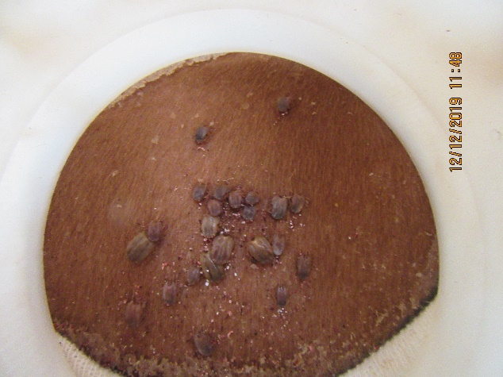
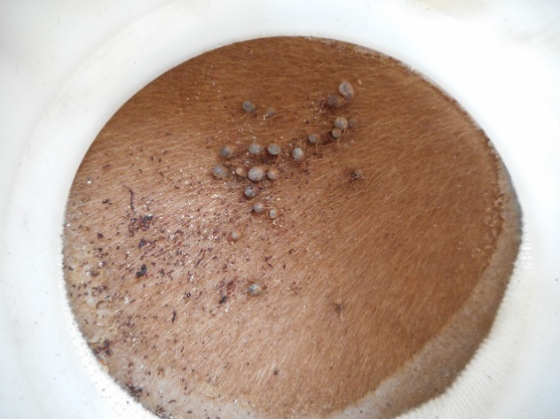

Day 7 after ticks placed on the animal

 | Non-Injected |  |  | dsβ-lactamase |  | dsRNA 1102-1200 | dsβ-actin
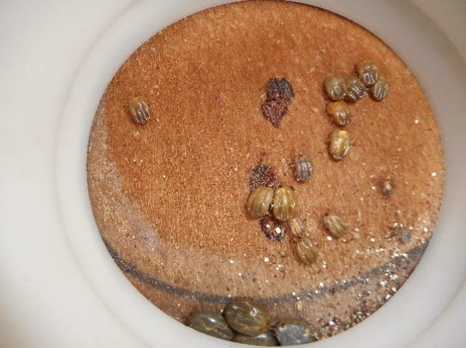
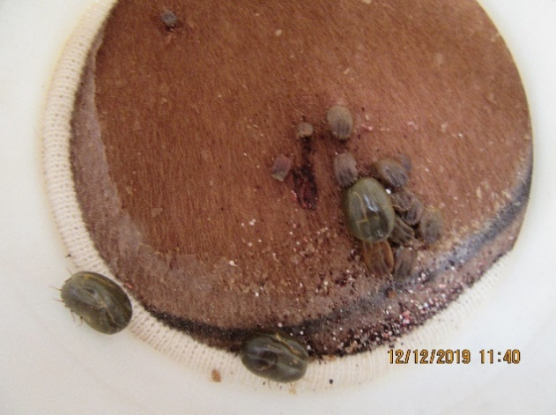
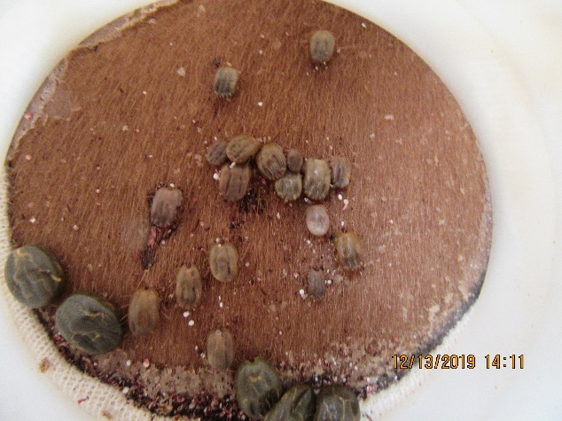
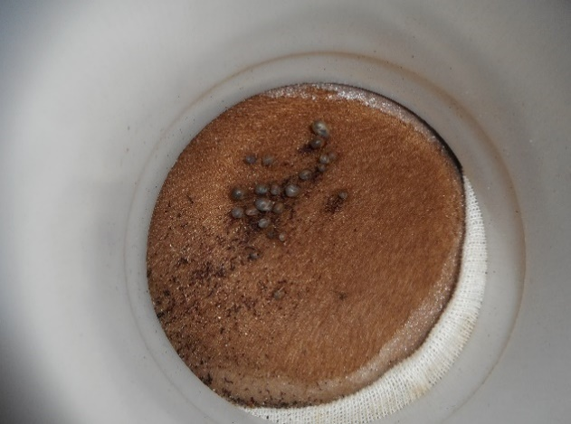

Day 8 after ticks placed on the animal

 | Non-Injected |  |  | dsβ-lactamase |  | dsRNA 1102-1200 | dsβ-actin
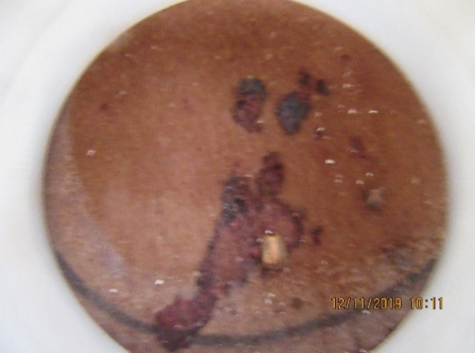
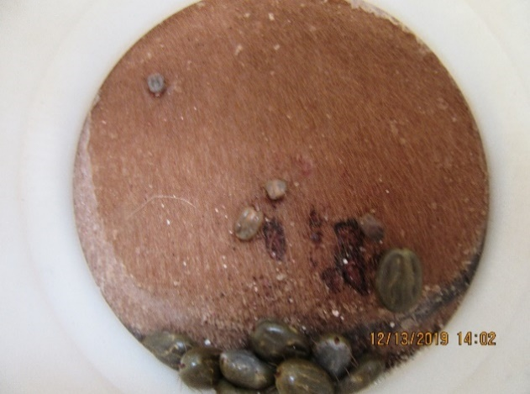
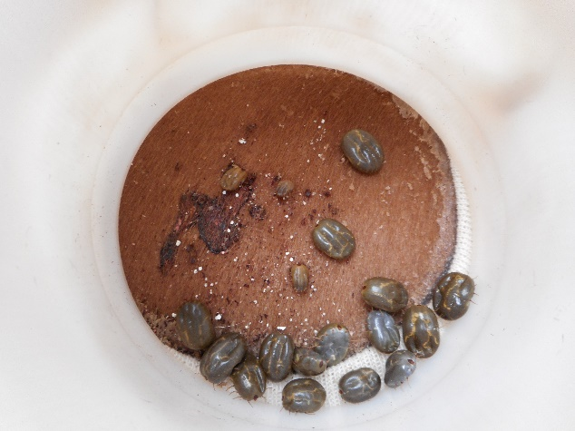
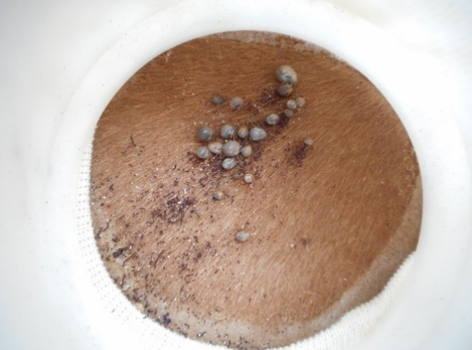

Day 9 after ticks placed on the animal

 | Non-Injected |  |  | dsβ-lactamase |  | dsRNA 1102-1200 | dsβ-actin
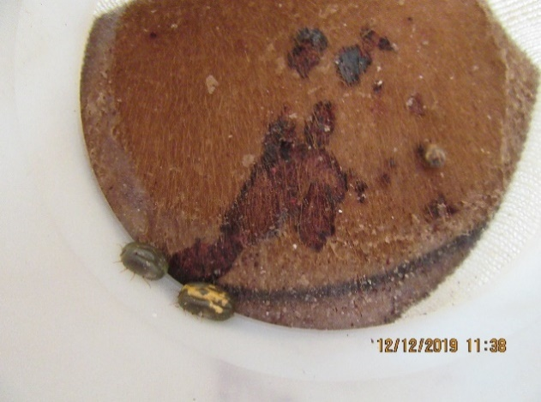
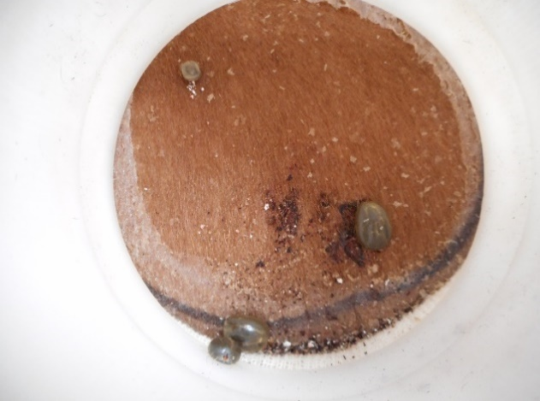
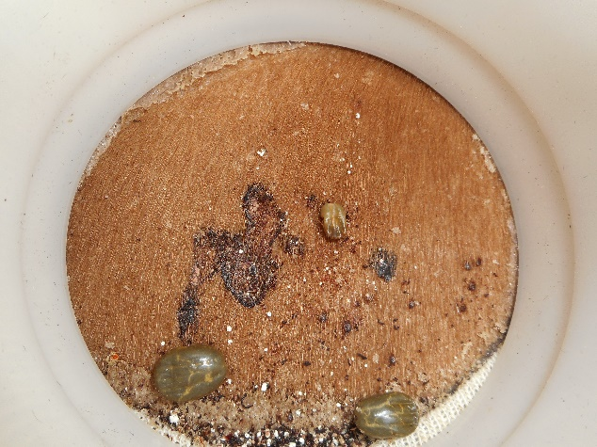
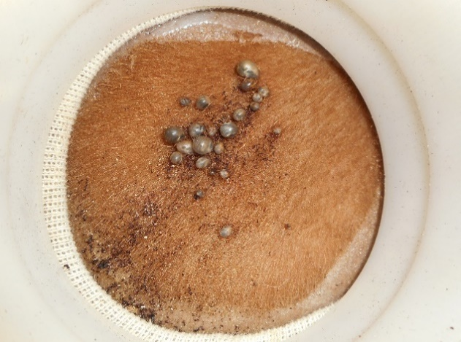

Day 10 after ticks placed on the animal

 | Non-Injected |  |  | dsβ-lactamase |  | dsRNA 1102-1200 | dsβ-actin
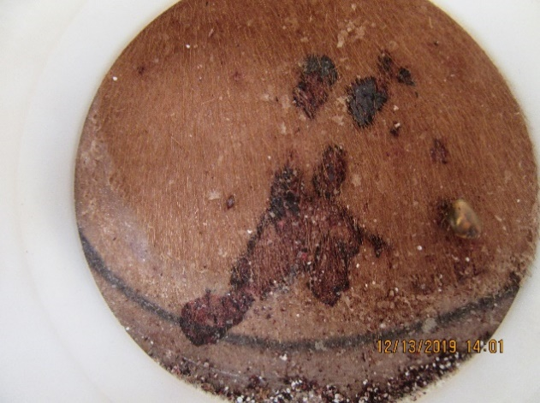
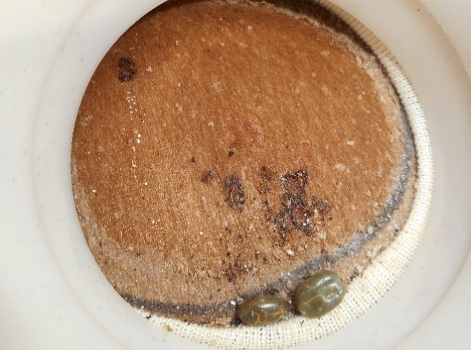
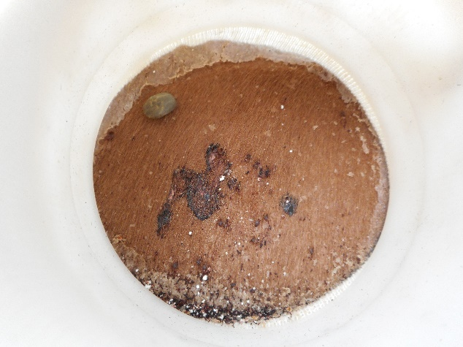
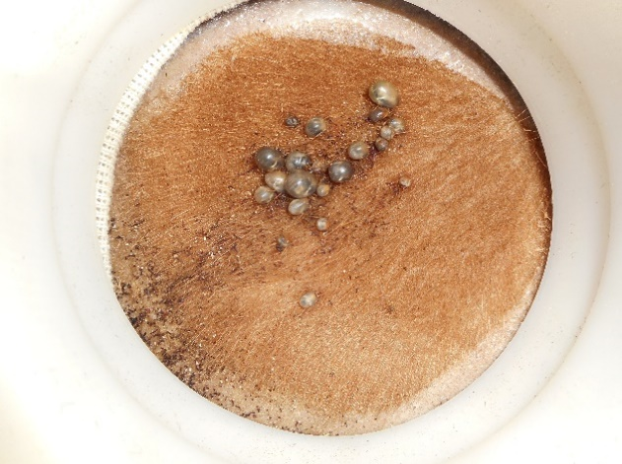

Day 11 after ticks placed on the animal

 | Non-Injected |  |  | dsβ-lactamase |  | dsRNA 1102-1200 | dsβ-actin
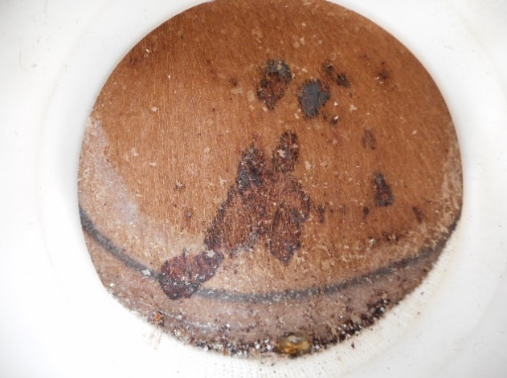
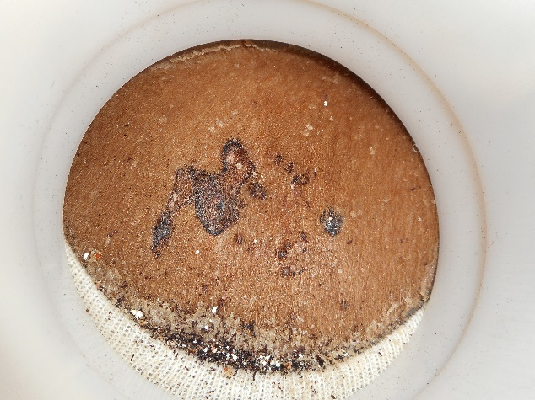
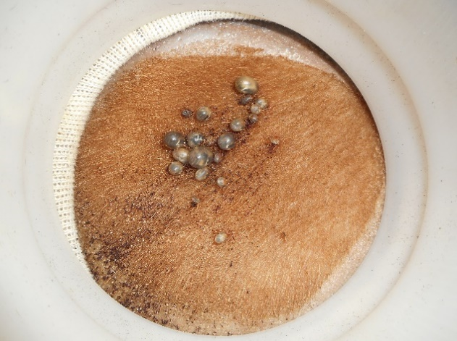

 |  |  |  | NO PICTURE

Exp July 2021
RNAi treat. replicates |  | Injected | blood meal (placed in the sleeve)
Non-inj. |  | - | 2021-07-22
dsβ-lac. |  | 2021-07-21 | 2021-07-22
dsRNA 1102-1200 #1 |  | 2021-07-20 | 2021-07-21
dsRNA 1102-1200 #2 |  | 2021-07-20 | 2021-07-21
dsRNA 1102-1200 #3 |  | 2021-07-22 | 2021-07-23
dsβ-actin |  | 2021-07-21 | 2021-07-22

Day 5 after ticks placed on the animal

 | Non-Injected |  |  | dsβ-lactamase | dsRNA 1102-1200 #1 |  | dsRNA 1102-1200 #2 |  | dsRNA 1102-1200 #3 |  | dsβ-actin
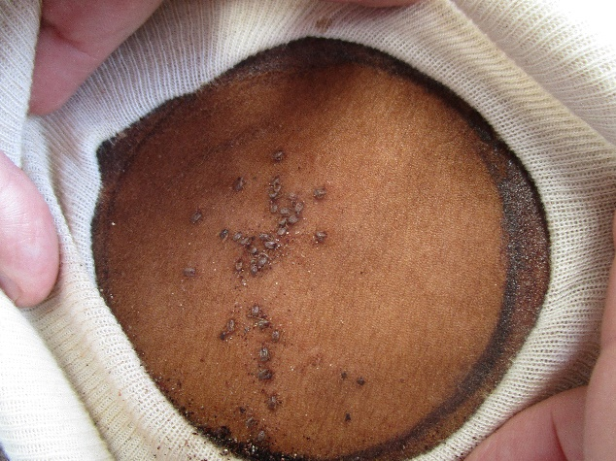
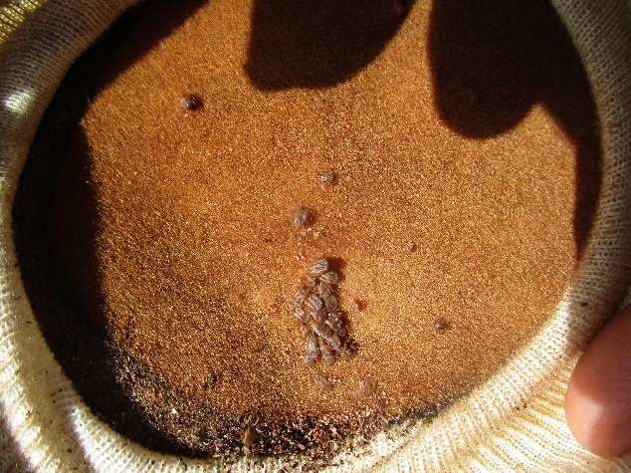
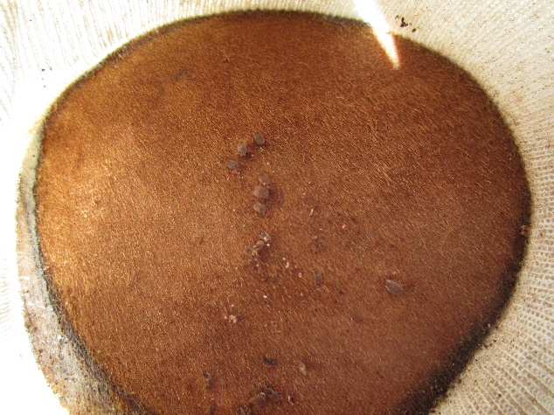
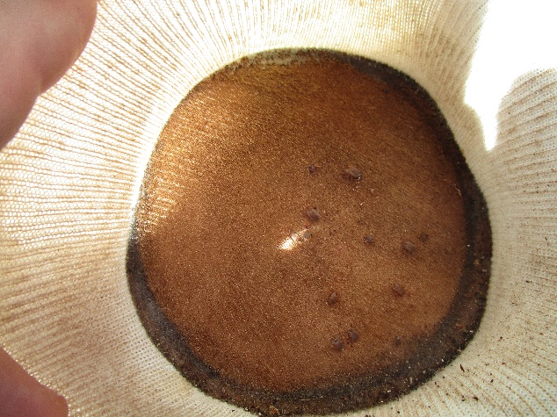
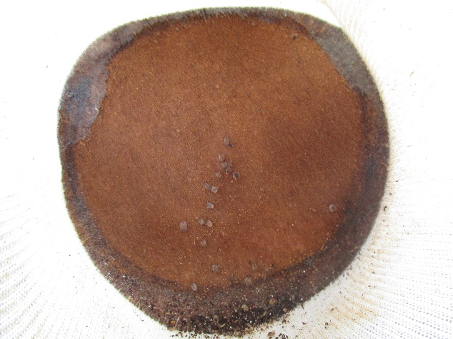
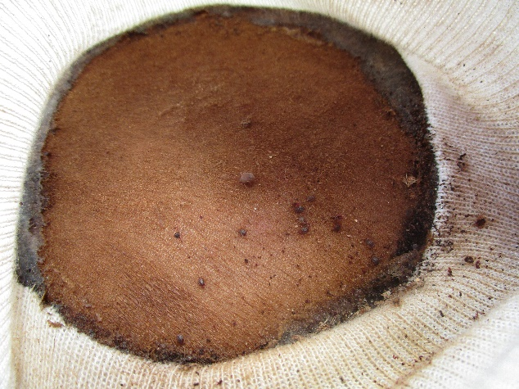

Day 7 after ticks placed on the animal

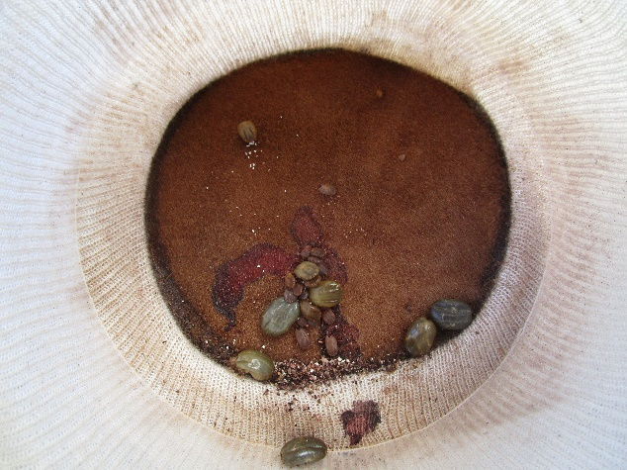
 | Non-Injected |  |  | dsβ-lactamase | dsRNA 1102-1200 #1 | dsRNA 1102-1200 #2 |  | dsRNA 1102-1200 #3 |  | dsβ-actin
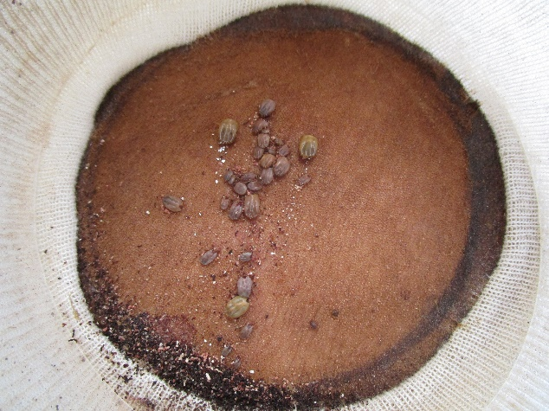
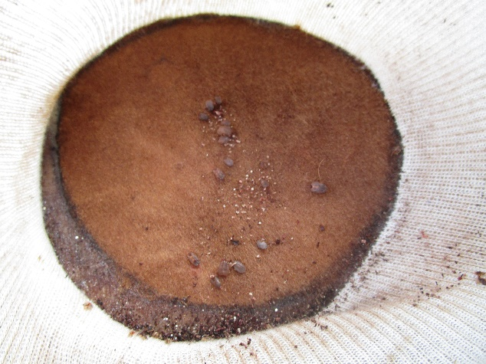
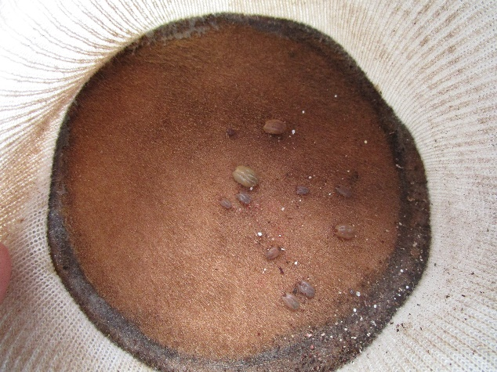
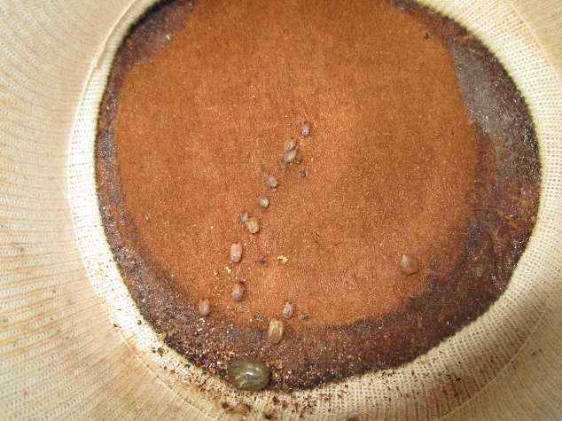
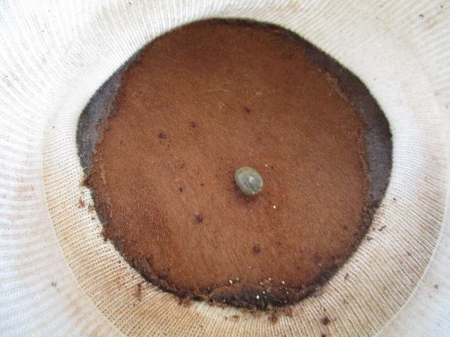

Day 8 after ticks placed on the animal

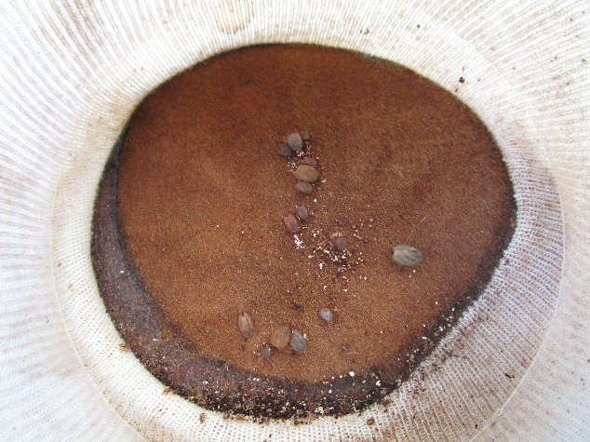
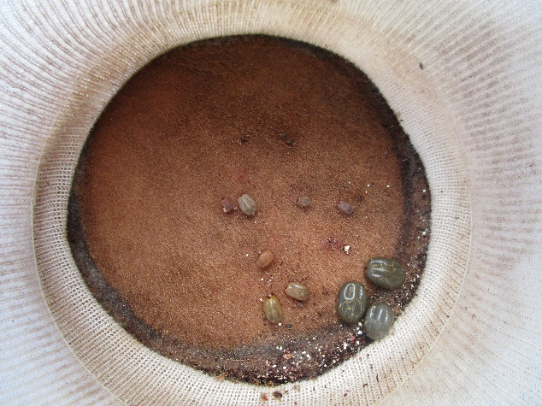
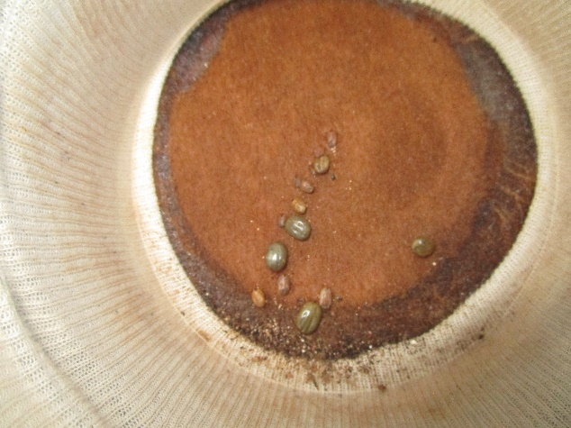
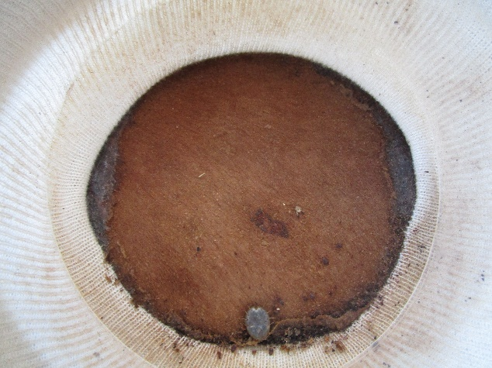
 | Non-Injected |  |  | dsβ-lactamase | dsRNA 1102-1200 #1 | dsRNA 1102-1200 #2 |  | dsRNA 1102-1200 #3 |  | dsβ-actin
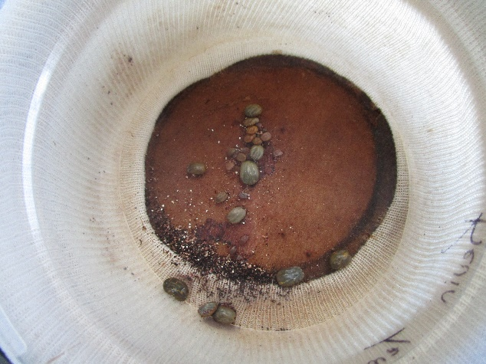
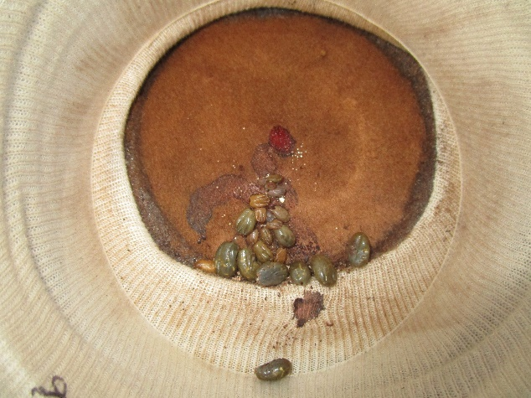

Day 9 after ticks placed on the animal

 | Non-Injected |  |  | dsβ-lactamase | dsRNA 1102-1200 #1 | dsRNA 1102-1200 #2 |  | dsRNA 1102-1200 #3 |  | dsβ-actin
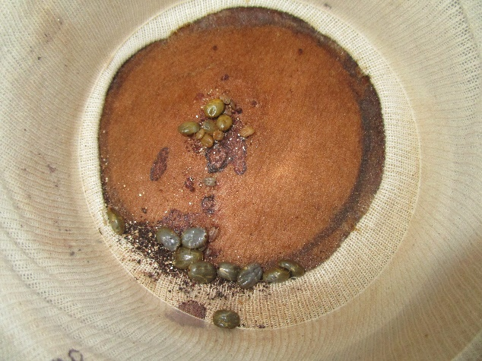
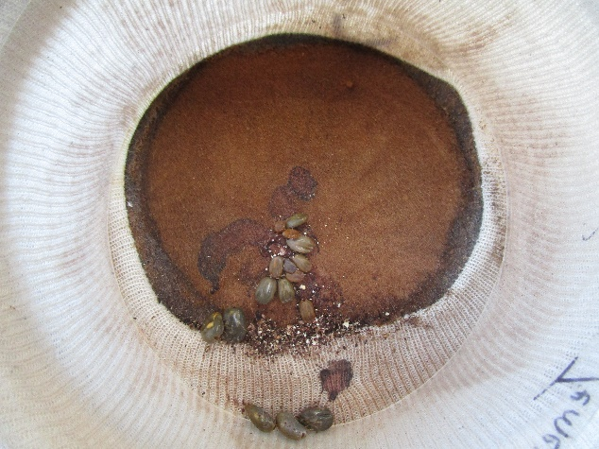
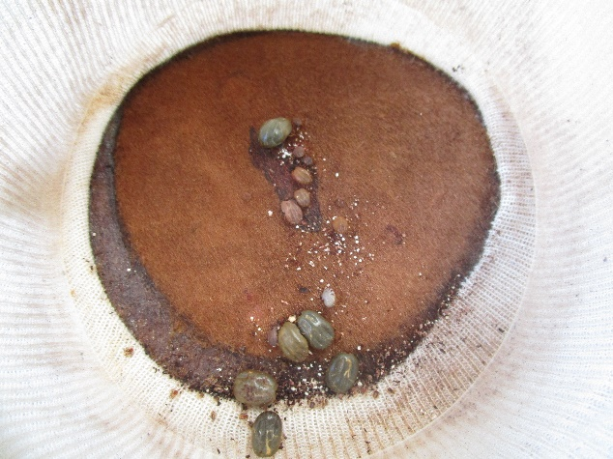
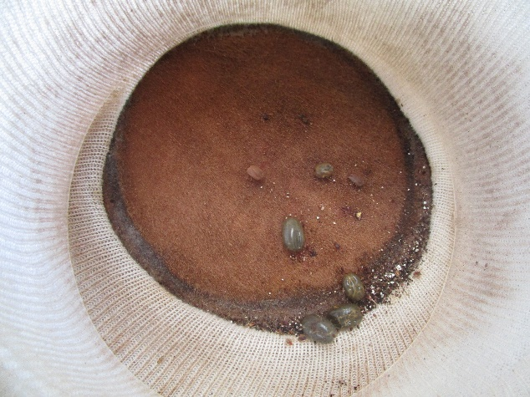
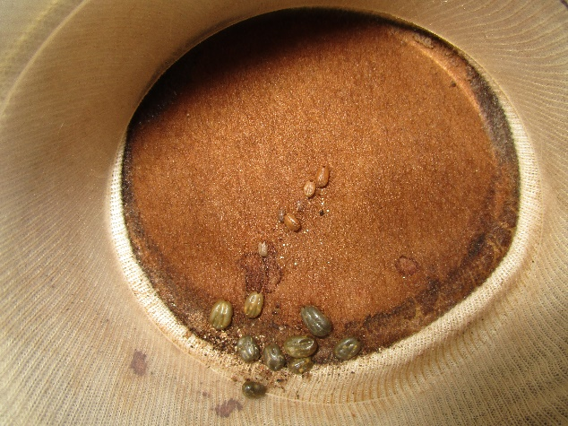
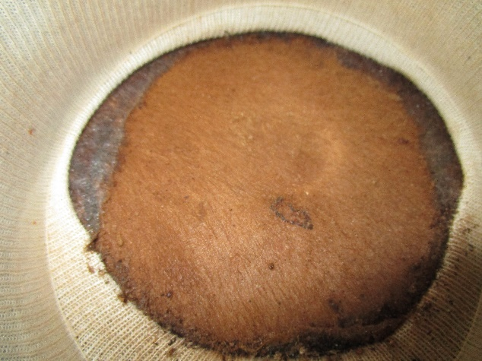

Day 10 after ticks placed on the animal

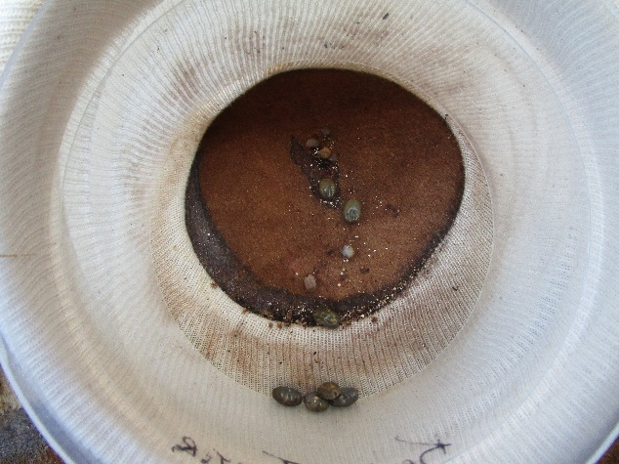
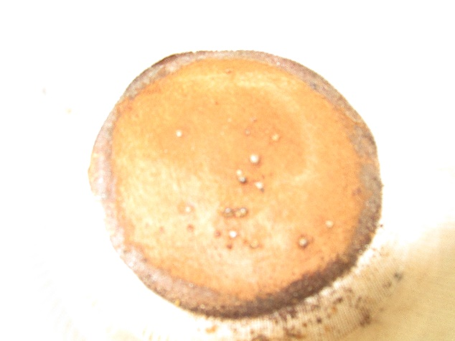
 | Non-Injected |  |  | dsβ-lactamase | dsRNA 1102-1200 #1 | dsRNA 1102-1200 #2 |  | dsRNA 1102-1200 #3 |  | dsβ-actin
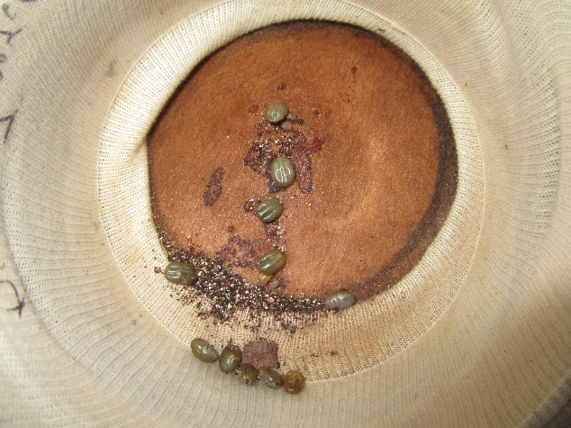




Day 11 after ticks placed on the animal

 | Non-Injected |  |  | dsβ-lactamase | dsRNA 1102-1200 #1 | dsRNA 1102-1200 #2 |  | dsRNA 1102-1200 #3 |  | dsβ-actin







Day 12 after ticks placed on the animal

 | Non-Injected |  |  | dsβ-lactamase | dsRNA 1102-1200 #1 | dsRNA 1102-1200 #2 |  | dsRNA 1102-1200 #3 |  | dsβ-actin







Day 13 after ticks placed on the animal

 | Non-Injected |  |  | dsβ-lactamase | dsRNA 1102-1200 #1 | dsRNA 1102-1200 #2 |  | dsRNA 1102-1200 #3 |  | dsβ-actin






 | NO TICKS

Day 14 after ticks placed on the animal


 | Non-Injected |  |  | dsβ-lactamase | dsRNA 1102-1200 #1 | dsRNA 1102-1200 #2 |  | dsRNA 1102-1200 #3 |  | dsβ-actin




 | NO TICKS |  |  | NO TICKS

