Cellranger QC metrics
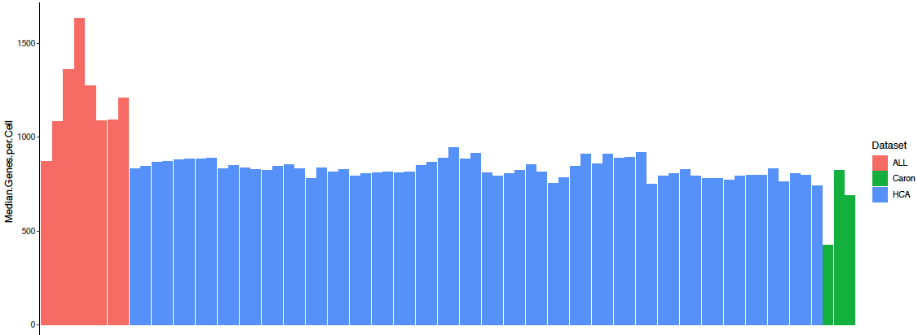
 |  |  |  | ALL sample order | HCA | Caron (pediatric BM)
 |  |  |  | ALL01 | BM1 (8 lanes) | GSM3872442
 |  |  |  | ALL03 | BM2 (8 lanes) | GSM3872443
 |  |  |  | ALL08 | BM3 (8 lanes) | GSM3872444
 |  |  |  | ALL09 | BM4 (8 lanes)
 |  |  |  | ALL10 | BM5 (8 lanes)
 |  |  |  | ALL12 | BM6 (8 lanes)
 |  |  |  | ALL10 d15 | BM7 (8 lanes)
 |  |  |  | ALL12 d15 | BM8 (8 lanes)

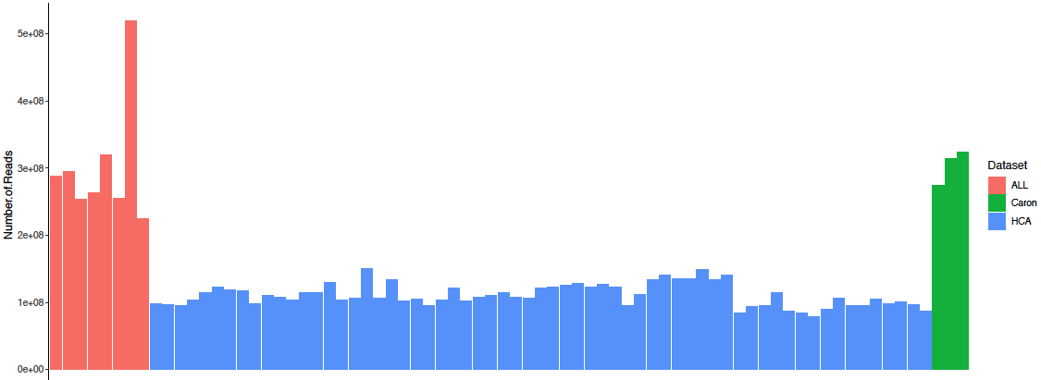

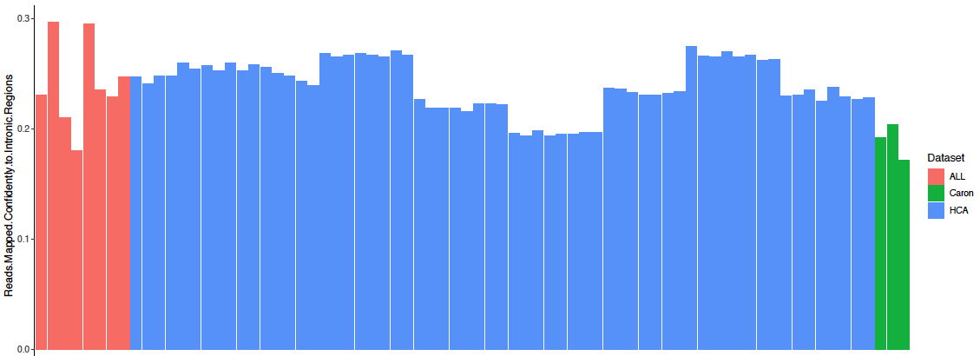

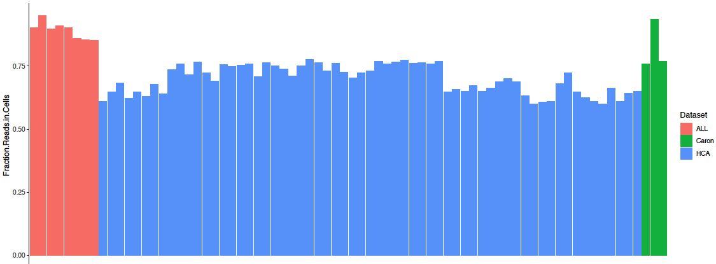

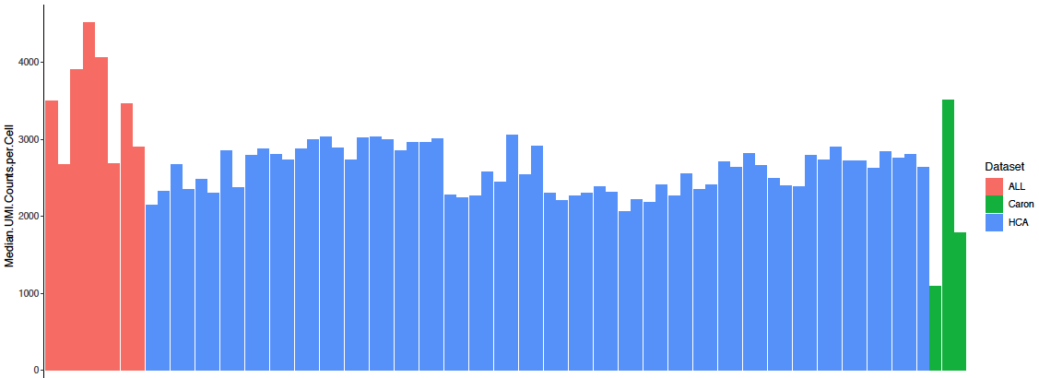

REH | hg19 Fraction Reads in Cells | hg19 Median Genes per Cell | hg19 Median UMI Counts per Cell
DMSO | 80% | 3,856 | 17,246
TK216 | 82% | 4,198 | 21,009
XRP44X | 83% | 4,204 | 21,069

