overlap Runx1 regulon with core
overlap Runx1 regulon with core 107 genes | annalysis performed with https://bioinfogp.cnb.csic.es/tools/venny/
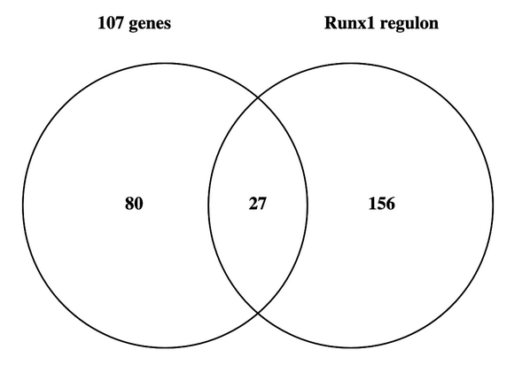

80 elements included exclusively in "107 genes": | 27 common elements in "107 genes" and "Runx1 regulon": | 156 elements included exclusively in "Runx1 regulon":
Atf3 | Slc7a2 | Chil1
Col22a1 | Cd44 | Phlda3
Prg4 | Tnfaip6 | Csrp1
C1qtnf7 | Runx1 | Ier5
Hmcn1 | C3 | Dpt
Crip1 | Sdc1 | Tagln2
F13a1 | Uap1 | Dst
H2-K1 | Nrp2 | Arl4c
Tnn | 1500009L16Rik | Col6a3
Csrp2 | Gem | Tmbim4
Chl1 | Cdk6 | Syne1
Errfi1 | Ereg | Gja1
Ifrd1 | Tnfaip3 | P4ha1
Cdh13 | Ass1 | Ddit4
Ccdc3 | Tm4sf1 | Gstt1
Ifi207 | Il34 | Mif
Rspo2 | Rnf149 | Cstb
Dapk1 | Tpm1 | Hsp90b1
Vcan | Cxcl12 | Dram1
Tpm2 | Bmp2 | Btg1
Ugdh | Gstt2 | Fkbp10
Dkk2 | Icam1 | Grn
Gpc3 | Kcnn4 | Slc25a39
Col27a1 | Inhba | Cacng1
Enpp2 | Slc16a3 | Sphk1
Timp3 | Mmp3 | Lgals3bp
Aldh1a2 | Serpina3n | Pdlim4
Pcolce2 |  | Eif5a
Cyp1b1 |  | Slc43a2
Tlr2 |  | Ccl7
Sbno2 |  | Ccl2
Lrrc15 |  | Ccl5
Fam49a |  | Vmp1
Gas6 |  | Lrrc59
Ankrd55 |  | Pdia6
Tmem100 |  | Psma6
Cxcl16 |  | Nfkbia
C4b |  | Zfp36l1
Cilp |  | Npc2
Casp4 |  | Prelid1
Pim1 |  | Anxa8
Lrig3 |  | Gch1
Ptgis |  | Psme1
Gadd45b |  | Psme2
Mgll |  | Slc39a14
Fst |  | Tsc22d1
3632451O06Rik |  | Ext1
Map3k8 |  | Ly6e
Kdm6b |  | C1qtnf6
Hhip |  | Tuba1c
Nop58 |  | Ap2m1
Thbs2 |  | Fstl1
Id2 |  | Cd47
Emb |  | Nfkbiz
Cfh |  | Ifngr2
Cp |  | Il10rb
Col8a1 |  | Sod2
Dhrs3 |  | Dusp1
Pltp |  | Cfb
Kitl |  | H2-Q4
Procr |  | H2-Q7
Shox2 |  | H2-Q6
Rgcc |  | Ier3
Nrep |  | H2-T23
Fbln1 |  | H2-T22
Tgfb3 |  | Slc29a1
Peg3 |  | Nfkbie
Hmox1 |  | Lrg1
Tspan15 |  | Vapa
Fmo2 |  | Ezr
Fam198b |  | Mpc1
Cryab |  | Rnf125
Ctgf |  | Ecscr
Hbegf |  | Smad7
Aldh1a3 |  | Ostf1
Pla1a |  | Fas
Sema3d |  | Fth1
Furin |  | Pdia3
S100b |  | B2m
Itga6 |  | Eif6
 |  | Rpn2
 |  | Mafb
 |  | Slpi
 |  | Cebpb
 |  | Ptpn1
 |  | Ptges
 |  | Hspa5
 |  | Traf1
 |  | Nmi
 |  | Cd302
 |  | Cd82
 |  | Gm13889
 |  | Csf1
 |  | Snx7
 |  | Nfkb1
 |  | Lmo4
 |  | Bcl10
 |  | Anxa5
 |  | Serp1
 |  | Ssr2
 |  | Clic4
 |  | Nbl1
 |  | Capzb
 |  | Pdpn
 |  | Srm
 |  | Eno1
 |  | Mmp23
 |  | Pnrc1
 |  | Glipr2
 |  | Tnc
 |  | Erp29
 |  | Actb
 |  | Sod3
 |  | Steap1
 |  | Cxcl3
 |  | Cxcl1
 |  | Cxcl2
 |  | Cxcl5
 |  | Bid
 |  | C1ra
 |  | C1s1
 |  | Gapdh
 |  | Sox5
 |  | Akr1b8
 |  | Cald1
 |  | Mpp6
 |  | Hk2
 |  | Fbln2
 |  | Nucb2
 |  | Mvp
 |  | Htra1
 |  | Ifitm2
 |  | Ifitm3
 |  | Relb
 |  | Ldha
 |  | Serpinh1
 |  | Psmb10
 |  | Hp
 |  | Rab20
 |  | Col4a1
 |  | Cyba
 |  | Sh2d4a
 |  | Bst2
 |  | Rnf150
 |  | Calr
 |  | Mt2
 |  | Uqcrc1
 |  | Rpsa
 |  | Col5a3
 |  | Acp5
 |  | Clmp
 |  | Ppib
 |  | Anxa2
 |  | Ctsh
 |  | Plod2
 |  | Gpm6b

