S1 Filtration & Selection
Search Strategy (pubmed search)
(diabetes OR diabetes mellitus OR diabetic OR type 2 diabetes OR T2DM OR T2D OR diabet*)
AND
(cardiovascular OR cardiovascular disorder OR cardiovascular disease* OR cardiovascular complication OR CVD OR CVDs OR cardiac OR cardio* OR cardio OR heart OR coronary artery disease OR cardiac death OR acute coronary syndromes OR angina pectoris OR myocardial infarction OR coronary disease OR CAD OR cerebrovascular disease OR CVD OR peripheral vascular disease OR hypertension OR congestive heart failure)
AND
(omics OR omic OR multi-omic OR multi-omics OR multiomic OR multiomics OR epigenomic OR epigenomics OR epigenetic OR cpg OR methylation OR DNA methylation OR epigen* OR histone OR non-coding RNA OR acetylation OR DNA acetylation OR microbiome OR metagenom* OR microb* OR gut microb* OR 16S rRNA OR metabolomics OR metabolom* OR metabolite OR metabolites OR proteomics OR proteome OR protein OR Proteom* OR gwas OR genomic OR transcriptomic OR genetic OR gene expression OR genom* OR gene OR whole-genome sequencing OR WGS)
AND
(bariatric surgery OR metabolic surgery OR BS OR bariatric OR adjustable gastric banding OR gastric banding OR AGB OR LAGB OR Roux-en-Y Gastric bypass OR Roux-en-Y bypass OR RYGB OR LRYGB OR sleeve gastrectomy OR SG OR biliopancreatic diversion with duodenal switch OR BPD/DS OR one anastomosis gastric bypass OR OAGB)
AND
("2000/01/01"[Date - Publication] : "3000"[Date - Publication])

 | DOI | Author, year
1 | https://doi.org/10.1177/1479164119826479 | Adam S et al.; 2019
2 | https://doi.org/10.1155/2020/2091341 | Al Shawaf E et al.; 2020
3 | https://doi.org/10.1210/clinem/dgab398 | Almby K. et al.; 2021
4 | https://doi.org/10.3390/nu12020278 | Assal K. et al.; 2020
5 | https://doi.org/10.1038/s41598-022-14863-x | Benenati et al.; 2022
6 | https://doi.org/10.1111/cen.13981 | Billington E. et al.; 2019
7 | https://doi.org/10.1007/s00592-019-01345-2 | Bonaventura A et al.; 2019
8 | https://doi.org/10.1186/s13073-021-00919-6 | Chakaroun R. et al.; 2021
9 | https://doi.org/10.1186/s12933-020-01001-y | Denyaments S. et al.; 2020
10 | https://doi.org/10.1007/s00464-017-5815-3 | Espinosa O. et al.; 2018
11 | https://doi.org/10.1080/21623945.2020.1732513 | Fachim et al.; 2020
12 | https://doi.org/10.1016/j.xcrm.2021.100248 | Faramia J. et al.; 2021
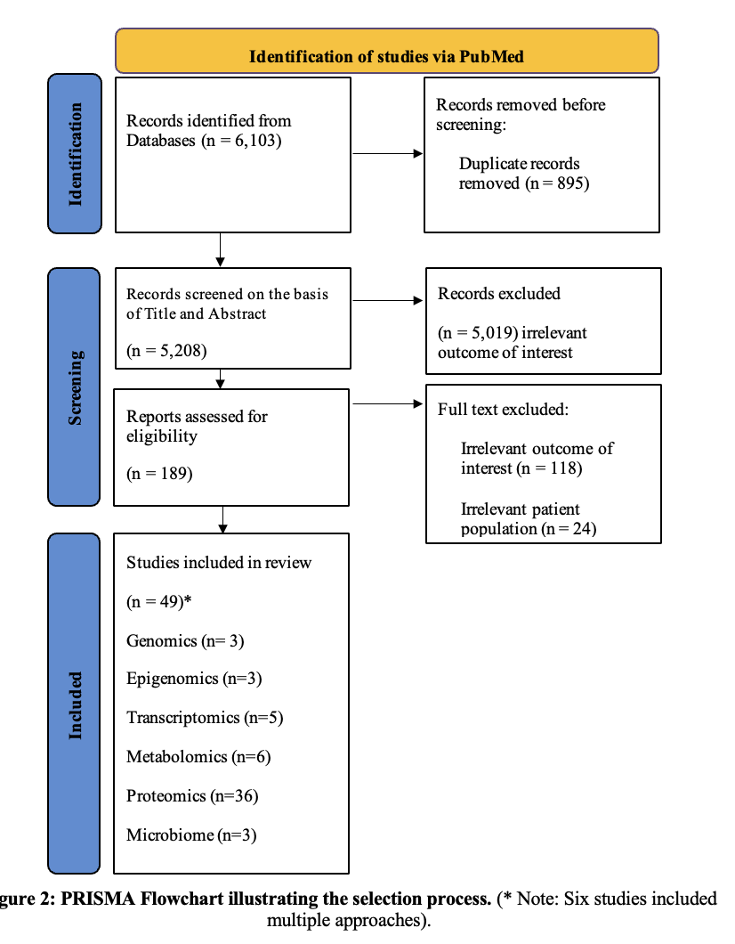
13 | https://doi.org/10.1007/s11695-019-04190-y | G. Rega-Kaun et. Al
14 | https://doi.org/10.1111/dom.13320 | Ghanim H. et al.; 2018
15 | https://doi.org/10.1016/j.soard.2020.10.021 | Härm A. et al.; 2021
16 | https://doi.org/10.1016/j.jacl.2020.12.002 | Ho JH. et al.; 2020
17 | https://doi.org/10.1007/s11695-022-06201-x | Huang Y. et al.; 2022
18 | https://doi.org/10.1016/j.atherosclerosis.2022.01.005 | Iqbal Z. et al.; 2022
19 | https://doi.org/10.1111/apm.13268 | Istomin N. et al.; 2022
20 | https://doi.org/10.1016/j.surg.2018.08.007 | Jahansouz C. et al.; 2019
21 | https://doi.org/10.1186/s13098-021-00672-1 | Lau E. et al.; 2021
22 | https://doi.org/10.1007/s11695-017-3050-6 | Lee P. et al.; 2018
23 | https://doi.org/10.3390/jcm10215091 | Lee SJ et al.; 2021
24 | https://doi.org/10.1007/s11695-018-3179-y | Seki Y. et al.; 2018
25 | https://doi.org/10.1161/ATVBAHA.118.311928 | Shah R. et al.; 2019
26 | https://doi.org/10.3389/fendo.2022.896753 | Song Z et al.; 2022
27 | https://doi.org/10.1016/j.asjsur.2021.12.064 | Wei J-H et al.; 2022
28 | https://doi.org/10.1038/nutd.2012.13 | Munkonda et al.; 2012
29 | https://doi.org/10.1371/journal.pone.0161425 | Narath S. et al; 2016
30 | https://doi.org/10.1590/2359-3997000000260 | Schnor N. et al.; 2016
31 | http://dx.doi.org/10.1155/2013/681205 | Kim M. et al.; 2013
32 | https://doi.org/10.1155/2017/5612049 | Zhao X. et al.; 2017
33 | https://doi.org/10.1007/s11695-017-2756-9 | Shimizu H. et al.; 2017
34 | https://doi.org/10.1016/j.diabres.2013.04.005 | Liang Z. et al.; 2013
35 | 10.1089/dia.2013.0249 | Cazzo E. et al.; 2014
36 | https://doi.org/10.1016/j.dsx.2012.09.014 | Kota S. et al.; 2012
37 | https://doi.org/10.1371/journal.pone.0126401 | Arora T. et al.; 2015
38 | https://doi.org/10.1007/s11695-011-0463-5 | Boza C. et al.; 2011
39 | 10.1001/jama.2024.0318 | Courcoulas A. et al.; 2024
40 | 10.3390/metabo14020116 | Thaker V. et al.; 2023
41 | https://doi.org/10.1210/clinem/dgad473 | Pané A. et al.; 2024
42 | https://doi.org/10.1016/j.diabres.2023.110650 | Martínez-Montoro J et al.; 2023
43 | 10.1111/apm.13268 | Happonen N. et al.; 2023
44 | 10.1111/dom.14992 | Qi QYD et al.; 2023
45 | https://doi.org/10.1007/s11695-023-07042-y | Zhao S. at el.; 2024
46 | 10.1093/ejendo/lvad132 | Gatta-Cherifi B. et al.; 2023
47 | https://doi.org/10.1016/j.soard.2016.08.065 | Zerrweck C. et al.; 2016
48 | 10.21767/2472-1158.100001 | Vohl M-C et al.; 2015
49 | 10.1186/s13059-014-0569-x | Benton M. et al.; 2015

