Sheet S1_REvsBIS ddPCR
 |  |  |  |  |  |  | Table 1
Sample Code | Smoking status | Smoking pack years | cg05575921_BIS % methylation | cg05575921_RE % methylation | CV | CV | Smoking status | mean Pack years | mean cg05575921_BIS | mean cg05575921_RE | mean CV
30 | Never-Smoked | 0 | 87 | 79 | 6.8% | 6.82 | Never-Smoked, n=23 | 0.0 | 83.3 | 84.2 | 3.9%
31 | Never-Smoked | 0 | 85 | 88 | 2.5% | 2.45 | Ex-Smoker, n=6 | 19.5 | 63.0 | 62.5 | 7.8%
32 | Never-Smoked | 0 | 84 | 79 | 4.3% | 4.34 | Current Smoker, n=23 | 68.3 | 41.6 | 40.8 | 6.7%
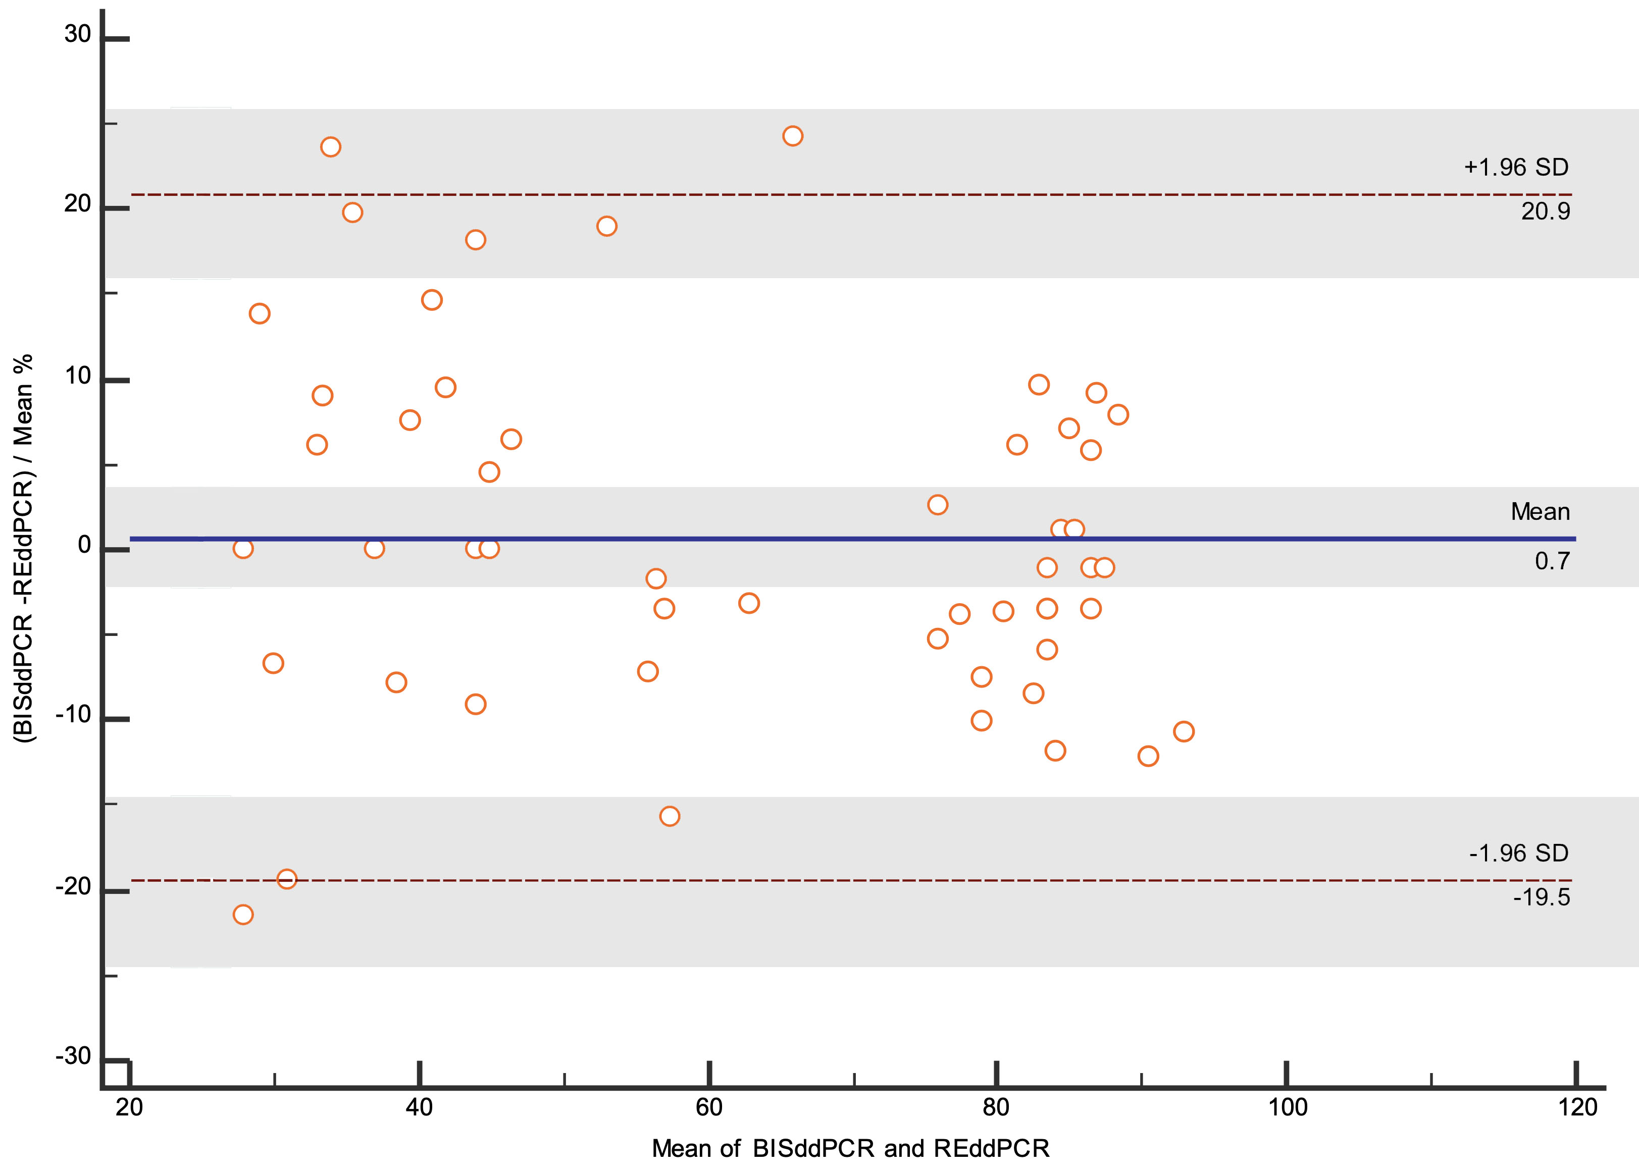
Bland Altman plot of the mean for both cg05575921 AHRR ddPRR methods (x-axis) and percentage difference of AHRR ddPCR restriction enzyme method (y-axis).
Percentage difference of cg05575921 BIS to RE method
mean of both cg05575921 methods
B
33 | Never-Smoked | 0 | 88 | 98 | 7.6% | 7.60
34 | Never-Smoked | 0 | 81 | 86 | 4.2% | 4.23 | All, n=52 | 29.6 | 64.7 | 64.3 | 5.2%
% AHRR_BIS
% AHRR_RE
Supplementary data showing the proportion of cg05575921 AHRR methylation detected for each of the initial 52 participant samples with both the restriction enzyme (RE) based and bisulfite (BIS) ddPCR approach.
The table 1 shows smoking history (status and lifelong pack year consumption) and coefficient of variation (CV) between cg05575921 (RE and BIS ddPCR) test values for each sample pair. For this analysis, current smokers were purposefully selected with pack years consumption >50 in an attempt to maximise the potential spread of the cg05575921 value range.
Graph A: a high degree of correlation was observed between both assays (r² =0.94, P<0.0001, Fischer Z-transformation of Pearson correlation).
The red line on the graph represents the fit for perfect correlation. Never smoked (green dots), Ex-smoker (purple dots), current smokers (red dots).
Graph B: Bland-Altman plot showing that disagreement between measures was not uniform with good agreement in values >70% methylation (typically never smokers) but increasingly slightly poorer agreement with values <70%. The blue line indicates the average difference of 0.7 and the dashed line indicates the limits of agreement -19.5 and 20.9 (the grey bands reflect the 95% confidence intervals) .
Table 2, shows the technical reproducibility of the RE ddPCR assay.
A
35 | Never-Smoked | 0 | 86 | 87 | 0.8% | 0.82
36 | Never-Smoked | 0 | 85 | 84 | 0.8% | 0.84
37 | Never-Smoked | 0 | 83 | 84 | 0.9% | 0.93
38 | Never-Smoked | 0 | 86 | 85 | 0.5% | 0.50
39 | Never-Smoked | 0 | 76 | 82 | 5.5% | 5.54
40 | Never-Smoked | 0 | 79 | 86 | 5.6% | 5.56
41 | Never-Smoked | 0 | 92 | 85 | 5.8% | 5.77
42 | Never-Smoked | 0 | 75 | 83 | 7.6% | 7.63
43 | Never-Smoked | 0 | 79 | 82 | 2.3% | 2.28
44 | Never-Smoked | 0 | 88 | 82 | 4.6% | 4.59
45 | Never-Smoked | 0 | 82 | 85 | 2.4% | 2.37
46 | Never-Smoked | 0 | 79 | 89 | 8.7% | 8.69
47 | Never-Smoked | 0 | 89 | 84 | 4.0% | 4.01
48 | Never-Smoked | 0 | 91 | 83 | 6.6% | 6.60
49 | Never-Smoked | 0 | 87 | 88 | 1.1% | 1.13
50 | Never-Smoked | 0 | 82 | 85 | 2.2% | 2.20
51 | Never-Smoked | 0 | 77 | 75 | 1.5% | 1.48
52 | Never-Smoked | 0 | 74 | 78 | 3.4% | 3.44
24 | Ex-Smoker | 19 | 44 | 38 | 10.3% | 10.35
25 | Ex-Smoker | 20 | 37 | 40 | 5.5% | 5.51
26 | Ex-Smoker | 19 | 85 | 96 | 8.6% | 8.59
27 | Ex-Smoker | 19 | 62 | 64 | 2.2% | 2.24
28 | Ex-Smoker | 20 | 74 | 58 | 17.1% | 17.14
29 | Ex-Smoker | 20 | 76 | 79 | 2.7% | 2.74
1 | Current Smoker | 65 | 53 | 62 | 11.1% | 11.07
2 | Current Smoker | 75 | 28 | 34 | 13.7% | 13.69
3 | Current Smoker | 63 | 25 | 31 | 15.2% | 15.15
4 | Current Smoker | 63 | 37 | 37 | 0.0% | 0.00
5 | Current Smoker | 64 | 54 | 58 | 5.1% | 5.05
6 | Current Smoker | 69 | 29 | 31 | 4.7% | 4.71
7 | Current Smoker | 75 | 38 | 30 | 16.6% | 16.64
8 | Current Smoker | 93 | 56 | 57 | 1.3% | 1.25
9 | Current Smoker | 52 | 56 | 58 | 2.0% | 1.98
10 | Current Smoker | 102 | 46 | 44 | 3.0% | 2.99
11 | Current Smoker | 55 | 44 | 40 | 6.6% | 6.57
12 | Current Smoker | 50 | 44 | 44 | 0.8% | 0.81
13 | Current Smoker | 80 | 31 | 27 | 7.8% | 7.80
14 | Current Smoker | 54 | 48 | 40 | 12.9% | 12.86
15 | Current Smoker | 54 | 28 | 28 | 1.8% | 1.76
16 | Current Smoker | 90 | 42 | 46 | 6.3% | 6.32
17 | Current Smoker | 54 | 45 | 45 | 0.5% | 0.47
18 | Current Smoker | 54 | 34 | 32 | 3.4% | 3.45
19 | Current Smoker | 100 | 58 | 48 | 13.0% | 12.98
20 | Current Smoker | 78 | 41 | 38 | 5.0% | 5.03
21 | Current Smoker | 54 | 35 | 32 | 6.1% | 6.13
22 | Current Smoker | 77 | 39 | 32 | 13.6% | 13.58
23 | Current Smoker | 50 | 48 | 45 | 4.9% | 4.86

Table 2, Technical reproducibility of the RE ddPCR assay
 |  |  | Reproducibility of cg05575921 RE ddPCR on 16 selected samples
Sample Code | CAS_smoking status | Pack years | RE ddPCR#1 | RE ddPCR#2 | RE ddPCR#3 | RE ddPCR#4 | RE ddPCR#5 | RE ddPCR#6 | Average RE ddPCR [RE] | BIS ddPCR % AHRR | REddPCR CV | BISv[RE] CV
51 | Never-Smoked | 0 | 75 | 74 | 76 | 76 | 77 |  | 76 | 77 | 1.3% | 1.4%
38 | Never-Smoked | 0 | 85 | 76 |  |  |  |  | 81 | 86 | 7.9% | 4.3%
39 | Never-Smoked | 0 | 82 | 77 |  |  |  |  | 80 | 76 | 4.6% | 3.3%
37 | Never-Smoked | 0 | 84 | 80 |  |  |  |  | 82 | 83 | 3.6% | 0.9%
33 | Never-Smoked | 0 | 98 | 85 | 89 |  |  |  | 91 | 88 | 7.2% | 2.2%
30 | Never-Smoked | 0 | 79 | 87 | 84 |  |  |  | 83 | 87 | 4.9% | 3.0%
24 | Ex-Smoker | 19 | 38 | 41 | 43 | 44 | 44 |  | 42 | 44 | 5.8% | 3.5%
28 | Ex-Smoker | 20 | 58 | 67 | 73 |  |  |  | 66 | 74 | 11.4% | 8.2%
12 | Current Smoker | 50 | 44 | 42 |  |  |  |  | 43 | 44 | 4.1% | 1.1%
9 | Current Smoker | 52 | 58 | 58 |  |  |  |  | 58 | 56 | 0.1% | 2.1%
11 | Current Smoker | 55 | 40 | 43 |  |  |  |  | 41 | 44 | 4.9% | 4.1%
3 | Current Smoker | 63 | 31 | 26 | 28 |  |  |  | 28 | 25 | 9.4% | 8.3%
1 | Current Smoker | 65 | 62 | 55 | 60 |  |  |  | 59 | 53 | 6.0% | 7.7%
2 | Current Smoker | 75 | 34 | 27 | 27 |  |  |  | 29 | 28 | 14.6% | 2.7%
8 | Current Smoker | 93 | 57 | 63 |  |  |  |  | 60 | 56 | 7.3% | 5.0%
10 | Current Smoker | 102 | 44 | 47 | 48 | 46 | 47 | 46 | 46 | 46 | 3.0% | 0.5%

 |  |  |  |  |  |  |  |  |  |  | 6.02% | 3.64% | mean CV
 |  |  |  |  |  |  |  |  |  |  | 5.35% | 3.13% | median CV

Sheet S2_Array Normalisation
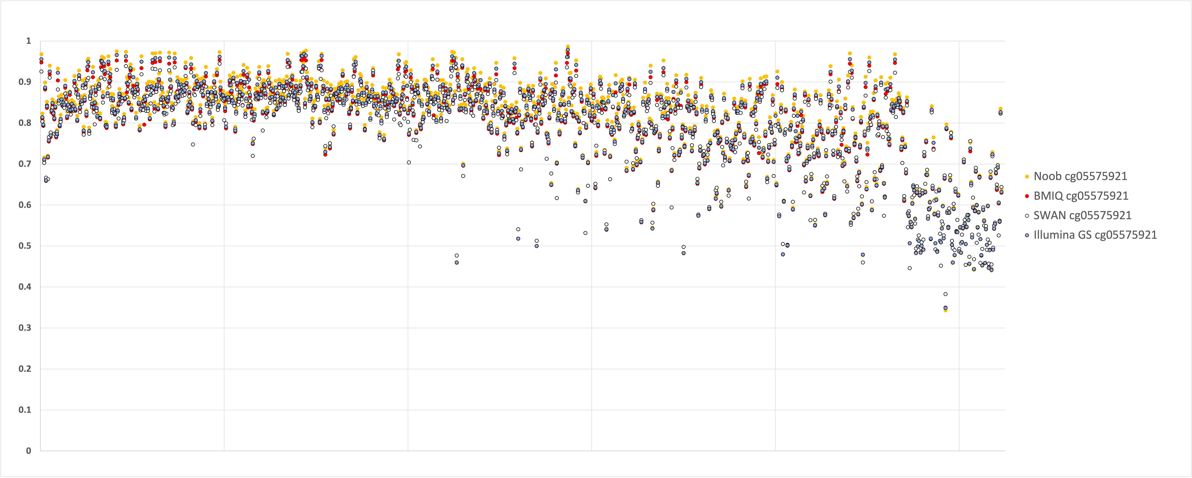
Fraction Methylated
A

B
Supplementary data showing the effect of different array normalisation schema on cg05575921 AHRR methylation values.
A. Samples are arrange left to right in order of smoking status (Never smoked; n=324, Ex-smoker; n=389 and Current smoker; n=87) and increasing pack year consumption. The cg05575921 values are represented as the methylated fraction (0-1) of DNA.
Not all normalisation schema are ploted (to avoid plot over saturation).
Although different array normalisation schema subtly influenced the reported methylation values, this did not significantly confound the sensitivity and specificity relationship with smoking status.
B. Box plots showing smoking status groups for each array normalisation schema. The horizontal lines are centred on median values for the Illumina Genome Studio (GS) normalised data. Note that Noob and Funnorm normalised never smoker values are slightly higher, and SWAN normalised values are slightly lower, than in GS normalised groups.

Sheet S3_REvsArray
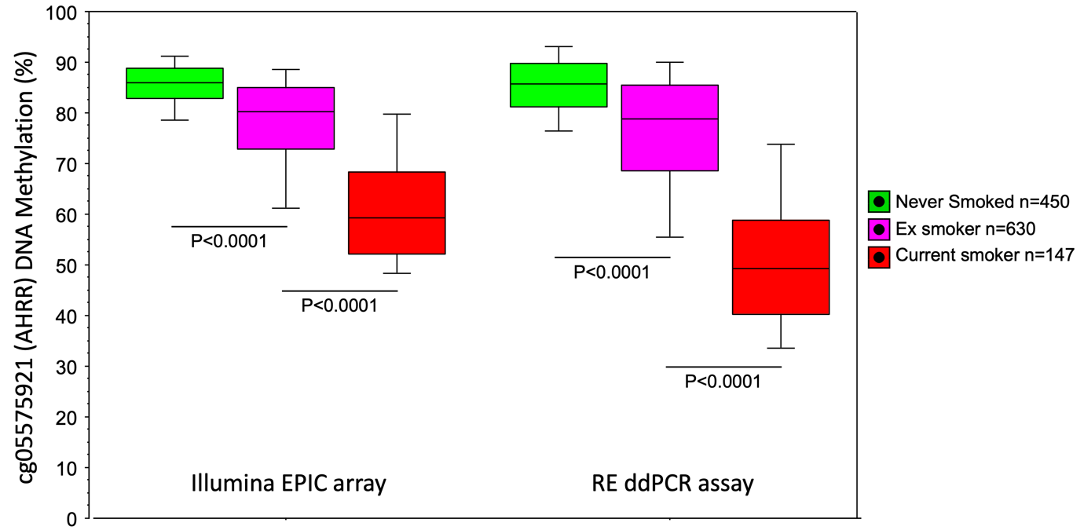
B
Table 1
Smoking status | mean Pack years | cg05575921_Epic Array % methylation | cg05575921_RE ddPCR % methylation | mean CV
Never-Smoked, n=450 | 0.0 | 84.7 | 84.7 | 5.6%
Ex-Smoker, n=630 | 26.0 | 77.6 | 75.4 | 7.8%
Current Smoker, n=147 | 35.6 | 61.4 | 50.5 | 19.5%

All, n=1227 | 17.4 | 78.3 | 75.8 | 8.4%

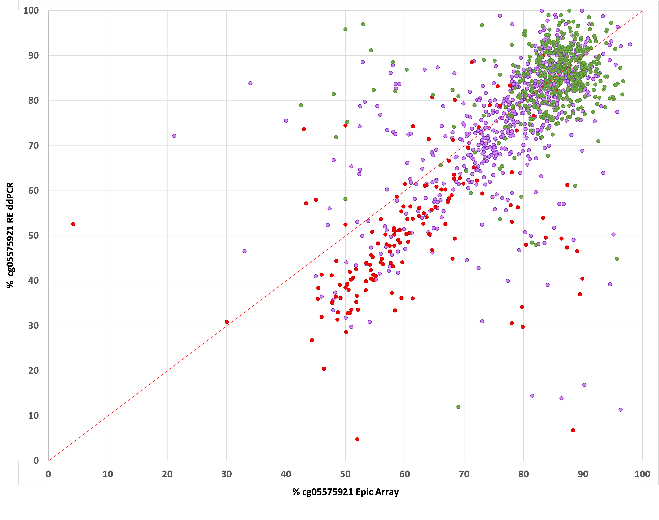
A

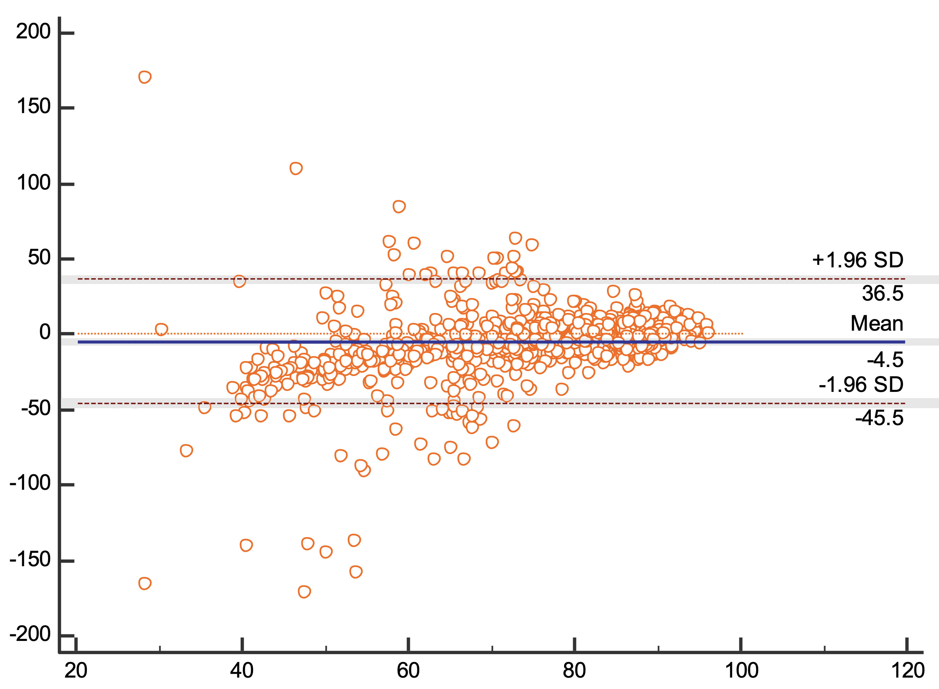
Percentage difference of cg05575921 RE to EPIC array method
mean of both cg05575921 methods
C
Bland Altman plot of the mean for both cg05575921 AHRR methods (x-axis) and percentage difference of AHRR restriction enzyme ddPCR method (y-axis).
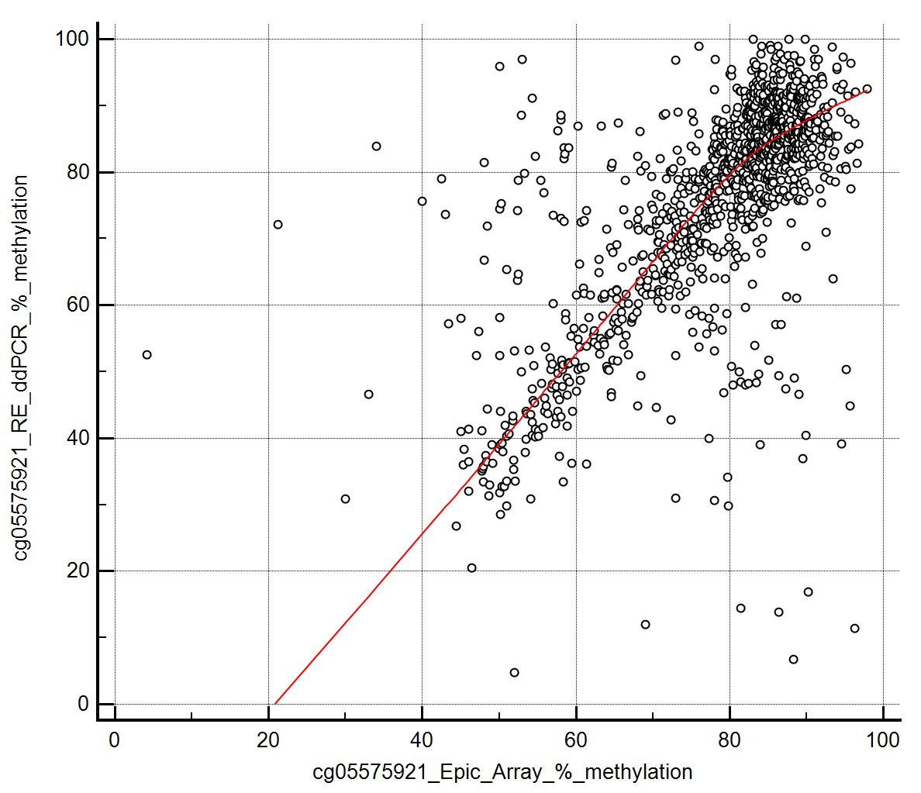
% cg05575921 Epic Array
% cg05575921 RE ddPCR
D

Supplementary data showing the proportion of cg05575921 AHRR methylation detected for each of the 1227 participant samples with results for both the restriction enzyme-based ddPCR and Illumina EPIC array method.
The demgraphics for this group are shown in table 1 of the main text.
Illumina Epic Array beta values (0-1, representing the methylated fraction of DNA in a sample) were convereted to percentages for this analysis.
Table 1 shows smoking history (status and lifelong pack year consumption) and coefficient of variation (CV) between test values for each sample pair.
Graph A: The red line on the graph represents the fit for perfect correlation. Never smoked (green dots), Ex-smoker (purple dots), current smokers (red dots). Note the current smokers (examples indicated by black arrows) with EPIC array values >80% but with RE ddPCR values <60% (which is more consistent with what would be expected in current smokers).
Graph B: cg05575921 DNA methylation values were significantly (P<0.0001) different between smoking status groups for both assays. In a paired comparison, the RE ddPCR values were significantly (P<0.0001) lower than their matching array derived values for both ex-smokers and current smokers
Graph C: Bland-Altman plot showing that disagreement between measures was not uniform with good agreement in values >80% methylation (typically never smokers) but increasingly poorer agreement with values 65-80% (mostly ex-smokers) and <65% (mostly current smokers). The blue line indicates the average difference of -4.5 and the dashed line indicates the limits of agreement -45.5 and 36.5 (the grey bands reflect the 95% confidence intervals)
Graph D: The non-linear correlation between RE ddPCR and EPIC array cg05575921 values is demonstrated in the Loess (locally estimated scatterplot smoothing) trend plot (red line).
Table 2.The positive and negative predictive values( confusion matrix) of the cg05575921 EPIC Array and RE ddPCR derived data.
Each cell contains the number of indiviudual. The first row represent numbers calculated using EPIC array data.
The second row (italic) are the numbers calculated using RE ddPCR data.
These tables match the ROC-curves shown in Figure 1 of the main text.
TP= true positive, TN=true negative, FP= false positive, FN=false negative , PPV= positive predictive value, NPV=negative predictive value

 |  |  |  |  | Table 2
 |  |  |  |  | A. Never versus Current smoker |  | Actual smoking status
 |  |  |  |  | cg05575921 EPIC Array (AUC 0.93)
 |  |  |  |  | cg05575921 RE ddPCR (AUC 0.96) |  | Current |  | Never |  |  |  | Sensitivity | Specificity | Accuracy
 |  |  |  |  | Predicted smoking status | Current | TP | 131 | FP | 48 | PPV | 73.2% | 89.12% | 89.33% | 89.28%
 |  |  |  |  |  |  |  | 136 |  | 29 |  | 82.4% | 92.52% | 93.56% | 93.30%
 |  |  |  |  |  | Never | FN | 16 | TN | 402 | NPV | 96.2%
 |  |  |  |  |  |  |  | 11 |  | 421 |  | 97.5%
 |  |  |  |  |  | Total | 147 |  | 450

 |  |  |  |  | B. Never versus Ex-smoker |  | Actual smoking status
 |  |  |  |  | cg05575921 EPIC Array (AUC 0.73)
 |  |  |  |  | cg05575921 RE ddPCR (AUC 0.72) |  | Ex-smoker |  | Never |  |  |  | Sensitivity | Specificity | Accuracy
 |  |  |  |  | Predicted smoking status | Ex-smoker | TP | 401 | FP | 116 | PPV | 77.6% | 63.65% | 74.22% | 68.06%
 |  |  |  |  |  |  |  | 357 |  | 96 |  | 78.8% | 56.67% | 78.67% | 65.83%
 |  |  |  |  |  | Never | FN | 229 | TN | 334 | NPV | 59.3%
 |  |  |  |  |  |  |  | 273 |  | 354 |  | 56.5%
 |  |  |  |  |  | Total | 630 |  | 450

 |  |  |  |  | C. Current vs Ex-smoker |  | Actual smoking status
 |  |  |  |  | cg05575921 EPIC Array (AUC 0.83)
 |  |  |  |  | cg05575921 RE ddPCR (AUC 0.88) |  | Current |  | Ex-smoker |  |  |  | Sensitivity | Specificity | Accuracy
 |  |  |  |  | Predicted smoking status | Current | TP | 114 | FP | 92 | PPV | 55.3% | 77.55% | 85.40% | 83.91%
 |  |  |  |  |  |  |  | 125 |  | 106 |  | 54.1% | 85.03% | 83.17% | 83.53%
 |  |  |  |  |  | Ex-smoker | FN | 33 | TN | 538 | NPV | 94.2%
 |  |  |  |  |  |  |  | 22 |  | 524 |  | 96.0%
 |  |  |  |  |  | Total | 147 |  | 630

Sheet S4_RE vs no RE ratio
cg05575921 (AHRR) RE ddPCR (% meythylated)
A
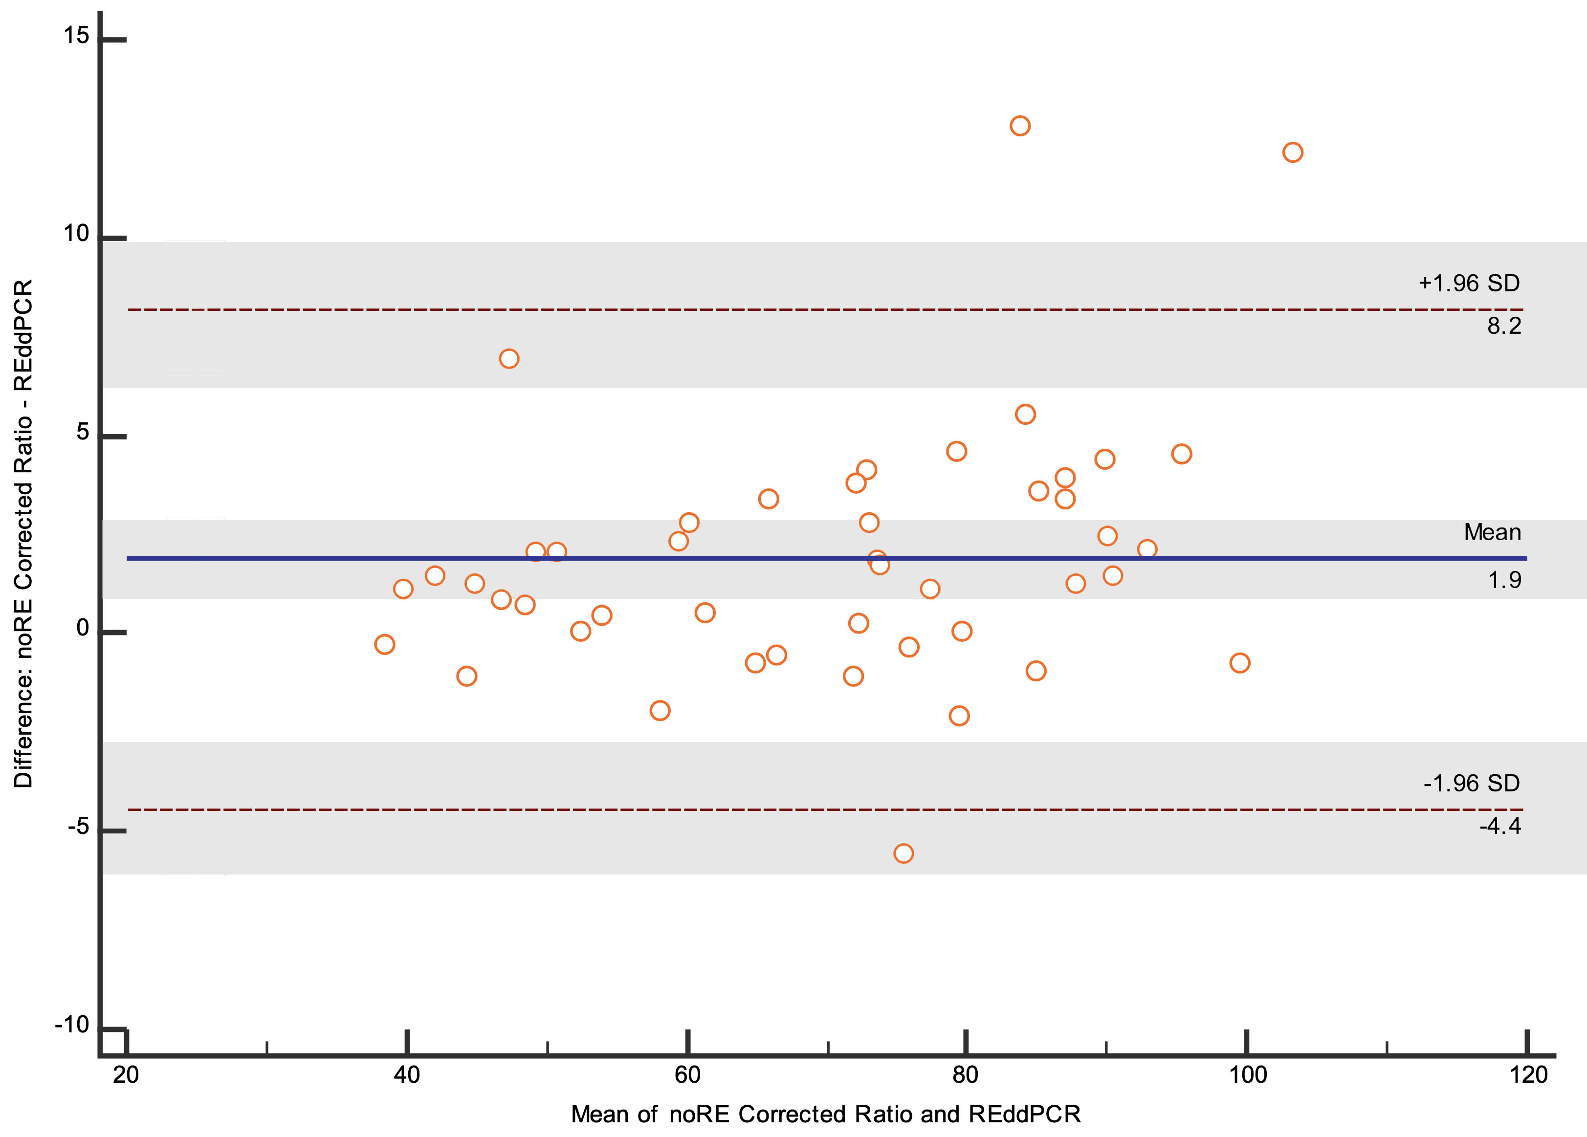
B
cg05575921 (AHRR) RE ddPCR/ no enzyme ddPCR (% meythylated)
Sample code | Smoking Status | Pack years | RE ddPCR | No RE ddPCR | RE/ no RE Ratio | difference
RE_Ratio_1 | NeverSmoked | 0 | 83.5 | 95.9 | 87.1 | 3.58
RE_Ratio_2 | NeverSmoked | 0 | 91.9 | 97.8 | 94.0 | 2.05
RE_Ratio_3 | NeverSmoked | 0 | 87.3 | 98.7 | 88.5 | 1.18
RE_Ratio_4 | NeverSmoked | 0 | 72.3 | 99.7 | 72.5 | 0.21
RE_Ratio_5 | NeverSmoked | 0 | 89.9 | 98.5 | 91.3 | 1.34
RE_Ratio_6 | NeverSmoked | 0 | 93.1 | 95.3 | 97.6 | 4.56
RE_Ratio_7 | NeverSmoked | 0 | 97.3 | 89.0 | 109.4 | 12.04*
RE_Ratio_8 | NeverSmoked | 0 | 87.7 | 95.1 | 92.1 | 4.49
RE_Ratio_9 | NeverSmoked | 0 | 77.5 | 85.8 | 90.3 | 12.81*
RE_Ratio_10 | NeverSmoked | 0 | 99.9 | 100.8 | 99.1 | 0.81
RE_Ratio_11 | ExSmoker | 8 | 81.5 | 93.7 | 87.0 | 5.45
RE_Ratio_24 | ExSmoker | 9 | 73.0 | 97.8 | 74.7 | 1.63
RE_Ratio_19 | ExSmoker | 10 | 79.7 | 100.0 | 79.7 | 0.00
RE_Ratio_18 | ExSmoker | 10 | 85.6 | 101.2 | 84.6 | 1.06
RE_Ratio_33 | ExSmoker | 10 | 58.4 | 96.2 | 60.7 | 2.30
RE_Ratio_23 | ExSmoker | 20 | 53.9 | 99.1 | 54.3 | 0.48
RE_Ratio_14 | ExSmoker | 21 | 72.7 | 97.6 | 74.5 | 1.79
RE_Ratio_38 | ExSmoker | 22 | 52.5 | 100.0 | 52.5 | 0.02
RE_Ratio_12 | ExSmoker | 22 | 78.4 | 107.6 | 72.8 | 5.54
RE_Ratio_17 | ExSmoker | 23 | 80.6 | 102.7 | 78.5 | 2.11
RE_Ratio_26 | ExSmoker | 25 | 70.8 | 94.5 | 74.9 | 4.10
RE_Ratio_21 | ExSmoker | 25 | 85.2 | 95.6 | 89.1 | 3.90
RE_Ratio_28 | ExSmoker | 26 | 66.8 | 100.9 | 66.2 | 0.60
RE_Ratio_13 | ExSmoker | 26 | 85.4 | 96.2 | 88.8 | 3.40
RE_Ratio_25 | ExSmoker | 32 | 71.8 | 96.3 | 74.6 | 2.76
RE_Ratio_15 | ExSmoker | 35 | 76.2 | 100.4 | 75.8 | 0.31
RE_Ratio_22 | ExSmoker | 35 | 72.6 | 101.6 | 71.5 | 1.15
RE_Ratio_34 | ExSmoker | 37 | 61.1 | 99.1 | 61.6 | 0.57
RE_Ratio_32 | ExSmoker | 38 | 88.9 | 97.3 | 91.3 | 2.42
RE_Ratio_37 | ExSmoker | 38 | 44.9 | 102.6 | 43.8 | 1.14
RE_Ratio_35 | ExSmoker | 39 | 44.3 | 97.2 | 45.5 | 1.26
RE_Ratio_30 | ExSmoker | 45 | 38.6 | 100.9 | 38.3 | 0.34
RE_Ratio_20 | ExSmoker | 47 | 76.9 | 98.6 | 78.0 | 1.11
RE_Ratio_36 | ExSmoker | 50 | 70.2 | 94.8 | 74.0 | 3.82
RE_Ratio_27 | ExSmoker | 56 | 65.4 | 101.2 | 64.6 | 0.75
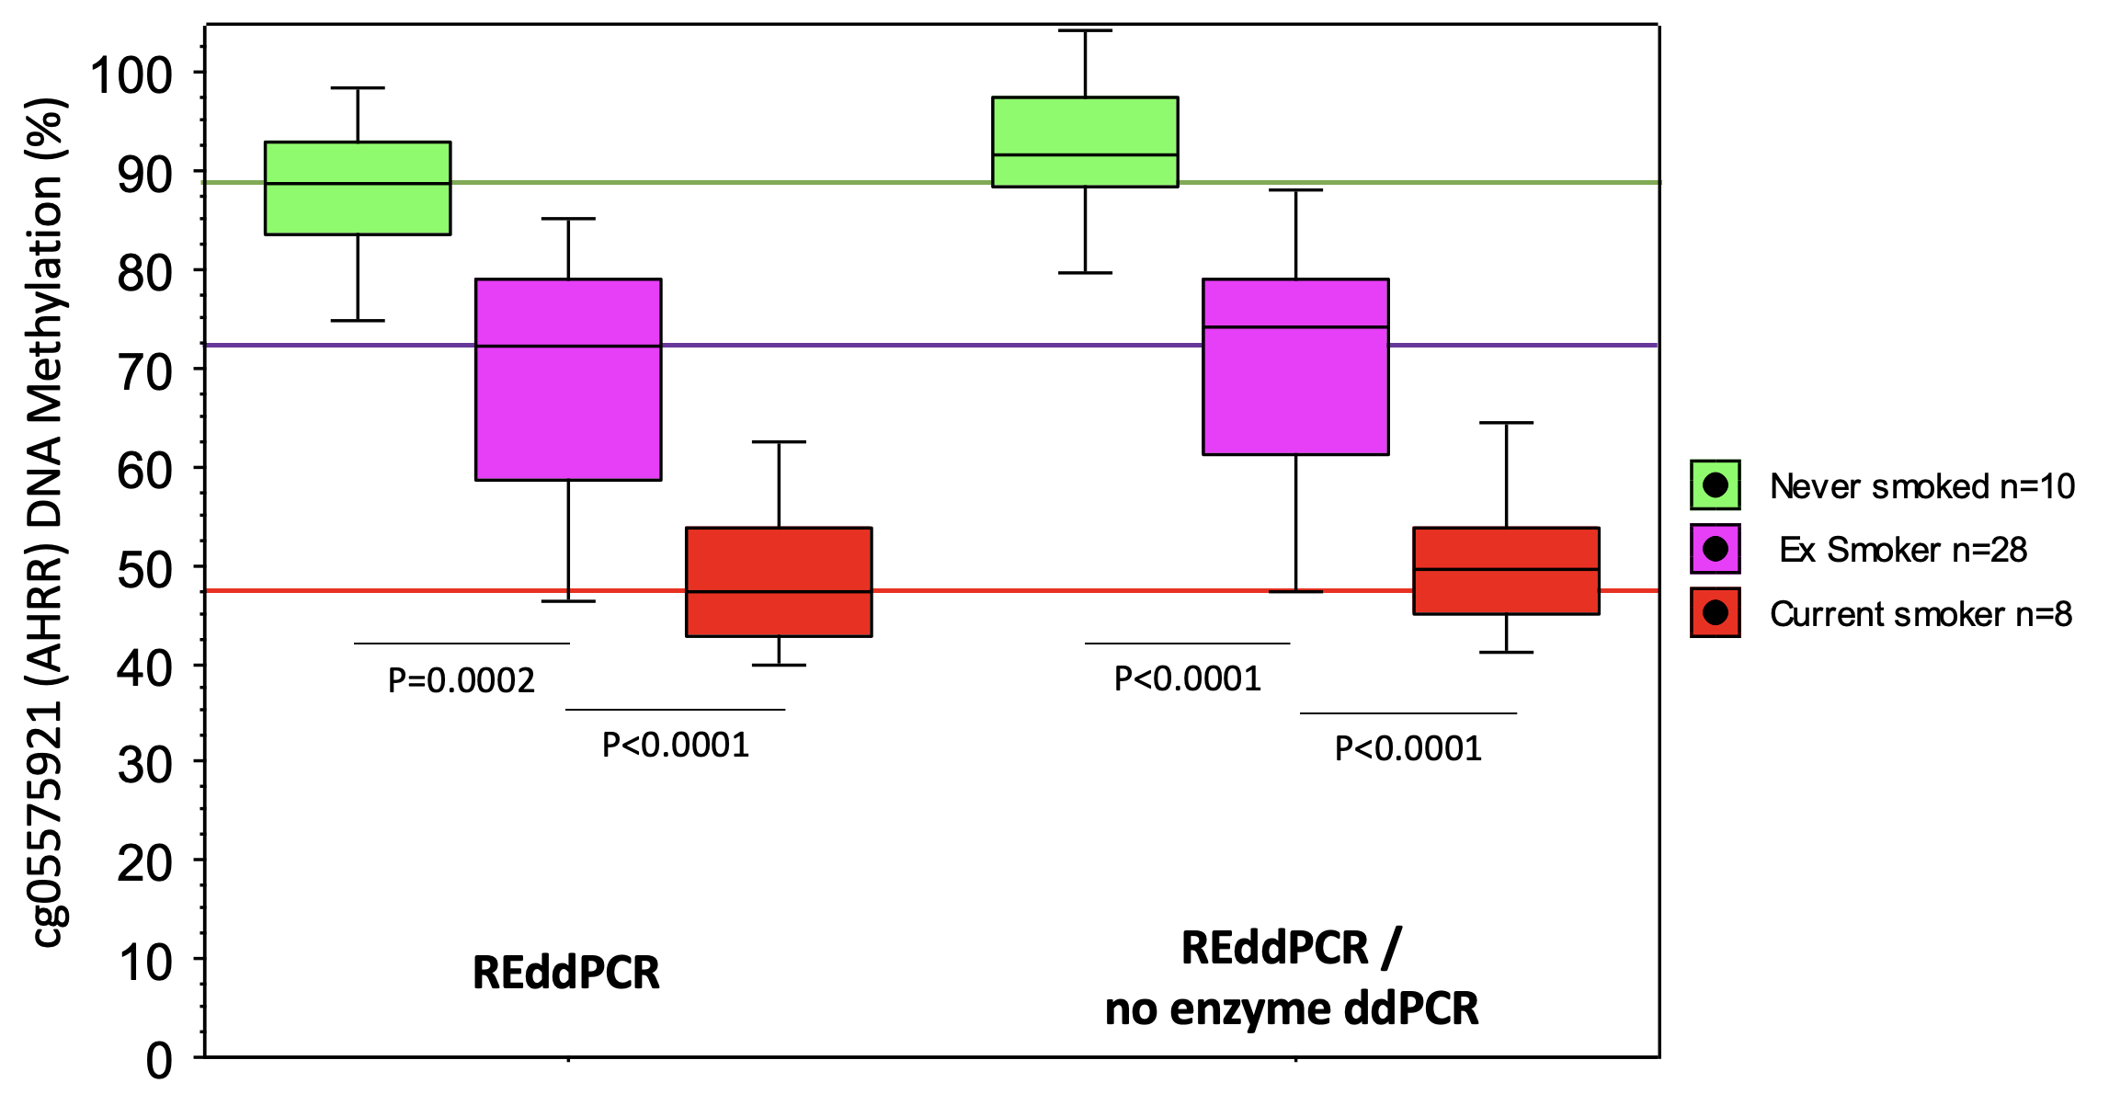
C
RE_Ratio_31 | ExSmoker | 57 | 77.0 | 94.3 | 81.6 | 4.64
RE_Ratio_29 | ExSmoker | 63 | 49.8 | 96.1 | 51.8 | 2.01
RE_Ratio_16 | ExSmoker | 76 | 58.9 | 95.4 | 61.7 | 2.87
RE_Ratio_45 | CurrentSmoker | 10 | 48.3 | 96.0 | 50.3 | 2.03
RE_Ratio_41 | CurrentSmoker | 20 | 64.2 | 94.9 | 67.6 | 3.46
RE_Ratio_44 | CurrentSmoker | 25 | 39.3 | 97.2 | 40.4 | 1.12
RE_Ratio_46 | CurrentSmoker | 30 | 43.9 | 86.5 | 50.8 | 0.07
RE_Ratio_40 | CurrentSmoker | 45 | 48.2 | 98.6 | 48.9 | 0.67
RE_Ratio_42 | CurrentSmoker | 50 | 46.5 | 98.3 | 47.3 | 0.82
RE_Ratio_39 | CurrentSmoker | 60 | 41.5 | 96.8 | 42.9 | 1.37
RE_Ratio_43 | CurrentSmoker | 62 | 59.1 | 103.5 | 57.1 | 1.97

 |  |  | RE ddPCR | No RE ddPCR | RE/ no RE ddPCR | difference
 | NeverSmoked | 0 | 88.1 | 95.7 | 92.2 | 4.31
 | ExSmoker | 32 | 68.6 | 98.5 | 69.7 | 2.06
 | CurrentSmoker | 38 | 48.9 | 96.5 | 50.7 | 1.44

 | All | 26 | 69.396 | 97.554 | 71.2938 | 2.4372

Supplementary data showing the proportion of cg05575921 AHRR methylation detected for each of 46 participant samples with both the restriction enzyme (RE) and RE/ no enzyme ddPCR calcuated values.
Table 1 shows smoking history (status and lifelong pack year consumption) and cg05575921 (REddPCR and REddPCR/noenzyme ddPCR) test values for each sample pair. The 'difference' column represents the absolute difference between the cg05575921 value calculated with or without no enzyme PCR correction. Mean values for each smoking status group are summarised at the bottom of the table. * input DNA concentrations of these two outlier samples were 85 & 75 ng/µL
Graph A: shows a high degree of correlation was observed between the stand alone REddPCR assay (x-axis) and the REddPCR/ noEnzyme assay (r2 =0.97, P<0.0001, Fischer Z-transformation of Pearson correlation). The red line on the graph represents the fit for perfect correlation. Never smoked (green dots), Ex-smoker (purple dots), current smokers (red dots).
Graph B: Bland-Altman plot showing that disagreement between measures. The blue line indicates the average difference of 1.9 and the dashed line indicates the limits of agreement -4.4 and 8.2 (the grey bands reflect the 95% confidence intervals) number data points to 46. The Shapiro Wilk test of the differences suggests a non-normal distribution (P<0.005). However the reasons for this skewing were not clear (outliers were investigated but had similar DNA concentrations and ddPCR accepted droplet counts comapred to other sampels).
Graph C. Box plots showing smoking status groups for the two assay calculations. The coloured horizontal lines are centred on median values for the RE ddPCR data.
Table 2 Despite the presence of some outlier samples ROC-curve analysis suggested that dividing the cg05575921 REddPCR value by the undigested fraction of FAM/HEX made no significant difference to the assays predictive performance association with smoking status. Values are area-under-the-curve (AUC, 95%CI) and the p-value comparisons between AUCs.

 |  |  |  |  |  |  | Table 2 | AUC cg05575921 ddPCR | AUC cg05575921 ddPCR/ | P-value
 |  |  |  |  |  |  |  |  | no enzyme ddPCR
 |  |  |  |  |  |  | Never vs Ex-smokers | 0.90 (0.76-1.00) | 0.91 (0.80-1.00) | 0.65
 |  |  |  |  |  |  | Ex-smokers vs Current smokers | 0.87 (0.75-0.99) | 0.86 (0.74-0.99) | 0.65
 |  |  |  |  |  |  | Never vs Current smokers | 1.00 (1.00-1.00) | 1.00 (1.00-1.00) | 1

