Supp Fig 1. TARGET-OS survival
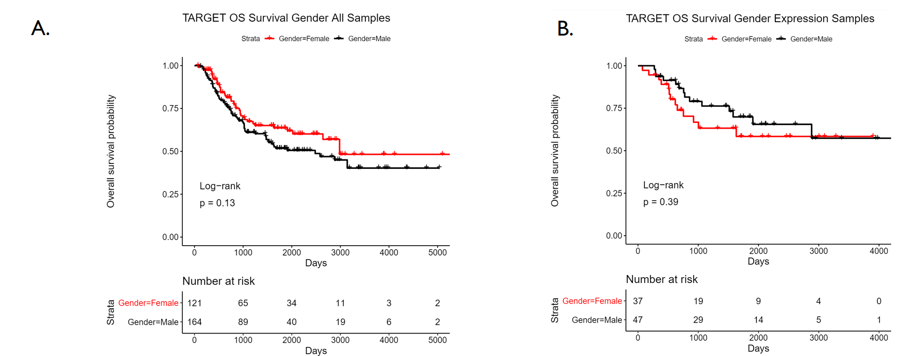

Supplemental Figure 1. Overall survival for A. All TARGET-OS cases with survival information and B. TARGET-OS cases with gene expression data and survival information

Supp Fig 2. TARGET-OS exp
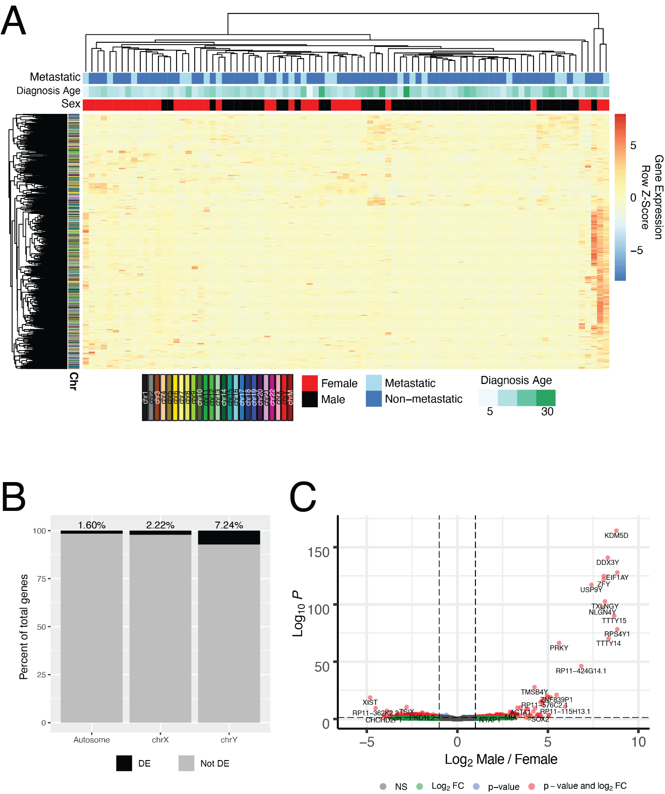

Supplemental Figure 2. Gene expression in TARGET-OS patients. A. Heatmap of all differentially expressed genes (adj. p-value < 0.05) identified between male and female patients excluding those on chromosome Y. Top color bars indicate the sex (male = black, female = red), if metastasis was detected at diagnosis (light blue = metastatic, dark blue = non-metastatic) and age at diagnosis in years ( darker green = older patients). Sample and gene order of the heatmap was dictated by unsupervised hierarchical clustering using Euclidean distance and complete clustering. Side color bars indicate the chromosomal location of the gene. B. Stacked bar plot showing the percentage of the total genes that are differentially expressed between male and female TARGET patients. Black part of each bar represents differentially expressed (DE) genes and the percent of the total number of genes is given at the top of the bar. Autosomes include chromosomes 1-22 and chromosome M. C. Volcano plot of expression differences for every gene between male and female TARGET patients. Y axis is log10(adj. p-value) and the X axis is log2(M/F) for each gene. Red dots indicate genes with adj. p-values < 0.05 and log2(Fold Change) > 1. Blue dots are genes that only meet the adj p-value criteria, green dots only meet the log2(Fold Change) criteria and grey dots are genes that fail to meet either criteria.

Supp Fig 3. TARGET-OS LM22 surv
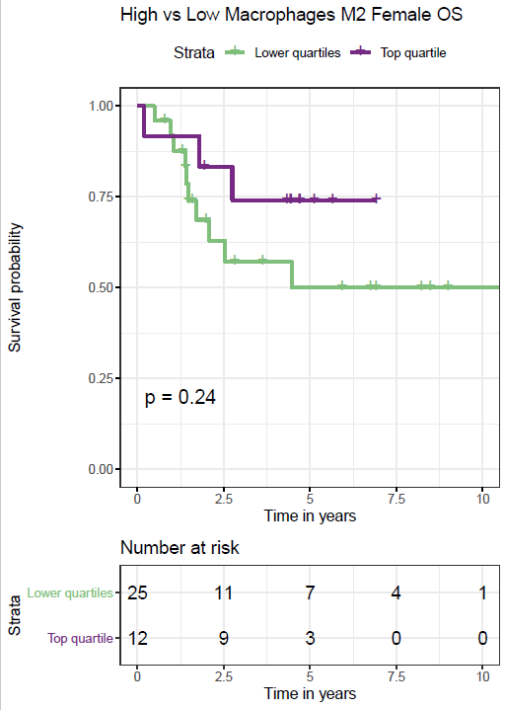

Supplemental Figure 3. Survival differences among female TARGET-OS cases with high LM22 M2 macrophage scores

