CPM
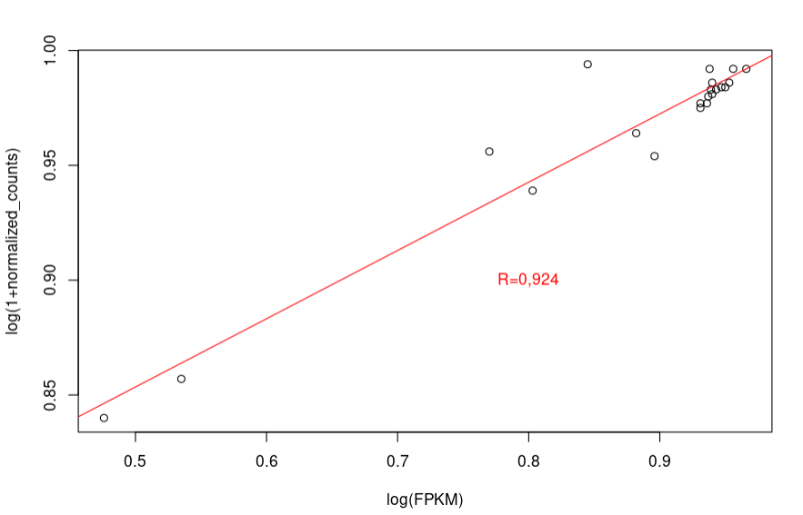
R² calculated with the log2(1+Normalized counts) |  |  |  | R² calculated with the log2(FPKM)
 | Pig1 vs pig2 | Pig 1 vs Pig3 | Pig2 vs pig3 |  | Pig1 vs pig2 | Pig 1 vs Pig3 | Pig2 vs pig3
Piglet jejunums | 0.932 | 0.94 | 0.926 | Piglet jejunums | 0.845 | 0.77 | 0.803

 | pig4 vs pig5 | pig4 vs pig6 | Pig5 vs pig6 |  | pig4 vs pig5 | pig4 vs pig6 | Pig5 vs pig6
Crypts | 0.855 | 0.869 | 0.939 | Crypts | 0.476 | 0.535 | 0.896
3D organoids 5th passages | 0.969 | 0.965 | 0.968 | 3D organoids 5th passages | 0.939 | 0.937 | 0.943
3D organoids 14th passages | 0.963 | 0.952 | 0.968 | 3D organoids 14th passages | 0.931 | 0.882 | 0.94
3D organoids 25th passages | 0.963 | 0.96 | 0.972 | 3D organoids 25th passages | 0.936 | 0.931 | 0.94
2D organoids | 0.966 | 0.964 | 0.967 | 2D organoids | 0.947 | 0.95 | 0.953

 | Replicate 1 vs Replicate 2 | Replicate 1 vs Replicate 3 | Replicate 2 vs Replicate 3 |  | Replicate 1 vs Replicate 2 | Replicate 1 vs Replicate 3 | Replicate 2 vs Replicate 3
ST cells | 0.977 | 0.975 | 0.972 | ST cells | 0.956 | 0.938 | 0.966

