4
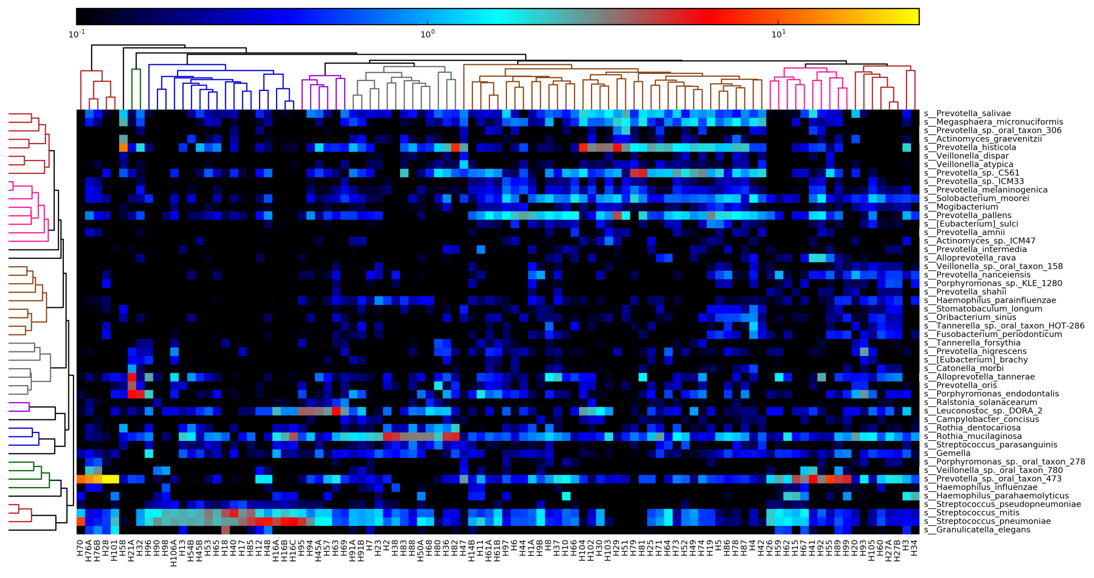
Hierarchical clustering analysis on taxonomic output from MEGAN6 analysis. Heat map was plotted using the plotting function within MetaPhlan2 for consistency.

5
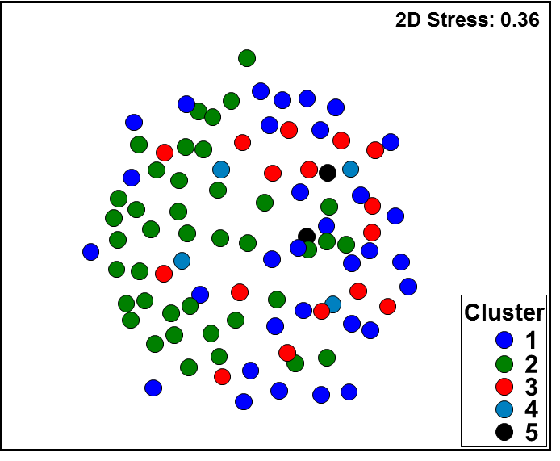
Clusters identified within the taxonomic output of MetaPhlan2 are overlayed onto a weighted UniFrac distance matrix generated from the 16S amplicon data.
The figure shows concordance across the two datasets in relation to cluster formation.

11
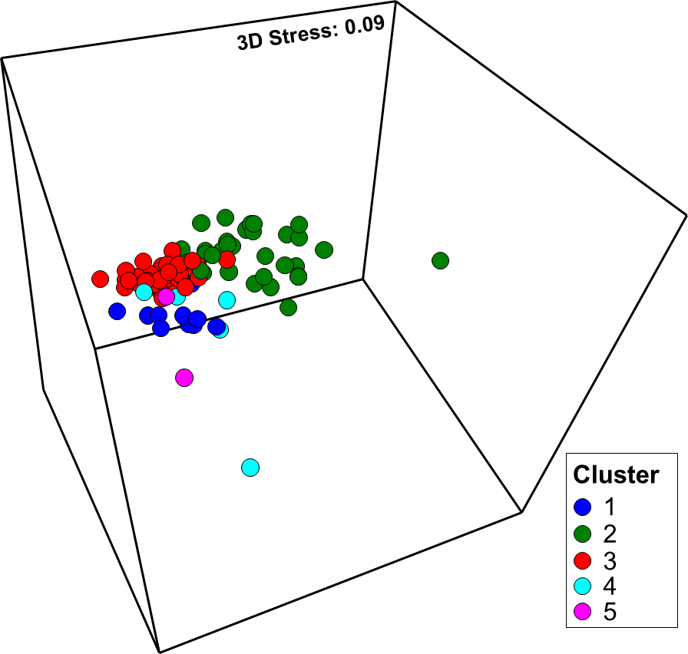
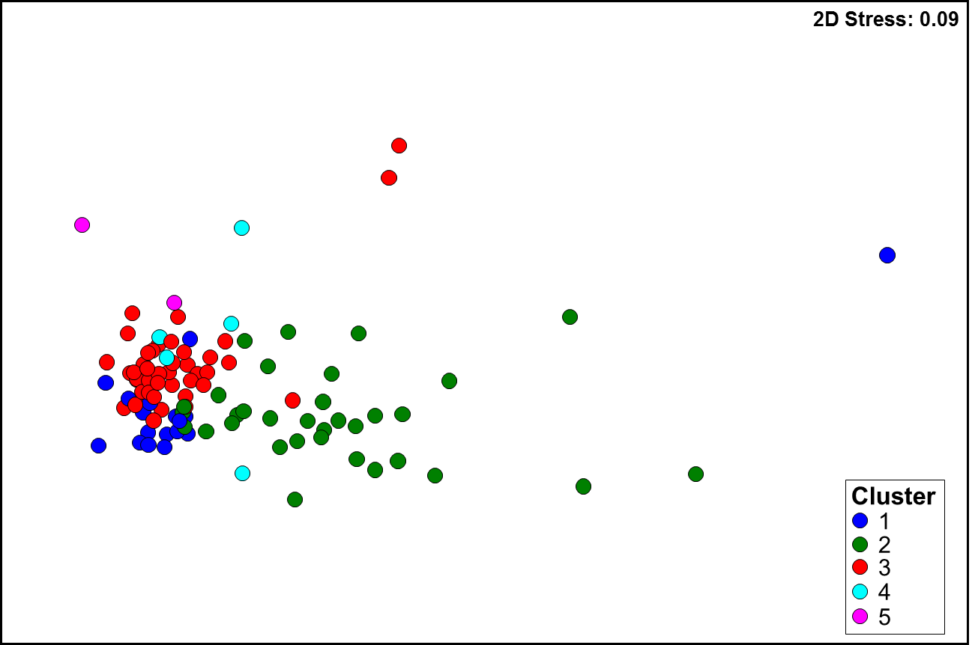
Functional differences across esophageal microbiome clusters.
A: nMDS plot following Bray-Curtis resemblance of square-root transformed KEGG pathway (level 3) relative abundances.
Pathways were generated using HUMANn2. Three outliers were removed for a better representation.
B: nMDS plot and C: PERMANOVA following Bray-Curtis resemblance of square-root transformed MetaCyc pathway relative abundances.

A | B | C

12
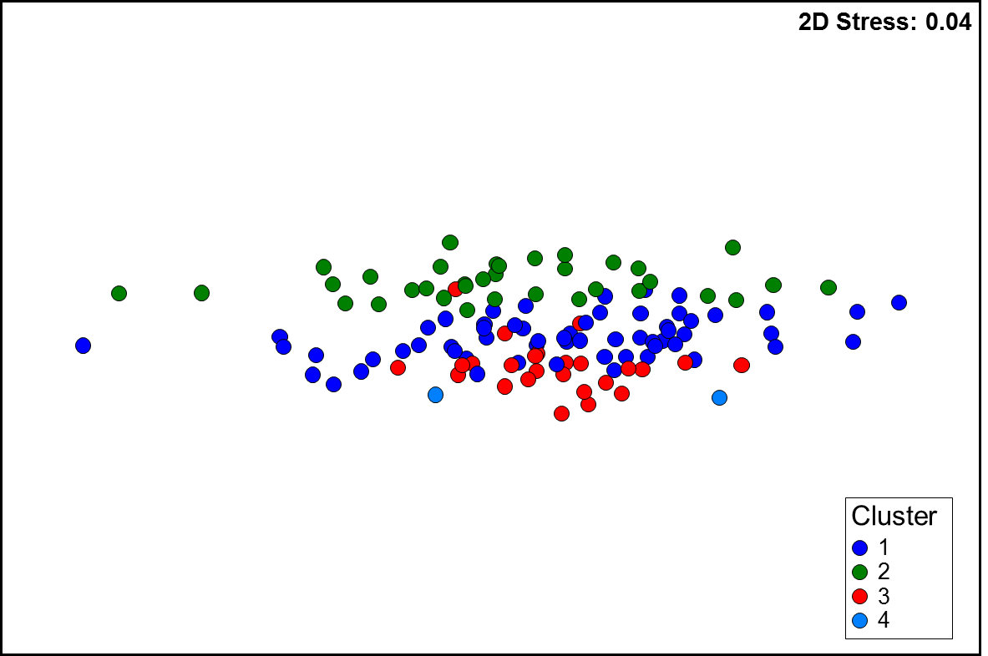
Differences in functional predictions across esophageal microbiome clusters.
nMDS plot and PERMANOVA following Bray-Curtis resemblance of square-root transformed PICRUSt pathway abundances generated from 16S rRNA amplicon data.
Predicted pathways were generated in PICRUSt following classification of the data with the GreenGenes taxonomy.

