S3 Seq-stats
Supplementary Table S3

Library storage time vs mean depth
Supplementary Figure S3e: Library storage time vs mean depth. Scatter plot illustrating the relationship between library storage time at 4 °C prior to sequencing and the resulting mean sequencing depth across 20 libraries. The dotted line indicates the fitted trendline.The two orange data points highlight a paired comparison in which aliquots of the same library (HMW6) were sequenced immediately after preparation (HMW6_L1) and after 18 days of storage (HMW6_L2), respectively. Libraries with extended storage times exceeding 30 days (n = 3) were excluded from this analysis.
HMW DNA
Supplementary Table S3a: Sequencing statistics for High Molecular Weight (HMW) DNA.
List of cases |  | samtools cov | seqkit stats |  |  |  | NanoStat | per-read error rates*
Samples |  | mean depth (x) | read length distribution [kb] |  |  | max_length [kb] | median read quality | count reads primary alignments | mean error rate | median error rate | library storage time [days] +4°C prior sequencing | Supplementary Figure S3e, dataset:
Sample | Type |  | N50 | N5 | N95 |  |  |  |  |  |  | sample | library storage time [days] +4°C prior sequencing | mean depth (x)
HG002 | WGS | 20.9 | 91 | 346.3 | 11.1 | 1687.1 | 19.3 | 671 | 0.0533 | 0.0239 | 6 | HG002 | 6 | 20.9
HG002 | AS | 16.9 | 43.2 | 282.7 | 3.2 | 2202.6 | 19.6 | 765 | 0.0366 | 0.0152 | 1 | HG002 | 1 | 16.9
HG003 | WGS | 20.4 | 79.6 | 235.7 | 4.9 | 1567.5 | 22.6 | 793 | 0.0502 | 0.0159 | 55 | Pos1 | 5 | 50.7
Neg1 | WGS | 17.4 | 56.3 | 235.7 | 7.4 | 522 | 20.6 | 731 | 0.0600 | 0.0186 |  | Pos2 | 0 | 4.7
Pos1 | AS | 50.7 | 90.8 | 335.2 | 5 | 956.5 | 17.2 | 1222 | 0.0395 | 0.0175 | 5 | Pos3 | 1 | 6.8
Pos2 | AS | 4.7 | 53.7 | 173.9 | 4.6 | 408.5 | 18.3 | 210 | 0.0502 | 0.0184 | 0 | HG001 | 0 | 18.4
Pos3 | AS | 6.8 | 96.7 | 298.8 | 4.2 | 630.7 | 17.2 | 150 | 0.0447 | 0.0264 | 1 | HG001 | 1 | 31.1
HG001 | WGS | 31.4 | 30.3 | 521.5 | 13.9 | 1357.2 | 20.8 | 868 | 0.0532 | 0.0207 | 45 | Neg2 | 5 | 30.2
HG001 | AS1 | 18.4 | 86.9 | 342.9 | 0.4 | 1539.6 | 20.1 | 531 | 0.0399 | 0.0201 | 0 | Trans1 | 1 | 43.2
HG001 | AS2 | 31.1 | 86.3 | 336.8 | 0.4 | 1818.4 | 19.8 | 739 | 0.0412 | 0.0209 | 1 | Trans2 | 0 | 13.5
Neg2 | WGS | 30.2 | 91.5 | 282.3 | 16 | 3012.6 | 20.2 | 776 | 0.0583 | 0.0235 | 5 | Trans3 | 4 | 24.9
Neg3 | WGS | 19.3 | 93.8 | 294.1 | 13.2 | 579.1 | 22.3 | 533 | 0.0528 | 0.0197 | 137 | Trans4 | 0 | 13.9
Trans1 | AS | 43.2 | 81.5 | 249.1 | 6.7 | 1751.5 | 19.1 | 1159 | 0.0429 | 0.0222 | 1 | Mos1 | 7 | 42.5
Trans2 | AS | 13.5 | 73.2 | 265.8 | 3 | 1433.9 | 18.3 | 317 | 0.0422 | 0.0171 | 0 | HMW1 | 13 | 49.3
Trans3 | AS | 24.9 | 78.5 | 221.5 | 5.6 | 1552.3 | 19.5 | 771 | 0.0409 | 0.0189 | 4 | HMW2 | 13 | 34.2
Trans4 | AS | 13.9 | 79.7 | 239.1 | 2.3 | 497.5 | 18.5 | 337 | 0.0434 | 0.0176 | 0 | HMW3 | 7 | 29.1
Mos1 | AS | 42.5 | 52 | 204.6 | 0.8 | 808.3 | 15.8 | 2469 | 0.0312 | 0.0123 | 7 | HMW4 | 17 | 44.6
Further runs: only sequencing & alignment parameter presented in this publication |  |  |  |  |  |  |  |  |  |  |  | HMW5 | 6 | 26.5
HMW1 | AS | 49.3 | 69.7 | 222.1 | 9.6 | 693.5 | 17.5 | 636 | 0.0263 | 0.0125 | 13 | HMW6_L1 | 0 | 5.1
HMW2 | AS | 34.2 | 92.4 | 265.7 | 14.0 | 1195.6 | 17.3 | 278 | 0.0439 | 0.0145 | 13 | HMW6_L2 | 18 | 48.0
HMW3 | AS | 29.1 | 77.2 | 227.7 | 3.6 | 1155.8 | 14.9 | 253 | 0.0447 | 0.0212 | 7
HMW4 | AS | 44.6 | 20.9 | 98.7 | 770.0 | 585.6 | 14.5 | 987 | 0.0255 | 0.0130 | 17
HMW5 | AS | 26.5 | 79.2 | 229.8 | 2.6 | 1136.5 | 19.9 | 289 | 0.0318 | 0.0178 | 6
HMW6_L1 | AS | 5.1 | 60.1 | 175.5 | 8.4 | 188.7 | 22.6 | 75 | 0.0310 | 0.0140 | 0
HMW6_L2 | AS | 48.0 | 64.6 | 225.6 | 881.0 | 501.2 | 23.1 | 485 | 0.0366 | 0.0151 | 18
 |  | mean | 72.1 |  |  |  |  | mean | 0.0425 | 0.0182
 |  | stdev | 20.5 |  |  |  |  | stdev | 0.0092 | 0.0037
Sequencing Statistics for all samples calculated with samtools, seqkit and NanoStat. For mean depth calculation with samtools coverage the region chr4:192406429-193419672 (T2Tchm13v2.0) was used.
*Per-read error rates were estimated from primary alignments using CIGAR and MD tags in uniquely mappable region (chr4:192406429-193419672) proximal to the D4Z4 array.

Supplementary Table S3b: Mean-depth information for HMW-DNA samples for all covered target regions calculated with samtools coverage.
 |  | chromosome | chr1 | chr10 | chr10 | chr15 | chr18 | chr20 | chr4 | chr4 | chr9
 |  | Start | 109953641 | 41954104 | 133602038 | 39330614 | 1712046 | 33487113 | 188834523 | 192406429 | 34432985
 |  | Stop | 111987144 | 43117445 | 134768134 | 41052914 | 4059699 | 35538082 | 191173428 | 193419672 | 35733234
sample | type | Region | LRIF1 | DUX4 | DUX4L2 | CAPN3 | SMCHD1 | DNMT3B | FAT1 | proximal D4Z4 | VCP
HG002 | WGS | hmw | 25.2 | 2.3 | 19.9 | 4.4 | 23.7 | 21.8 | 3.4 | 20.9 | 5.1
HG002 | AS | hmw | not sampled | 4.9 | not sampled | not sampled | not sampled | not sampled | 13.0 | 16.9 | not sampled
HG003 | WGS | hmw | 17.0 | 1.8 | 13.3 | 3.3 | 19.5 | 15.9 | 2.7 | 20.4 | 4.4
Neg1 | WGS | hmw | 18.2 | not sampled | 13.8 | not sampled | 17.6 | 17.5 | not sampled | 17.4 | not sampled
Pos1 | AS | hmw | 47.2 | not sampled | 38.6 | not sampled | 52.7 | 45.5 | not sampled | 50.7 | not sampled
Pos2 | AS | hmw | 6.5 | not sampled | 5.4 | not sampled | 6.9 | 4.7 | not sampled | 4.7 | 5.6
Pos3 | AS | hmw | 8.1 | not sampled | 4.5 | not sampled | 7.4 | 6.4 | not sampled | 6.8 | 5.7
HG001 | WGS | hmw | 33.6 | 8.1 | 26.6 | 8.3 | 35.2 | 32.2 | 6.3 | 31.4 | 7.8
HG001 | AS1 | hmw | not sampled | 7.3 | not sampled | not sampled | not sampled | not sampled | 18.6 | 18.4 | not sampled
HG001 | AS2 | hmw | not sampled | 12.2 | not sampled | not sampled | not sampled | not sampled | 24.2 | 31.1 | not sampled
Neg2 | WGS | hmw | 30.9 | 6.0 | 26.4 | 7.2 | 33.7 | 30.8 | 5.8 | 30.2 | 7.8
Neg3 | WGS | hmw | 17.2 | 2.2 | 14.9 | 3.9 | 21.2 | 18.2 | 3.4 | 19.3 | 3.9
Trans1 | AS | hmw | 45.9 | 42.8 | 34.9 | 44.8 | 46.6 | 41.6 | 44.5 | 43.2 | 39.4
Trans2 | AS | hmw | 10.3 | 11.6 | 8.4 | 10.9 | 12.0 | 9.8 | 12.2 | 13.5 | 10.6
Trans3 | AS | hmw | 26.2 | 26.4 | 24.2 | 28.9 | 30.9 | 23.9 | 30.0 | 24.9 | 25.0
Trans4 | AS | hmw | 11.7 | 7.4 | 10.6 | 12.5 | 13.5 | 11.1 | 13.5 | 13.9 | 9.1
Mos1 | AS | hmw | 36.0 | 27.9 | 28.6 | 37.1 | 40.5 | 32.8 | 40.8 | 42.5 | 34.0
Further runs: only sequencing & alignment paramter presented in this publication
HMW1 | AS | hmw | 53.2 | 52.5 | 40.8 | 53.2 | 49.8 | 47.8 | 55.4 | 49.3 | 48.4
HMW2 | AS | hmw | 30.7 | 31.4 | 25.2 | 32.1 | 31.0 | 27.7 | 32.2 | 34.2 | 29.7
HMW3 | AS | hmw | 23.6 | 23.5 | 20.3 | 22.0 | 25.7 | 20.5 | 25.0 | 25.7 | 23.4
HMW4 | AS | hmw | 37.2 | 62.0 | 25.1 | 37.8 | 43.0 | 32.7 | 43.0 | 42.2 | 35.2
HMW5 | AS | hmw | 26.0 | 17.9 | 20.1 | 21.9 | 26.5 | 22.0 | 22.9 | 25.3 | 25.4
HMW6_L1 | AS | hmw | 4.5 | 2.1 | 2.3 | 4.2 | 4.5 | 3.6 | 4.0 | 4.8 | 3.6
HMW6_L2 | AS | hmw | 39.8 | 40.1 | 37.3 | 41.8 | 43.6 | 38.4 | 44.0 | 40.7 | 41.0

Standard DNA
Supplementary Table S3c: Sequencing Statistics for regularly extracted (Standard)-DNA
Standard-DNA runs: only sequencing & alignment parameter presented in this publication.
List of cases |  | samtools cov | seqkit stats |  |  |  | NanoStat | per-read error rates*
Samples |  | mean depth (x) | read length distribution [kb] |  |  | max_length [kb] | median read quality | count prim. reads in alignment* | mean error rate | median error rate
Sample | Type |  | N50 | N5 | N95
HG002_STD1 | WGS | 34.8 | 17.1 | 80.9 | 2.4 | 863.5 | 22.5 | 4177 | 0.0437 | 0.0124
STD2 | AS | 19.1 | 21.8 | 52.1 | 3.2 | 198.7 | 20.1 | 672 | 0.0298 | 0.0116
STD3 | AS | 37.3 | 19.9 | 59.6 | 2.9 | 315.2 | 18.1 | 1587 | 0.0212 | 0.0070
STD4 | AS | 58.7 | 15.1 | 64.6 | 1.0 | 422.0 | 17.9 | 5003 | 0.0338 | 0.0176
STD5 | AS | 39.5 | 14.6 | 50.6 | 3.1 | 76.6 | 15.8 | 1778 | 0.0373 | 0.0149
STD6 | AS | 34.5 | 24.4 | 67.2 | 6.1 | 93.7 | 24.7 | 1297 | 0.0308 | 0.0105
STD7 | AS | 17.9 | 10.1 | 50.9 | 2.9 | 90.3 | 23.6 | 1641 | 0.0491 | 0.0138
 |  | mean | 17.5749 |  |  |  |  | mean | 0.0351 | 0.0125
 |  | stdev | 4.5054 |  |  |  |  | stdev | 0.0086 | 0.0031
Supplementary Table S3c: Sequencing Statistics for all samples calculated with samtools, seqkit and NanoStat. For mean depth calculation with samtools coverage the region chr4:192406429-193419672 (T2Tchm13v2.0) was used.
*Per-read error rates were estimated from primary (prim.) alignments using CIGAR and MD tags in uniquely mappable region (chr4:192406429-193419672) proximal to the D4Z4 array.

Supplementary Table S3d: Mean-depth information for Standard (std)-DNA samples for all covered target regions calculated with samtools coverage.
 |  | chromosome | chr1 | chr10 | chr10 | chr15 | chr18 | chr20 | chr4 | chr4 | chr9
 |  | Start | 109953641 | 41954104 | 133602038 | 39330614 | 1712046 | 33487113 | 188834523 | 192406429 | 34432985
 |  | Stop | 111987144 | 43117445 | 134768134 | 41052914 | 4059699 | 35538082 | 191173428 | 193419672 | 35733234
sample | type | Region | LRIF1 | DUX4 | DUX4L2 | CAPN3 | SMCHD1 | DNMT3B | FAT1 | proximal D4Z4 | VCP
HG002_STD1 | WGS | std | 37.8 | 28.2 | 20.2 | 35.5 | 38.7 | 34.0 | 32.0 | 31.9 | 36.8
STD2 | AS | std | 16.7 | 11.3 | 20.1 | 17.6 | 15.0 | 17.3 | 16.3 | 19.1 | 19.4
STD3 | AS | std | 34.8 | 16.8 | 47.8 | 35.2 | 30.4 | 39.7 | 36.3 | 34.5 | 39.3
STD4 | AS | std | 53.5 | 39.8 | 87.4 | 55.0 | 48.6 | 57.7 | 52.9 | 59.0 | 61.2
STD5 | AS | std | 37.4 | not sampled | 23.8 | not sampled | 37.4 | 33.2 | not sampled | 37.2 | not sampled
STD6 | AS | std | 44.6 | 34.5 | 24.1 | 46.7 | 44.1 | 44.4 | 50.8 | 50.9 | 44.0
STD7 | AS | std | 27.0 | 17.9 | 27.1 | 27.1 | 25.4 | 25.2 | 28.4 | 29.9 | 27.0

S10_HMW-STD
Supplementary Table S10: Comparison of sequencing output between high molecular weight (hmw) and standard (std) DNA

 | sample | DNA | primary_reads | reads_larger_37000bp | prop_larger_37000_bp | mean_depth
 | HG001 | hmw | 868 | 260 | 0.3 | 31.4
 | HG002 | hmw | 671 | 193 | 0.288 | 20.9
 | HG002 | std | 4177 | 174 | 0.042 | 34.8
 | HG003 | hmw | 793 | 168 | 0.212 | 20.4
 | HMW1 | hmw | 1723 | 500 | 0.29 | 49.3
 | HMW2 | hmw | 791 | 352 | 0.445 | 34.2
 | HMW3 | hmw | 758 | 286 | 0.377 | 29.1
 | HMW4 | hmw | 3007 | 335 | 0.111 | 44.6
 | HMW5 | hmw | 721 | 281 | 0.39 | 26.5
 | HMW6_L2 | hmw | 1240 | 427 | 0.344 | 48
 | MOS1 | hmw | 2469 | 335 | 0.136 | 42.5
 | NEG1 | hmw | 731 | 137 | 0.187 | 17.4
 | NEG2 | hmw | 776 | 331 | 0.427 | 30.2
 | NEG3 | hmw | 533 | 202 | 0.379 | 19.3
 | POS1 | hmw | 1222 | 448 | 0.367 | 50.7
 | POS2 | hmw | 210 | 65 | 0.31 | 4.7
 | POS3 | hmw | 150 | 72 | 0.48 | 6.8
 | STD2 | std | 1863 | 64 | 0.034 | 19.1
 | STD3 | std | 4044 | 151 | 0.037 | 37.3
 | STD4 | std | 13669 | 283 | 0.021 | 58.7
 | STD5 | std | 3557 | 59 | 0.017 | 39.5
 | STD6 | std | 3289 | 130 | 0.04 | 34.5
 | STD8 | std | 5275 | 340 | 0.064 | 17.9
 | TRANS1 | hmw | 1159 | 427 | 0.368 | 43.2
 | TRANS2 | hmw | 317 | 128 | 0.404 | 13.5
 | TRANS3 | hmw | 771 | 314 | 0.407 | 24.9
 | TRANS4 | hmw | 337 | 118 | 0.35 | 13.9
 | Note: mean depth calculated in region: chr4:192406429-193419672

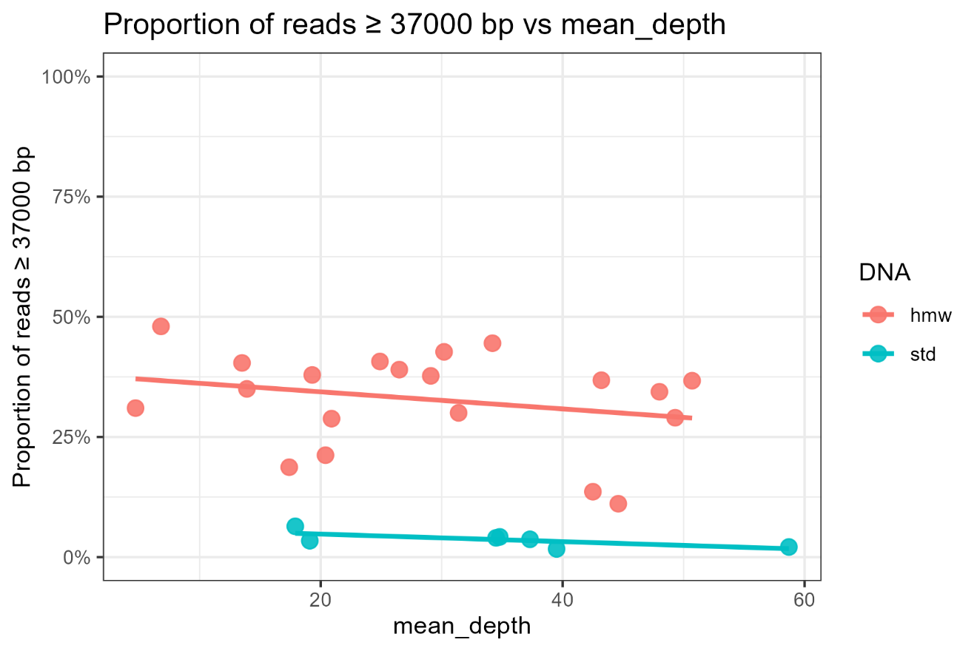
Supplementary Figure S10a: Proportion of reads ≥ 37000 bp vs mean depth. Mean depth was calculated in the region chr4:192406429-193419672 (T2T-chm13v2.0). Proportion was defined as: number of on-target primary reads with read length ≥37000 bp / total number of on-target primary reads. Each point corresponds to one sample, the colours represent DNA input type (hmw vs std). A linear regression line is shown to illustrate the overall trend. The read length ≥ 37 kb was chosen as 11 RU have a length of ~36,3 kb, which is the minimal length-requirement to be able to possibly span over a 11 RU D4Z4-array for excluding FSHD1. Figure created with R-studio and ggplot2.

 | Data for Figure 3: Long read-yield by DNA input.
 | Boxplot parameter: median and interquartile range: IQR; 25th (q1)-75th (q3) percentiles
 | DNA | n | median | q1 | q3
 | hmw | 20 | 0.358 | 0.29 | 0.393
 | std | 7 | 0.037 | 0.0275 | 0.041

T1-T4 analysis
Trans1: | chimeric reads - 5RU |  |  |  |  |  | Trans3: | chimeric reads - 5RU
 |  | POS | Alt | REF |  |  |  |  | POS | Alt | REF | HP
pLAM: | SNP | chr4:193543447 | A | G | pLAM | 4A168/4A161S | pLAM: | SNP | chr4:193543447 | A | Ref: G | pLAM | 4A168/4A161S
D4F104S1: | SNP | D4F104S1_383 | C | T | D4F104S1 + c10_D4Z4 | 10A166b | D4F104S1: | SNP | D4F104S1_383 | C | T | D4F104S1 + c10_D4Z4 | 10A166b
 | SNP | D4F104S1_456 | A | C |  |  |  | SNP | D4F104S1_456 | A | C
SSLP_chr10: | CA9-A-CA8-T-CT5-CT1-CT7(+8bp) |  |  |  |  |  | SSLP_chr10: | CA9-A-CA8-T-CT5-CT1-CT7(+8bp)

 | RU | BinI | XapI | chr |  |  |  | RU | BinI | XapI | chr
RU: | 1 | B+ | X- | 10 |  |  | RU: | 1 | B+ | X- | 10
 | 2 | B+ | X- | 10 |  |  |  | 2 | B+ | X- | 10
 | 3 | B+ | X- | 10 |  |  |  | 3 | B+ | X- | 10
 | 4 | B+ | X- | 10 |  |  |  | 4 | B+ | X- | 10
 | 5 | B- | S-Allele | 4 |  |  |  | 5 | B- | S-Allele | 4

Trans2: | chimeric reads - 5RU |  |  |  |  |  | Trans4: | chimeric reads - 5RU
 |  | POS | Alt | REF | HP |  |  |  | POS | Alt | REF | HP
pLAM: | SNP | chr4:193543447 | A | G | pLAM | 4A168/4A161S | pLAM: | SNP | chr4:193543447 | A | G | pLAM | 4A168/4A161S
D4F104S1: | SNP | D4F104S1_383 | C | T | D4F104S1 + c10_D4Z4 | 10A166b | D4F104S1: | SNP | D4F104S1_383 | C | T | D4F104S1 + c10_D4Z4 | 10A166b
 | SNP | D4F104S1_456 | A | C |  |  |  | SNP | D4F104S1_456 | A | C
SSLP_chr10: | CA9-A-CA8-T-CT5-CT1-CT7(+8bp) |  |  |  |  |  | SSLP_chr10: | CA9-A-CA8-T-CT5-CT1-CT7(+8bp)

 | RU | BinI | XapI | chr |  |  |  | RU | BinI | XapI | chr
RU: | 1 | B+ | X- | 10 |  |  | RU: | 1 | B+ | X- | 10
 | 2 | B+ | X- | 10 |  |  |  | 2 | B+ | X- | 10
 | 3 | B+ | X- | 10 |  |  |  | 3 | B+ | X- | 10
 | 4 | B+ | X- | 10 |  |  |  | 4 | B+ | X- | 10
 | 5 | B- | S-Allele | 4 |  |  |  | 5 | B- | S-Allele | 4

Note: Reference T2T-chm13v2.0
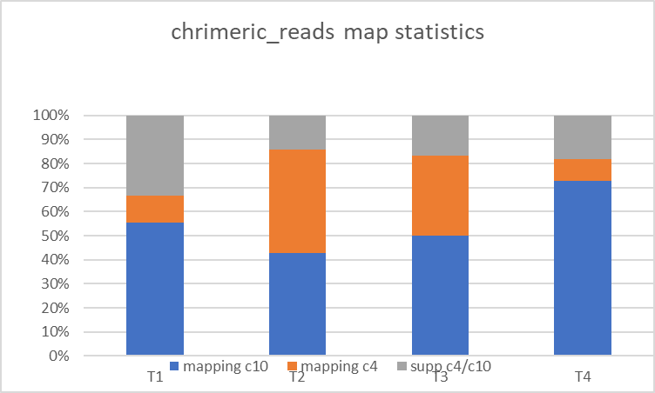

Alignment of chimeric reads with minimap2 against the Reference T2Tchm13v2.0
chimeric reads from Trans1-4 (T1-4)
Alignment minimap2, IGV viewer, check for supplementary mapping chr4/10
supp = supplementary reads

 | T1 | T2 | T3 | T4
chimeric ount | 18 | 7 | 6 | 11
alignment c10 | 10 | 3 | 3 | 8
alignment c4 | 2 | 3 | 2 | 1
supp c4/c10 | 6 | 1 | 1 | 2
alignmnent c10 % | 56 | 43 | 50 | 73
alignment c4 % | 11 | 43 | 33 | 9
suppc4/c10 % | 33 | 14 | 17 | 18

