Four-factor model-001
Analysis Summary

Date and Time

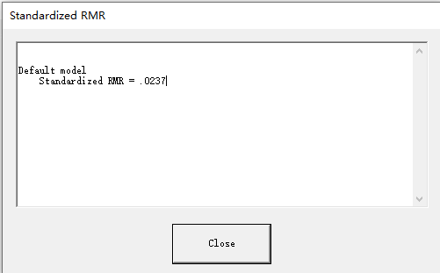
Date: November 28, 2024
Time: 23:25:57

Title

Four-factor model: November 28, 2024 23:25

Groups

Group number 1 (Group number 1)

Notes for Group (Group number 1)

The model is recursive.
Sample size = 1507

Variable Summary (Group number 1)

Your model contains the following variables (Group number 1)
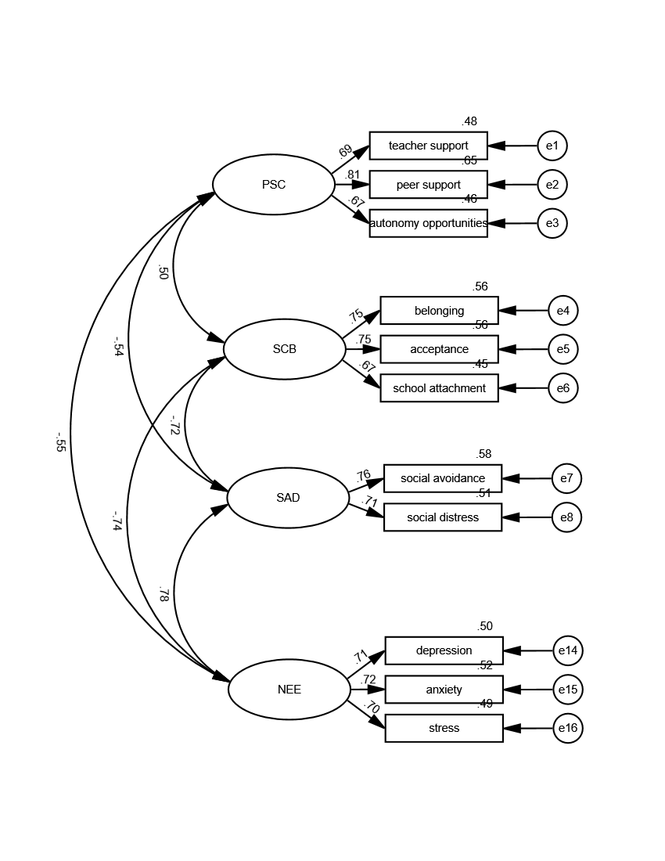
Observed, endogenous variables
teacher support
peer support
autonomy opportunities
belonging
acceptance
school attachment
social avoidance
social distress
depression
anxiety
stress
Unobserved, exogenous variables
F1
e1
e2
e3
F2
e4
e5
e6
F3
e7
e8
F5
e14
e15
e16

Variable counts (Group number 1)

Number of variables in your model: | 26
Number of observed variables: | 11
Number of unobserved variables: | 15
Number of exogenous variables: | 15
Number of endogenous variables: | 11

Parameter Summary (Group number 1)

 | Weights | Covariances | Variances | Means | Intercepts | Total
Fixed | 15 | 0 | 0 | 0 | 0 | 15
Labeled | 0 | 0 | 0 | 0 | 0 | 0
Unlabeled | 7 | 6 | 15 | 0 | 0 | 28
Total | 22 | 6 | 15 | 0 | 0 | 43

Assessment of normality (Group number 1)

Variable | min | max | skew | c.r. | kurtosis | c.r.
stress | 1.143 | 4 | -0.455 | -7.217 | -0.789 | -6.251
anxiety | 1 | 4 | -0.424 | -6.719 | -0.999 | -7.916
depression | 1 | 3.714 | -0.514 | -8.143 | -0.898 | -7.115
social distress | 1 | 2 | 0.751 | 11.904 | -0.964 | -7.641
social avoidance | 1 | 2 | 0.707 | 11.211 | -0.982 | -7.783
school attachment | 1.333 | 5 | -0.299 | -4.743 | -0.722 | -5.719
acceptance | 1.5 | 5 | -0.259 | -4.104 | -1.102 | -8.734
belonging | 1.429 | 5 | -0.332 | -5.259 | -1.12 | -8.875
autonomy opportunities | 1 | 4 | -0.47 | -7.452 | -0.278 | -2.2
peer support | 1.462 | 4 | -0.349 | -5.536 | -0.83 | -6.574
teacher support | 1.429 | 4.143 | -0.409 | -6.485 | -0.76 | -6.023
Multivariate |  |  |  |  | -3.29 | -3.776

Observations farthest from the centroid (Mahalanobis distance) (Group number 1)

Observation number | Mahalanobis d-squared | p1 | p2
282 | 32.17 | 0.001 | 0.66
222 | 28.745 | 0.002 | 0.888
726 | 27.898 | 0.003 | 0.881
446 | 27.294 | 0.004 | 0.87
231 | 26.885 | 0.005 | 0.846
1407 | 25.637 | 0.007 | 0.965
1423 | 25.616 | 0.007 | 0.928
192 | 25.426 | 0.008 | 0.907
118 | 25.11 | 0.009 | 0.912
339 | 25.101 | 0.009 | 0.853
534 | 24.933 | 0.009 | 0.829
937 | 24.851 | 0.01 | 0.777
78 | 24.814 | 0.01 | 0.701
250 | 24.681 | 0.01 | 0.665
51 | 24.565 | 0.011 | 0.624
338 | 24.558 | 0.011 | 0.528
980 | 23.867 | 0.013 | 0.784
875 | 23.815 | 0.014 | 0.734
103 | 23.684 | 0.014 | 0.722
1151 | 23.571 | 0.015 | 0.703
896 | 23.328 | 0.016 | 0.756
360 | 23.241 | 0.016 | 0.731
767 | 23.23 | 0.016 | 0.664
465 | 22.984 | 0.018 | 0.732
199 | 22.937 | 0.018 | 0.69
1496 | 22.739 | 0.019 | 0.738
646 | 22.367 | 0.022 | 0.864
661 | 22.184 | 0.023 | 0.893
219 | 22.147 | 0.023 | 0.871
994 | 22.131 | 0.023 | 0.836
855 | 21.934 | 0.025 | 0.879
124 | 21.923 | 0.025 | 0.845
463 | 21.874 | 0.025 | 0.825
718 | 21.842 | 0.026 | 0.796
1108 | 21.656 | 0.027 | 0.847
16 | 21.585 | 0.028 | 0.842
530 | 21.444 | 0.029 | 0.87
753 | 21.44 | 0.029 | 0.834
713 | 21.393 | 0.03 | 0.818
1436 | 21.361 | 0.03 | 0.793
393 | 21.325 | 0.03 | 0.769
100 | 21.249 | 0.031 | 0.77
848 | 21.243 | 0.031 | 0.725
134 | 21.166 | 0.032 | 0.73
279 | 21.107 | 0.032 | 0.722
995 | 21.092 | 0.032 | 0.682
183 | 20.747 | 0.036 | 0.863
668 | 20.723 | 0.036 | 0.842
626 | 20.615 | 0.038 | 0.866
931 | 20.464 | 0.039 | 0.906
1332 | 20.353 | 0.041 | 0.925
1158 | 20.278 | 0.042 | 0.931
843 | 20.194 | 0.043 | 0.939
172 | 19.974 | 0.046 | 0.974
910 | 19.972 | 0.046 | 0.966
509 | 19.89 | 0.047 | 0.971
265 | 19.855 | 0.047 | 0.968
635 | 19.833 | 0.048 | 0.962
651 | 19.83 | 0.048 | 0.951
1464 | 19.75 | 0.049 | 0.958
293 | 19.633 | 0.051 | 0.972
1048 | 19.626 | 0.051 | 0.964
553 | 19.467 | 0.053 | 0.982
1351 | 19.461 | 0.053 | 0.976
108 | 19.459 | 0.053 | 0.969
605 | 19.428 | 0.054 | 0.966
139 | 19.288 | 0.056 | 0.981
1198 | 19.218 | 0.057 | 0.984
1117 | 19.195 | 0.058 | 0.982
991 | 19.165 | 0.058 | 0.98
310 | 19.101 | 0.059 | 0.983
737 | 19.033 | 0.061 | 0.986
824 | 19.006 | 0.061 | 0.984
1459 | 19 | 0.061 | 0.98
1404 | 18.987 | 0.061 | 0.976
1126 | 18.971 | 0.062 | 0.971
1241 | 18.915 | 0.063 | 0.974
1015 | 18.896 | 0.063 | 0.971
681 | 18.855 | 0.064 | 0.971
1470 | 18.811 | 0.065 | 0.972
22 | 18.752 | 0.066 | 0.976
1346 | 18.725 | 0.066 | 0.974
685 | 18.697 | 0.067 | 0.972
442 | 18.631 | 0.068 | 0.977
940 | 18.621 | 0.068 | 0.972
1179 | 18.616 | 0.068 | 0.966
5 | 18.605 | 0.069 | 0.959
1444 | 18.602 | 0.069 | 0.95
1063 | 18.546 | 0.07 | 0.956
1453 | 18.457 | 0.072 | 0.969
1267 | 18.45 | 0.072 | 0.963
1261 | 18.432 | 0.072 | 0.959
752 | 18.421 | 0.072 | 0.952
167 | 18.382 | 0.073 | 0.953
595 | 18.36 | 0.074 | 0.95
258 | 18.358 | 0.074 | 0.939
1020 | 18.303 | 0.075 | 0.947
1238 | 18.301 | 0.075 | 0.935
1026 | 18.243 | 0.076 | 0.945
1257 | 18.196 | 0.077 | 0.95

Sample Moments (Group number 1)

Sample Covariances (Group number 1)

 | stress | anxiety | depression | social distress | social avoidance | school attachment | acceptance | belonging | autonomy opportunities | peer support | teacher support
stress | 0.403
anxiety | 0.219 | 0.474
depression | 0.223 | 0.233 | 0.457
social distress | 0.088 | 0.095 | 0.09 | 0.117
social avoidance | 0.086 | 0.103 | 0.094 | 0.063 | 0.115
school attachment | -0.169 | -0.201 | -0.181 | -0.085 | -0.097 | 0.715
acceptance | -0.223 | -0.258 | -0.244 | -0.12 | -0.13 | 0.401 | 0.808
belonging | -0.242 | -0.288 | -0.273 | -0.132 | -0.14 | 0.43 | 0.465 | 0.944
autonomy opportunities | -0.126 | -0.138 | -0.134 | -0.051 | -0.049 | 0.089 | 0.119 | 0.132 | 0.385
peer support | -0.108 | -0.133 | -0.112 | -0.069 | -0.071 | 0.132 | 0.189 | 0.199 | 0.21 | 0.382
teacher support | -0.108 | -0.13 | -0.128 | -0.059 | -0.067 | 0.126 | 0.164 | 0.17 | 0.19 | 0.229 | 0.44
Condition number = 45.923
Eigenvalues
2.396 .665 .456 .411 .347 .235 .220 .200 .156 .099 .052
Determinant of sample covariance matrix = .000

Sample Correlations (Group number 1)

 | stress | anxiety | depression | social distress | social avoidance | school attachment | acceptance | belonging | autonomy opportunities | peer support | teacher support
stress | 1
anxiety | 0.5 | 1
depression | 0.52 | 0.501 | 1
social distress | 0.405 | 0.403 | 0.39 | 1
social avoidance | 0.401 | 0.44 | 0.412 | 0.545 | 1
school attachment | -0.315 | -0.345 | -0.317 | -0.294 | -0.339 | 1
acceptance | -0.39 | -0.418 | -0.402 | -0.391 | -0.426 | 0.528 | 1
belonging | -0.392 | -0.43 | -0.415 | -0.397 | -0.426 | 0.524 | 0.532 | 1
autonomy opportunities | -0.321 | -0.322 | -0.32 | -0.239 | -0.235 | 0.17 | 0.214 | 0.219 | 1
peer support | -0.275 | -0.312 | -0.269 | -0.325 | -0.34 | 0.253 | 0.341 | 0.331 | 0.547 | 1
teacher support | -0.256 | -0.286 | -0.287 | -0.26 | -0.297 | 0.225 | 0.276 | 0.264 | 0.462 | 0.559 | 1
Condition number = 12.492
Eigenvalues
4.663 1.357 .943 .781 .529 .507 .481 .464 .461 .440 .373

Models

Default model (Default model)

Notes for Model (Default model)

Computation of degrees of freedom (Default model)

Number of distinct sample moments: | 66
Number of distinct parameters to be estimated: | 28
Degrees of freedom (66 - 28): | 38

Result (Default model)

Minimum was achieved
Chi-square = 135.524
Degrees of freedom = 38
Probability level = .000

Group number 1 (Group number 1 - Default model)

Estimates (Group number 1 - Default model)

Scalar Estimates (Group number 1 - Default model)

Maximum Likelihood Estimates

Regression Weights: (Group number 1 - Default model)

 |  |  | Estimate | S.E. | C.R. | P | Label
teacher support | <--- | F1 | 1
peer support | <--- | F1 | 1.086 | 0.048 | 22.796 | *** | par_1
autonomy opportunities | <--- | F1 | 0.912 | 0.043 | 21.296 | *** | par_2
belonging | <--- | F2 | 1
acceptance | <--- | F2 | 0.922 | 0.038 | 24.245 | *** | par_3
school attachment | <--- | F2 | 0.782 | 0.034 | 23.281 | *** | par_4
social avoidance | <--- | F3 | 1
social distress | <--- | F3 | 0.945 | 0.042 | 22.547 | *** | par_5
depression | <--- | F5 | 1
anxiety | <--- | F5 | 1.035 | 0.044 | 23.429 | *** | par_6
stress | <--- | F5 | 0.93 | 0.04 | 23.472 | *** | par_7

Standardized Regression Weights: (Group number 1 - Default model)

 |  |  | Estimate
teacher support | <--- | F1 | 0.692
peer support | <--- | F1 | 0.806
autonomy opportunities | <--- | F1 | 0.675
belonging | <--- | F2 | 0.751
acceptance | <--- | F2 | 0.748
school attachment | <--- | F2 | 0.674
social avoidance | <--- | F3 | 0.762
social distress | <--- | F3 | 0.715
depression | <--- | F5 | 0.71
anxiety | <--- | F5 | 0.722
stress | <--- | F5 | 0.703

Covariances: (Group number 1 - Default model)

 |  |  | Estimate | S.E. | C.R. | P | Label
F1 | <--> | F2 | 0.168 | 0.013 | 12.482 | *** | par_8
F2 | <--> | F3 | -0.135 | 0.008 | -15.902 | *** | par_9
F3 | <--> | F5 | 0.096 | 0.006 | 16.518 | *** | par_10
F2 | <--> | F5 | -0.261 | 0.016 | -16.071 | *** | par_11
F1 | <--> | F5 | -0.122 | 0.009 | -12.953 | *** | par_12
F1 | <--> | F3 | -0.063 | 0.005 | -12.843 | *** | par_13

Correlations: (Group number 1 - Default model)

 |  |  | Estimate
F1 | <--> | F2 | 0.5
F2 | <--> | F3 | -0.716
F3 | <--> | F5 | 0.777
F2 | <--> | F5 | -0.744
F1 | <--> | F5 | -0.553
F1 | <--> | F3 | -0.536

Variances: (Group number 1 - Default model)

 |  |  | Estimate | S.E. | C.R. | P | Label
F1 |  |  | 0.211 | 0.016 | 13.531 | *** | par_14
F2 |  |  | 0.532 | 0.035 | 15.281 | *** | par_15
F3 |  |  | 0.067 | 0.005 | 14.815 | *** | par_16
F5 |  |  | 0.23 | 0.016 | 14.336 | *** | par_17
e1 |  |  | 0.229 | 0.011 | 20.511 | *** | par_18
e2 |  |  | 0.134 | 0.01 | 13.729 | *** | par_19
e3 |  |  | 0.209 | 0.01 | 21.021 | *** | par_20
e4 |  |  | 0.412 | 0.022 | 18.776 | *** | par_21
e5 |  |  | 0.356 | 0.019 | 18.9 | *** | par_22
e6 |  |  | 0.39 | 0.018 | 22.015 | *** | par_23
e7 |  |  | 0.048 | 0.003 | 16.129 | *** | par_24
e8 |  |  | 0.057 | 0.003 | 19.041 | *** | par_25
e14 |  |  | 0.226 | 0.011 | 20.887 | *** | par_26
e15 |  |  | 0.227 | 0.011 | 20.523 | *** | par_27
e16 |  |  | 0.204 | 0.01 | 21.145 | *** | par_28

Squared Multiple Correlations: (Group number 1 - Default model)

 |  |  | Estimate
stress |  |  | 0.494
anxiety |  |  | 0.521
depression |  |  | 0.505
social distress |  |  | 0.511
social avoidance |  |  | 0.581
school attachment |  |  | 0.455
acceptance |  |  | 0.56
belonging |  |  | 0.564
autonomy opportunities |  |  | 0.456
peer support |  |  | 0.65
teacher support |  |  | 0.479

Matrices (Group number 1 - Default model)

Implied (for all variables) Covariances (Group number 1 - Default model)

 | F5 | F3 | F2 | F1 | stress | anxiety | depression | social distress | social avoidance | school attachment | acceptance | belonging | autonomy opportunities | peer support | teacher support
F5 | 0.23
F3 | 0.096 | 0.067
F2 | -0.261 | -0.135 | 0.532
F1 | -0.122 | -0.063 | 0.168 | 0.211
stress | 0.214 | 0.09 | -0.242 | -0.113 | 0.403
anxiety | 0.239 | 0.1 | -0.27 | -0.126 | 0.222 | 0.474
depression | 0.23 | 0.096 | -0.261 | -0.122 | 0.214 | 0.239 | 0.457
social distress | 0.091 | 0.063 | -0.128 | -0.06 | 0.085 | 0.094 | 0.091 | 0.117
social avoidance | 0.096 | 0.067 | -0.135 | -0.063 | 0.09 | 0.1 | 0.096 | 0.063 | 0.115
school attachment | -0.204 | -0.105 | 0.416 | 0.131 | -0.189 | -0.211 | -0.204 | -0.1 | -0.105 | 0.715
acceptance | -0.24 | -0.124 | 0.491 | 0.154 | -0.223 | -0.249 | -0.24 | -0.118 | -0.124 | 0.383 | 0.808
belonging | -0.261 | -0.135 | 0.532 | 0.168 | -0.242 | -0.27 | -0.261 | -0.128 | -0.135 | 0.416 | 0.491 | 0.944
autonomy opportunities | -0.111 | -0.058 | 0.153 | 0.192 | -0.103 | -0.115 | -0.111 | -0.055 | -0.058 | 0.119 | 0.141 | 0.153 | 0.385
peer support | -0.132 | -0.069 | 0.182 | 0.229 | -0.123 | -0.137 | -0.132 | -0.065 | -0.069 | 0.142 | 0.168 | 0.182 | 0.209 | 0.382
teacher support | -0.122 | -0.063 | 0.168 | 0.211 | -0.113 | -0.126 | -0.122 | -0.06 | -0.063 | 0.131 | 0.154 | 0.168 | 0.192 | 0.229 | 0.44

Implied (for all variables) Correlations (Group number 1 - Default model)

 | F5 | F3 | F2 | F1 | stress | anxiety | depression | social distress | social avoidance | school attachment | acceptance | belonging | autonomy opportunities | peer support | teacher support
F5 | 1
F3 | 0.777 | 1
F2 | -0.744 | -0.716 | 1
F1 | -0.553 | -0.536 | 0.5 | 1
stress | 0.703 | 0.546 | -0.523 | -0.389 | 1
anxiety | 0.722 | 0.561 | -0.537 | -0.399 | 0.508 | 1
depression | 0.71 | 0.552 | -0.529 | -0.393 | 0.499 | 0.513 | 1
social distress | 0.555 | 0.715 | -0.512 | -0.383 | 0.39 | 0.401 | 0.394 | 1
social avoidance | 0.592 | 0.762 | -0.546 | -0.408 | 0.416 | 0.427 | 0.421 | 0.545 | 1
school attachment | -0.502 | -0.483 | 0.674 | 0.337 | -0.353 | -0.362 | -0.357 | -0.345 | -0.368 | 1
acceptance | -0.557 | -0.536 | 0.748 | 0.374 | -0.392 | -0.402 | -0.396 | -0.383 | -0.408 | 0.505 | 1
belonging | -0.559 | -0.538 | 0.751 | 0.376 | -0.393 | -0.403 | -0.397 | -0.384 | -0.41 | 0.507 | 0.562 | 1
autonomy opportunities | -0.373 | -0.362 | 0.338 | 0.675 | -0.263 | -0.269 | -0.265 | -0.258 | -0.276 | 0.228 | 0.253 | 0.254 | 1
peer support | -0.446 | -0.432 | 0.403 | 0.806 | -0.314 | -0.322 | -0.317 | -0.309 | -0.329 | 0.272 | 0.302 | 0.303 | 0.544 | 1
teacher support | -0.383 | -0.371 | 0.346 | 0.692 | -0.269 | -0.276 | -0.272 | -0.265 | -0.282 | 0.233 | 0.259 | 0.26 | 0.467 | 0.558 | 1

Implied Covariances (Group number 1 - Default model)

 | stress | anxiety | depression | social distress | social avoidance | school attachment | acceptance | belonging | autonomy opportunities | peer support | teacher support
stress | 0.403
anxiety | 0.222 | 0.474
depression | 0.214 | 0.239 | 0.457
social distress | 0.085 | 0.094 | 0.091 | 0.117
social avoidance | 0.09 | 0.1 | 0.096 | 0.063 | 0.115
school attachment | -0.189 | -0.211 | -0.204 | -0.1 | -0.105 | 0.715
acceptance | -0.223 | -0.249 | -0.24 | -0.118 | -0.124 | 0.383 | 0.808
belonging | -0.242 | -0.27 | -0.261 | -0.128 | -0.135 | 0.416 | 0.491 | 0.944
autonomy opportunities | -0.103 | -0.115 | -0.111 | -0.055 | -0.058 | 0.119 | 0.141 | 0.153 | 0.385
peer support | -0.123 | -0.137 | -0.132 | -0.065 | -0.069 | 0.142 | 0.168 | 0.182 | 0.209 | 0.382
teacher support | -0.113 | -0.126 | -0.122 | -0.06 | -0.063 | 0.131 | 0.154 | 0.168 | 0.192 | 0.229 | 0.44

Implied Correlations (Group number 1 - Default model)

 | stress | anxiety | depression | social distress | social avoidance | school attachment | acceptance | belonging | autonomy opportunities | peer support | teacher support
stress | 1
anxiety | 0.508 | 1
depression | 0.499 | 0.513 | 1
social distress | 0.39 | 0.401 | 0.394 | 1
social avoidance | 0.416 | 0.427 | 0.421 | 0.545 | 1
school attachment | -0.353 | -0.362 | -0.357 | -0.345 | -0.368 | 1
acceptance | -0.392 | -0.402 | -0.396 | -0.383 | -0.408 | 0.505 | 1
belonging | -0.393 | -0.403 | -0.397 | -0.384 | -0.41 | 0.507 | 0.562 | 1
autonomy opportunities | -0.263 | -0.269 | -0.265 | -0.258 | -0.276 | 0.228 | 0.253 | 0.254 | 1
peer support | -0.314 | -0.322 | -0.317 | -0.309 | -0.329 | 0.272 | 0.302 | 0.303 | 0.544 | 1
teacher support | -0.269 | -0.276 | -0.272 | -0.265 | -0.282 | 0.233 | 0.259 | 0.26 | 0.467 | 0.558 | 1

Residual Covariances (Group number 1 - Default model)

 | stress | anxiety | depression | social distress | social avoidance | school attachment | acceptance | belonging | autonomy opportunities | peer support | teacher support
stress | 0
anxiety | -0.003 | 0
depression | 0.009 | -0.005 | 0
social distress | 0.003 | 0.001 | -0.001 | 0
social avoidance | -0.003 | 0.003 | -0.002 | 0 | 0
school attachment | 0.02 | 0.01 | 0.022 | 0.015 | 0.008 | 0
acceptance | 0.001 | -0.01 | -0.004 | -0.002 | -0.005 | 0.018 | 0
belonging | 0 | -0.018 | -0.012 | -0.004 | -0.005 | 0.014 | -0.026 | 0
autonomy opportunities | -0.023 | -0.022 | -0.023 | 0.004 | 0.008 | -0.03 | -0.022 | -0.021 | 0
peer support | 0.015 | 0.004 | 0.02 | -0.003 | -0.002 | -0.01 | 0.022 | 0.017 | 0.001 | 0
teacher support | 0.005 | -0.004 | -0.007 | 0.001 | -0.003 | -0.005 | 0.01 | 0.002 | -0.002 | 0 | 0

Standardized Residual Covariances (Group number 1 - Default model)

 | stress | anxiety | depression | social distress | social avoidance | school attachment | acceptance | belonging | autonomy opportunities | peer support | teacher support
stress | 0
anxiety | -0.253 | 0
depression | 0.709 | -0.405 | 0
social distress | 0.516 | 0.08 | -0.154 | 0
social avoidance | -0.562 | 0.469 | -0.293 | 0 | 0
school attachment | 1.381 | 0.622 | 1.436 | 1.863 | 1.075 | 0
acceptance | 0.039 | -0.562 | -0.229 | -0.286 | -0.645 | 0.808 | 0
belonging | 0.02 | -0.96 | -0.666 | -0.458 | -0.588 | 0.607 | -0.999 | 0
autonomy opportunities | -2.181 | -1.974 | -2.049 | 0.725 | 1.5 | -2.178 | -1.46 | -1.302 | 0
peer support | 1.442 | 0.38 | 1.763 | -0.615 | -0.383 | -0.71 | 1.45 | 1.057 | 0.085 | 0
teacher support | 0.488 | -0.351 | -0.55 | 0.187 | -0.55 | -0.322 | 0.63 | 0.135 | -0.186 | 0.017 | 0

Factor Score Weights (Group number 1 - Default model)

 | stress | anxiety | depression | social distress | social avoidance | school attachment | acceptance | belonging | autonomy opportunities | peer support | teacher support
F5 | 0.191 | 0.191 | 0.185 | 0.118 | 0.148 | -0.03 | -0.039 | -0.037 | -0.02 | -0.037 | -0.02
F3 | 0.032 | 0.032 | 0.031 | 0.233 | 0.292 | -0.016 | -0.02 | -0.019 | -0.01 | -0.019 | -0.01
F2 | -0.069 | -0.069 | -0.067 | -0.128 | -0.161 | 0.195 | 0.252 | 0.237 | 0.02 | 0.036 | 0.02
F1 | -0.021 | -0.021 | -0.02 | -0.04 | -0.05 | 0.009 | 0.012 | 0.011 | 0.182 | 0.34 | 0.182

Total Effects (Group number 1 - Default model)

 | F5 | F3 | F2 | F1
stress | 0.93 | 0 | 0 | 0
anxiety | 1.035 | 0 | 0 | 0
depression | 1 | 0 | 0 | 0
social distress | 0 | 0.945 | 0 | 0
social avoidance | 0 | 1 | 0 | 0
school attachment | 0 | 0 | 0.782 | 0
acceptance | 0 | 0 | 0.922 | 0
belonging | 0 | 0 | 1 | 0
autonomy opportunities | 0 | 0 | 0 | 0.912
peer support | 0 | 0 | 0 | 1.086
teacher support | 0 | 0 | 0 | 1

Standardized Total Effects (Group number 1 - Default model)

 | F5 | F3 | F2 | F1
stress | 0.703 | 0 | 0 | 0
anxiety | 0.722 | 0 | 0 | 0
depression | 0.71 | 0 | 0 | 0
social distress | 0 | 0.715 | 0 | 0
social avoidance | 0 | 0.762 | 0 | 0
school attachment | 0 | 0 | 0.674 | 0
acceptance | 0 | 0 | 0.748 | 0
belonging | 0 | 0 | 0.751 | 0
autonomy opportunities | 0 | 0 | 0 | 0.675
peer support | 0 | 0 | 0 | 0.806
teacher support | 0 | 0 | 0 | 0.692

Direct Effects (Group number 1 - Default model)

 | F5 | F3 | F2 | F1
stress | 0.93 | 0 | 0 | 0
anxiety | 1.035 | 0 | 0 | 0
depression | 1 | 0 | 0 | 0
social distress | 0 | 0.945 | 0 | 0
social avoidance | 0 | 1 | 0 | 0
school attachment | 0 | 0 | 0.782 | 0
acceptance | 0 | 0 | 0.922 | 0
belonging | 0 | 0 | 1 | 0
autonomy opportunities | 0 | 0 | 0 | 0.912
peer support | 0 | 0 | 0 | 1.086
teacher support | 0 | 0 | 0 | 1

Standardized Direct Effects (Group number 1 - Default model)

 | F5 | F3 | F2 | F1
stress | 0.703 | 0 | 0 | 0
anxiety | 0.722 | 0 | 0 | 0
depression | 0.71 | 0 | 0 | 0
social distress | 0 | 0.715 | 0 | 0
social avoidance | 0 | 0.762 | 0 | 0
school attachment | 0 | 0 | 0.674 | 0
acceptance | 0 | 0 | 0.748 | 0
belonging | 0 | 0 | 0.751 | 0
autonomy opportunities | 0 | 0 | 0 | 0.675
peer support | 0 | 0 | 0 | 0.806
teacher support | 0 | 0 | 0 | 0.692

Indirect Effects (Group number 1 - Default model)

 | F5 | F3 | F2 | F1
stress | 0 | 0 | 0 | 0
anxiety | 0 | 0 | 0 | 0
depression | 0 | 0 | 0 | 0
social distress | 0 | 0 | 0 | 0
social avoidance | 0 | 0 | 0 | 0
school attachment | 0 | 0 | 0 | 0
acceptance | 0 | 0 | 0 | 0
belonging | 0 | 0 | 0 | 0
autonomy opportunities | 0 | 0 | 0 | 0
peer support | 0 | 0 | 0 | 0
teacher support | 0 | 0 | 0 | 0

Standardized Indirect Effects (Group number 1 - Default model)

 | F5 | F3 | F2 | F1
stress | 0 | 0 | 0 | 0
anxiety | 0 | 0 | 0 | 0
depression | 0 | 0 | 0 | 0
social distress | 0 | 0 | 0 | 0
social avoidance | 0 | 0 | 0 | 0
school attachment | 0 | 0 | 0 | 0
acceptance | 0 | 0 | 0 | 0
belonging | 0 | 0 | 0 | 0
autonomy opportunities | 0 | 0 | 0 | 0
peer support | 0 | 0 | 0 | 0
teacher support | 0 | 0 | 0 | 0

Modification Indices (Group number 1 - Default model)

Covariances: (Group number 1 - Default model)

 |  |  | M.I. | Par Change
e6 | <--> | F3 | 5.371 | 0.01
e6 | <--> | F2 | 11.158 | 0.036
e6 | <--> | e8 | 4.666 | 0.01
e5 | <--> | e6 | 4.98 | 0.026
e4 | <--> | e5 | 10.675 | -0.04
e3 | <--> | F5 | 54.311 | -0.039
e3 | <--> | F3 | 11.024 | 0.01
e3 | <--> | F2 | 23.443 | -0.04
e3 | <--> | e16 | 14.592 | -0.025
e3 | <--> | e15 | 5.022 | -0.015
e3 | <--> | e14 | 11.436 | -0.023
e3 | <--> | e7 | 8.305 | 0.01
e3 | <--> | e5 | 6.596 | -0.023
e2 | <--> | F5 | 32.649 | 0.028
e2 | <--> | F3 | 5.464 | -0.007
e2 | <--> | F2 | 12.635 | 0.027
e2 | <--> | e16 | 6.537 | 0.015
e2 | <--> | e14 | 15.86 | 0.025
e2 | <--> | e5 | 6.757 | 0.021

Variances: (Group number 1 - Default model)

 |  |  | M.I. | Par Change

Regression Weights: (Group number 1 - Default model)

 |  |  | M.I. | Par Change
stress | <--- | autonomy opportunities | 5.172 | -0.047
depression | <--- | autonomy opportunities | 4.332 | -0.046
depression | <--- | peer support | 4.445 | 0.046
social avoidance | <--- | autonomy opportunities | 4.004 | 0.022
school attachment | <--- | F3 | 4.867 | 0.168
school attachment | <--- | depression | 4.724 | 0.056
school attachment | <--- | social distress | 7.495 | 0.14
school attachment | <--- | autonomy opportunities | 4.572 | -0.06
autonomy opportunities | <--- | stress | 13.21 | -0.074
autonomy opportunities | <--- | anxiety | 6.716 | -0.049
autonomy opportunities | <--- | depression | 11.103 | -0.064
autonomy opportunities | <--- | social avoidance | 5.116 | 0.086
autonomy opportunities | <--- | school attachment | 4.703 | -0.033
autonomy opportunities | <--- | acceptance | 7.721 | -0.04
autonomy opportunities | <--- | belonging | 5.207 | -0.03
peer support | <--- | stress | 7.424 | 0.051
peer support | <--- | depression | 13.095 | 0.063
peer support | <--- | acceptance | 5.259 | 0.03

Minimization History (Default model)

Iteration |  | Negative | Condition # | Smallest | Diameter | F | NTries | Ratio
 |  | eigenvalues |  | eigenvalue
0 | e | 10 |  | -0.296 | 9999 | 6431.086 | 0 | 9999
1 | e* | 1 |  | -0.011 | 2.471 | 1259.902 | 20 | 0.635
2 | e | 0 | 282.332 |  | 0.645 | 538.581 | 5 | 0.67
3 | e | 0 | 99.357 |  | 0.641 | 236.596 | 2 | 0
4 | e | 0 | 70.166 |  | 0.302 | 142.619 | 1 | 1.12
5 | e | 0 | 68.945 |  | 0.067 | 135.647 | 1 | 1.078
6 | e | 0 | 73.809 |  | 0.007 | 135.524 | 1 | 1.015
7 | e | 0 | 71.898 |  | 0 | 135.524 | 1 | 1

Pairwise Parameter Comparisons (Default model)

Variance-covariance Matrix of Estimates (Default model)

 | par_1 | par_2 | par_3 | par_4 | par_5 | par_6 | par_7 | par_8 | par_9 | par_10 | par_11 | par_12 | par_13 | par_14 | par_15 | par_16 | par_17 | par_18 | par_19 | par_20 | par_21 | par_22 | par_23 | par_24 | par_25 | par_26 | par_27 | par_28
par_1 | 0.002
par_2 | 0.001 | 0.002
par_3 | 0 | 0 | 0.001
par_4 | 0 | 0 | 0.001 | 0.001
par_5 | 0 | 0 | 0 | 0 | 0.002
par_6 | 0 | 0 | 0 | 0 | 0 | 0.002
par_7 | 0 | 0 | 0 | 0 | 0 | 0.001 | 0.002
par_8 | 0 | 0 | 0 | 0 | 0 | 0 | 0 | 0
par_9 | 0 | 0 | 0 | 0 | 0 | 0 | 0 | 0 | 0
par_10 | 0 | 0 | 0 | 0 | 0 | 0 | 0 | 0 | 0 | 0
par_11 | 0 | 0 | 0 | 0 | 0 | 0 | 0 | 0 | 0 | 0 | 0
par_12 | 0 | 0 | 0 | 0 | 0 | 0 | 0 | 0 | 0 | 0 | 0 | 0
par_13 | 0 | 0 | 0 | 0 | 0 | 0 | 0 | 0 | 0 | 0 | 0 | 0 | 0
par_14 | -0.001 | 0 | 0 | 0 | 0 | 0 | 0 | 0 | 0 | 0 | 0 | 0 | 0 | 0
par_15 | 0 | 0 | -0.001 | -0.001 | 0 | 0 | 0 | 0 | 0 | 0 | 0 | 0 | 0 | 0 | 0.001
par_16 | 0 | 0 | 0 | 0 | 0 | 0 | 0 | 0 | 0 | 0 | 0 | 0 | 0 | 0 | 0 | 0
par_17 | 0 | 0 | 0 | 0 | 0 | 0 | 0 | 0 | 0 | 0 | 0 | 0 | 0 | 0 | 0 | 0 | 0
par_18 | 0 | 0 | 0 | 0 | 0 | 0 | 0 | 0 | 0 | 0 | 0 | 0 | 0 | 0 | 0 | 0 | 0 | 0
par_19 | 0 | 0 | 0 | 0 | 0 | 0 | 0 | 0 | 0 | 0 | 0 | 0 | 0 | 0 | 0 | 0 | 0 | 0 | 0
par_20 | 0 | 0 | 0 | 0 | 0 | 0 | 0 | 0 | 0 | 0 | 0 | 0 | 0 | 0 | 0 | 0 | 0 | 0 | 0 | 0
par_21 | 0 | 0 | 0 | 0 | 0 | 0 | 0 | 0 | 0 | 0 | 0 | 0 | 0 | 0 | 0 | 0 | 0 | 0 | 0 | 0 | 0
par_22 | 0 | 0 | 0 | 0 | 0 | 0 | 0 | 0 | 0 | 0 | 0 | 0 | 0 | 0 | 0 | 0 | 0 | 0 | 0 | 0 | 0 | 0
par_23 | 0 | 0 | 0 | 0 | 0 | 0 | 0 | 0 | 0 | 0 | 0 | 0 | 0 | 0 | 0 | 0 | 0 | 0 | 0 | 0 | 0 | 0 | 0
par_24 | 0 | 0 | 0 | 0 | 0 | 0 | 0 | 0 | 0 | 0 | 0 | 0 | 0 | 0 | 0 | 0 | 0 | 0 | 0 | 0 | 0 | 0 | 0 | 0
par_25 | 0 | 0 | 0 | 0 | 0 | 0 | 0 | 0 | 0 | 0 | 0 | 0 | 0 | 0 | 0 | 0 | 0 | 0 | 0 | 0 | 0 | 0 | 0 | 0 | 0
par_26 | 0 | 0 | 0 | 0 | 0 | 0 | 0 | 0 | 0 | 0 | 0 | 0 | 0 | 0 | 0 | 0 | 0 | 0 | 0 | 0 | 0 | 0 | 0 | 0 | 0 | 0
par_27 | 0 | 0 | 0 | 0 | 0 | 0 | 0 | 0 | 0 | 0 | 0 | 0 | 0 | 0 | 0 | 0 | 0 | 0 | 0 | 0 | 0 | 0 | 0 | 0 | 0 | 0 | 0
par_28 | 0 | 0 | 0 | 0 | 0 | 0 | 0 | 0 | 0 | 0 | 0 | 0 | 0 | 0 | 0 | 0 | 0 | 0 | 0 | 0 | 0 | 0 | 0 | 0 | 0 | 0 | 0 | 0

Correlations of Estimates (Default model)

 | par_1 | par_2 | par_3 | par_4 | par_5 | par_6 | par_7 | par_8 | par_9 | par_10 | par_11 | par_12 | par_13 | par_14 | par_15 | par_16 | par_17 | par_18 | par_19 | par_20 | par_21 | par_22 | par_23 | par_24 | par_25 | par_26 | par_27 | par_28
par_1 | 1
par_2 | 0.513 | 1
par_3 | 0 | -0.002 | 1
par_4 | -0.003 | 0 | 0.483 | 1
par_5 | 0.004 | 0.004 | -0.002 | -0.004 | 1
par_6 | 0.004 | 0.001 | 0 | 0.002 | -0.005 | 1
par_7 | 0.004 | 0.002 | 0.003 | 0.004 | 0.008 | 0.494 | 1
par_8 | -0.328 | -0.301 | -0.251 | -0.237 | -0.001 | -0.001 | -0.002 | 1
par_9 | 0.001 | 0.001 | 0.327 | 0.306 | 0.312 | -0.001 | 0.004 | -0.492 | 1
par_10 | -0.003 | -0.002 | 0 | 0 | -0.309 | -0.35 | -0.346 | 0.281 | -0.6 | 1
par_11 | 0.001 | 0 | 0.336 | 0.31 | 0 | 0.343 | 0.342 | -0.497 | 0.629 | -0.625 | 1
par_12 | 0.407 | 0.27 | 0.001 | 0 | 0.003 | 0.274 | 0.274 | -0.619 | 0.273 | -0.505 | 0.486 | 1
par_13 | 0.349 | 0.304 | -0.001 | -0.002 | 0.244 | 0 | 0.003 | -0.607 | 0.461 | -0.481 | 0.27 | 0.632 | 1
par_14 | -0.714 | -0.608 | 0 | 0.002 | -0.003 | -0.002 | -0.003 | 0.566 | -0.108 | 0.115 | -0.108 | -0.604 | -0.587 | 1
par_15 | 0.001 | 0.001 | -0.626 | -0.542 | 0.002 | -0.001 | -0.002 | 0.521 | -0.669 | 0.23 | -0.679 | -0.177 | -0.173 | 0.068 | 1
par_16 | -0.003 | -0.002 | 0.001 | 0.002 | -0.605 | 0.003 | -0.005 | 0.189 | -0.631 | 0.645 | -0.236 | -0.193 | -0.504 | 0.079 | 0.153 | 1
par_17 | -0.003 | -0.001 | -0.001 | -0.002 | -0.001 | -0.63 | -0.6 | 0.197 | -0.245 | 0.703 | -0.687 | -0.552 | -0.197 | 0.081 | 0.162 | 0.171 | 1
par_18 | 0.373 | 0.267 | 0 | -0.002 | 0.005 | 0.003 | 0.004 | -0.136 | 0.001 | -0.003 | 0.001 | 0.164 | 0.146 | -0.317 | 0.001 | -0.003 | -0.003 | 1
par_19 | -0.478 | -0.002 | -0.002 | 0.004 | -0.003 | -0.004 | -0.005 | 0.09 | -0.001 | 0.003 | -0.002 | -0.211 | -0.112 | 0.171 | -0.001 | 0.002 | 0.004 | -0.238 | 1
par_20 | 0.08 | -0.267 | 0.002 | -0.002 | -0.001 | 0.001 | 0 | 0.052 | 0 | 0 | 0 | 0.036 | -0.04 | 0.021 | 0 | 0.001 | -0.001 | -0.029 | -0.218 | 1
par_21 | -0.001 | -0.001 | 0.391 | 0.281 | -0.003 | 0.001 | 0.004 | -0.115 | 0.154 | 0 | 0.16 | 0 | -0.001 | 0.001 | -0.335 | 0.002 | -0.002 | -0.002 | 0.001 | 0.001 | 1
par_22 | -0.002 | 0.002 | -0.389 | -0.105 | 0.001 | 0.001 | -0.001 | 0.076 | -0.103 | 0 | -0.111 | -0.001 | 0 | 0 | 0.156 | 0 | 0 | -0.001 | 0.004 | -0.004 | -0.249 | 1
par_23 | 0.004 | -0.001 | -0.009 | -0.246 | 0.003 | -0.002 | -0.003 | 0.052 | -0.067 | 0 | -0.065 | 0.001 | 0.002 | -0.002 | 0.026 | -0.002 | 0.002 | 0.002 | -0.006 | 0.003 | -0.042 | -0.022 | 1
par_24 | 0.004 | 0.004 | -0.002 | -0.003 | 0.429 | -0.005 | 0.008 | -0.001 | 0.139 | -0.129 | 0 | 0.003 | 0.104 | -0.003 | 0.002 | -0.434 | -0.001 | 0.005 | -0.003 | -0.001 | -0.003 | 0.001 | 0.003 | 1
par_25 | -0.004 | -0.003 | 0.002 | 0.003 | -0.382 | 0.004 | -0.007 | 0.001 | -0.123 | 0.115 | 0 | -0.002 | -0.093 | 0.003 | -0.002 | 0.116 | 0.001 | -0.004 | 0.003 | 0.001 | 0.003 | -0.001 | -0.003 | -0.175 | 1
par_26 | 0.005 | 0.002 | 0.001 | 0.003 | 0.001 | 0.284 | 0.239 | -0.002 | 0.001 | -0.119 | 0.12 | 0.094 | 0.002 | -0.003 | -0.002 | -0.001 | -0.283 | 0.004 | -0.005 | 0.001 | 0.003 | 0 | -0.003 | 0.001 | -0.001 | 1
par_27 | -0.002 | 0 | 0.002 | 0 | 0.01 | -0.287 | -0.007 | 0 | 0.004 | 0.062 | -0.06 | -0.047 | 0.002 | 0.001 | -0.001 | -0.007 | 0.068 | -0.002 | 0.003 | -0.001 | 0.001 | -0.002 | 0.001 | 0.01 | -0.009 | -0.101 | 1
par_28 | -0.003 | -0.002 | -0.003 | -0.003 | -0.012 | 0.038 | -0.237 | 0.002 | -0.005 | 0.05 | -0.053 | -0.042 | -0.004 | 0.002 | 0.003 | 0.008 | 0.009 | -0.003 | 0.003 | 0 | -0.004 | 0.002 | 0.002 | -0.012 | 0.011 | -0.013 | -0.086 | 1

Critical Ratios for Differences between Parameters (Default model)

 | par_1 | par_2 | par_3 | par_4 | par_5 | par_6 | par_7 | par_8 | par_9 | par_10 | par_11 | par_12 | par_13 | par_14 | par_15 | par_16 | par_17 | par_18 | par_19 | par_20 | par_21 | par_22 | par_23 | par_24 | par_25 | par_26 | par_27 | par_28
par_1 | 0
par_2 | -3.886 | 0
par_3 | -2.703 | 0.165 | 0
par_4 | -5.22 | -2.399 | -3.827 | 0
par_5 | -2.235 | 0.547 | 0.41 | 3.036 | 0
par_6 | -0.787 | 2.002 | 1.95 | 4.576 | 1.482 | 0
par_7 | -2.525 | 0.309 | 0.156 | 2.866 | -0.256 | -2.482 | 0
par_8 | -17.147 | -15.326 | -17.385 | -15.746 | -17.661 | -18.782 | -18.214 | 0
par_9 | -25.234 | -23.984 | -29.235 | -28.634 | -26.943 | -26.002 | -26.302 | -15.849 | 0
par_10 | -20.613 | -18.869 | -21.46 | -20.11 | -19.259 | -20.17 | -19.85 | -5.459 | 17.98 | 0
par_11 | -26.769 | -25.611 | -32.866 | -32.121 | -26.824 | -31.211 | -31.895 | -16.674 | -9.877 | -17.518 | 0
par_12 | -27.054 | -25.04 | -26.65 | -25.91 | -24.851 | -27.177 | -27.585 | -14.038 | 1.21 | -16.356 | 9.737 | 0
par_13 | -24.91 | -23.456 | -25.696 | -24.898 | -24.605 | -24.712 | -24.891 | -13.68 | 9.402 | -17.215 | 12.618 | 7.931 | 0
par_14 | -14.651 | -13.053 | -17.31 | -15.437 | -16.405 | -17.588 | -16.882 | 3.163 | 18.666 | 7.154 | 19.916 | 14.756 | 14.507 | 0
par_15 | -9.388 | -6.881 | -5.924 | -4.148 | -7.577 | -8.935 | -7.53 | 12.118 | 16.274 | 12.834 | 16.741 | 17.371 | 16.539 | 8.652 | 0
par_16 | -21.296 | -19.626 | -22.337 | -21.111 | -19.614 | -21.813 | -21.637 | -7.566 | 17.013 | -6.56 | 18.363 | 16.854 | 15.888 | -9.075 | -13.521 | 0
par_17 | -17 | -14.894 | -16.74 | -14.794 | -15.912 | -14.442 | -13.74 | 3.346 | 18.331 | 10.586 | 16.558 | 15.54 | 16.582 | 0.923 | -8.404 | 10.276 | 0
par_18 | -19.171 | -16.544 | -17.47 | -15.597 | -16.518 | -17.696 | -17.039 | 3.32 | 25.963 | 10.533 | 24.885 | 26.249 | 25.357 | 0.853 | -8.285 | 13.476 | -0.059 | 0
par_19 | -17.976 | -17.717 | -20.074 | -18.559 | -18.843 | -19.909 | -19.5 | -2.141 | 20.793 | 3.29 | 20.83 | 17.149 | 17.295 | -4.562 | -11.022 | 6.244 | -5.163 | -5.81 | 0
par_20 | -18.307 | -15.116 | -18.133 | -16.331 | -17.069 | -18.236 | -17.64 | 2.569 | 26.309 | 9.797 | 24.7 | 24.625 | 24.154 | -0.068 | -8.912 | 13.058 | -1.113 | -1.31 | 4.932 | 0
par_21 | -12.858 | -10.4 | -14.29 | -10.71 | -11.262 | -12.65 | -11.471 | 9.042 | 24.559 | 13.898 | 26.783 | 22.365 | 21.136 | 7.476 | -2.573 | 15.418 | 6.656 | 7.402 | 11.594 | 8.397 | 0
par_22 | -14.254 | -11.907 | -11.664 | -10.606 | -12.833 | -14.16 | -13.092 | 8.443 | 22.896 | 13.161 | 23.547 | 22.689 | 21.544 | 5.934 | -4.791 | 14.931 | 5.054 | 5.767 | 10.497 | 6.854 | -1.738 | 0
par_23 | -13.723 | -11.27 | -12.64 | -9.415 | -12.217 | -13.552 | -12.44 | 10.258 | 26.054 | 15.742 | 26.253 | 25.527 | 24.668 | 7.588 | -3.69 | 17.675 | 6.665 | 7.669 | 12.645 | 8.888 | -0.76 | 1.308 | 0
par_24 | -21.749 | -20.128 | -22.904 | -21.754 | -22.025 | -22.281 | -22.207 | -8.681 | 21.298 | -6.995 | 18.723 | 17.237 | 20.289 | -10.245 | -13.85 | -2.903 | -11.149 | -15.674 | -8.387 | -15.5 | -16.421 | -16.14 | -19.035 | 0
par_25 | -21.552 | -19.912 | -22.678 | -21.503 | -20.582 | -22.094 | -21.959 | -8.038 | 20.549 | -6.3 | 19.262 | 18.105 | 20.043 | -9.697 | -13.592 | -1.897 | -10.609 | -14.871 | -7.529 | -14.656 | -16.033 | -15.671 | -18.523 | 1.933 | 0
par_26 | -17.618 | -15.532 | -17.598 | -15.756 | -16.607 | -19.081 | -18.282 | 3.401 | 26.267 | 10.075 | 26.472 | 25.483 | 24.351 | 0.822 | -8.385 | 13.598 | -0.192 | -0.195 | 6.347 | 1.147 | -7.585 | -5.953 | -7.863 | 15.856 | 15.056 | 0
par_27 | -17.555 | -15.484 | -17.551 | -15.686 | -16.603 | -16.653 | -17.059 | 3.423 | 26.008 | 10.733 | 24.175 | 23.489 | 23.993 | 0.86 | -8.349 | 13.394 | -0.179 | -0.141 | 6.353 | 1.187 | -7.516 | -5.879 | -7.793 | 15.653 | 14.803 | 0.05 | 0
par_28 | -18.14 | -16.127 | -18.288 | -16.526 | -17.186 | -18.531 | -16.909 | 2.2 | 26.309 | 9.762 | 24.067 | 23.686 | 24.637 | -0.371 | -9.093 | 12.931 | -1.424 | -1.72 | 5.137 | -0.399 | -8.66 | -7.182 | -9.226 | 15.376 | 14.592 | -1.536 | -1.518 | 0

Model Fit Summary

CMIN

Model | NPAR | CMIN | DF | P | CMIN/DF
Default model | 28 | 135.524 | 38 | 0 | 3.566
Saturated model | 66 | 0 | 0
Independence model | 11 | 5808.211 | 55 | 0 | 105.604

RMR, GFI

Model | RMR | GFI | AGFI | PGFI
Default model | 0.011 | 0.984 | 0.973 | 0.567
Saturated model | 0 | 1
Independence model | 0.167 | 0.413 | 0.296 | 0.344

Baseline Comparisons

Model | NFI | RFI | IFI | TLI | CFI
 | Delta1 | rho1 | Delta2 | rho2
Default model | 0.977 | 0.966 | 0.983 | 0.975 | 0.983
Saturated model | 1 |  | 1 |  | 1
Independence model | 0 | 0 | 0 | 0 | 0

Parsimony-Adjusted Measures

Model | PRATIO | PNFI | PCFI
Default model | 0.691 | 0.675 | 0.679
Saturated model | 0 | 0 | 0
Independence model | 1 | 0 | 0

NCP

Model | NCP | LO 90 | HI 90
Default model | 97.524 | 65.738 | 136.899
Saturated model | 0 | 0 | 0
Independence model | 5753.211 | 5506.25 | 6006.467

FMIN

Model | FMIN | F0 | LO 90 | HI 90
Default model | 0.09 | 0.065 | 0.044 | 0.091
Saturated model | 0 | 0 | 0 | 0
Independence model | 3.857 | 3.82 | 3.656 | 3.988

RMSEA

Model | RMSEA | LO 90 | HI 90 | PCLOSE
Default model | 0.041 | 0.034 | 0.049 | 0.971
Independence model | 0.264 | 0.258 | 0.269 | 0

AIC

Model | AIC | BCC | BIC | CAIC
Default model | 191.524 | 191.973 | 340.424 | 368.424
Saturated model | 132 | 133.06 | 482.98 | 548.98
Independence model | 5830.211 | 5830.388 | 5888.707 | 5899.707

ECVI

Model | ECVI | LO 90 | HI 90 | MECVI
Default model | 0.127 | 0.106 | 0.153 | 0.127
Saturated model | 0.088 | 0.088 | 0.088 | 0.088
Independence model | 3.871 | 3.707 | 4.039 | 3.871

HOELTER

Model | HOELTER | HOELTER
 | 0.05 | 0.01
Default model | 594 | 680
Independence model | 20 | 22

Execution time summary

Minimization: | 0.088
Miscellaneous: | 0.507
Bootstrap: | 0
Total: | 0.595

Three-factor model-002
Analysis Summary

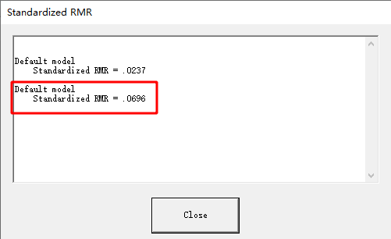
Date and Time

Date: November 28, 2024
Time: 23:30:21

Title

Three-factor model: November 28, 2024 23:30

Groups

Group number 1 (Group number 1)

Notes for Group (Group number 1)

The model is recursive.
Sample size = 1507

Variable Summary (Group number 1)

Your model contains the following variables (Group number 1)

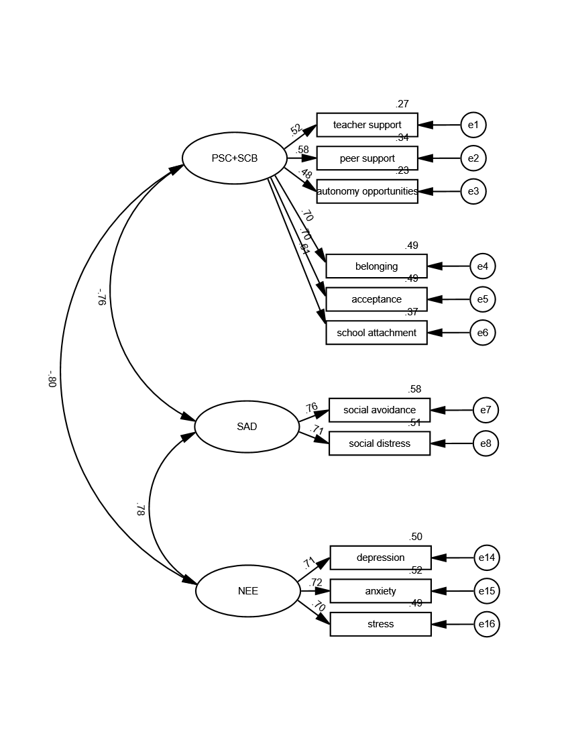
Observed, endogenous variables
teacher support
peer support
autonomy opportunities
belonging
acceptance
school attachment
social avoidance
social distress
depression
anxiety
stress
Unobserved, exogenous variables
F1
e1
e2
e3
e4
e5
e6
F3
e7
e8
F5
e14
e15
e16

Variable counts (Group number 1)

Number of variables in your model: | 25
Number of observed variables: | 11
Number of unobserved variables: | 14
Number of exogenous variables: | 14
Number of endogenous variables: | 11

Parameter Summary (Group number 1)

 | Weights | Covariances | Variances | Means | Intercepts | Total
Fixed | 14 | 0 | 0 | 0 | 0 | 14
Labeled | 0 | 0 | 0 | 0 | 0 | 0
Unlabeled | 8 | 3 | 14 | 0 | 0 | 25
Total | 22 | 3 | 14 | 0 | 0 | 39

Assessment of normality (Group number 1)

Variable | min | max | skew | c.r. | kurtosis | c.r.
stress | 1.143 | 4 | -0.455 | -7.217 | -0.789 | -6.251
anxiety | 1 | 4 | -0.424 | -6.719 | -0.999 | -7.916
depression | 1 | 3.714 | -0.514 | -8.143 | -0.898 | -7.115
social distress | 1 | 2 | 0.751 | 11.904 | -0.964 | -7.641
social avoidance | 1 | 2 | 0.707 | 11.211 | -0.982 | -7.783
school attachment | 1.333 | 5 | -0.299 | -4.743 | -0.722 | -5.719
acceptance | 1.5 | 5 | -0.259 | -4.104 | -1.102 | -8.734
belonging | 1.429 | 5 | -0.332 | -5.259 | -1.12 | -8.875
autonomy opportunities | 1 | 4 | -0.47 | -7.452 | -0.278 | -2.2
peer support | 1.462 | 4 | -0.349 | -5.536 | -0.83 | -6.574
teacher support | 1.429 | 4.143 | -0.409 | -6.485 | -0.76 | -6.023
Multivariate |  |  |  |  | -3.29 | -3.776

Observations farthest from the centroid (Mahalanobis distance) (Group number 1)

Observation number | Mahalanobis d-squared | p1 | p2
282 | 32.17 | 0.001 | 0.66
222 | 28.745 | 0.002 | 0.888
726 | 27.898 | 0.003 | 0.881
446 | 27.294 | 0.004 | 0.87
231 | 26.885 | 0.005 | 0.846
1407 | 25.637 | 0.007 | 0.965
1423 | 25.616 | 0.007 | 0.928
192 | 25.426 | 0.008 | 0.907
118 | 25.11 | 0.009 | 0.912
339 | 25.101 | 0.009 | 0.853
534 | 24.933 | 0.009 | 0.829
937 | 24.851 | 0.01 | 0.777
78 | 24.814 | 0.01 | 0.701
250 | 24.681 | 0.01 | 0.665
51 | 24.565 | 0.011 | 0.624
338 | 24.558 | 0.011 | 0.528
980 | 23.867 | 0.013 | 0.784
875 | 23.815 | 0.014 | 0.734
103 | 23.684 | 0.014 | 0.722
1151 | 23.571 | 0.015 | 0.703
896 | 23.328 | 0.016 | 0.756
360 | 23.241 | 0.016 | 0.731
767 | 23.23 | 0.016 | 0.664
465 | 22.984 | 0.018 | 0.732
199 | 22.937 | 0.018 | 0.69
1496 | 22.739 | 0.019 | 0.738
646 | 22.367 | 0.022 | 0.864
661 | 22.184 | 0.023 | 0.893
219 | 22.147 | 0.023 | 0.871
994 | 22.131 | 0.023 | 0.836
855 | 21.934 | 0.025 | 0.879
124 | 21.923 | 0.025 | 0.845
463 | 21.874 | 0.025 | 0.825
718 | 21.842 | 0.026 | 0.796
1108 | 21.656 | 0.027 | 0.847
16 | 21.585 | 0.028 | 0.842
530 | 21.444 | 0.029 | 0.87
753 | 21.44 | 0.029 | 0.834
713 | 21.393 | 0.03 | 0.818
1436 | 21.361 | 0.03 | 0.793
393 | 21.325 | 0.03 | 0.769
100 | 21.249 | 0.031 | 0.77
848 | 21.243 | 0.031 | 0.725
134 | 21.166 | 0.032 | 0.73
279 | 21.107 | 0.032 | 0.722
995 | 21.092 | 0.032 | 0.682
183 | 20.747 | 0.036 | 0.863
668 | 20.723 | 0.036 | 0.842
626 | 20.615 | 0.038 | 0.866
931 | 20.464 | 0.039 | 0.906
1332 | 20.353 | 0.041 | 0.925
1158 | 20.278 | 0.042 | 0.931
843 | 20.194 | 0.043 | 0.939
172 | 19.974 | 0.046 | 0.974
910 | 19.972 | 0.046 | 0.966
509 | 19.89 | 0.047 | 0.971
265 | 19.855 | 0.047 | 0.968
635 | 19.833 | 0.048 | 0.962
651 | 19.83 | 0.048 | 0.951
1464 | 19.75 | 0.049 | 0.958
293 | 19.633 | 0.051 | 0.972
1048 | 19.626 | 0.051 | 0.964
553 | 19.467 | 0.053 | 0.982
1351 | 19.461 | 0.053 | 0.976
108 | 19.459 | 0.053 | 0.969
605 | 19.428 | 0.054 | 0.966
139 | 19.288 | 0.056 | 0.981
1198 | 19.218 | 0.057 | 0.984
1117 | 19.195 | 0.058 | 0.982
991 | 19.165 | 0.058 | 0.98
310 | 19.101 | 0.059 | 0.983
737 | 19.033 | 0.061 | 0.986
824 | 19.006 | 0.061 | 0.984
1459 | 19 | 0.061 | 0.98
1404 | 18.987 | 0.061 | 0.976
1126 | 18.971 | 0.062 | 0.971
1241 | 18.915 | 0.063 | 0.974
1015 | 18.896 | 0.063 | 0.971
681 | 18.855 | 0.064 | 0.971
1470 | 18.811 | 0.065 | 0.972
22 | 18.752 | 0.066 | 0.976
1346 | 18.725 | 0.066 | 0.974
685 | 18.697 | 0.067 | 0.972
442 | 18.631 | 0.068 | 0.977
940 | 18.621 | 0.068 | 0.972
1179 | 18.616 | 0.068 | 0.966
5 | 18.605 | 0.069 | 0.959
1444 | 18.602 | 0.069 | 0.95
1063 | 18.546 | 0.07 | 0.956
1453 | 18.457 | 0.072 | 0.969
1267 | 18.45 | 0.072 | 0.963
1261 | 18.432 | 0.072 | 0.959
752 | 18.421 | 0.072 | 0.952
167 | 18.382 | 0.073 | 0.953
595 | 18.36 | 0.074 | 0.95
258 | 18.358 | 0.074 | 0.939
1020 | 18.303 | 0.075 | 0.947
1238 | 18.301 | 0.075 | 0.935
1026 | 18.243 | 0.076 | 0.945
1257 | 18.196 | 0.077 | 0.95

Sample Moments (Group number 1)

Sample Covariances (Group number 1)

 | stress | anxiety | depression | social distress | social avoidance | school attachment | acceptance | belonging | autonomy opportunities | peer support | teacher support
stress | 0.403
anxiety | 0.219 | 0.474
depression | 0.223 | 0.233 | 0.457
social distress | 0.088 | 0.095 | 0.09 | 0.117
social avoidance | 0.086 | 0.103 | 0.094 | 0.063 | 0.115
school attachment | -0.169 | -0.201 | -0.181 | -0.085 | -0.097 | 0.715
acceptance | -0.223 | -0.258 | -0.244 | -0.12 | -0.13 | 0.401 | 0.808
belonging | -0.242 | -0.288 | -0.273 | -0.132 | -0.14 | 0.43 | 0.465 | 0.944
autonomy opportunities | -0.126 | -0.138 | -0.134 | -0.051 | -0.049 | 0.089 | 0.119 | 0.132 | 0.385
peer support | -0.108 | -0.133 | -0.112 | -0.069 | -0.071 | 0.132 | 0.189 | 0.199 | 0.21 | 0.382
teacher support | -0.108 | -0.13 | -0.128 | -0.059 | -0.067 | 0.126 | 0.164 | 0.17 | 0.19 | 0.229 | 0.44
Condition number = 45.923
Eigenvalues
2.396 .665 .456 .411 .347 .235 .220 .200 .156 .099 .052
Determinant of sample covariance matrix = .000

Sample Correlations (Group number 1)

 | stress | anxiety | depression | social distress | social avoidance | school attachment | acceptance | belonging | autonomy opportunities | peer support | teacher support
stress | 1
anxiety | 0.5 | 1
depression | 0.52 | 0.501 | 1
social distress | 0.405 | 0.403 | 0.39 | 1
social avoidance | 0.401 | 0.44 | 0.412 | 0.545 | 1
school attachment | -0.315 | -0.345 | -0.317 | -0.294 | -0.339 | 1
acceptance | -0.39 | -0.418 | -0.402 | -0.391 | -0.426 | 0.528 | 1
belonging | -0.392 | -0.43 | -0.415 | -0.397 | -0.426 | 0.524 | 0.532 | 1
autonomy opportunities | -0.321 | -0.322 | -0.32 | -0.239 | -0.235 | 0.17 | 0.214 | 0.219 | 1
peer support | -0.275 | -0.312 | -0.269 | -0.325 | -0.34 | 0.253 | 0.341 | 0.331 | 0.547 | 1
teacher support | -0.256 | -0.286 | -0.287 | -0.26 | -0.297 | 0.225 | 0.276 | 0.264 | 0.462 | 0.559 | 1
Condition number = 12.492
Eigenvalues
4.663 1.357 .943 .781 .529 .507 .481 .464 .461 .440 .373

Models

Default model (Default model)

Notes for Model (Default model)

Computation of degrees of freedom (Default model)

Number of distinct sample moments: | 66
Number of distinct parameters to be estimated: | 25
Degrees of freedom (66 - 25): | 41

Result (Default model)

Minimum was achieved
Chi-square = 858.057
Degrees of freedom = 41
Probability level = .000

Group number 1 (Group number 1 - Default model)

Estimates (Group number 1 - Default model)

Scalar Estimates (Group number 1 - Default model)

Maximum Likelihood Estimates

Regression Weights: (Group number 1 - Default model)

 |  |  | Estimate | S.E. | C.R. | P | Label
teacher support | <--- | F1 | 1
peer support | <--- | F1 | 1.054 | 0.063 | 16.805 | *** | par_1
autonomy opportunities | <--- | F1 | 0.863 | 0.059 | 14.538 | *** | par_2
social avoidance | <--- | F3 | 1
social distress | <--- | F3 | 0.945 | 0.042 | 22.516 | *** | par_3
depression | <--- | F5 | 1
anxiety | <--- | F5 | 1.035 | 0.044 | 23.459 | *** | par_4
stress | <--- | F5 | 0.93 | 0.04 | 23.495 | *** | par_5
belonging | <--- | F1 | 1.981 | 0.121 | 16.414 | *** | par_9
acceptance | <--- | F1 | 1.834 | 0.111 | 16.477 | *** | par_10
school attachment | <--- | F1 | 1.506 | 0.098 | 15.309 | *** | par_11

Standardized Regression Weights: (Group number 1 - Default model)

 |  |  | Estimate
teacher support | <--- | F1 | 0.515
peer support | <--- | F1 | 0.583
autonomy opportunities | <--- | F1 | 0.476
social avoidance | <--- | F3 | 0.762
social distress | <--- | F3 | 0.715
depression | <--- | F5 | 0.711
anxiety | <--- | F5 | 0.722
stress | <--- | F5 | 0.703
belonging | <--- | F1 | 0.697
acceptance | <--- | F1 | 0.698
school attachment | <--- | F1 | 0.609

Covariances: (Group number 1 - Default model)

 |  |  | Estimate | S.E. | C.R. | P | Label
F3 | <--> | F5 | 0.096 | 0.006 | 16.521 | *** | par_6
F1 | <--> | F5 | -0.131 | 0.009 | -13.814 | *** | par_7
F1 | <--> | F3 | -0.067 | 0.005 | -13.739 | *** | par_8

Correlations: (Group number 1 - Default model)

 |  |  | Estimate
F3 | <--> | F5 | 0.777
F1 | <--> | F5 | -0.795
F1 | <--> | F3 | -0.763

Variances: (Group number 1 - Default model)

 |  |  | Estimate | S.E. | C.R. | P | Label
F1 |  |  | 0.117 | 0.012 | 9.502 | *** | par_12
F3 |  |  | 0.067 | 0.005 | 14.805 | *** | par_13
F5 |  |  | 0.231 | 0.016 | 14.351 | *** | par_14
e1 |  |  | 0.323 | 0.013 | 24.673 | *** | par_15
e2 |  |  | 0.252 | 0.011 | 23.453 | *** | par_16
e3 |  |  | 0.298 | 0.012 | 25.079 | *** | par_17
e4 |  |  | 0.485 | 0.023 | 21.486 | *** | par_18
e5 |  |  | 0.415 | 0.019 | 21.491 | *** | par_19
e6 |  |  | 0.45 | 0.019 | 23.54 | *** | par_20
e7 |  |  | 0.048 | 0.003 | 16.111 | *** | par_21
e8 |  |  | 0.057 | 0.003 | 19.017 | *** | par_22
e14 |  |  | 0.226 | 0.011 | 20.901 | *** | par_23
e15 |  |  | 0.227 | 0.011 | 20.557 | *** | par_24
e16 |  |  | 0.204 | 0.01 | 21.172 | *** | par_25

Squared Multiple Correlations: (Group number 1 - Default model)

 |  |  | Estimate
stress |  |  | 0.494
anxiety |  |  | 0.521
depression |  |  | 0.505
social distress |  |  | 0.511
social avoidance |  |  | 0.581
school attachment |  |  | 0.371
acceptance |  |  | 0.487
belonging |  |  | 0.486
autonomy opportunities |  |  | 0.226
peer support |  |  | 0.34
teacher support |  |  | 0.266

Matrices (Group number 1 - Default model)

Implied (for all variables) Covariances (Group number 1 - Default model)

 | F5 | F3 | F1 | stress | anxiety | depression | social distress | social avoidance | school attachment | acceptance | belonging | autonomy opportunities | peer support | teacher support
F5 | 0.231
F3 | 0.096 | 0.067
F1 | -0.131 | -0.067 | 0.117
stress | 0.214 | 0.09 | -0.121 | 0.403
anxiety | 0.239 | 0.1 | -0.135 | 0.222 | 0.474
depression | 0.231 | 0.096 | -0.131 | 0.214 | 0.239 | 0.457
social distress | 0.091 | 0.063 | -0.064 | 0.085 | 0.094 | 0.091 | 0.117
social avoidance | 0.096 | 0.067 | -0.067 | 0.09 | 0.1 | 0.096 | 0.063 | 0.115
school attachment | -0.197 | -0.101 | 0.176 | -0.183 | -0.203 | -0.197 | -0.096 | -0.101 | 0.715
acceptance | -0.24 | -0.123 | 0.214 | -0.223 | -0.248 | -0.24 | -0.117 | -0.123 | 0.323 | 0.808
belonging | -0.259 | -0.133 | 0.232 | -0.241 | -0.268 | -0.259 | -0.126 | -0.133 | 0.349 | 0.425 | 0.944
autonomy opportunities | -0.113 | -0.058 | 0.101 | -0.105 | -0.117 | -0.113 | -0.055 | -0.058 | 0.152 | 0.185 | 0.2 | 0.385
peer support | -0.138 | -0.071 | 0.123 | -0.128 | -0.142 | -0.138 | -0.067 | -0.071 | 0.186 | 0.226 | 0.244 | 0.106 | 0.382
teacher support | -0.131 | -0.067 | 0.117 | -0.121 | -0.135 | -0.131 | -0.064 | -0.067 | 0.176 | 0.214 | 0.232 | 0.101 | 0.123 | 0.44

Implied (for all variables) Correlations (Group number 1 - Default model)

 | F5 | F3 | F1 | stress | anxiety | depression | social distress | social avoidance | school attachment | acceptance | belonging | autonomy opportunities | peer support | teacher support
F5 | 1
F3 | 0.777 | 1
F1 | -0.795 | -0.763 | 1
stress | 0.703 | 0.546 | -0.559 | 1
anxiety | 0.722 | 0.561 | -0.574 | 0.507 | 1
depression | 0.711 | 0.552 | -0.565 | 0.5 | 0.513 | 1
social distress | 0.555 | 0.715 | -0.545 | 0.39 | 0.401 | 0.395 | 1
social avoidance | 0.592 | 0.762 | -0.581 | 0.416 | 0.427 | 0.421 | 0.545 | 1
school attachment | -0.484 | -0.464 | 0.609 | -0.34 | -0.349 | -0.344 | -0.332 | -0.354 | 1
acceptance | -0.555 | -0.532 | 0.698 | -0.39 | -0.4 | -0.394 | -0.38 | -0.405 | 0.425 | 1
belonging | -0.555 | -0.532 | 0.697 | -0.39 | -0.4 | -0.394 | -0.38 | -0.405 | 0.424 | 0.486 | 1
autonomy opportunities | -0.379 | -0.363 | 0.476 | -0.266 | -0.273 | -0.269 | -0.259 | -0.277 | 0.29 | 0.332 | 0.332 | 1
peer support | -0.464 | -0.445 | 0.583 | -0.326 | -0.335 | -0.33 | -0.318 | -0.339 | 0.355 | 0.407 | 0.406 | 0.277 | 1
teacher support | -0.41 | -0.393 | 0.515 | -0.288 | -0.296 | -0.291 | -0.281 | -0.3 | 0.314 | 0.36 | 0.359 | 0.245 | 0.301 | 1

Implied Covariances (Group number 1 - Default model)

 | stress | anxiety | depression | social distress | social avoidance | school attachment | acceptance | belonging | autonomy opportunities | peer support | teacher support
stress | 0.403
anxiety | 0.222 | 0.474
depression | 0.214 | 0.239 | 0.457
social distress | 0.085 | 0.094 | 0.091 | 0.117
social avoidance | 0.09 | 0.1 | 0.096 | 0.063 | 0.115
school attachment | -0.183 | -0.203 | -0.197 | -0.096 | -0.101 | 0.715
acceptance | -0.223 | -0.248 | -0.24 | -0.117 | -0.123 | 0.323 | 0.808
belonging | -0.241 | -0.268 | -0.259 | -0.126 | -0.133 | 0.349 | 0.425 | 0.944
autonomy opportunities | -0.105 | -0.117 | -0.113 | -0.055 | -0.058 | 0.152 | 0.185 | 0.2 | 0.385
peer support | -0.128 | -0.142 | -0.138 | -0.067 | -0.071 | 0.186 | 0.226 | 0.244 | 0.106 | 0.382
teacher support | -0.121 | -0.135 | -0.131 | -0.064 | -0.067 | 0.176 | 0.214 | 0.232 | 0.101 | 0.123 | 0.44

Implied Correlations (Group number 1 - Default model)

 | stress | anxiety | depression | social distress | social avoidance | school attachment | acceptance | belonging | autonomy opportunities | peer support | teacher support
stress | 1
anxiety | 0.507 | 1
depression | 0.5 | 0.513 | 1
social distress | 0.39 | 0.401 | 0.395 | 1
social avoidance | 0.416 | 0.427 | 0.421 | 0.545 | 1
school attachment | -0.34 | -0.349 | -0.344 | -0.332 | -0.354 | 1
acceptance | -0.39 | -0.4 | -0.394 | -0.38 | -0.405 | 0.425 | 1
belonging | -0.39 | -0.4 | -0.394 | -0.38 | -0.405 | 0.424 | 0.486 | 1
autonomy opportunities | -0.266 | -0.273 | -0.269 | -0.259 | -0.277 | 0.29 | 0.332 | 0.332 | 1
peer support | -0.326 | -0.335 | -0.33 | -0.318 | -0.339 | 0.355 | 0.407 | 0.406 | 0.277 | 1
teacher support | -0.288 | -0.296 | -0.291 | -0.281 | -0.3 | 0.314 | 0.36 | 0.359 | 0.245 | 0.301 | 1

Residual Covariances (Group number 1 - Default model)

 | stress | anxiety | depression | social distress | social avoidance | school attachment | acceptance | belonging | autonomy opportunities | peer support | teacher support
stress | 0
anxiety | -0.003 | 0
depression | 0.009 | -0.006 | 0
social distress | 0.003 | 0.001 | -0.001 | 0
social avoidance | -0.003 | 0.003 | -0.002 | 0 | 0
school attachment | 0.014 | 0.002 | 0.015 | 0.011 | 0.004 | 0
acceptance | 0 | -0.011 | -0.005 | -0.003 | -0.006 | 0.078 | 0
belonging | -0.002 | -0.02 | -0.014 | -0.006 | -0.007 | 0.082 | 0.04 | 0
autonomy opportunities | -0.021 | -0.021 | -0.021 | 0.004 | 0.009 | -0.063 | -0.066 | -0.068 | 0
peer support | 0.02 | 0.01 | 0.025 | -0.002 | 0 | -0.053 | -0.037 | -0.045 | 0.103 | 0
teacher support | 0.014 | 0.005 | 0.002 | 0.005 | 0.001 | -0.05 | -0.05 | -0.062 | 0.089 | 0.106 | 0

Standardized Residual Covariances (Group number 1 - Default model)

 | stress | anxiety | depression | social distress | social avoidance | school attachment | acceptance | belonging | autonomy opportunities | peer support | teacher support
stress | 0
anxiety | -0.247 | 0
depression | 0.705 | -0.409 | 0
social distress | 0.517 | 0.083 | -0.161 | 0
social avoidance | -0.558 | 0.473 | -0.297 | 0 | 0
school attachment | 0.928 | 0.155 | 0.986 | 1.38 | 0.558 | 0
acceptance | -0.01 | -0.614 | -0.272 | -0.382 | -0.748 | 3.687 | 0
belonging | -0.094 | -1.078 | -0.774 | -0.617 | -0.759 | 3.561 | 1.607 | 0
autonomy opportunities | -2.043 | -1.834 | -1.904 | 0.765 | 1.54 | -4.456 | -4.352 | -4.153 | 0
peer support | 1.894 | 0.847 | 2.225 | -0.275 | -0.025 | -3.722 | -2.367 | -2.695 | 10.074 | 0
teacher support | 1.199 | 0.381 | 0.179 | 0.788 | 0.089 | -3.288 | -3.06 | -3.496 | 8.159 | 9.591 | 0

Factor Score Weights (Group number 1 - Default model)

 | stress | anxiety | depression | social distress | social avoidance | school attachment | acceptance | belonging | autonomy opportunities | peer support | teacher support
F5 | 0.19 | 0.19 | 0.184 | 0.118 | 0.148 | -0.029 | -0.038 | -0.035 | -0.025 | -0.036 | -0.027
F3 | 0.032 | 0.032 | 0.031 | 0.234 | 0.293 | -0.015 | -0.019 | -0.018 | -0.013 | -0.018 | -0.014
F1 | -0.04 | -0.039 | -0.038 | -0.073 | -0.091 | 0.065 | 0.087 | 0.08 | 0.057 | 0.082 | 0.061

Total Effects (Group number 1 - Default model)

 | F5 | F3 | F1
stress | 0.93 | 0 | 0
anxiety | 1.035 | 0 | 0
depression | 1 | 0 | 0
social distress | 0 | 0.945 | 0
social avoidance | 0 | 1 | 0
school attachment | 0 | 0 | 1.506
acceptance | 0 | 0 | 1.834
belonging | 0 | 0 | 1.981
autonomy opportunities | 0 | 0 | 0.863
peer support | 0 | 0 | 1.054
teacher support | 0 | 0 | 1

Standardized Total Effects (Group number 1 - Default model)

 | F5 | F3 | F1
stress | 0.703 | 0 | 0
anxiety | 0.722 | 0 | 0
depression | 0.711 | 0 | 0
social distress | 0 | 0.715 | 0
social avoidance | 0 | 0.762 | 0
school attachment | 0 | 0 | 0.609
acceptance | 0 | 0 | 0.698
belonging | 0 | 0 | 0.697
autonomy opportunities | 0 | 0 | 0.476
peer support | 0 | 0 | 0.583
teacher support | 0 | 0 | 0.515

Direct Effects (Group number 1 - Default model)

 | F5 | F3 | F1
stress | 0.93 | 0 | 0
anxiety | 1.035 | 0 | 0
depression | 1 | 0 | 0
social distress | 0 | 0.945 | 0
social avoidance | 0 | 1 | 0
school attachment | 0 | 0 | 1.506
acceptance | 0 | 0 | 1.834
belonging | 0 | 0 | 1.981
autonomy opportunities | 0 | 0 | 0.863
peer support | 0 | 0 | 1.054
teacher support | 0 | 0 | 1

Standardized Direct Effects (Group number 1 - Default model)

 | F5 | F3 | F1
stress | 0.703 | 0 | 0
anxiety | 0.722 | 0 | 0
depression | 0.711 | 0 | 0
social distress | 0 | 0.715 | 0
social avoidance | 0 | 0.762 | 0
school attachment | 0 | 0 | 0.609
acceptance | 0 | 0 | 0.698
belonging | 0 | 0 | 0.697
autonomy opportunities | 0 | 0 | 0.476
peer support | 0 | 0 | 0.583
teacher support | 0 | 0 | 0.515

Indirect Effects (Group number 1 - Default model)

 | F5 | F3 | F1
stress | 0 | 0 | 0
anxiety | 0 | 0 | 0
depression | 0 | 0 | 0
social distress | 0 | 0 | 0
social avoidance | 0 | 0 | 0
school attachment | 0 | 0 | 0
acceptance | 0 | 0 | 0
belonging | 0 | 0 | 0
autonomy opportunities | 0 | 0 | 0
peer support | 0 | 0 | 0
teacher support | 0 | 0 | 0

Standardized Indirect Effects (Group number 1 - Default model)

 | F5 | F3 | F1
stress | 0 | 0 | 0
anxiety | 0 | 0 | 0
depression | 0 | 0 | 0
social distress | 0 | 0 | 0
social avoidance | 0 | 0 | 0
school attachment | 0 | 0 | 0
acceptance | 0 | 0 | 0
belonging | 0 | 0 | 0
autonomy opportunities | 0 | 0 | 0
peer support | 0 | 0 | 0
teacher support | 0 | 0 | 0

Modification Indices (Group number 1 - Default model)

Covariances: (Group number 1 - Default model)

 |  |  | M.I. | Par Change
e6 | <--> | F1 | 4.315 | 0.01
e5 | <--> | e6 | 64.176 | 0.101
e4 | <--> | F1 | 4.2 | -0.011
e4 | <--> | e6 | 59.713 | 0.106
e4 | <--> | e5 | 16.501 | 0.055
e3 | <--> | F5 | 22.67 | -0.028
e3 | <--> | F3 | 10.271 | 0.011
e3 | <--> | e16 | 6.357 | -0.018
e3 | <--> | e14 | 4.311 | -0.016
e3 | <--> | e7 | 7.729 | 0.01
e3 | <--> | e6 | 51.27 | -0.073
e3 | <--> | e5 | 65.558 | -0.082
e3 | <--> | e4 | 59.574 | -0.084
e2 | <--> | F5 | 16.932 | 0.023
e2 | <--> | F1 | 5.433 | 0.009
e2 | <--> | e14 | 8.348 | 0.021
e2 | <--> | e6 | 45.125 | -0.064
e2 | <--> | e5 | 24.643 | -0.047
e2 | <--> | e4 | 31.872 | -0.058
e2 | <--> | e3 | 245.156 | 0.118
e1 | <--> | e6 | 30.133 | -0.058
e1 | <--> | e5 | 35.062 | -0.062
e1 | <--> | e4 | 45.671 | -0.077
e1 | <--> | e3 | 138.61 | 0.099
e1 | <--> | e2 | 239.564 | 0.123

Variances: (Group number 1 - Default model)

 |  |  | M.I. | Par Change

Regression Weights: (Group number 1 - Default model)

 |  |  | M.I. | Par Change
depression | <--- | peer support | 5.461 | 0.051
social avoidance | <--- | autonomy opportunities | 5.388 | 0.025
school attachment | <--- | acceptance | 28.283 | 0.108
school attachment | <--- | belonging | 26.371 | 0.096
school attachment | <--- | autonomy opportunities | 37.928 | -0.181
school attachment | <--- | peer support | 27.497 | -0.154
school attachment | <--- | teacher support | 20.935 | -0.126
acceptance | <--- | school attachment | 37.162 | 0.13
acceptance | <--- | belonging | 7.394 | 0.051
acceptance | <--- | autonomy opportunities | 48.694 | -0.204
acceptance | <--- | peer support | 15.128 | -0.114
acceptance | <--- | teacher support | 24.482 | -0.135
belonging | <--- | school attachment | 34.575 | 0.136
belonging | <--- | acceptance | 7.378 | 0.059
belonging | <--- | autonomy opportunities | 44.248 | -0.21
belonging | <--- | peer support | 19.564 | -0.14
belonging | <--- | teacher support | 31.889 | -0.167
autonomy opportunities | <--- | stress | 7.024 | -0.06
autonomy opportunities | <--- | depression | 5.539 | -0.05
autonomy opportunities | <--- | school attachment | 29.252 | -0.092
autonomy opportunities | <--- | acceptance | 28.584 | -0.086
autonomy opportunities | <--- | belonging | 26.029 | -0.076
autonomy opportunities | <--- | peer support | 148.582 | 0.284
autonomy opportunities | <--- | teacher support | 95.943 | 0.213
peer support | <--- | stress | 5.361 | 0.049
peer support | <--- | depression | 8.66 | 0.059
peer support | <--- | school attachment | 25.866 | -0.081
peer support | <--- | acceptance | 10.831 | -0.05
peer support | <--- | belonging | 14.036 | -0.052
peer support | <--- | autonomy opportunities | 181.217 | 0.294
peer support | <--- | teacher support | 166.276 | 0.263
teacher support | <--- | school attachment | 17.217 | -0.074
teacher support | <--- | acceptance | 15.324 | -0.066
teacher support | <--- | belonging | 20.003 | -0.07
teacher support | <--- | autonomy opportunities | 102.302 | 0.246
teacher support | <--- | peer support | 145.37 | 0.295

Minimization History (Default model)

Iteration |  | Negative | Condition # | Smallest | Diameter | F | NTries | Ratio
 |  | eigenvalues |  | eigenvalue
0 | e | 7 |  | -0.459 | 9999 | 6153.669 | 0 | 9999
1 | e | 4 |  | -0.145 | 2.052 | 2636.063 | 20 | 0.516
2 | e | 0 | 534.591 |  | 0.75 | 1488.394 | 5 | 0.763
3 | e | 0 | 130.298 |  | 0.854 | 1128.703 | 3 | 0
4 | e | 0 | 311.104 |  | 0.669 | 880.186 | 1 | 0.951
5 | e | 0 | 535.823 |  | 0.263 | 859.213 | 1 | 1.068
6 | e | 0 | 765.456 |  | 0.087 | 858.079 | 1 | 1.062
7 | e | 0 | 810.75 |  | 0.021 | 858.057 | 1 | 1.017
8 | e | 0 | 817.209 |  | 0.001 | 858.057 | 1 | 1.001

Pairwise Parameter Comparisons (Default model)

Variance-covariance Matrix of Estimates (Default model)

 | par_1 | par_2 | par_3 | par_4 | par_5 | par_6 | par_7 | par_8 | par_9 | par_10 | par_11 | par_12 | par_13 | par_14 | par_15 | par_16 | par_17 | par_18 | par_19 | par_20 | par_21 | par_22 | par_23 | par_24 | par_25
par_1 | 0.004
par_2 | 0.002 | 0.004
par_3 | 0 | 0 | 0.002
par_4 | 0 | 0 | 0 | 0.002
par_5 | 0 | 0 | 0 | 0.001 | 0.002
par_6 | 0 | 0 | 0 | 0 | 0 | 0
par_7 | 0 | 0 | 0 | 0 | 0 | 0 | 0
par_8 | 0 | 0 | 0 | 0 | 0 | 0 | 0 | 0
par_9 | 0.004 | 0.003 | 0 | 0 | 0 | 0 | 0.001 | 0 | 0.015
par_10 | 0.004 | 0.003 | 0 | 0 | 0 | 0 | 0.001 | 0 | 0.01 | 0.012
par_11 | 0.003 | 0.003 | 0 | 0 | 0 | 0 | 0.001 | 0 | 0.009 | 0.008 | 0.01
par_12 | -0.001 | 0 | 0 | 0 | 0 | 0 | 0 | 0 | -0.001 | -0.001 | -0.001 | 0
par_13 | 0 | 0 | 0 | 0 | 0 | 0 | 0 | 0 | 0 | 0 | 0 | 0 | 0
par_14 | 0 | 0 | 0 | 0 | 0 | 0 | 0 | 0 | 0 | 0 | 0 | 0 | 0 | 0
par_15 | 0 | 0 | 0 | 0 | 0 | 0 | 0 | 0 | 0 | 0 | 0 | 0 | 0 | 0 | 0
par_16 | 0 | 0 | 0 | 0 | 0 | 0 | 0 | 0 | 0 | 0 | 0 | 0 | 0 | 0 | 0 | 0
par_17 | 0 | 0 | 0 | 0 | 0 | 0 | 0 | 0 | 0 | 0 | 0 | 0 | 0 | 0 | 0 | 0 | 0
par_18 | 0 | 0 | 0 | 0 | 0 | 0 | 0 | 0 | -0.001 | 0 | 0 | 0 | 0 | 0 | 0 | 0 | 0 | 0.001
par_19 | 0 | 0 | 0 | 0 | 0 | 0 | 0 | 0 | 0 | -0.001 | 0 | 0 | 0 | 0 | 0 | 0 | 0 | 0 | 0
par_20 | 0 | 0 | 0 | 0 | 0 | 0 | 0 | 0 | 0 | 0 | 0 | 0 | 0 | 0 | 0 | 0 | 0 | 0 | 0 | 0
par_21 | 0 | 0 | 0 | 0 | 0 | 0 | 0 | 0 | 0 | 0 | 0 | 0 | 0 | 0 | 0 | 0 | 0 | 0 | 0 | 0 | 0
par_22 | 0 | 0 | 0 | 0 | 0 | 0 | 0 | 0 | 0 | 0 | 0 | 0 | 0 | 0 | 0 | 0 | 0 | 0 | 0 | 0 | 0 | 0
par_23 | 0 | 0 | 0 | 0 | 0 | 0 | 0 | 0 | 0 | 0 | 0 | 0 | 0 | 0 | 0 | 0 | 0 | 0 | 0 | 0 | 0 | 0 | 0
par_24 | 0 | 0 | 0 | 0 | 0 | 0 | 0 | 0 | 0 | 0 | 0 | 0 | 0 | 0 | 0 | 0 | 0 | 0 | 0 | 0 | 0 | 0 | 0 | 0
par_25 | 0 | 0 | 0 | 0 | 0 | 0 | 0 | 0 | 0 | 0 | 0 | 0 | 0 | 0 | 0 | 0 | 0 | 0 | 0 | 0 | 0 | 0 | 0 | 0 | 0

Correlations of Estimates (Default model)

 | par_1 | par_2 | par_3 | par_4 | par_5 | par_6 | par_7 | par_8 | par_9 | par_10 | par_11 | par_12 | par_13 | par_14 | par_15 | par_16 | par_17 | par_18 | par_19 | par_20 | par_21 | par_22 | par_23 | par_24 | par_25
par_1 | 1
par_2 | 0.515 | 1
par_3 | 0.004 | 0.006 | 1
par_4 | 0.004 | 0.001 | -0.005 | 1
par_5 | 0.004 | 0.002 | 0.008 | 0.494 | 1
par_6 | -0.003 | -0.003 | -0.31 | -0.349 | -0.346 | 1
par_7 | 0.497 | 0.403 | 0.001 | 0.295 | 0.293 | -0.536 | 1
par_8 | 0.487 | 0.416 | 0.268 | 0 | 0.003 | -0.52 | 0.75 | 1
par_9 | 0.59 | 0.486 | 0 | 0.001 | 0 | 0 | 0.584 | 0.581 | 1
par_10 | 0.591 | 0.485 | -0.001 | 0.001 | 0.001 | 0 | 0.587 | 0.581 | 0.759 | 1
par_11 | 0.546 | 0.449 | -0.003 | 0.002 | 0.002 | 0 | 0.556 | 0.552 | 0.723 | 0.723 | 1
par_12 | -0.675 | -0.571 | 0 | -0.002 | -0.002 | 0.164 | -0.803 | -0.799 | -0.813 | -0.812 | -0.761 | 1
par_13 | -0.002 | -0.004 | -0.606 | 0.003 | -0.005 | 0.646 | -0.203 | -0.544 | 0 | 0.001 | 0.002 | 0.109 | 1
par_14 | -0.003 | -0.001 | -0.001 | -0.629 | -0.599 | 0.703 | -0.59 | -0.213 | -0.001 | -0.001 | -0.002 | 0.116 | 0.171 | 1
par_15 | 0.083 | 0.06 | 0 | 0.002 | 0.002 | -0.001 | 0.138 | 0.137 | 0.226 | 0.223 | 0.213 | -0.204 | 0 | -0.001 | 1
par_16 | -0.056 | -0.014 | -0.005 | -0.003 | -0.003 | 0.003 | 0.084 | 0.094 | 0.186 | 0.182 | 0.183 | -0.148 | 0.003 | 0.003 | 0.139 | 1
par_17 | 0.001 | -0.084 | -0.005 | 0 | -0.001 | 0.002 | 0.079 | 0.063 | 0.137 | 0.138 | 0.134 | -0.103 | 0.004 | 0 | 0.097 | 0.129 | 1
par_18 | -0.017 | 0.019 | 0.001 | 0.001 | 0.003 | -0.001 | -0.103 | -0.101 | -0.269 | -0.141 | -0.162 | 0.131 | -0.001 | -0.002 | -0.123 | -0.142 | -0.12 | 1
par_19 | -0.015 | 0.027 | 0.004 | 0.001 | 0 | -0.001 | -0.103 | -0.097 | -0.133 | -0.262 | -0.157 | 0.122 | -0.002 | -0.001 | -0.114 | -0.133 | -0.121 | 0.07 | 1
...

Two-factor model-003
Analysis Summary

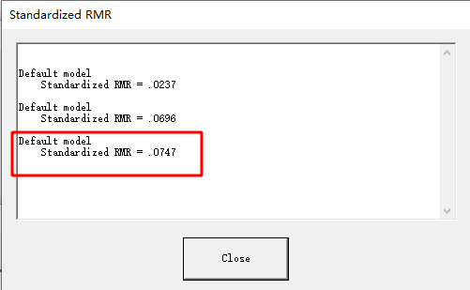
Date and Time

Date: November 28, 2024
Time: November 28, 2024

Title

Two-factor model: November 28, 2024 23:33

Groups

Group number 1 (Group number 1)

Notes for Group (Group number 1)

The model is recursive.
Sample size = 1507

Variable Summary (Group number 1)

Your model contains the following variables (Group number 1)
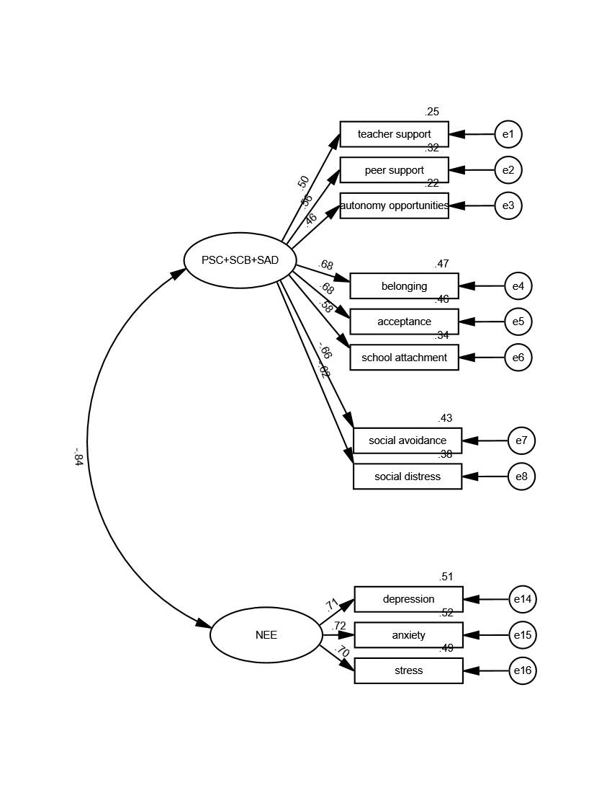
Observed, endogenous variables
teacher support
peer support
autonomy opportunities
belonging
acceptance
school attachment
social avoidance
social distress
depression
anxiety
stress
Unobserved, exogenous variables
F1
e1
e2
e3
e4
e5
e6
e7
e8
F5
e14
e15
e16

Variable counts (Group number 1)

Number of variables in your model: | 24
Number of observed variables: | 11
Number of unobserved variables: | 13
Number of exogenous variables: | 13
Number of endogenous variables: | 11

Parameter Summary (Group number 1)

 | Weights | Covariances | Variances | Means | Intercepts | Total
Fixed | 13 | 0 | 0 | 0 | 0 | 13
Labeled | 0 | 0 | 0 | 0 | 0 | 0
Unlabeled | 9 | 1 | 13 | 0 | 0 | 23
Total | 22 | 1 | 13 | 0 | 0 | 36

Assessment of normality (Group number 1)
...

One-factor model-004
Analysis Summary

Date and Time

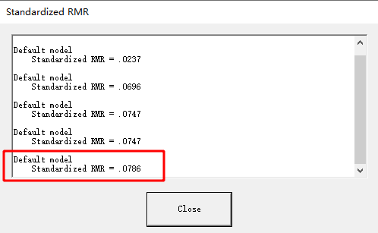
Date: November 28, 2024
Time: 23:36:52

Title

One-factor model: November 28, 2024 23:36

Groups

Group number 1 (Group number 1)

Notes for Group (Group number 1)

The model is recursive.
Sample size = 1507

Variable Summary (Group number 1)

Your model contains the following variables (Group number 1)
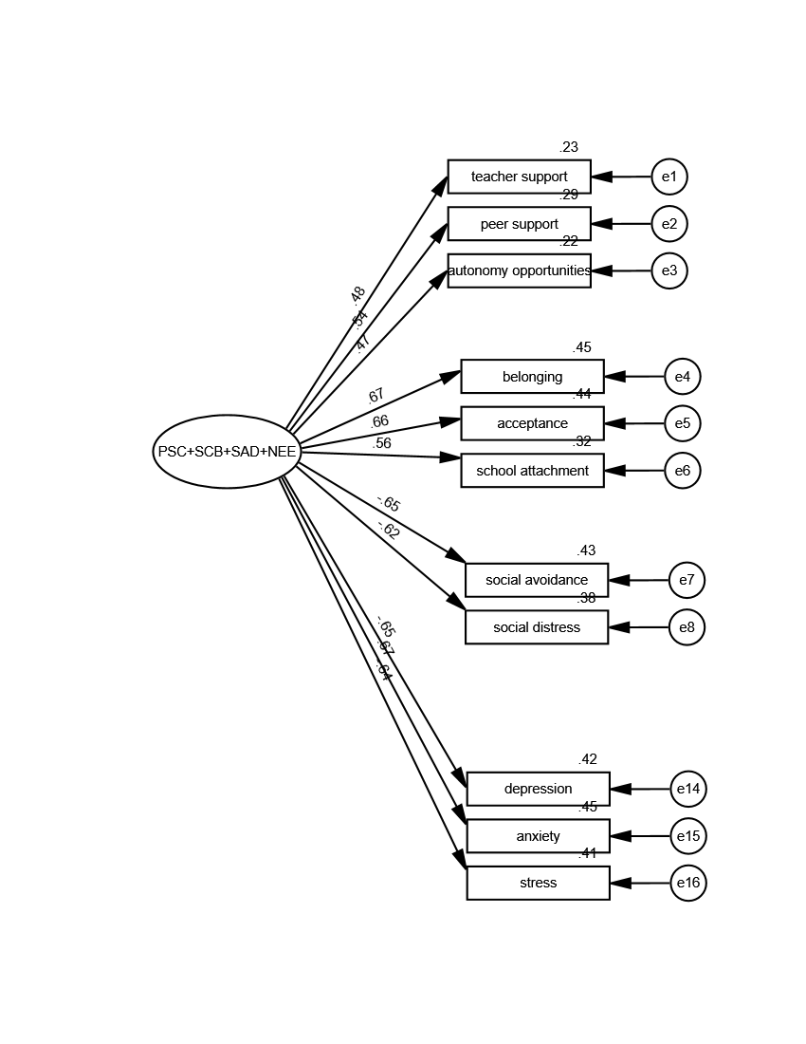
Observed, endogenous variables
teacher support
peer support
autonomy opportunities
belonging
acceptance
school attachment
social avoidance
social distress
depression
anxiety
stress
Unobserved, exogenous variables
F1
e1
e2
e3
e4
e5
e6
e7
e8
e14
e15
e16

Variable counts (Group number 1)

Number of variables in your model: | 23
Number of observed variables: | 11
Number of unobserved variables: | 12
Number of exogenous variables: | 12
Number of endogenous variables: | 11

Parameter Summary (Group number 1)

 | Weights | Covariances | Variances | Means | Intercepts | Total
Fixed | 12 | 0 | 0 | 0 | 0 | 12
Labeled | 0 | 0 | 0 | 0 | 0 | 0
Unlabeled | 10 | 0 | 12 | 0 | 0 | 22
Total | 22 | 0 | 12 | 0 | 0 | 34

Assessment of normality (Group number 1)
...

