TCA Genes
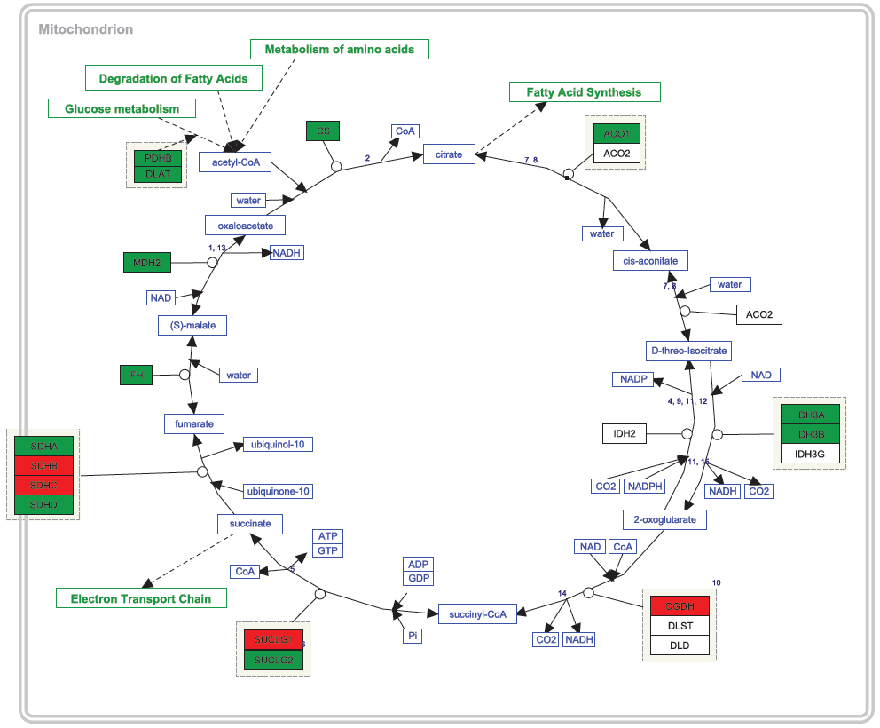
Symbol | T-test SIRS v Healthy | Fold Changes SIRS/Healthy | T-test Sepsis v Healthy | Fold Changes Sepsis/ Healthy | Symbol | Correlation vs serum lactate in SIRS | SIRS Correl P value | Sepsis Correlation of genes with lactate | Sepsis Correl P value
SUCLG2 | 3.92E-05 | 0.70 | 3.31E-15 | 0.62 | SUCLG2 | 2.04E-01 | 0.52 | -0.16 | 3.81E-01
IDH1 | 2.71E-09 | 1.60 | 1.09E-12 | 1.67 | IDH1 | 1.70E-01 | 0.60 | 0.13 | 4.87E-01
PDHB | 1.97E-03 | 0.78 | 7.81E-10 | 0.65 | PDHB | -1.19E-01 | 0.71 | -0.27 | 1.27E-01
ACO1 | 1.62E-03 | 0.87 | 1.34E-09 | 0.77 | ACO1 | -1.11E-01 | 0.73 | -0.06 | 7.27E-01
CS | 1.79E-04 | 0.74 | 2.97E-08 | 0.69 | CS | 1.03E-01 | 0.75 | -0.29 | 1.06E-01
SDHC | 3.13E-04 | 1.19 | 4.03E-07 | 1.39 | SDHC | 4.93E-02 | 0.88 | 0.50 | 3.18E-03
FH | 4.34E-03 | 0.81 | 4.21E-07 | 0.68 | FH | -9.82E-02 | 0.76 | -0.19 | 2.98E-01
MDH2 | 4.95E-04 | 0.74 | 2.19E-06 | 0.67 | MDH2 | 9.04E-02 | 0.78 | -0.07 | 7.10E-01
OGDH | 1.17E-01 | 1.02 | 2.51E-06 | 1.07 | OGDH | 5.86E-02 | 0.86 | 0.46 | 6.45E-03
IDH3B | 4.78E-03 | 0.80 | 8.91E-06 | 0.75 | IDH3B | -4.08E-02 | 0.90 | -0.06 | 7.31E-01
SDHD | 3.53E-03 | 0.81 | 2.19E-05 | 0.75 | SDHD | -6.08E-02 | 0.85 | -0.12 | 5.19E-01
DLAT | 1.08E-01 | 0.94 | 3.49E-05 | 0.88 | DLAT | -4.19E-03 | 0.99 | -0.13 | 4.73E-01
SDHC | 2.07E-02 | 1.16 | 4.57E-05 | 1.44 | SDHC | 9.64E-02 | 0.76 | 0.38 | 2.84E-02
SDHA | 1.88E-02 | 0.89 | 2.23E-04 | 0.84 | SDHA | 4.49E-01 | 0.14 | -0.16 | 3.84E-01
OGDH | 5.73E-02 | 1.14 | 6.09E-04 | 1.23 | OGDH | -4.51E-02 | 0.89 | 0.27 | 1.35E-01
IDH3A | 6.78E-01 | 1.02 | 1.59E-03 | 0.90 | IDH3A | 1.51E-01 | 0.64 | -0.18 | 3.06E-01
IDH1 | 1.25E-01 | 1.04 | 4.31E-03 | 1.08 | IDH1 | 2.21E-01 | 0.49 | 0.28 | 1.12E-01
SUCLG1 | 6.28E-03 | 1.17 | 4.94E-03 | 1.18 | SUCLG1 | -1.87E-01 | 0.56 | 0.33 | 6.21E-02
SDHB | 5.74E-04 | 1.20 | 8.00E-03 | 1.15 | SDHB | 6.14E-02 | 0.85 | -0.16 | 3.82E-01
DLST | 5.78E-01 | 0.98 | 1.07E-02 | 0.93 | DLST | 1.38E-01 | 0.67 | -0.12 | 5.21E-01
CS | 5.63E-04 | 0.89 | 1.09E-02 | 0.92 | CS | 5.11E-02 | 0.87 | 0.12 | 5.05E-01
DLD | 2.85E-02 | 1.14 | 2.60E-02 | 1.14 | DLD | 6.53E-03 | 0.98 | 0.23 | 2.01E-01
OGDH | 9.34E-01 | 1.00 | 3.73E-02 | 1.03 | OGDH | -2.42E-02 | 0.94 | 0.07 | 6.92E-01
IDH3B | 7.76E-01 | 0.98 | 5.79E-02 | 0.92 | IDH3B | -1.96E-02 | 0.95 | 0.20 | 2.57E-01
IDH2 | 4.43E-01 | 0.96 | 1.49E-01 | 0.93 | IDH2 | 1.43E-01 | 0.66 | -0.08 | 6.52E-01
PC | 8.90E-01 | 1.00 | 1.77E-01 | 1.01 | PC | 2.22E-01 | 0.49 | -0.04 | 8.17E-01
PC | 5.01E-03 | 1.04 | 1.86E-01 | 1.03 | PC | -6.16E-02 | 0.85 | -0.13 | 4.64E-01
ACLY | 5.80E-01 | 1.03 | 1.94E-01 | 1.05 | ACLY | 3.92E-02 | 0.90 | 0.38 | 2.68E-02
SDHA | 3.46E-01 | 0.97 | 2.58E-01 | 0.96 | SDHA | -2.92E-02 | 0.93 | 0.10 | 5.62E-01
PC | 7.69E-02 | 1.04 | 2.61E-01 | 1.02 | PC | 3.30E-01 | 0.29 | -0.24 | 1.86E-01
IDH3G | 8.91E-01 | 0.99 | 2.97E-01 | 0.94 | IDH3G | 1.13E-01 | 0.72 | 0.10 | 5.95E-01
SUCLA2 | 3.29E-01 | 1.03 | 3.66E-01 | 1.02 | SUCLA2 | 6.37E-02 | 0.84 | 0.25 | 1.54E-01
SUCLA2 | 5.99E-02 | 1.08 | 3.87E-01 | 1.03 | SUCLA2 | -2.46E-02 | 0.94 | 0.10 | 5.92E-01
PDHA1 | 2.75E-02 | 0.89 | 3.87E-01 | 0.96 | PDHA1 | -7.80E-02 | 0.81 | 0.16 | 3.68E-01
PCK2 | 1.73E-01 | 1.11 | 4.96E-01 | 0.96 | PCK2 | -4.17E-02 | 0.90 | -0.09 | 6.11E-01
PCK2 | 1.37E-01 | 1.05 | 5.25E-01 | 1.01 | PCK2 | 1.03E-01 | 0.75 | -0.01 | 9.39E-01
MDH1 | 4.11E-01 | 1.10 | 6.25E-01 | 0.96 | MDH1 | -2.51E-01 | 0.43 | 0.02 | 9.02E-01
ACO2 | 4.92E-01 | 1.03 | 6.64E-01 | 0.99 | ACO2 | -2.15E-01 | 0.50 | 0.21 | 2.49E-01
ACLY | 5.46E-01 | 0.97 | 9.84E-01 | 1.00 | ACLY | 2.01E-01 | 0.53 | 0.26 | 1.37E-01

Glycolysis Genes
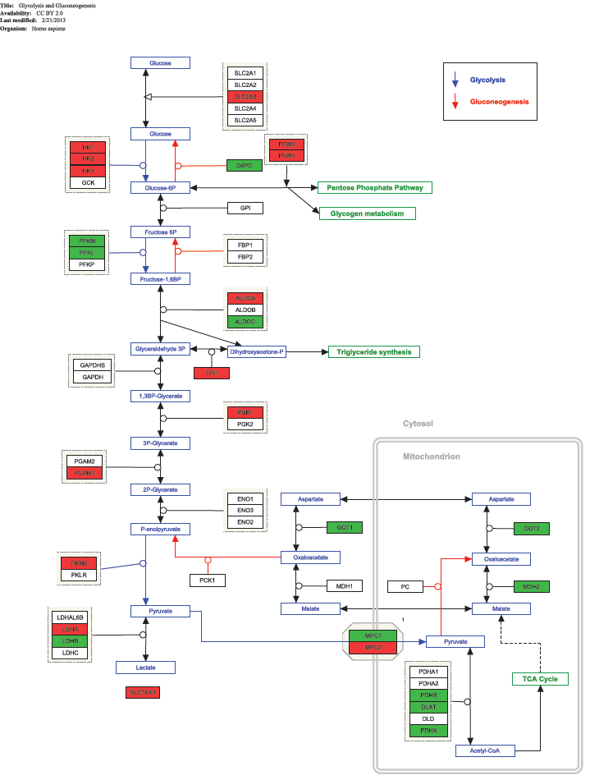
Symbols | T-test SIRS v Healthy | Fold Changes SIRS/Healthy | T-test Sepsis v Healthy | Fold Changes Sepsis/ Healthy | Symbols | Correlation vs serum lactate in SIRS | p value SIRS | Symbol | Correlation vs serum lactate in sepsis | p value sepsis
HK3 | 1.66E-13 | 3.88 | 1.82E-13 | 5.82 | HK3 | 0.48 | 1.07E-01 | HK3 | 0.55 | 9.62E-04
SLC2A3 | 5.67E-09 | 2.29 | 1.58E-12 | 2.48 | SLC2A3 | 0.40 | 1.96E-01 | SLC2A3 | 0.35 | 4.32E-02
LDHB | 6.64E-04 | 0.56 | 3.18E-10 | 0.38 | LDHB | -0.17 | 5.89E-01 | LDHB | -0.31 | 7.86E-02
PDHB | 1.97E-03 | 0.78 | 5.99E-10 | 0.65 | PDHB | -0.12 | 7.12E-01 | PDHB | -0.27 | 1.27E-01
LDHA | 9.15E-06 | 2.15 | 8.32E-09 | 3.27 | LDHA | 0.52 | 7.65E-02 | LDHA | 0.50 | 3.00E-03
PGM2 | 5.48E-06 | 1.56 | 1.04E-08 | 1.67 | PGM2 | 0.20 | 5.36E-01 | PGM2 | 0.36 | 3.90E-02
GOT2 | 1.78E-03 | 0.81 | 1.74E-08 | 0.68 | GOT2 | -0.01 | 9.83E-01 | GOT2 | -0.25 | 1.67E-01
PKM2 | 1.06E-04 | 1.30 | 1.57E-07 | 1.49 | PKM2 | 0.04 | 9.08E-01 | PKM2 | 0.34 | 5.37E-02
ALDOA | 4.20E-05 | 1.38 | 2.00E-07 | 1.52 | ALDOA | 0.35 | 2.55E-01 | ALDOA | -0.17 | 3.36E-01
PKM2 | 4.54E-04 | 1.57 | 4.62E-07 | 1.80 | PKM2 | 0.15 | 6.45E-01 | PKM2 | 0.41 | 1.74E-02
GOT1 | 5.10E-05 | 0.86 | 8.65E-07 | 0.83 | GOT1 | 0.09 | 7.86E-01 | GOT1 | -0.07 | 6.80E-01
SLC16A3 | 7.66E-05 | 1.44 | 9.13E-07 | 1.82 | SLC16A3 | 0.34 | 2.76E-01 | SLC16A3 | 0.33 | 5.83E-02
GK | 8.93E-05 | 1.57 | 1.01E-06 | 1.95 | GK | 0.06 | 8.57E-01 | GK | 0.32 | 7.06E-02
GK | 1.96E-04 | 1.56 | 1.97E-06 | 1.93 | GK | 0.15 | 6.45E-01 | GK | 0.33 | 5.96E-02
MDH2 | 4.95E-04 | 0.74 | 2.15E-06 | 0.67 | MDH2 | 0.09 | 7.79E-01 | MDH2 | -0.07 | 7.10E-01
PKM2 | 2.96E-03 | 1.21 | 9.40E-06 | 1.38 | PKM2 | 0.38 | 2.16E-01 | PKM2 | 0.34 | 5.07E-02
PGM1 | 1.63E-03 | 1.26 | 9.87E-06 | 1.37 | PGM1 | -0.01 | 9.75E-01 | PGM1 | 0.39 | 2.58E-02
HK2 | 1.12E-04 | 1.29 | 1.10E-05 | 1.31 | HK2 | 0.20 | 5.30E-01 | HK2 | 0.15 | 4.08E-01
PGK1 | 3.39E-04 | 1.49 | 1.33E-05 | 1.75 | PGK1 | 0.35 | 2.60E-01 | PGK1 | 0.30 | 9.39E-02
DLAT | 1.08E-01 | 0.94 | 3.39E-05 | 0.88 | DLAT | 0.00 | 9.90E-01 | DLAT | -0.13 | 4.73E-01
BRP44L | 1.31E-03 | 0.81 | 5.42E-05 | 0.77 | MPC1 | 0.20 | 5.36E-01 | BRP44L | 0.21 | 2.45E-01
PGK1 | 3.53E-02 | 1.23 | 2.48E-04 | 1.49 | PGK1 | 0.46 | 1.27E-01 | PGK1 | 0.40 | 2.21E-02
TPI1 | 2.10E-02 | 1.23 | 3.47E-04 | 1.33 | TPI1 | 0.28 | 3.66E-01 | TPI1 | 0.39 | 2.33E-02
ALDOA | 3.27E-02 | 1.32 | 3.51E-04 | 1.60 | ALDOA | -0.04 | 8.94E-01 | ALDOA | 0.21 | 2.49E-01
G6PC | 2.99E-02 | 0.75 | 6.60E-04 | 0.74 | G6PC | -0.03 | 9.18E-01 | G6PC | -0.17 | 3.56E-01
ALDOC | 3.79E-03 | 0.77 | 8.12E-04 | 0.79 | ALDOC | -0.30 | 3.37E-01 | ALDOC | 0.10 | 5.85E-01
BRP44 | 1.53E-02 | 1.20 | 1.66E-03 | 1.27 | MPC2 | -0.10 | 7.56E-01 | BRP44 | -0.11 | 5.32E-01
HK1 | 6.16E-03 | 1.47 | 3.12E-03 | 1.31 | HK1 | -0.30 | 3.32E-01 | HK1 | 0.03 | 8.50E-01
PDHX | 6.04E-01 | 0.98 | 3.19E-03 | 0.90 | PDHX | 0.02 | 9.52E-01 | PDHX | -0.10 | 5.62E-01
PGAM1 | 2.74E-02 | 1.26 | 4.99E-03 | 1.38 | PGAM1 | 0.01 | 9.84E-01 | PGAM1 | 0.35 | 4.85E-02
PFKL | 4.66E-01 | 0.96 | 5.50E-03 | 0.88 | PFKL | 0.24 | 4.56E-01 | PFKL | 0.15 | 3.97E-01
PFKM | 9.56E-01 | 1.00 | 7.44E-03 | 0.95 | PFKM | -0.21 | 5.17E-01 | PFKM | -0.03 | 8.82E-01
PGAM1 | 2.70E-01 | 1.07 | 1.17E-02 | 1.18 | PGAM1 | -0.11 | 7.23E-01 | PGAM1 | 0.26 | 1.43E-01
BRP44L | 1.83E-01 | 1.06 | 1.30E-02 | 1.10 | MPC1 | 0.13 | 6.91E-01 | BRP44L | -0.20 | 2.68E-01
ALDOB | 2.29E-01 | 0.98 | 1.61E-02 | 0.95 | ALDOB | 0.12 | 7.19E-01 | ALDOB | 0.05 | 7.85E-01
BPGM | 7.06E-02 | 1.57 | 1.83E-02 | 1.63 | BPGM | -0.26 | 4.09E-01 | BPGM | -0.18 | 3.13E-01
PKLR | 7.20E-02 | 0.96 | 2.15E-02 | 0.96 | PKLR | 0.02 | 9.44E-01 | PKLR | 0.33 | 5.87E-02
GPI | 5.48E-01 | 1.04 | 2.80E-02 | 1.34 | GPI | -0.06 | 8.43E-01 | GPI | 0.25 | 1.57E-01
ENO3 | 7.43E-02 | 0.92 | 3.03E-02 | 0.94 | ENO3 | -0.18 | 5.69E-01 | ENO3 | 0.16 | 3.59E-01
DLD | 2.85E-02 | 1.14 | 3.07E-02 | 1.14 | DLD | 0.01 | 9.84E-01 | DLD | 0.23 | 2.01E-01
ALDOA | 6.83E-01 | 1.01 | 3.58E-02 | 1.03 | ALDOA | 0.11 | 7.30E-01 | ALDOA | 0.52 | 2.05E-03
PFKP | 2.12E-01 | 0.94 | 3.95E-02 | 0.90 | PFKP | -0.02 | 9.42E-01 | PFKP | -0.09 | 6.27E-01
BPGM | 3.51E-01 | 1.02 | 4.92E-02 | 1.05 | BPGM | -0.12 | 6.99E-01 | BPGM | -0.03 | 8.74E-01
TPI1 | 5.51E-01 | 1.04 | 5.21E-02 | 1.13 | TPI1 | 0.39 | 2.02E-01 | TPI1 | 0.42 | 1.34E-02
HK1 | 3.97E-02 | 1.04 | 1.09E-01 | 1.03 | HK1 | 0.01 | 9.74E-01 | HK1 | -0.02 | 9.25E-01
PGM3 | 7.74E-01 | 1.00 | 1.50E-01 | 1.02 | PGM3 | -0.15 | 6.49E-01 | PGM3 | 0.35 | 4.85E-02
HK2 | 1.66E-01 | 1.15 | 1.56E-01 | 1.13 | HK2 | -0.13 | 6.79E-01 | HK2 | 0.30 | 9.17E-02
LDHC | 4.44E-02 | 0.97 | 1.73E-01 | 0.98 | LDHC | -0.34 | 2.76E-01 | LDHC | -0.07 | 7.02E-01
PC | 5.01E-03 | 1.04 | 1.73E-01 | 1.03 | PC | -0.06 | 8.48E-01 | PC | -0.04 | 8.17E-01
PC | 8.90E-01 | 1.00 | 1.75E-01 | 1.01 | PC | 0.22 | 4.86E-01 | PC | -0.13 | 4.64E-01
ENO1 | 2.66E-02 | 1.16 | 1.86E-01 | 1.12 | ENO1 | 0.34 | 2.71E-01 | ENO1 | 0.44 | 1.09E-02
SLC2A5 | 5.47E-03 | 1.13 | 1.97E-01 | 1.11 | SLC2A5 | 0.06 | 8.62E-01 | SLC2A5 | -0.12 | 5.11E-01
PC | 7.69E-02 | 1.04 | 2.43E-01 | 1.02 | PC | 0.33 | 2.90E-01 | PC | -0.24 | 1.86E-01
BPGM | 3.33E-01 | 1.15 | 2.47E-01 | 1.11 | BPGM | -0.33 | 2.97E-01 | BPGM | -0.17 | 3.45E-01
ENO2 | 2.33E-01 | 1.06 | 3.63E-01 | 1.07 | ENO2 | -0.09 | 7.74E-01 | ENO2 | -0.15 | 4.15E-01
PDHA1 | 2.75E-02 | 0.89 | 4.15E-01 | 0.96 | PDHA1 | -0.08 | 8.09E-01 | PDHA1 | 0.16 | 3.68E-01
PKLR | 6.82E-01 | 0.99 | 4.42E-01 | 1.00 | PKLR | -0.27 | 3.95E-01 | PKLR | -0.11 | 5.31E-01
FBP1 | 1.10E-01 | 1.13 | 4.67E-01 | 0.95 | FBP1 | 0.18 | 5.70E-01 | FBP1 | -0.08 | 6.74E-01
MDH1 | 4.11E-01 | 1.10 | 6.09E-01 | 0.96 | MDH1 | -0.25 | 4.28E-01 | MDH1 | 0.02 | 9.02E-01
PGM3 | 5.78E-01 | 0.99 | 8.35E-01 | 1.00 | PGM3 | -0.05 | 8.87E-01 | PGM3 | -0.06 | 7.58E-01
LDHC | 3.36E-01 | 1.02 | 8.39E-01 | 1.00 | LDHC | 0.00 | 9.88E-01 | LDHC | 0.33 | 6.06E-02
GALM | 9.24E-01 | 0.99 | 8.70E-01 | 0.99 | GALM | -0.28 | 3.79E-01 | GALM | -0.12 | 5.13E-01
SLC2A1 | 4.74E-01 | 1.11 | 9.38E-01 | 0.99 | SLC2A1 | -0.21 | 5.18E-01 | SLC2A1 | -0.16 | 3.79E-01
HK1 | 4.10E-01 | 1.05 | 9.41E-01 | 1.00 | HK1 | -0.32 | 3.02E-01 | HK1 | -0.16 | 3.61E-01
PGK2 | 1.55E-01 | 0.98 | 9.48E-01 | 1.00 | PGK2 | 0.39 | 2.06E-01 | PGK2 | 0.26 | 1.45E-01
PFKL | 7.51E-01 | 1.00 | 9.66E-01 | 1.00 | PFKL | -0.58 | 4.28E-02 | PFKL | 0.00 | 9.88E-01

PPP Genes
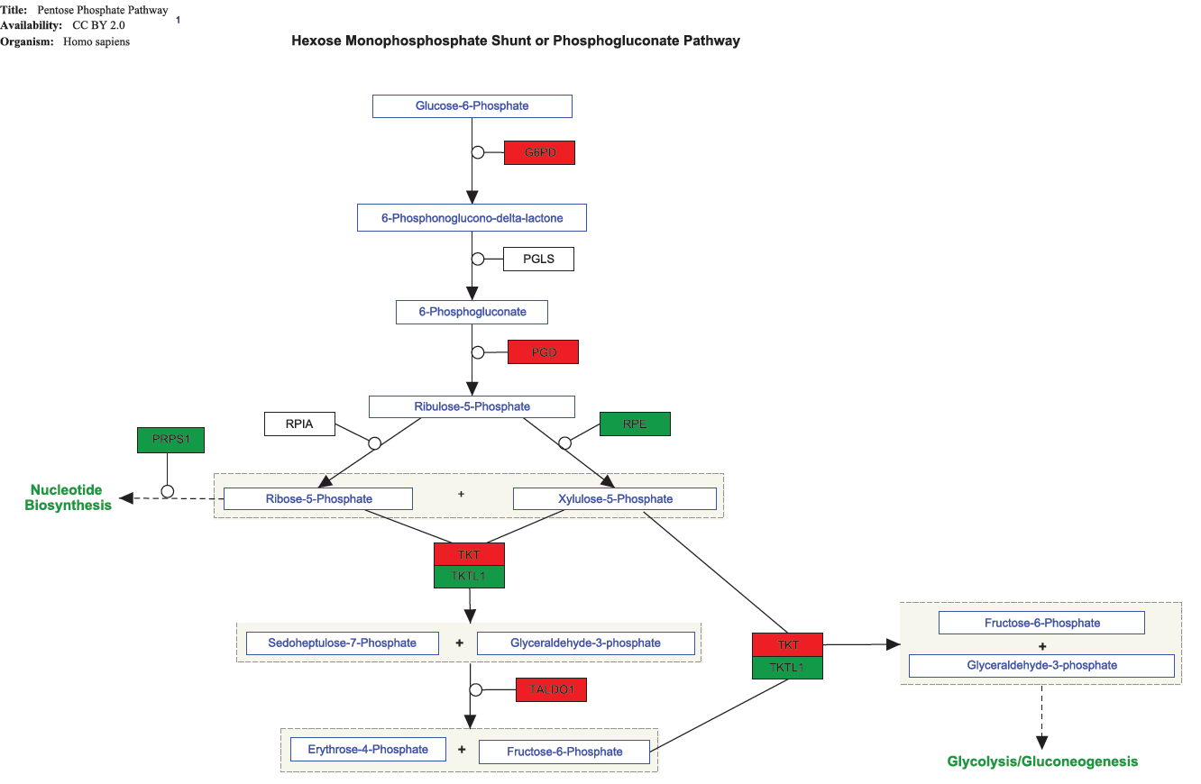
Symbol | T-test SIRS v Healthy | Fold Changes SIRS/Healthy | T-test Sepsis v Healthy | FC Sepsis/ Healthy | Symbol | Correlation Sepsis pts gene vs lactate | Sepsis correl p value | Correlation SIRS pts gene vs lactate | SIRS correl p value
G6PD | 1.77E-04 | 1.49 | 5.54E-08 | 1.74 | G6PD | 0.45 | 8.88E-03 | -0.02 | 9.17E-01
G6PD | 3.78E-01 | 1.08 | 1.85E-04 | 1.48 | G6PD | 0.41 | 1.81E-02 | -0.04 | 8.46E-01
H6PD | 3.79E-01 | 1.03 | 6.50E-02 | 1.07 | H6PD | 0.44 | 9.27E-03 | 0.25 | 1.60E-01
PGD | 4.95E-09 | 2.73 | 3.21E-12 | 3.88 | PGD | 0.56 | 6.98E-04 | 0.22 | 2.08E-01
PGLS | 1.80E-01 | 1.12 | 6.30E-01 | 1.03 | PGLS | -0.02 | 9.24E-01 | 0.25 | 1.52E-01
PRPS1 | 1.55E-05 | 0.80 | 2.17E-09 | 0.77 | PRPS1 | -0.28 | 1.18E-01 | 0.13 | 4.68E-01
PRPS1L1 | 9.02E-01 | 1.00 | 7.88E-01 | 0.99 | PRPS1L1 | 0.10 | 5.92E-01 | -0.42 | 1.46E-02
PRPS2 | 8.94E-02 | 0.94 | 1.64E-02 | 0.92 | PRPS2 | 0.02 | 9.02E-01 | 0.35 | 4.40E-02
PRPS2 | 1.28E-02 | 0.89 | 4.02E-03 | 0.87 | PRPS2 | -0.24 | 1.78E-01 | -0.17 | 3.36E-01
RPE | 2.62E-03 | 0.96 | 9.97E-01 | 1.00 | RPE | 0.13 | 4.81E-01 | 0.44 | 1.09E-02
RPE | 4.65E-01 | 1.03 | 8.68E-01 | 1.00 | RPE | 0.03 | 8.68E-01 | 0.00 | 9.93E-01
RPIA | 4.34E-01 | 0.85 | 4.07E-01 | 0.85 | RPIA | -0.23 | 1.91E-01 | -0.31 | 8.26E-02
TALDO1 | 2.70E-01 | 1.05 | 1.55E-01 | 1.04 | TALDO1 | -0.30 | 8.72E-02 | 0.20 | 2.73E-01
TALDO1 | 3.06E-03 | 1.33 | 9.55E-04 | 1.39 | TALDO1 | 0.42 | 1.47E-02 | 0.08 | 6.64E-01
TKT | 5.29E-05 | 1.60 | 1.76E-04 | 1.63 | TKT | 0.27 | 1.34E-01 | 0.35 | 4.75E-02
TKTL1 | 6.40E-04 | 0.85 | 7.15E-10 | 0.80 | TKTL1 | -0.13 | 4.68E-01 | -0.59 | 3.19E-04

